1. Info
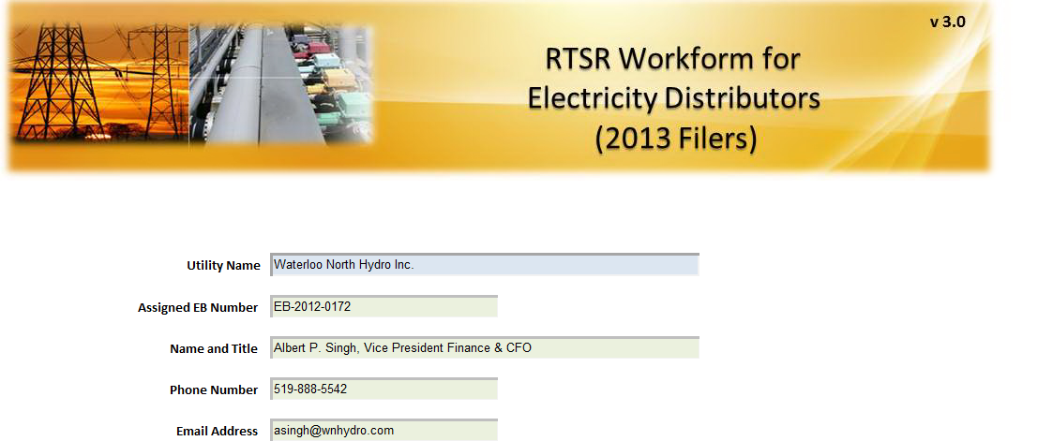

3. Rate Classes
1. Select the appropriate rate classes that appear on your most recent Board-Approved Tariff of Rates and Charges.
2. Enter the RTS Network and Connection Rate as it appears on the Tariff of Rates and Charges

Rate Class
Unit
RTSR - Network
RTSR - Connection

Residential | kWh | $0.0075 | $0.0023
General Service Less Than 50 kW | kWh | $0.0068 | $0.0021
General Service 50 to 999 kW | kW | $2.7869 | $0.8168
General Service 50 to 999 kW - Interval Metered | kW | $2.9601 | $1.0203
General Service 1,000 to 4,999 kW - Interval Meters | kW | $2.9563 | $1.0191
Large Use | kW | $3.2774 | $1.0238
Unmetered Scattered Load | kWh | $0.0068 | $0.0021
Street Lighting | kW | $2.1021 | $0.6313
Embedded Distributor | kW | $- | $-
Choose Rate Class
Choose Rate Class
Choose Rate Class
Choose Rate Class
Choose Rate Class
Choose Rate Class
Choose Rate Class
Choose Rate Class
Choose Rate Class
Choose Rate Class
Choose Rate Class
Choose Rate Class
Choose Rate Class

4. RRR Data
In the green shaded cells, enter the most recent reported RRR billing determinants. Please ensure that billing determinants are non-loss adjusted.

Non-Loss Adjusted Metered kWh
Non-Loss Adjusted Metered kW
Applicable
Loss Factor
Load
Factor
Loss Adjusted Billed kWh
Billed kW
Rate Class
Unit

Residential | kWh | 393,848,054 |  | 1.0404 |  | 409,759,515 | -
General Service Less Than 50 kW | kWh | 179,687,810 |  | 1.0404 |  | 186,947,198 | -
General Service 50 to 999 kW | kW | 141,818,044 | 405,419 |  | 47.94% | 141,818,044 | 405,419
General Service 50 to 999 kW - Interval Metered | kW | 314,724,309 | 719,366 |  | 59.96% | 314,724,309 | 719,366
General Service 1,000 to 4,999 kW - Interval Meters | kW | 249,190,336 | 456,422 |  | 74.83% | 249,190,336 | 456,422
Large Use | kW | 79,638,262 | 153,852 |  | 70.95% | 79,638,262 | 153,852
Unmetered Scattered Load | kWh | 1,648,666 |  | 1.0404 |  | 1,715,272 | -
Street Lighting | kW | 7,792,006 | 21,835 |  | 48.91% | 7,792,006 | 21,835
Embedded Distributor | kW | 28,618,000 | 71,600 |  | 54.78% | 28,618,000 | 71,600

