Forecast
Enbridge Load Growth Forecast Model
 | Exhibit I.A4.EGD.ED.3
 | Peak Demand (m3/hr) at 41HDD -with discounted growth |  |  |  |  |  | Incremental Peak Demand growth (m3/hr) without discount |  |  |  |  |  |  | Full Load Growth (m3/hr)
 | Apartment | Commercial | Industrial | Residential | Total |  | Apartment | Commercial | Industrial | Residential |  |  |  | Apartment | Commercial | Industrial | Residential | Total
2007 | 410,758 | 896,792 | 352,178 | 1,203,076 | 2,862,804 |  |  |  |  |  |  |  |  | 410,758 | 896,792 | 352,178 | 1,203,076 | 2,862,804
2008 | 414,932 | 900,775 | 358,798 | 1,225,376 | 2,899,881 |  |  |  |  |  |  |  |  | 414,932 | 900,775 | 358,798 | 1,225,376 | 2,899,881
2009 | 404,701 | 916,271 | 336,968 | 1,230,241 | 2,888,181 |  |  |  |  |  |  |  |  | 404,701 | 916,271 | 336,968 | 1,230,241 | 2,888,181
2010 | 400,992 | 905,314 | 311,336 | 1,220,411 | 2,838,053 |  |  |  |  |  |  |  |  | 400,992 | 905,314 | 311,336 | 1,220,411 | 2,838,053
2011 | 410,716 | 902,621 | 324,351 | 1,205,503 | 2,843,191 |  |  |  |  |  |  |  |  | 410,716 | 902,621 | 324,351 | 1,205,503 | 2,843,191
2012 | 424,455 | 1,112,231 | 184,774 | 1,168,523 | 2,889,983 |  |  |  |  |  |  |  |  | 424,455 | 1,112,231 | 184,774 | 1,168,523 | 2,889,983
2013 | 428,717 | 1,119,742 | 184,791 | 1,178,633 | 2,911,883 | 2013 | 6,557 | 11,555 | 26 | 15,554 |  |  |  | 431,012 | 1,123,786 | 184,800 | 1,184,077 | 2,923,675
2014 | 432,326 | 1,126,892 | 184,807 | 1,189,248 | 2,933,273 | 2014 | 5,552 | 11,000 | 25 | 16,331 |  |  |  | 436,564 | 1,134,786 | 184,825 | 1,200,408 | 2,956,583
2015 | 436,452 | 1,134,299 | 184,906 | 1,199,433 | 2,955,090 | 2015 | 6,348 | 11,395 | 152 | 15,669 |  |  |  | 442,912 | 1,146,182 | 184,977 | 1,216,077 | 2,990,148
2016 | 440,674 | 1,142,224 | 185,008 | 1,210,117 | 2,978,023 | 2016 | 6,495 | 12,192 | 157 | 16,437 |  |  |  | 449,407 | 1,158,374 | 185,134 | 1,232,514 | 3,025,429
2017 | 444,881 | 1,150,310 | 185,052 | 1,221,059 | 3,001,302 | 2017 | 6,472 | 12,440 | 68 | 16,834 |  |  |  | 455,880 | 1,170,814 | 185,202 | 1,249,348 | 3,061,243
2018 | 448,893 | 1,157,861 | 185,094 | 1,232,348 | 3,024,196 | 2018 | 6,172 | 11,617 | 65 | 17,368 |  |  |  | 462,052 | 1,182,431 | 185,266 | 1,266,715 | 3,096,465
2019 | 452,855 | 1,165,411 | 185,135 | 1,243,700 | 3,047,101 | 2019 | 6,095 | 11,615 | 63 | 17,465 |  |  |  | 468,147 | 1,194,046 | 185,329 | 1,284,180 | 3,131,703
2020 | 456,806 | 1,172,925 | 185,175 | 1,255,174 | 3,070,080 | 2020 | 6,078 | 11,560 | 62 | 17,652 |  |  |  | 474,226 | 1,205,606 | 185,391 | 1,301,832 | 3,167,055
2021 | 460,711 | 1,180,485 | 185,229 | 1,266,791 | 3,093,216 | 2021 | 6,008 | 11,631 | 83 | 17,872 |  |  |  | 480,233 | 1,217,237 | 185,474 | 1,319,705 | 3,202,649
2022 | 464,600 | 1,188,071 | 185,282 | 1,278,559 | 3,116,512 | 2022 | 5,983 | 11,671 | 82 | 18,105 |  |  |  | 486,217 | 1,228,908 | 185,556 | 1,337,809 | 3,238,489
2023 | 468,490 | 1,195,658 | 185,335 | 1,290,326 | 3,139,809 | 2023 | 5,985 | 11,672 | 82 | 18,103 |  |  |  | 492,201 | 1,240,580 | 185,637 | 1,355,912 | 3,274,331
2024 | 472,380 | 1,203,244 | 185,388 | 1,302,094 | 3,163,106 | 2024 | 5,985 | 11,671 | 82 | 18,105 |  |  |  | 498,186 | 1,252,251 | 185,719 | 1,374,017 | 3,310,172
2025 | 476,270 | 1,210,830 | 185,442 | 1,313,862 | 3,186,404 | 2025 | 5,985 | 11,671 | 83 | 18,105 |  |  |  | 504,170 | 1,263,922 | 185,802 | 1,392,121 | 3,346,015

Baseline with Load Growth and DSM Model
 |  |  |  |  |  |  | Conservation Potential |  |  |  |  |  |  |  |  |  |  |  |  |  |  |  |  |  |  |  |  |  |  |  |  |  | Exhibit JT2.36
 |  |  |  |  |  |  | Apartment |  |  | Commercial |  |  | Industrial |  |  | Residential |  |  |  | Overall Peak Hour (HDD41) Breakdown |  |  |  |  |  |  |  |  |  |  |  | Total GTA Annual Demand (10^6 m3/yr) | Apartment | Commercial | Industrial | Residential
 |  |  |  |  |  |  | Base | Heating | Total | Base | Heating | Total | Base | Heating | Total | Base | Heating | Total |  | Base | 16% |  |  |  |  |  |  |  |  |  |  | 2000 | 1024 | 2,353 | 1,661 | 2,723 | 7761
 |  |  |  |  |  |  | Median Target |  |  |  |  |  |  |  |  |  |  |  |  | Heating | 84% |  |  |  |  |  |  |  |  |  |  | 2001 | 992 | 2,278 | 1,562 | 2,638 | 7470
 |  |  |  |  |  |  | 12% | 13% | 13% | 42% | 16% | 20% | 40% | 40% | 40% | 34% | 34% | 34% |  |  |  |  |  |  |  |  |  |  |  |  |  | 2002 | 1028 | 2372 | 1,597 | 2,799 | 7796
 |  |  |  |  |  |  | Top Quartile Target |  |  |  |  |  |  |  |  |  |  |  |  |  |  |  |  |  |  |  |  |  |  |  |  | 2003 | 1,092 | 2522 | 1,597 | 3,068 | 8279 |  |  |  |  |  |  | Exhibit I.A4.EGD.ED.25 |  |  |  |  |  |  |  | Exhibit I.A4.EGD.ED.25
 | Exhibit I.A4.EGD.ED.3 |  |  |  |  |  | 23% | 30% | 29% | 58% | 28% | 32% | 40% | 40% | 40% | 34% | 34% | 34% |  |  |  |  |  |  |  |  |  |  |  |  |  | 2004 | 1,032 | 2404 | 1,579 | 2,928 | 7943
 | Peak Demand (m3/hr) at 41HDD -Derived Historic and Baseline (2011-2012) |  |  |  |  |  | Base Heating % |  | 16% |  |  | 16% |  |  | 16% |  |  | 16% | Overall | Reduction from Full Growth Forecast 2025 Peak |  |  |  |  |  |  |  |  |  |  |  | 2005 | 1,034 | 2465 | 1,581 | 3,043 | 8123 |  | Baseline with Load Growth and DSM (median) (m3/hr) |  |  |  |  | DSM per year | Annual Additional DSM (10^6 m3/yr) | % of annual volume | Median PV ($million) | Baseline with Load Growth and DSM (top quartile) (m3/hr) |  |  |  |  | Total DSM | Annual Additional DSM (10^6 m3/yr) | % of annual volume | Top Quartile PV ($million)
 | Apartment | Commercial | Industrial | Residential | Total | Peak Demand Reduction by 2025 | Median Target |  | 13% |  |  | 20% |  |  | 15% |  |  | 5.25% | 13% | 421,982 |  |  |  |  |  |  |  |  |  |  |  | 2006 | 988 | 2318 | 1,509 | 2,813 | 7628 |  | Apartment | Commercial | Industrial | Residential | Total | (m3/hr) |  |  | $753 | Apartment | Commercial | Industrial | Residential | Total | (m3/hr) |  |  | $1,117
2007 | 410,758 | 896,792 | 352,178 | 1,203,076 | 2,862,804 |  | Top Quartile Target |  | 29% |  |  | 32% |  |  | 15% |  |  | 5.25% | 20% | 663,497 |  |  |  |  |  |  |  |  |  |  |  | 2007 | 1,014 | 2436 | 1,515 | 3,042 | 8007 |  | 410,758 | 896,792 | 352,178 | 1,203,076 | 2,862,804 |  | 53 | 0.7% |  | 410,758 | 896,792 | 352,178 | 1,203,076 | 2,862,804 |  | 52 | 0.7% |  |  | NPV Assumption
2008 | 414,932 | 900,775 | 358,798 | 1,225,376 | 2,899,881 |  | Savings Forecast-Median |  |  |  |  |  |  |  |  |  |  |  |  | Savings Forecast-Top Quartile |  |  |  |  |  |  |  |  |  |  |  | 2008 | 1,017 | 2363 | 1,447 | 3,066 | 7893 |  | 414,932 | 900,775 | 358,798 | 1,225,376 | 2,899,881 |  | 47 | 0.6% |  | 414,932 | 900,775 | 358,798 | 1,225,376 | 2,899,881 |  | 53 | 0.7%
2009 | 404,701 | 916,271 | 336,968 | 1,230,241 | 2,888,181 |  | Apartment |  |  | Commercial |  |  | Industrial |  |  | Residential |  |  |  | Apartment |  |  | Commercial |  |  | Industrial |  |  | Residential |  |  | 2009 | 965 | 2234 | 1,234 | 3,066 | 7499 |  | 404,701 | 916,271 | 336,968 | 1,230,241 | 2,888,181 |  | 41 | 0.5% |  | 404,701 | 916,271 | 336,968 | 1,230,241 | 2,888,181 |  | 47 | 0.6% |  |  | GJ/10^3m3
2010 | 400,992 | 905,314 | 311,336 | 1,220,411 | 2,838,053 |  | % of Potential Achievable | m3/hr from Enbridge's Full Growth Forecast | 10^6 m3/yr | % of Potential Achievable | m3/hr from Enbridge's Full Growth Forecast | 10^6 m3/yr | % of Potential Achievable | m3/hr from Enbridge's Full Growth Forecast | 10^6 m3/yr | % of Potential Achievable | m3/hr from Enbridge's Full Growth Forecast | 10^6 m3/yr |  | % of Potential Achievable | m3/hr from 2012 | 10^6 m3/yr | % of Potential Achievable | m3/hr from 2012 | 10^6 m3/yr | % of Potential Achievable | m3/hr from 2012 | 10^6 m3/yr | % of Potential Achievable | m3/hr from 2012 | 10^6 m3/yr | 2010 | 979 | 2122 | 1,264 | 2,859 | 7224 |  | 400,992 | 905,314 | 311,336 | 1,220,411 | 2,838,053 |  | 38 | 0.5% |  | 400,992 | 905,314 | 311,336 | 1,220,411 | 2,838,053 |  | 41 | 0.5% |  |  |  | 37.69 |  |  |  |  |  |  |  |  |  | 23879.013001
2011 | 410,716 | 902,621 | 324,351 | 1,205,503 | 2,843,191 |  |  |  |  |  |  |  |  |  |  |  |  |  |  |  |  |  |  |  |  |  |  |  |  |  |  | 2011 | 1,004 | 2,295 | 1,278 | 3,041 | 7618 |  | 410,716 | 902,621 | 324,351 | 1,205,503 | 2,843,191 |  | 45 | 0.6% |  | 410,716 | 902,621 | 324,351 | 1,205,503 | 2,843,191 |  | 38 | 0.5% |  |  | Discount rate |  |  | Median |  |  |  | Top Quartile
2012 | 424,455 | 1,112,231 | 184,774 | 1,168,523 | 2,889,983 | Baseline 2012 |  |  |  |  |  |  |  |  |  |  |  |  |  |  |  |  |  |  |  |  |  |  |  |  |  | 2012 | 903 | 2040 | 1,202 | 2,699 | 6844 |  | 424,455 | 1,112,231 | 184,774 | 1,168,523 | 2,889,983 |  | 36 | 0.5% |  | 424,455 | 1,112,231 | 184,774 | 1,168,523 | 2,889,983 |  | 45 | 0.6% |  |  |  | 5.88% |  | Apartment |  | Commercial |  | Apartment |  | Commercial
2013 | 431,012 | 1,123,786 | 184,800 | 1,184,077 | 2,923,675 | 2013 | 0.0% | - | - | 0.0% | - | - | 0.0% | - | - | 0.0% | - | - |  | 0.0% | - | - | 0.0% | - | - | 0.0% | - | - | 0.0% | - | - | 2013 | 904 | 2,063 | 1,202 | 2,730 | 6909 |  | 431,012 | 1,123,786 | 184,800 | 1,184,077 | 2,923,675 | - | - | 0.0% |  | 431,012 | 1,123,786 | 184,800 | 1,184,077 | 2,923,675 | - | - | 0.0% |  |  | Commodity Cost |  |  | DSM (10^6M3/yr) | PV ($million) | Commercial DSM (10^6M3/yr) | PV ($ million) | Apartment DSM (10^6M3/yr) | PV ($million) | Commercial DSM (10^6M3/yr) | PV ($ million)
2014 | 431,012 | 1,123,786 | 184,800 | 1,184,077 | 2,923,675 | 2014 | 2.5% | 1,383 | 3 | 2.5% | 5,660 | 11 | 0.9% | 630 | 4 | 0.4% | 1,432 | 3 |  | 2.5% | 3,176 | 7 | 2.5% | 9,200 | 18 | 0.9% | 630 | 4 | 0.4% | 1,432 | 3 | 2014 | 925 | 2,087 | 1,203 | 2,760 | 6975 |  | 435,181 | 1,129,127 | 184,195 | 1,198,975 | 2,947,477 | 9,106 | 22 | 0.3% |  | 433,388 | 1,125,586 | 184,195 | 1,198,975 | 2,942,144 | 14,439 | 32 | 0.5% |  |  |  | ($/GJ)
2015 | 431,012 | 1,123,786 | 184,800 | 1,184,077 | 2,923,675 | 2015 | 10.0% | 5,614 | 12 | 9.3% | 21,308 | 42 | 3.4% | 2,522 | 16 | 1.4% | 5,804 | 13 |  | 10.0% | 12,890 | 26 | 9.3% | 34,635 | 69 | 3.4% | 2,522 | 16 | 1.4% | 5,804 | 13 | 2015 | 931 | 2,100 | 1,203 | 2,776 | 7010 | 2015 | 437,298 | 1,124,874 | 182,455 | 1,210,273 | 2,954,899 | 26,143 | 62 | 0.9% | $11 | 430,022 | 1,111,547 | 182,455 | 1,210,273 | 2,934,296 | 41,413 | 92 | 1.3% | $16 | 2015 |  | 4.65 | 2015 | 11.64 | $2.04 | 42.45 | $7.44 | 26.28 | $4.61 | 68.58 | $12.02
2016 | 431,012 | 1,123,786 | 184,800 | 1,184,077 | 2,923,675 | 2016 | 19.1% | 10,876 | 22 | 18.4% | 42,543 | 85 | 6.8% | 5,049 | 33 | 2.8% | 11,765 | 27 |  | 19.1% | 24,969 | 51 | 18.4% | 69,153 | 137 | 6.8% | 5,049 | 33 | 2.8% | 11,765 | 27 | 2016 | 942 | 2,127 | 1,203 | 2,808 | 7080 | 2016 | 438,532 | 1,115,831 | 180,085 | 1,220,749 | 2,955,196 | 34,984 | 83 | 1.2% | $24 | 424,439 | 1,089,221 | 180,085 | 1,220,749 | 2,914,493 | 55,085 | 123 | 1.8% | $36 | 2016 |  | 4.7 | 2016 | 22.37 | $3.74 | 84.93 | $14.21 | 50.76 | $8.49 | 137.24 | $22.96
2017 | 431,012 | 1,123,786 | 184,800 | 1,184,077 | 2,923,675 | 2017 | 28.2% | 16,286 | 33 | 27.5% | 64,235 | 128 | 10.2% | 7,576 | 49 | 4.2% | 17,888 | 41 |  | 28.2% | 37,389 | 76 | 27.5% | 104,412 | 208 | 10.2% | 7,576 | 49 | 4.2% | 17,888 | 41 | 2017 | 952 | 2,153 | 1,203 | 2,841 | 7149 | 2017 | 439,594 | 1,106,579 | 177,625 | 1,231,459 | 2,955,258 | 35,752 | 85 | 1.2% | $37 | 418,490 | 1,066,402 | 177,625 | 1,231,459 | 2,893,977 | 56,331 | 126 | 1.8% | $55 | 2017 |  | 4.83 | 2017 | 33.41 | $5.43 | 128.43 | $20.85 | 75.73 | $12.30 | 207.52 | $33.70
2018 | 431,012 | 1,123,786 | 184,800 | 1,184,077 | 2,923,675 | 2018 | 37.3% | 21,831 | 45 | 36.6% | 86,318 | 173 | 13.6% | 10,105 | 66 | 5.6% | 24,183 | 55 |  | 37.3% | 50,120 | 101 | 36.6% | 140,307 | 279 | 13.6% | 10,105 | 66 | 5.6% | 24,183 | 55 | 2018 | 963 | 2,178 | 1,204 | 2,875 | 7220 | 2018 | 440,221 | 1,096,113 | 175,161 | 1,242,533 | 2,954,028 | 36,451 | 86 | 1.2% | $50 | 411,932 | 1,042,124 | 175,161 | 1,242,533 | 2,871,749 | 57,449 | 128 | 1.8% | $74 | 2018 |  | 5 | 2018 | 44.66 | $7.09 | 172.87 | $27.45 | 101.31 | $16.08 | 279.32 | $44.35
2019 | 431,012 | 1,123,786 | 184,800 | 1,184,077 | 2,923,675 | 2019 | 46.4% | 27,514 | 56 | 45.7% | 108,821 | 218 | 17.0% | 12,636 | 82 | 7.0% | 30,645 | 69 |  | 46.4% | 63,167 | 127 | 45.7% | 176,887 | 353 | 17.0% | 12,636 | 82 | 7.0% | 30,645 | 69 | 2019 | 974 | 2,203 | 1,204 | 2,909 | 7290 | 2019 | 440,634 | 1,085,225 | 172,693 | 1,253,535 | 2,952,087 | 37,180 | 88 | 1.2% | $63 | 404,981 | 1,017,160 | 172,693 | 1,253,535 | 2,848,368 | 58,620 | 131 | 1.8% | $93 | 2019 |  | 5.2 | 2019 | 56.19 | $8.76 | 218.29 | $34.04 | 127.46 | $19.88 | 352.72 | $55.01
2020 | 431,012 | 1,123,786 | 184,800 | 1,184,077 | 2,923,675 | 2020 | 55.5% | 33,336 | 68 | 54.8% | 131,741 | 265 | 20.5% | 15,168 | 99 | 8.4% | 37,280 | 84 |  | 55.5% | 76,533 | 154 | 54.8% | 214,141 | 428 | 20.5% | 15,168 | 99 | 8.4% | 37,280 | 84 | 2020 | 984 | 2,229 | 1,204 | 2,943 | 7360 | 2020 | 440,890 | 1,073,866 | 170,223 | 1,264,552 | 2,949,531 | 37,908 | 90 | 1.2% | $74 | 397,693 | 991,465 | 170,223 | 1,264,552 | 2,823,933 | 59,788 | 133 | 1.8% | $110 | 2020 |  | 5.28 | 2020 | 67.98 | $10.17 | 264.82 | $39.60 | 154.02 | $23.03 | 427.91 | $63.99
2021 | 431,012 | 1,123,786 | 184,800 | 1,184,077 | 2,923,675 | 2021 | 64.5% | 39,292 | 80 | 63.9% | 155,088 | 312 | 23.9% | 17,704 | 115 | 9.8% | 44,090 | 99 |  | 64.5% | 90,208 | 181 | 63.9% | 252,092 | 505 | 23.9% | 17,704 | 115 | 9.8% | 44,090 | 99 | 2021 | 995 | 2,254 | 1,204 | 2,978 | 7431 | 2021 | 440,941 | 1,062,149 | 167,770 | 1,275,614 | 2,946,474 | 38,650 | 91 | 1.2% | $83 | 390,025 | 965,145 | 167,770 | 1,275,614 | 2,798,554 | 60,972 | 136 | 1.8% | $124 | 2021 |  | 5.32 | 2021 | 79.93 | $11.38 | 312.24 | $44.44 | 181.27 | $25.80 | 504.53 | $71.80
2022 | 431,012 | 1,123,786 | 184,800 | 1,184,077 | 2,923,675 | 2022 | 73.6% | 45,385 | 92 | 73.0% | 178,863 | 361 | 27.3% | 20,242 | 131 | 11.2% | 51,080 | 115 |  | 73.6% | 104,196 | 209 | 73.0% | 290,739 | 583 | 27.3% | 20,242 | 131 | 11.2% | 51,080 | 115 | 2022 | 1,005 | 2,280 | 1,204 | 3,013 | 7502 | 2022 | 440,832 | 1,050,044 | 165,313 | 1,286,729 | 2,942,919 | 39,396 | 93 | 1.2% | $92 | 382,021 | 938,169 | 165,313 | 1,286,729 | 2,772,233 | 62,162 | 138 | 1.9% | $137 | 2022 |  | 5.4 | 2022 | 92.21 | $12.58 | 360.80 | $49.23 | 208.88 | $28.50 | 582.99 | $79.54
2023 | 431,012 | 1,123,786 | 184,800 | 1,184,077 | 2,923,675 | 2023 | 82.7% | 51,615 | 105 | 82.0% | 203,062 | 410 | 30.7% | 22,783 | 148 | 12.6% | 58,243 | 131 |  | 82.7% | 118,500 | 237 | 82.0% | 330,073 | 663 | 30.7% | 22,783 | 148 | 12.6% | 58,243 | 131 | 2023 | 1,015 | 2,306 | 1,205 | 3,049 | 7575 | 2023 | 440,586 | 1,037,518 | 162,854 | 1,297,670 | 2,938,628 | 40,132 | 94 | 1.2% | $100 | 373,701 | 910,507 | 162,854 | 1,297,670 | 2,744,732 | 63,342 | 141 | 1.9% | $148 | 2023 |  | 5.4 | 2023 | 104.64 | $13.48 | 410.39 | $52.88 | 237.00 | $30.54 | 663.12 | $85.45
2024 | 431,012 | 1,123,786 | 184,800 | 1,184,077 | 2,923,675 | 2024 | 91.8% | 57,984 | 117 | 91.1% | 227,684 | 461 | 34.1% | 25,325 | 164 | 14.0% | 65,578 | 147 |  | 91.8% | 133,121 | 266 | 91.1% | 370,096 | 745 | 34.1% | 25,325 | 164 | 14.0% | 65,578 | 147 | 2024 | 1,026 | 2,331 | 1,205 | 3,084 | 7646 | 2024 | 440,202 | 1,024,567 | 160,393 | 1,308,439 | 2,933,601 | 40,869 | 96 | 1.3% | $106 | 365,064 | 882,155 | 160,393 | 1,308,439 | 2,716,052 | 64,522 | 143 | 1.9% | $158 | 2024 |  | 5.44 | 2024 | 117.29 | $14.38 | 460.80 | $56.50 | 265.90 | $32.60 | 744.58 | $91.29
2025 | 431,012 | 1,123,786 | 184,800 | 1,184,077 | 2,923,675 | 2025 | 100.0% | 63,909 | 129 | 100.0% | 252,156 | 508 | 37.5% | 27,870 | 181 | 15.4% | 73,086 | 163 |  | 100.0% | 146,725 | 291 | 100.0% | 409,875 | 822 | 37.5% | 27,870 | 181 | 15.4% | 73,086 | 163 | 2025 | 1,031 | 2,344 | 1,205 | 3,102 | 7682 | 2025 | 440,261 | 1,011,765 | 157,931 | 1,319,035 | 2,928,993 | 40,451 | 92 | 1.2% | $111 | 357,445 | 854,047 | 157,931 | 1,319,035 | 2,688,459 | 63,436 | 134 | 1.8% | $165 | 2025 |  | 5.44 | 2025 | 129.13 | $14.95 | 508.44 | $58.87 | 291.00 | $33.70 | 821.55 | $95.13
 |  |  |  |  |  | Average Annual Saving by Sector |  | 4,916.10 | 762 |  | 19,396.65 | 2,976 |  | 2,143.87 | 1,088 |  | 5,622.03 | 948 |  |  | 11,286.56 | 1,726.1 |  | 31,528.82 | 4,808.4 |  | 2,143.87 | 1,088.0 |  | 5,622.03 | 948.2 |  |  |  |  |  |  |  |  |  |  |  |  |  |  |  |  |  |  |  |  |  |  |  |  |  | 2026 | Calculated from trendline | 5.61 | 2026 | 129.13 | $14.57 | 508.44 | $57.38 | 291.00 | $32.84 | 821.55 | $95.13
 |  |  |  |  |  | Total Average Annual Saving |  |  |  |  |  |  |  |  |  |  |  |  |  |  |  |  |  |  |  |  |  |  |  |  |  |  |  |  |  |  |  |  |  |  |  |  |  |  |  |  |  |  |  |  |  |  |  |  |  |  | 2027 |  | 5.70 | 2027 | 129.13 | $13.98 | 508.44 | $55.03 | 291.00 | $31.50 | 821.55 | $95.13
 |  |  |  |  |  |  |  | 36,904.72 |  |  | 65% |  |  |  |  |  |  |  |  |  | 58,203.79 |  |  | 76% |  |  |  |  |  |  |  |  |  |  |  |  |  |  |  |  |  |  |  |  |  |  |  |  |  |  |  |  |  |  |  |  | 2028 |  | 5.79 | 2028 | 129.13 | $13.40 | 508.44 | $52.77 | 291.00 | $30.20 | 821.55 | $95.13
 |  |  |  |  |  |  |  |  |  |  |  |  |  |  |  |  |  |  |  |  |  |  |  |  |  |  |  |  |  |  |  |  |  |  |  |  |  |  |  |  |  |  |  |  |  |  |  |  |  |  |  |  |  |  |  |  | 2029 |  | 5.87 | 2029 | 129.13 | $12.85 | 508.44 | $50.59 | 291.00 | $28.95 | 821.55 | $95.13
 | Apartment | Commercial | Industrial | Residential | Total |  |  |  |  |  |  |  |  |  |  |  |  |  |  |  |  |  |  |  |  |  |  |  |  |  |  |  |  |  |  |  |  |  |  |  |  |  |  |  |  |  |  |  |  |  |  |  |  |  |  |  | 2030 |  | 5.96 | 2030 | 129.13 | $12.31 | 508.44 | $48.48 | 291.00 | $27.75 | 821.55 | $95.13
Commodity Cost
Enbridge's Full Growth Model | 18.8% | 13.6% | 0.6% | 19.1% | 15.8%
Enbridge's Discounted Growth Model | 12.2% | 8.9% | 0.4% | 12.4% | 10.3%
Enerlife's Forecast with Full Growth and DSM (median) | 3.7% | -9.0% | -14.5% | 12.9% | 1.3%
Enerlife's Forecast with Full Growth and DSM (top quartile) | -15.8% | -23.2% | -14.5% | 12.9% | -7.0%
% Reduction by 2025 from Enbridge's Full Growth Model
Enerlife's median DSM | -12.7% | -20.0% | -15.0% | -5.2% | -12.5%
Enerlife's top quartile DSM | -29.1% | -32.4% | -15.0% | -5.2% | -19.7%

 |  |  |  |  |  |  |  |  |  |  |  |  |  |  |  |  |  |  |  |  |  |  |  |  |  |  |  |  |  |  |  |  |  |  |  |  |  |  |  |  |  |  |  |  |  |  |  |  |  |  |  |  |  |  |  |  |  |  |  |  | Median | Top Quartile
 |  |  |  |  |  |  |  |  |  |  |  |  |  |  |  |  |  |  |  |  |  |  |  |  |  |  |  |  |  |  |  |  |  |  |  |  |  |  |  |  |  |  |  |  |  |  |  |  |  |  |  |  |  |  |  |  |  |  |  |  | 638 | 1,113 | Annual apartment and commercial gas saving from 2025 and onward (10^6 m3)

 |  |  |  |  |  |  |  |  |  |  |  |  |  |  |  |  |  |  |  |  |  |  |  |  |  |  |  |  |  |  |  |  |  |  |  |  |  |  |  |  |  |  |  |  |  |  |  |  |  |  |  |  |  |  |  |  |  |  |  |  | -$478 | -$1,331 | Apartment and commercial DSM cost 2014-2025 ($ million)
 |  |  |  |  |  |  |  |  |  |  |  |  |  |  |  |  |  |  |  |  |  |  |  |  |  |  |  |  |  |  |  |  |  |  |  |  |  |  |  |  |  |  |  |  |  |  |  |  |  |  |  |  |  |  |  |  |  |  |  |  | $841 | $1,518 | PV of apartment and commercial avoided commodity Cost 2015-2030($million)
 |  |  |  |  |  |  |  |  |  |  |  |  |  |  |  |  |  |  |  |  |  |  |  |  |  |  |  |  |  |  |  |  |  |  |  |  |  |  |  |  |  |  |  |  |  |  |  |  |  |  |  |  |  |  |  |  |  |  |  |  | $363 | $187 | NPV

GTA
GTA Demand Historic and Forecast Models
 | Baseline with Full Load Growth (Enbridge) | Baseline with Discounted Load Growth (Enbridge) | Baseline (2011-2012) | Baseline with Full Load Growth and DSM (median) (Enerlife) | Baseline with Full Load Growth and DSM (top quartile) (Enerlife)
2007 | 2,862,804 | 2,862,804 | 2,862,804 | 2,862,804 | 2,862,804
2008 | 2,899,881 | 2,899,881 | 2,899,881 | 2,899,881 | 2,899,881
2009 | 2,888,181 | 2,888,181 | 2,888,181 | 2,888,181 | 2,888,181
2010 | 2,838,053 | 2,838,053 | 2,838,053 | 2,838,053 | 2,838,053
2011 | 2,843,191 | 2,843,191 | 2,843,191 | 2,843,191 | 2,843,191
2012 | 2,889,983 | 2,889,983 | 2,889,983 | 2,889,983 | 2,889,983
2013 | 2,923,675 | 2,911,883 | 2,923,675 | 2,923,675 | 2,923,675
2014 | 2,956,583 | 2,933,273 | 2,923,675 | 2,947,477 | 2,942,144
2015 | 2,990,148 | 2,955,090 | 2,923,675 | 2,954,899 | 2,934,296
2016 | 3,025,429 | 2,978,023 | 2,923,675 | 2,955,196 | 2,914,493
2017 | 3,061,243 | 3,001,302 | 2,923,675 | 2,955,258 | 2,893,977
2018 | 3,096,465 | 3,024,196 | 2,923,675 | 2,954,028 | 2,871,749
2019 | 3,131,703 | 3,047,101 | 2,923,675 | 2,952,087 | 2,848,368
2020 | 3,167,055 | 3,070,080 | 2,923,675 | 2,949,531 | 2,823,933
2021 | 3,202,649 | 3,093,216 | 2,923,675 | 2,946,474 | 2,798,554
2022 | 3,238,489 | 3,116,512 | 2,923,675 | 2,942,919 | 2,772,233
2023 | 3,274,331 | 3,139,809 | 2,923,675 | 2,938,628 | 2,744,732
2024 | 3,310,172 | 3,163,106 | 2,923,675 | 2,933,601 | 2,716,052
2025 | 3,346,015 | 3,186,404 | 2,923,675 | 2,928,993 | 2,688,459

Apartment
Apartment Demand Historic and Forecast Model
 | Baseline with Full Load Growth (Enbridge) | Baseline with Discounted Load Growth (Enbridge) | Baseline (2011-2012) | Baseline with full load growth and DSM (median) (Enerlife) | Baseline with Full Load Growth and DSM (top quartile) (Enerlife)
2007 | 410,758 | 410,758 | 410,758 | 410,758 | 410,758
2008 | 414,932 | 414,932 | 414,932 | 414,932 | 414,932
2009 | 404,701 | 404,701 | 404,701 | 404,701 | 404,701
2010 | 400,992 | 400,992 | 400,992 | 400,992 | 400,992
2011 | 410,716 | 410,716 | 410,716 | 410,716 | 410,716
2012 | 424,455 | 424,455 | 424,455 | 424,455 | 424,455
2013 | 431,012 | 428,717 | 431,012 | 431,012 | 431,012
2014 | 436,564 | 432,326 | 431,012 | 435,181 | 433,388
2015 | 442,912 | 436,452 | 431,012 | 437,298 | 430,022
2016 | 449,407 | 440,674 | 431,012 | 438,532 | 424,439
2017 | 455,880 | 444,881 | 431,012 | 439,594 | 418,490
2018 | 462,052 | 448,893 | 431,012 | 440,221 | 411,932
2019 | 468,147 | 452,855 | 431,012 | 440,634 | 404,981
2020 | 474,226 | 456,806 | 431,012 | 440,890 | 397,693
2021 | 480,233 | 460,711 | 431,012 | 440,941 | 390,025
2022 | 486,217 | 464,600 | 431,012 | 440,832 | 382,021
2023 | 492,201 | 468,490 | 431,012 | 440,586 | 373,701
2024 | 498,186 | 472,380 | 431,012 | 440,202 | 365,064
2025 | 504,170 | 476,270 | 431,012 | 440,261 | 357,445

Commercial
Commercial Demand Historic and Forecast Model
 | Baseline with Full Load Growth (Enbridge) | Baseline with Discounted Load Growth (Enbridge) | Baseline (2011-2012) | Baseline with Full Load Growth and DSM (median) (Enerlife) | Baseline with Full Load Growth and DSM (top quartile) (Enerlife)
2007 | 896,792 | 896,792 | 896,792 | 896,792 | 896,792
2008 | 900,775 | 900,775 | 900,775 | 900,775 | 900,775
2009 | 916,271 | 916,271 | 916,271 | 916,271 | 916,271
2010 | 905,314 | 905,314 | 905,314 | 905,314 | 905,314
2011 | 902,621 | 902,621 | 902,621 | 902,621 | 902,621
2012 | 1,112,231 | 1,112,231 | 1,112,231 | 1,112,231 | 1,112,231
2013 | 1,123,786 | 1,119,742 | 1,123,786 | 1,123,786 | 1,123,786
2014 | 1,134,786 | 1,126,892 | 1,123,786 | 1,129,127 | 1,125,586
2015 | 1,146,182 | 1,134,299 | 1,123,786 | 1,124,874 | 1,111,547
2016 | 1,158,374 | 1,142,224 | 1,123,786 | 1,115,831 | 1,089,221
2017 | 1,170,814 | 1,150,310 | 1,123,786 | 1,106,579 | 1,066,402
2018 | 1,182,431 | 1,157,861 | 1,123,786 | 1,096,113 | 1,042,124
2019 | 1,194,046 | 1,165,411 | 1,123,786 | 1,085,225 | 1,017,160
2020 | 1,205,606 | 1,172,925 | 1,123,786 | 1,073,866 | 991,465
2021 | 1,217,237 | 1,180,485 | 1,123,786 | 1,062,149 | 965,145
2022 | 1,228,908 | 1,188,071 | 1,123,786 | 1,050,044 | 938,169
2023 | 1,240,580 | 1,195,658 | 1,123,786 | 1,037,518 | 910,507
2024 | 1,252,251 | 1,203,244 | 1,123,786 | 1,024,567 | 882,155
2025 | 1,263,922 | 1,210,830 | 1,123,786 | 1,011,765 | 854,047

Industrial
Industrial Demand Historic and Forecast Model
 | Baseline with Full Load Growth (Enbridge) | Baseline with Discounted Load Growth (Enbridge) | Baseline (2011-2012) | Baseline with Full Load Growth and DSM (Chris Neme)
2007 | 352,178 | 352,178 | 352,178 | 352,178
2008 | 358,798 | 358,798 | 358,798 | 358,798
2009 | 336,968 | 336,968 | 336,968 | 336,968
2010 | 311,336 | 311,336 | 311,336 | 311,336
2011 | 324,351 | 324,351 | 324,351 | 324,351
2012 | 184,774 | 184,774 | 184,774 | 184,774
2013 | 184,800 | 184,791 | 184,800 | 184,800
2014 | 184,825 | 184,807 | 184,800 | 184,195
2015 | 184,977 | 184,906 | 184,800 | 182,455
2016 | 185,134 | 185,008 | 184,800 | 180,085
2017 | 185,202 | 185,052 | 184,800 | 177,625
2018 | 185,266 | 185,094 | 184,800 | 175,161
2019 | 185,329 | 185,135 | 184,800 | 172,693
2020 | 185,391 | 185,175 | 184,800 | 170,223
2021 | 185,474 | 185,229 | 184,800 | 167,770
2022 | 185,556 | 185,282 | 184,800 | 165,313
2023 | 185,637 | 185,335 | 184,800 | 162,854
2024 | 185,719 | 185,388 | 184,800 | 160,393
2025 | 185,802 | 185,442 | 184,800 | 157,931

Residential
Residential Demand Historic and Forecast Model
 | Baseline with Full Load Growth (Enbridge) | Baseline with Discounted Load Growth (Enbridge) | Baseline (2011-2012) | Baseline with Full Load Growth and DSM (Chris Neme)
2007 | 1,203,076 | 1,203,076 | 1,203,076 | 1,203,076
2008 | 1,225,376 | 1,225,376 | 1,225,376 | 1,225,376
2009 | 1,230,241 | 1,230,241 | 1,230,241 | 1,230,241
2010 | 1,220,411 | 1,220,411 | 1,220,411 | 1,220,411
2011 | 1,205,503 | 1,205,503 | 1,205,503 | 1,205,503
2012 | 1,168,523 | 1,168,523 | 1,168,523 | 1,168,523
2013 | 1,184,077 | 1,178,633 | 1,184,077 | 1,184,077
2014 | 1,200,408 | 1,189,248 | 1,184,077 | 1,198,975
2015 | 1,216,077 | 1,199,433 | 1,184,077 | 1,210,273
2016 | 1,232,514 | 1,210,117 | 1,184,077 | 1,220,749
2017 | 1,249,348 | 1,221,059 | 1,184,077 | 1,231,459
2018 | 1,266,715 | 1,232,348 | 1,184,077 | 1,242,533
2019 | 1,284,180 | 1,243,700 | 1,184,077 | 1,253,535
2020 | 1,301,832 | 1,255,174 | 1,184,077 | 1,264,552
2021 | 1,319,705 | 1,266,791 | 1,184,077 | 1,275,614
2022 | 1,337,809 | 1,278,559 | 1,184,077 | 1,286,729
2023 | 1,355,912 | 1,290,326 | 1,184,077 | 1,297,670
2024 | 1,374,017 | 1,302,094 | 1,184,077 | 1,308,439
2025 | 1,392,121 | 1,313,862 | 1,184,077 | 1,319,035

Peak Breakdown
Data From I A4 EDG ED11 Attachment

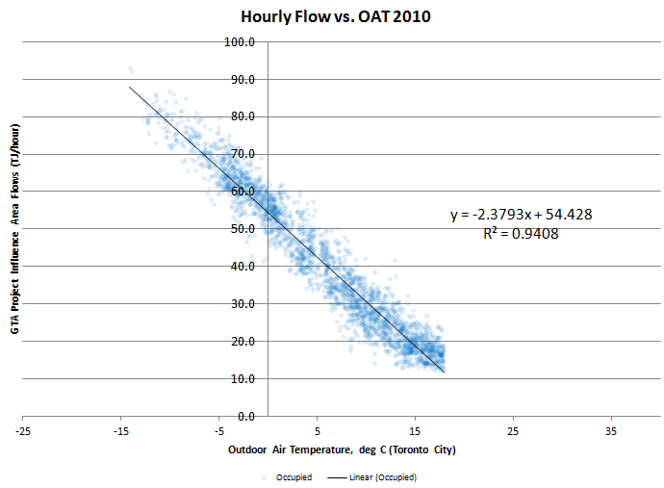
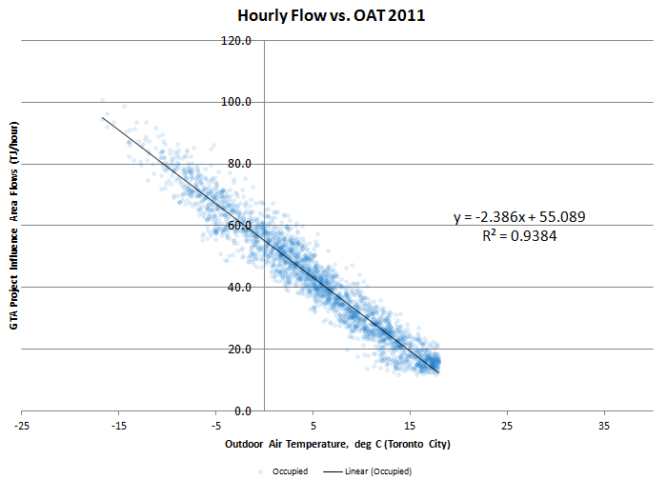
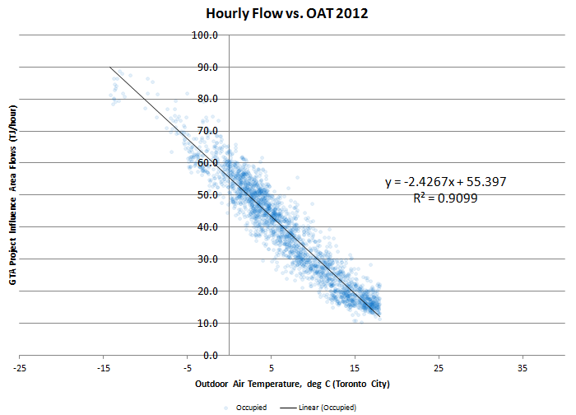
In a peak hour (41HDD) | 2010 | 2011 | 2012 |  | Peak Hourly Demand Extrapolation Trendline (2010-2012)
Base thermal (TJ/hr) - actual median with no heating during occupied periods | 17.97 | 17.72 | 17.89
% of total | 16.4% | 16.1% | 16.1% | 16%
Heating thermal (TJ/hr) - extrapolated to 41HDD | 91.28 | 92.24 | 93.32
% of total | 83.6% | 83.9% | 83.9% | 84%
Total (TJ/hr) | 109.3 | 110.0 | 111.2

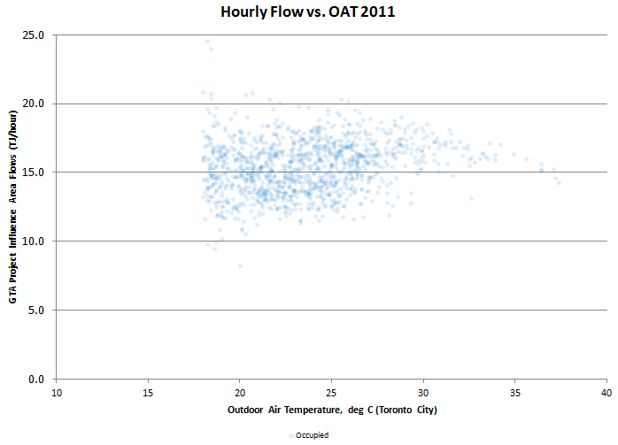
 |  |  |  |  | Baseline Establishment (2010-2012)
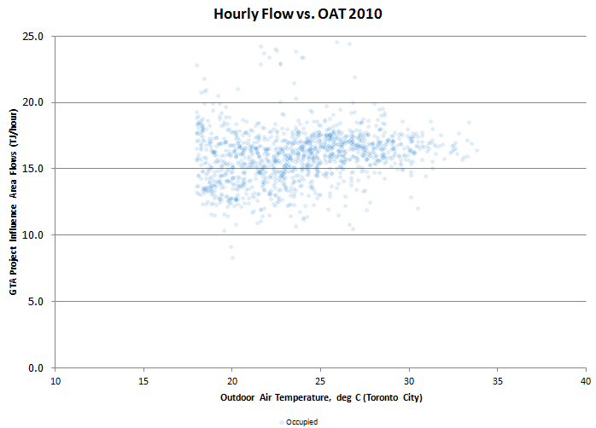
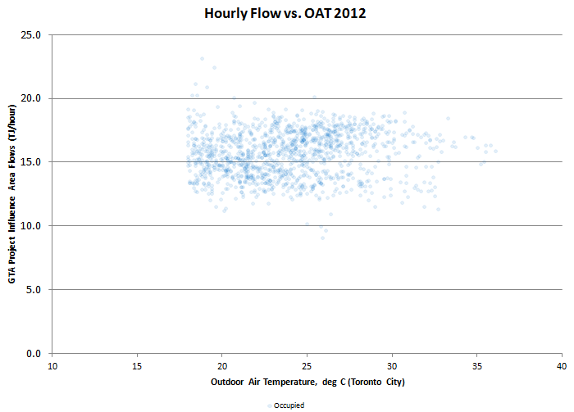

 |  |  |  |  |  | 2010 | 2011 | 2012
 |  |  |  |  | Median | 16.163822999 | 15.482467985 | 15.810615065
 |  |  |  |  | Top Quartile | 17.111010157 | 16.721571175 | 17.0739205
 |  |  |  |  | 90th percentile | 17.971023643 | 17.722570357 | 17.892531684

