Forecast
Enbridge Load Growth Forecast Model
 | Exhibit I.A4.EGD.ED.3
 | Peak Demand (m3/hr) at 41HDD -with discounted growth |  |  |  |  |  | Incremental Peak Demand growth (m3/hr) without discount |  |  |  |  |  |  | Full Load Growth (m3/hr)
 | Apartment | Commercial | Industrial | Residential | Total |  | Apartment | Commercial | Industrial | Residential |  |  |  | Apartment | Commercial | Industrial | Residential | Total
2007 | 410,758 | 896,792 | 352,178 | 1,203,076 | 2,862,804 |  |  |  |  |  |  |  |  | 410,758 | 896,792 | 352,178 | 1,203,076 | 2,862,804
2008 | 414,932 | 900,775 | 358,798 | 1,225,376 | 2,899,881 |  |  |  |  |  |  |  |  | 414,932 | 900,775 | 358,798 | 1,225,376 | 2,899,881
2009 | 404,701 | 916,271 | 336,968 | 1,230,241 | 2,888,181 |  |  |  |  |  |  |  |  | 404,701 | 916,271 | 336,968 | 1,230,241 | 2,888,181
2010 | 400,992 | 905,314 | 311,336 | 1,220,411 | 2,838,053 |  |  |  |  |  |  |  |  | 400,992 | 905,314 | 311,336 | 1,220,411 | 2,838,053
2011 | 410,716 | 902,621 | 324,351 | 1,205,503 | 2,843,191 |  |  |  |  |  |  |  |  | 410,716 | 902,621 | 324,351 | 1,205,503 | 2,843,191
2012 | 424,455 | 1,112,231 | 184,774 | 1,168,523 | 2,889,983 |  |  |  |  |  |  |  |  | 424,455 | 1,112,231 | 184,774 | 1,168,523 | 2,889,983
2013 | 428,717 | 1,119,742 | 184,791 | 1,178,633 | 2,911,883 | 2013 | 6,557 | 11,555 | 26 | 15,554 |  |  |  | 431,012 | 1,123,786 | 184,800 | 1,184,077 | 2,923,675
2014 | 432,326 | 1,126,892 | 184,807 | 1,189,248 | 2,933,273 | 2014 | 5,552 | 11,000 | 25 | 16,331 |  |  |  | 436,564 | 1,134,786 | 184,825 | 1,200,408 | 2,956,583
2015 | 436,452 | 1,134,299 | 184,906 | 1,199,433 | 2,955,090 | 2015 | 6,348 | 11,395 | 152 | 15,669 |  |  |  | 442,912 | 1,146,182 | 184,977 | 1,216,077 | 2,990,148
2016 | 440,674 | 1,142,224 | 185,008 | 1,210,117 | 2,978,023 | 2016 | 6,495 | 12,192 | 157 | 16,437 |  |  |  | 449,407 | 1,158,374 | 185,134 | 1,232,514 | 3,025,429
2017 | 444,881 | 1,150,310 | 185,052 | 1,221,059 | 3,001,302 | 2017 | 6,472 | 12,440 | 68 | 16,834 |  |  |  | 455,880 | 1,170,814 | 185,202 | 1,249,348 | 3,061,243
2018 | 448,893 | 1,157,861 | 185,094 | 1,232,348 | 3,024,196 | 2018 | 6,172 | 11,617 | 65 | 17,368 |  |  |  | 462,052 | 1,182,431 | 185,266 | 1,266,715 | 3,096,465
2019 | 452,855 | 1,165,411 | 185,135 | 1,243,700 | 3,047,101 | 2019 | 6,095 | 11,615 | 63 | 17,465 |  |  |  | 468,147 | 1,194,046 | 185,329 | 1,284,180 | 3,131,703
2020 | 456,806 | 1,172,925 | 185,175 | 1,255,174 | 3,070,080 | 2020 | 6,078 | 11,560 | 62 | 17,652 |  |  |  | 474,226 | 1,205,606 | 185,391 | 1,301,832 | 3,167,055
2021 | 460,711 | 1,180,485 | 185,229 | 1,266,791 | 3,093,216 | 2021 | 6,008 | 11,631 | 83 | 17,872 |  |  |  | 480,233 | 1,217,237 | 185,474 | 1,319,705 | 3,202,649
2022 | 464,600 | 1,188,071 | 185,282 | 1,278,559 | 3,116,512 | 2022 | 5,983 | 11,671 | 82 | 18,105 |  |  |  | 486,217 | 1,228,908 | 185,556 | 1,337,809 | 3,238,489
2023 | 468,490 | 1,195,658 | 185,335 | 1,290,326 | 3,139,809 | 2023 | 5,985 | 11,672 | 82 | 18,103 |  |  |  | 492,201 | 1,240,580 | 185,637 | 1,355,912 | 3,274,331
2024 | 472,380 | 1,203,244 | 185,388 | 1,302,094 | 3,163,106 | 2024 | 5,985 | 11,671 | 82 | 18,105 |  |  |  | 498,186 | 1,252,251 | 185,719 | 1,374,017 | 3,310,172
2025 | 476,270 | 1,210,830 | 185,442 | 1,313,862 | 3,186,404 | 2025 | 5,985 | 11,671 | 83 | 18,105 |  |  |  | 504,170 | 1,263,922 | 185,802 | 1,392,121 | 3,346,015

Baseline with Load Growth and DSM Model
 |  |  |  |  |  |  | Conservation Potential |  |  |  |  |  |  |  |  |  |  |  |  |  |  |  |  |  |  |  |  |  |  |  |  |  | Exhibit JT2.36
 |  |  |  |  |  |  | Apartment |  |  | Commercial |  |  | Industrial |  |  | Residential |  |  |  | Overall Peak Hour (HDD41) Breakdown |  |  |  |  |  |  |  |  |  |  |  | Total GTA Annual Demand (10^6 m3/yr) | Apartment | Commercial | Industrial | Residential
 |  |  |  |  |  |  | Base | Heating | Total | Base | Heating | Total | Base | Heating | Total | Base | Heating | Total |  | Base | 16% |  |  |  |  |  |  |  |  |  |  | 2000 | 1024 | 2,353 | 1,661 | 2,723 | 7761
 |  |  |  |  |  |  | Median Target |  |  |  |  |  |  |  |  |  |  |  |  | Heating | 84% |  |  |  |  |  |  |  |  |  |  | 2001 | 992 | 2,278 | 1,562 | 2,638 | 7470
 |  |  |  |  |  |  | 12% | 13% | 13% | 42% | 16% | 20% | 40% | 40% | 40% | 34% | 34% | 34% |  |  |  |  |  |  |  |  |  |  |  |  |  | 2002 | 1028 | 2372 | 1,597 | 2,799 | 7796
 |  |  |  |  |  |  | Top Quartile Target |  |  |  |  |  |  |  |  |  |  |  |  |  |  |  |  |  |  |  |  |  |  |  |  | 2003 | 1,092 | 2522 | 1,597 | 3,068 | 8279 |  |  |  |  |  | Exhibit I.A4.EGD.ED.25 |  |  |  |  |  |  |  | Exhibit I.A4.EGD.ED.25
 | Exhibit I.A4.EGD.ED.3 |  |  |  |  |  | 23% | 30% | 29% | 58% | 28% | 32% | 40% | 40% | 40% | 34% | 34% | 34% |  |  |  |  |  |  |  |  |  |  |  |  |  | 2004 | 1,032 | 2404 | 1,579 | 2,928 | 7943
 | Peak Demand (m3/hr) at 41HDD -Derived Historic and Baseline (2011-2012) |  |  |  |  |  | Base Heating % |  | 16% |  |  | 16% |  |  | 16% |  |  | 16% | Overall | Reduction from Full Growth Forecast 2025 Peak |  |  |  |  |  |  |  |  |  |  |  | 2005 | 1,034 | 2465 | 1,581 | 3,043 | 8123 | Baseline with Load Growth and DSM (median) (m3/hr) |  |  |  |  | DSM per year | Annual Additional DSM (10^6 m3/yr) | % of annual volume | Median PV ($million) | Baseline with Load Growth and DSM (top quartile) (m3/hr) |  |  |  |  | Total DSM | Annual Additional DSM (10^6 m3/yr) | % of annual volume | Top Quartile PV ($million)
 | Apartment | Commercial | Industrial | Residential | Total | Peak Demand Reduction by 2025 | Median Target |  | 13% |  |  | 20% |  |  | 15% |  |  | 5.25% | 13% | 421,982 |  |  |  |  |  |  |  |  |  |  |  | 2006 | 988 | 2318 | 1,509 | 2,813 | 7628 | Apartment | Commercial | Industrial | Residential | Total | (m3/hr) |  |  | $753 | Apartment | Commercial | Industrial | Residential | Total | (m3/hr) |  |  | $1,117
2007 | 410,758 | 896,792 | 352,178 | 1,203,076 | 2,862,804 |  | Top Quartile Target |  | 29% |  |  | 32% |  |  | 15% |  |  | 5.25% | 20% | 663,497 |  |  |  |  |  |  |  |  |  |  |  | 2007 | 1,014 | 2436 | 1,515 | 3,042 | 8007 | 410,758 | 896,792 | 352,178 | 1,203,076 | 2,862,804 |  | 53 | 0.7% |  | 410,758 | 896,792 | 352,178 | 1,203,076 | 2,862,804 |  | 52 | 0.7% |  |  | NPV Assumption
2008 | 414,932 | 900,775 | 358,798 | 1,225,376 | 2,899,881 |  | Savings Forecast-Median |  |  |  |  |  |  |  |  |  |  |  |  | Savings Forecast-Top Quartile |  |  |  |  |  |  |  |  |  |  |  | 2008 | 1,017 | 2363 | 1,447 | 3,066 | 7893 | 414,932 | 900,775 | 358,798 | 1,225,376 | 2,899,881 |  | 47 | 0.6% |  | 414,932 | 900,775 | 358,798 | 1,225,376 | 2,899,881 |  | 53 | 0.7%
2009 | 404,701 | 916,271 | 336,968 | 1,230,241 | 2,888,181 |  | Apartment |  |  | Commercial |  |  | Industrial |  |  | Residential |  |  |  | Apartment |  |  | Commercial |  |  | Industrial |  |  | Residential |  |  | 2009 | 965 | 2234 | 1,234 | 3,066 | 7499 | 404,701 | 916,271 | 336,968 | 1,230,241 | 2,888,181 |  | 41 | 0.5% |  | 404,701 | 916,271 | 336,968 | 1,230,241 | 2,888,181 |  | 47 | 0.6% |  |  | GJ/10^3m3
2010 | 400,992 | 905,314 | 311,336 | 1,220,411 | 2,838,053 |  | % of Potential Achievable | m3/hr from Enbridge's Full Growth Forecast | 10^6 m3/yr | % of Potential Achievable | m3/hr from Enbridge's Full Growth Forecast | 10^6 m3/yr | % of Potential Achievable | m3/hr from Enbridge's Full Growth Forecast | 10^6 m3/yr | % of Potential Achievable | m3/hr from Enbridge's Full Growth Forecast | 10^6 m3/yr |  | % of Potential Achievable | m3/hr from 2012 | 10^6 m3/yr | % of Potential Achievable | m3/hr from 2012 | 10^6 m3/yr | % of Potential Achievable | m3/hr from 2012 | 10^6 m3/yr | % of Potential Achievable | m3/hr from 2012 | 10^6 m3/yr | 2010 | 979 | 2122 | 1,264 | 2,859 | 7224 | 400,992 | 905,314 | 311,336 | 1,220,411 | 2,838,053 |  | 38 | 0.5% |  | 400,992 | 905,314 | 311,336 | 1,220,411 | 2,838,053 |  | 41 | 0.5% |  |  |  | 37.69 |  |  |  |  |  |  |  | 23879.013001
...
 |  |  |  |  |  |  |  |  |  |  |  |  |  |  |  |  |  |  |  |  |  |  |  |  |  |  |  |  |  |  |  |  |  |  |  |  |  |  |  |  |  |  |  |  |  |  |  | 965,145 | 167,770 | 1,275,614 | 2,798,554 | 60,972 | 136 | 1.8% | $124 | 2021 |  | 5.32 | 2021 | 79.93 | $11.38 | 312.24 | $44.44 | 181.27 | $25.80
 |  |  |  |  |  |  |  |  |  |  |  |  |  |  |  |  |  |  |  |  |  |  |  |  |  |  |  |  |  |  |  |  |  |  |  |  |  |  |  |  |  |  |  |  |  |  |  | 938,169 | 165,313 | 1,286,729 | 2,772,233 | 62,162 | 138 | 1.9% | $137 | 2022 |  | 5.4 | 2022 | 92.21 | $12.58 | 360.80 | $49.23 | 208.88 | $28.50
 |  |  |  |  |  |  |  |  |  |  |  |  |  |  |  |  |  |  |  |  |  |  |  |  |  |  |  |  |  |  |  |  |  |  |  |  |  |  |  |  |  |  |  |  |  |  |  | 910,507 | 162,854 | 1,297,670 | 2,744,732 | 63,342 | 141 | 1.9% | $148 | 2023 |  | 5.4 | 2023 | 104.64 | $13.48 | 410.39 | $52.88 | 237.00 | $30.54
 |  |  |  |  |  |  |  |  |  |  |  |  |  |  |  |  |  |  |  |  |  |  |  |  |  |  |  |  |  |  |  |  |  |  |  |  |  |  |  |  |  |  |  |  |  |  |  | 882,155 | 160,393 | 1,308,439 | 2,716,052 | 64,522 | 143 | 1.9% | $158 | 2024 |  | 5.44 | 2024 | 117.29 | $14.38 | 460.80 | $56.50 | 265.90 | $32.60
 |  |  |  |  |  |  |  |  |  |  |  |  |  |  |  |  |  |  |  |  |  |  |  |  |  |  |  |  |  |  |  |  |  |  |  |  |  |  |  |  |  |  |  |  |  |  |  | 854,047 | 157,931 | 1,319,035 | 2,688,459 | 63,436 | 134 | 1.8% | $165 | 2025 |  | 5.44 | 2025 | 129.13 | $14.95 | 508.44 | $58.87 | 291.00 | $33.70
 |  |  |  |  |  |  |  |  |  |  |  |  |  |  |  |  |  |  |  |  |  |  |  |  |  |  |  |  |  |  |  |  |  |  |  |  |  |  |  |  |  |  |  |  |  |  |  |  |  |  |  |  |  |  |  | 2026 | Calculated from trendline | 5.61 | 2026 | 129.13 | $14.57 | 508.44 | $57.38 | 291.00 | $32.84
 |  |  |  |  |  |  |  |  |  |  |  |  |  |  |  |  |  |  |  |  |  |  |  |  |  |  |  |  |  |  |  |  |  |  |  |  |  |  |  |  |  |  |  |  |  |  |  |  |  |  |  |  |  |  |  | 2027 |  | 5.70 | 2027 | 129.13 | $13.98 | 508.44 | $55.03 | 291.00 | $31.50
 |  |  |  |  |  |  |  |  |  |  |  |  |  |  |  |  |  |  |  |  |  |  |  |  |  |  |  |  |  |  |  |  |  |  |  |  |  |  |  |  |  |  |  |  |  |  |  |  |  |  |  |  |  |  |  | 2028 |  | 5.79 | 2028 | 129.13 | $13.40 | 508.44 | $52.77 | 291.00 | $30.20
 |  |  |  |  |  |  |  |  |  |  |  |  |  |  |  |  |  |  |  |  |  |  |  |  |  |  |  |  |  |  |  |  |  |  |  |  |  |  |  |  |  |  |  |  |  |  |  |  |  |  |  |  |  |  |  | 2029 |  | 5.87 | 2029 | 129.13 | $12.85 | 508.44 | $50.59 | 291.00 | $28.95
 |  |  |  |  |  |  |  |  |  |  |  |  |  |  |  |  |  |  |  |  |  |  |  |  |  |  |  |  |  |  |  |  |  |  |  |  |  |  |  |  |  |  |  |  |  |  |  |  |  |  |  |  |  |  |  | 2030 |  | 5.96 | 2030 | 129.13 | $12.31 | 508.44 | $48.48 | 291.00 | $27.75
Commodity Cost
2015 | 4.65
2016 | 4.7
2017 | 4.83
2018 | 5
2019 | 5.2
2020 | 5.28
2021 | 5.32
2022 | 5.4
2023 | 5.4
2024 | 5.44
2025 | 5.44
...
 |  |  |  |  |  |  |  |  |  |  |  |  |  |  |  |  |  |  |  |  |  |  |  |  |  |  |  |  |  |  |  |  |  |  |  |  |  |  |  |  |  |  |  |  |  |  |  |  |  |  |  |  |  |  |  |  |  |  |  | Median | Top Quartile
 |  |  |  |  |  |  |  |  |  |  |  |  |  |  |  |  |  |  |  |  |  |  |  |  |  |  |  |  |  |  |  |  |  |  |  |  |  |  |  |  |  |  |  |  |  |  |  |  |  |  |  |  |  |  |  |  |  |  |  | 638 | 1,113 | Annual apartment and commercial gas saving from 2025 and onward (10^6 m3)

 |  |  |  |  |  |  |  |  |  |  |  |  |  |  |  |  |  |  |  |  |  |  |  |  |  |  |  |  |  |  |  |  |  |  |  |  |  |  |  |  |  |  |  |  |  |  |  |  |  |  |  |  |  |  |  |  |  |  |  | -$478 | -$1,331 | Apartment and commercial DSM cost 2014-2025 ($ million)
 |  |  |  |  |  |  |  |  |  |  |  |  |  |  |  |  |  |  |  |  |  |  |  |  |  |  |  |  |  |  |  |  |  |  |  |  |  |  |  |  |  |  |  |  |  |  |  |  |  |  |  |  |  |  |  |  |  |  |  | $841 | $1,518 | PV of apartment and commercial avoided commodity Cost 2015-2030($million)
 |  |  |  |  |  |  |  |  |  |  |  |  |  |  |  |  |  |  |  |  |  |  |  |  |  |  |  |  |  |  |  |  |  |  |  |  |  |  |  |  |  |  |  |  |  |  |  |  |  |  |  |  |  |  |  |  |  |  |  | $363 | $187 | NPV

GTA
GTA Demand Historic and Forecast Models
 | Baseline with Full Load Growth (Enbridge) | Baseline with Discounted Load Growth (Enbridge) | Baseline (2011-2012) | Baseline with Full Load Growth and DSM (median) (Enerlife) | Baseline with Full Load Growth and DSM (top quartile) (Enerlife)
2007 | 2,862,804 | 2,862,804 | 2,862,804 | 2,862,804 | 2,862,804
2008 | 2,899,881 | 2,899,881 | 2,899,881 | 2,899,881 | 2,899,881
2009 | 2,888,181 | 2,888,181 | 2,888,181 | 2,888,181 | 2,888,181
2010 | 2,838,053 | 2,838,053 | 2,838,053 | 2,838,053 | 2,838,053
2011 | 2,843,191 | 2,843,191 | 2,843,191 | 2,843,191 | 2,843,191
2012 | 2,889,983 | 2,889,983 | 2,889,983 | 2,889,983 | 2,889,983
2013 | 2,923,675 | 2,911,883 | 2,923,675 | 2,923,675 | 2,923,675
2014 | 2,956,583 | 2,933,273 | 2,923,675 | 2,947,477 | 2,942,144
2015 | 2,990,148 | 2,955,090 | 2,923,675 | 2,954,899 | 2,934,296
2016 | 3,025,429 | 2,978,023 | 2,923,675 | 2,955,196 | 2,914,493
2017 | 3,061,243 | 3,001,302 | 2,923,675 | 2,955,258 | 2,893,977
2018 | 3,096,465 | 3,024,196 | 2,923,675 | 2,954,028 | 2,871,749
2019 | 3,131,703 | 3,047,101 | 2,923,675 | 2,952,087 | 2,848,368
2020 | 3,167,055 | 3,070,080 | 2,923,675 | 2,949,531 | 2,823,933
2021 | 3,202,649 | 3,093,216 | 2,923,675 | 2,946,474 | 2,798,554
2022 | 3,238,489 | 3,116,512 | 2,923,675 | 2,942,919 | 2,772,233
2023 | 3,274,331 | 3,139,809 | 2,923,675 | 2,938,628 | 2,744,732
2024 | 3,310,172 | 3,163,106 | 2,923,675 | 2,933,601 | 2,716,052
2025 | 3,346,015 | 3,186,404 | 2,923,675 | 2,928,993 | 2,688,459

Apartment
Apartment Demand Historic and Forecast Model
 | Baseline with Full Load Growth (Enbridge) | Baseline with Discounted Load Growth (Enbridge) | Baseline (2011-2012) | Baseline with full load growth and DSM (median) (Enerlife) | Baseline with Full Load Growth and DSM (top quartile) (Enerlife)
2007 | 410,758 | 410,758 | 410,758 | 410,758 | 410,758
2008 | 414,932 | 414,932 | 414,932 | 414,932 | 414,932
2009 | 404,701 | 404,701 | 404,701 | 404,701 | 404,701
2010 | 400,992 | 400,992 | 400,992 | 400,992 | 400,992
2011 | 410,716 | 410,716 | 410,716 | 410,716 | 410,716
2012 | 424,455 | 424,455 | 424,455 | 424,455 | 424,455
2013 | 431,012 | 428,717 | 431,012 | 431,012 | 431,012
2014 | 436,564 | 432,326 | 431,012 | 435,181 | 433,388
2015 | 442,912 | 436,452 | 431,012 | 437,298 | 430,022
2016 | 449,407 | 440,674 | 431,012 | 438,532 | 424,439
2017 | 455,880 | 444,881 | 431,012 | 439,594 | 418,490
2018 | 462,052 | 448,893 | 431,012 | 440,221 | 411,932
2019 | 468,147 | 452,855 | 431,012 | 440,634 | 404,981
2020 | 474,226 | 456,806 | 431,012 | 440,890 | 397,693
2021 | 480,233 | 460,711 | 431,012 | 440,941 | 390,025
2022 | 486,217 | 464,600 | 431,012 | 440,832 | 382,021
2023 | 492,201 | 468,490 | 431,012 | 440,586 | 373,701
2024 | 498,186 | 472,380 | 431,012 | 440,202 | 365,064
2025 | 504,170 | 476,270 | 431,012 | 440,261 | 357,445

Commercial
Commercial Demand Historic and Forecast Model
 | Baseline with Full Load Growth (Enbridge) | Baseline with Discounted Load Growth (Enbridge) | Baseline (2011-2012) | Baseline with Full Load Growth and DSM (median) (Enerlife) | Baseline with Full Load Growth and DSM (top quartile) (Enerlife)
2007 | 896,792 | 896,792 | 896,792 | 896,792 | 896,792
2008 | 900,775 | 900,775 | 900,775 | 900,775 | 900,775
2009 | 916,271 | 916,271 | 916,271 | 916,271 | 916,271
2010 | 905,314 | 905,314 | 905,314 | 905,314 | 905,314
2011 | 902,621 | 902,621 | 902,621 | 902,621 | 902,621
2012 | 1,112,231 | 1,112,231 | 1,112,231 | 1,112,231 | 1,112,231
2013 | 1,123,786 | 1,119,742 | 1,123,786 | 1,123,786 | 1,123,786
2014 | 1,134,786 | 1,126,892 | 1,123,786 | 1,129,127 | 1,125,586
2015 | 1,146,182 | 1,134,299 | 1,123,786 | 1,124,874 | 1,111,547
2016 | 1,158,374 | 1,142,224 | 1,123,786 | 1,115,831 | 1,089,221
2017 | 1,170,814 | 1,150,310 | 1,123,786 | 1,106,579 | 1,066,402
2018 | 1,182,431 | 1,157,861 | 1,123,786 | 1,096,113 | 1,042,124
2019 | 1,194,046 | 1,165,411 | 1,123,786 | 1,085,225 | 1,017,160
2020 | 1,205,606 | 1,172,925 | 1,123,786 | 1,073,866 | 991,465
2021 | 1,217,237 | 1,180,485 | 1,123,786 | 1,062,149 | 965,145
2022 | 1,228,908 | 1,188,071 | 1,123,786 | 1,050,044 | 938,169
2023 | 1,240,580 | 1,195,658 | 1,123,786 | 1,037,518 | 910,507
2024 | 1,252,251 | 1,203,244 | 1,123,786 | 1,024,567 | 882,155
2025 | 1,263,922 | 1,210,830 | 1,123,786 | 1,011,765 | 854,047

Industrial
Industrial Demand Historic and Forecast Model
 | Baseline with Full Load Growth (Enbridge) | Baseline with Discounted Load Growth (Enbridge) | Baseline (2011-2012) | Baseline with Full Load Growth and DSM (Chris Neme)
2007 | 352,178 | 352,178 | 352,178 | 352,178
2008 | 358,798 | 358,798 | 358,798 | 358,798
2009 | 336,968 | 336,968 | 336,968 | 336,968
2010 | 311,336 | 311,336 | 311,336 | 311,336
2011 | 324,351 | 324,351 | 324,351 | 324,351
2012 | 184,774 | 184,774 | 184,774 | 184,774
2013 | 184,800 | 184,791 | 184,800 | 184,800
2014 | 184,825 | 184,807 | 184,800 | 184,195
2015 | 184,977 | 184,906 | 184,800 | 182,455
2016 | 185,134 | 185,008 | 184,800 | 180,085
2017 | 185,202 | 185,052 | 184,800 | 177,625
2018 | 185,266 | 185,094 | 184,800 | 175,161
2019 | 185,329 | 185,135 | 184,800 | 172,693
2020 | 185,391 | 185,175 | 184,800 | 170,223
2021 | 185,474 | 185,229 | 184,800 | 167,770
2022 | 185,556 | 185,282 | 184,800 | 165,313
2023 | 185,637 | 185,335 | 184,800 | 162,854
2024 | 185,719 | 185,388 | 184,800 | 160,393
2025 | 185,802 | 185,442 | 184,800 | 157,931

Residential
Residential Demand Historic and Forecast Model
 | Baseline with Full Load Growth (Enbridge) | Baseline with Discounted Load Growth (Enbridge) | Baseline (2011-2012) | Baseline with Full Load Growth and DSM (Chris Neme)
2007 | 1,203,076 | 1,203,076 | 1,203,076 | 1,203,076
2008 | 1,225,376 | 1,225,376 | 1,225,376 | 1,225,376
2009 | 1,230,241 | 1,230,241 | 1,230,241 | 1,230,241
2010 | 1,220,411 | 1,220,411 | 1,220,411 | 1,220,411
2011 | 1,205,503 | 1,205,503 | 1,205,503 | 1,205,503
2012 | 1,168,523 | 1,168,523 | 1,168,523 | 1,168,523
2013 | 1,184,077 | 1,178,633 | 1,184,077 | 1,184,077
2014 | 1,200,408 | 1,189,248 | 1,184,077 | 1,198,975
2015 | 1,216,077 | 1,199,433 | 1,184,077 | 1,210,273
2016 | 1,232,514 | 1,210,117 | 1,184,077 | 1,220,749
2017 | 1,249,348 | 1,221,059 | 1,184,077 | 1,231,459
2018 | 1,266,715 | 1,232,348 | 1,184,077 | 1,242,533
2019 | 1,284,180 | 1,243,700 | 1,184,077 | 1,253,535
2020 | 1,301,832 | 1,255,174 | 1,184,077 | 1,264,552
2021 | 1,319,705 | 1,266,791 | 1,184,077 | 1,275,614
2022 | 1,337,809 | 1,278,559 | 1,184,077 | 1,286,729
2023 | 1,355,912 | 1,290,326 | 1,184,077 | 1,297,670
2024 | 1,374,017 | 1,302,094 | 1,184,077 | 1,308,439
2025 | 1,392,121 | 1,313,862 | 1,184,077 | 1,319,035

Peak Breakdown
...
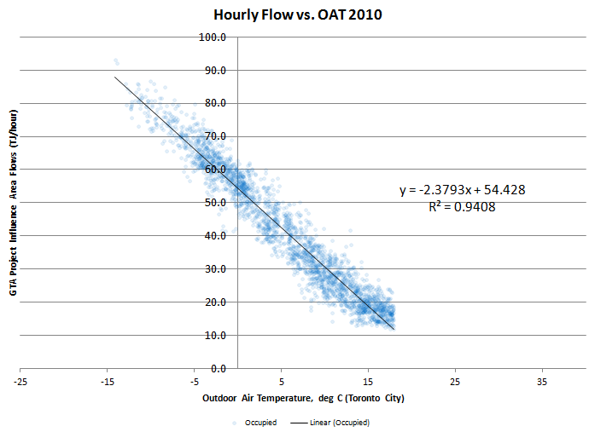
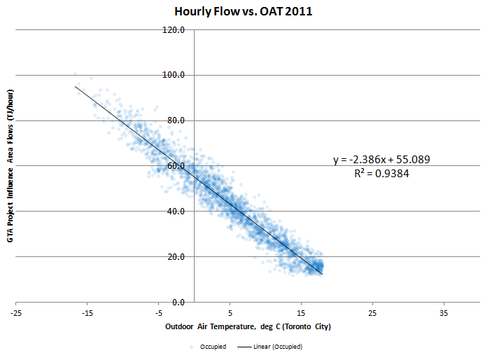
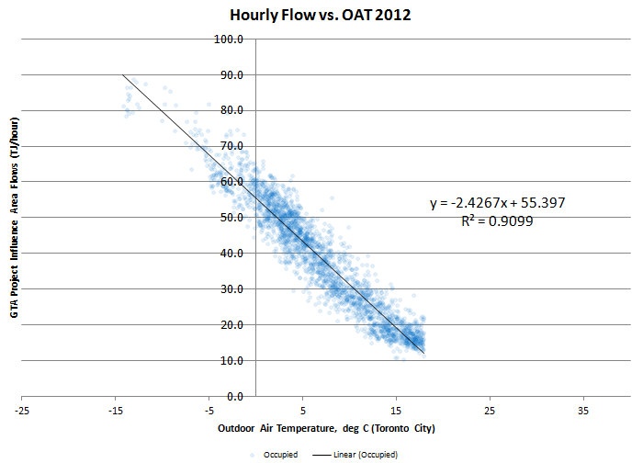
2011 | 2012 |  | Peak Hourly Demand Extrapolation Trendline (2010-2012)
17.72 | 17.89
16.1% | 16.1% | 16%
92.24 | 93.32
83.9% | 83.9% | 84%
110.0 | 111.2

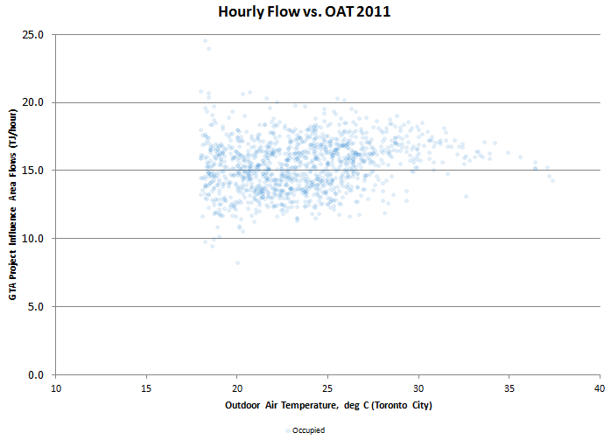
 |  |  | Baseline Establishment (2010-2012)
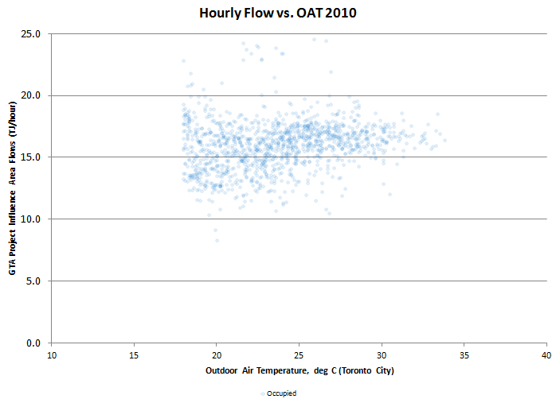
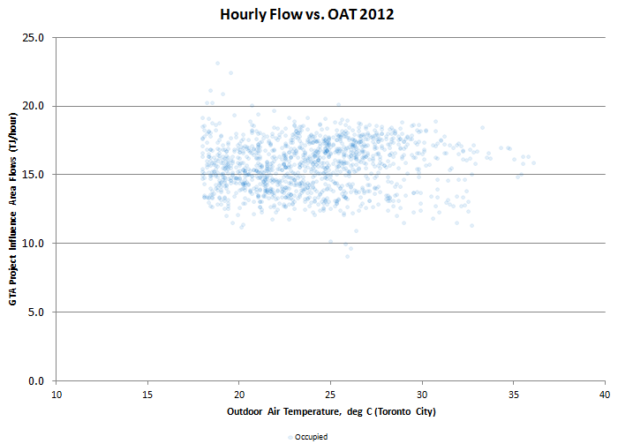

 |  |  |  | 2010 | 2011 | 2012
 |  |  | Median | 16.163822999 | 15.482467985 | 15.810615065
 |  |  | Top Quartile | 17.111010157 | 16.721571175 | 17.0739205
 |  |  | 90th percentile | 17.971023643 | 17.722570357 | 17.892531684

