Forecast
Enbridge Load Growth Forecast Model
 | Exhibit I.A4.EGD.ED.3
 | Peak Demand (m3/hr) at 41HDD -with discounted growth |  |  |  |  |  | Incremental Peak Demand growth (m3/hr) without discount |  |  |  |  |  |  | Full Load Growth (m3/hr)
 | Apartment | Commercial | Industrial | Residential | Total |  | Apartment | Commercial | Industrial | Residential |  |  |  | Apartment | Commercial | Industrial | Residential | Total
2007 | 410,758 | 896,792 | 352,178 | 1,203,076 | 2,862,804 |  |  |  |  |  |  |  |  | 410,758 | 896,792 | 352,178 | 1,203,076 | 2,862,804
2008 | 414,932 | 900,775 | 358,798 | 1,225,376 | 2,899,881 |  |  |  |  |  |  |  |  | 414,932 | 900,775 | 358,798 | 1,225,376 | 2,899,881
2009 | 404,701 | 916,271 | 336,968 | 1,230,241 | 2,888,181 |  |  |  |  |  |  |  |  | 404,701 | 916,271 | 336,968 | 1,230,241 | 2,888,181
2010 | 400,992 | 905,314 | 311,336 | 1,220,411 | 2,838,053 |  |  |  |  |  |  |  |  | 400,992 | 905,314 | 311,336 | 1,220,411 | 2,838,053
2011 | 410,716 | 902,621 | 324,351 | 1,205,503 | 2,843,191 |  |  |  |  |  |  |  |  | 410,716 | 902,621 | 324,351 | 1,205,503 | 2,843,191
2012 | 424,455 | 1,112,231 | 184,774 | 1,168,523 | 2,889,983 |  |  |  |  |  |  |  |  | 424,455 | 1,112,231 | 184,774 | 1,168,523 | 2,889,983
2013 | 428,717 | 1,119,742 | 184,791 | 1,178,633 | 2,911,883 | 2013 | 6,557 | 11,555 | 26 | 15,554 |  |  |  | 431,012 | 1,123,786 | 184,800 | 1,184,077 | 2,923,675
2014 | 432,326 | 1,126,892 | 184,807 | 1,189,248 | 2,933,273 | 2014 | 5,552 | 11,000 | 25 | 16,331 |  |  |  | 436,564 | 1,134,786 | 184,825 | 1,200,408 | 2,956,583
2015 | 436,452 | 1,134,299 | 184,906 | 1,199,433 | 2,955,090 | 2015 | 6,348 | 11,395 | 152 | 15,669 |  |  |  | 442,912 | 1,146,182 | 184,977 | 1,216,077 | 2,990,148
2016 | 440,674 | 1,142,224 | 185,008 | 1,210,117 | 2,978,023 | 2016 | 6,495 | 12,192 | 157 | 16,437 |  |  |  | 449,407 | 1,158,374 | 185,134 | 1,232,514 | 3,025,429
2017 | 444,881 | 1,150,310 | 185,052 | 1,221,059 | 3,001,302 | 2017 | 6,472 | 12,440 | 68 | 16,834 |  |  |  | 455,880 | 1,170,814 | 185,202 | 1,249,348 | 3,061,243
2018 | 448,893 | 1,157,861 | 185,094 | 1,232,348 | 3,024,196 | 2018 | 6,172 | 11,617 | 65 | 17,368 |  |  |  | 462,052 | 1,182,431 | 185,266 | 1,266,715 | 3,096,465
2019 | 452,855 | 1,165,411 | 185,135 | 1,243,700 | 3,047,101 | 2019 | 6,095 | 11,615 | 63 | 17,465 |  |  |  | 468,147 | 1,194,046 | 185,329 | 1,284,180 | 3,131,703
2020 | 456,806 | 1,172,925 | 185,175 | 1,255,174 | 3,070,080 | 2020 | 6,078 | 11,560 | 62 | 17,652 |  |  |  | 474,226 | 1,205,606 | 185,391 | 1,301,832 | 3,167,055
2021 | 460,711 | 1,180,485 | 185,229 | 1,266,791 | 3,093,216 | 2021 | 6,008 | 11,631 | 83 | 17,872 |  |  |  | 480,233 | 1,217,237 | 185,474 | 1,319,705 | 3,202,649
2022 | 464,600 | 1,188,071 | 185,282 | 1,278,559 | 3,116,512 | 2022 | 5,983 | 11,671 | 82 | 18,105 |  |  |  | 486,217 | 1,228,908 | 185,556 | 1,337,809 | 3,238,489
2023 | 468,490 | 1,195,658 | 185,335 | 1,290,326 | 3,139,809 | 2023 | 5,985 | 11,672 | 82 | 18,103 |  |  |  | 492,201 | 1,240,580 | 185,637 | 1,355,912 | 3,274,331
2024 | 472,380 | 1,203,244 | 185,388 | 1,302,094 | 3,163,106 | 2024 | 5,985 | 11,671 | 82 | 18,105 |  |  |  | 498,186 | 1,252,251 | 185,719 | 1,374,017 | 3,310,172
2025 | 476,270 | 1,210,830 | 185,442 | 1,313,862 | 3,186,404 | 2025 | 5,985 | 11,671 | 83 | 18,105 |  |  |  | 504,170 | 1,263,922 | 185,802 | 1,392,121 | 3,346,015

Baseline with Load Growth and DSM Model
 |  |  |  |  |  |  | Conservation Potential |  |  |  |  |  |  |  |  |  |  |  |  |  |  |  |  |  |  |  |  |  |  |  |  |  | Exhibit JT2.36
 |  |  |  |  |  |  | Apartment |  |  | Commercial |  |  | Industrial |  |  | Residential |  |  |  | Overall Peak Hour (HDD41) Breakdown |  |  |  |  |  |  |  |  |  |  |  | Total GTA Annual Demand (10^6 m3/yr) | Apartment | Commercial | Industrial | Residential
 |  |  |  |  |  |  | Base | Heating | Total | Base | Heating | Total | Base | Heating | Total | Base | Heating | Total |  | Base | 16% |  |  |  |  |  |  |  |  |  |  | 2000 | 1024 | 2,353 | 1,661 | 2,723 | 7761
 |  |  |  |  |  |  | Median Target |  |  |  |  |  |  |  |  |  |  |  |  | Heating | 84% |  |  |  |  |  |  |  |  |  |  | 2001 | 992 | 2,278 | 1,562 | 2,638 | 7470
 |  |  |  |  |  |  | 12% | 13% | 13% | 38% | 16% | 19% | 40% | 40% | 40% | 34% | 34% | 34% |  |  |  |  |  |  |  |  |  |  |  |  |  | 2002 | 1028 | 2372 | 1,597 | 2,799 | 7796
 |  |  |  |  |  |  | Top Quartile Target |  |  |  |  |  |  |  |  |  |  |  |  |  |  |  |  |  |  |  |  |  |  |  |  | 2003 | 1,092 | 2522 | 1,597 | 3,068 | 8279 |  |  |  |  |  | Exhibit I.A4.EGD.ED.25 |  |  |  |  |  |  |  | Exhibit I.A4.EGD.ED.25
 | Exhibit I.A4.EGD.ED.3 |  |  |  |  |  | 23% | 30% | 29% | 54% | 28% | 32% | 40% | 40% | 40% | 34% | 34% | 34% |  |  |  |  |  |  |  |  |  |  |  |  |  | 2004 | 1,032 | 2404 | 1,579 | 2,928 | 7943
 | Peak Demand (m3/hr) at 41HDD -Derived Historic and Baseline (2011-2012) |  |  |  |  |  | % Base of total peak day demand |  | 16% |  |  | 16% |  |  | 16% |  |  | 16% | Overall | Reduction from Full Growth Forecast 2025 Peak |  |  |  |  |  |  |  |  |  |  |  | 2005 | 1,034 | 2465 | 1,581 | 3,043 | 8123 | Baseline with Load Growth and DSM (median) (m3/hr) |  |  |  |  | DSM per year | Annual Additional DSM (10^6 m3/yr) | % of annual volume | Median PV ($million) | Baseline with Load Growth and DSM (top quartile) (m3/hr) |  |  |  |  | Total DSM | Annual Additional DSM (10^6 m3/yr) | % of annual volume | Top Quartile PV ($million)
 | Apartment | Commercial | Industrial | Residential | Total | Peak Demand Reduction by 2025 | Median Target |  | 13% |  |  | 19% |  |  | 15% |  |  | 5.25% | 12% | 413,967 |  |  |  |  |  |  |  |  |  |  |  | 2006 | 988 | 2318 | 1,509 | 2,813 | 7628 | Apartment | Commercial | Industrial | Residential | Total | (m3/hr) |  |  | $743 | Apartment | Commercial | Industrial | Residential | Total | (m3/hr) |  |  | $1,108
2007 | 410,758 | 896,792 | 352,178 | 1,203,076 | 2,862,804 |  | Top Quartile Target |  | 29% |  |  | 32% |  |  | 15% |  |  | 5.25% | 20% | 656,647 |  |  |  |  |  |  |  |  |  |  |  | 2007 | 1,014 | 2436 | 1,515 | 3,042 | 8007 | 410,758 | 896,792 | 352,178 | 1,203,076 | 2,862,804 |  | 53 | 0.7% |  | 410,758 | 896,792 | 352,178 | 1,203,076 | 2,862,804 |  | 52 | 0.7% |  |  | NPV Assumption
2008 | 414,932 | 900,775 | 358,798 | 1,225,376 | 2,899,881 |  | Savings Forecast-Median |  |  |  |  |  |  |  |  |  |  |  |  | Savings Forecast-Top Quartile |  |  |  |  |  |  |  |  |  |  |  | 2008 | 1,017 | 2363 | 1,447 | 3,066 | 7893 | 414,932 | 900,775 | 358,798 | 1,225,376 | 2,899,881 |  | 47 | 0.6% |  | 414,932 | 900,775 | 358,798 | 1,225,376 | 2,899,881 |  | 53 | 0.7%
2009 | 404,701 | 916,271 | 336,968 | 1,230,241 | 2,888,181 |  | Apartment |  |  | Commercial |  |  | Industrial |  |  | Residential |  |  |  | Apartment |  |  | Commercial |  |  | Industrial |  |  | Residential |  |  | 2009 | 965 | 2234 | 1,234 | 3,066 | 7499 | 404,701 | 916,271 | 336,968 | 1,230,241 | 2,888,181 |  | 41 | 0.5% |  | 404,701 | 916,271 | 336,968 | 1,230,241 | 2,888,181 |  | 47 | 0.6% |  |  | GJ/10^3m3
2010 | 400,992 | 905,314 | 311,336 | 1,220,411 | 2,838,053 |  | % of Potential Achievable | m3/hr from Enbridge's Full Growth Forecast | 10^6 m3/yr | % of Potential Achievable | m3/hr from Enbridge's Full Growth Forecast | 10^6 m3/yr | % of Potential Achievable | m3/hr from Enbridge's Full Growth Forecast | 10^6 m3/yr | % of Potential Achievable | m3/hr from Enbridge's Full Growth Forecast | 10^6 m3/yr |  | % of Potential Achievable | m3/hr from 2012 | 10^6 m3/yr | % of Potential Achievable | m3/hr from 2012 | 10^6 m3/yr | % of Potential Achievable | m3/hr from 2012 | 10^6 m3/yr | % of Potential Achievable | m3/hr from 2012 | 10^6 m3/yr | 2010 | 979 | 2122 | 1,264 | 2,859 | 7224 | 400,992 | 905,314 | 311,336 | 1,220,411 | 2,838,053 |  | 38 | 0.5% |  | 400,992 | 905,314 | 311,336 | 1,220,411 | 2,838,053 |  | 41 | 0.5% |  |  |  | 37.69 |  |  |  |  |  |  |  | 23879.013001
...
 |  |  |  |  |  |  |  |  |  |  |  |  |  |  |  |  |  |  |  |  |  |  |  |  |  |  |  |  |  |  |  |  |  |  |  |  |  |  |  |  |  |  |  |  |  |  |  | 969,285 | 167,770 | 1,275,614 | 2,802,694 | 60,349 | 134 | 1.8% | $123 | 2021 |  | 5.32 | 2021 | 79.93 | $11.38 | 304.15 | $43.29 | 181.27 | $25.80
 |  |  |  |  |  |  |  |  |  |  |  |  |  |  |  |  |  |  |  |  |  |  |  |  |  |  |  |  |  |  |  |  |  |  |  |  |  |  |  |  |  |  |  |  |  |  |  | 942,944 | 165,313 | 1,286,729 | 2,777,007 | 61,527 | 137 | 1.8% | $136 | 2022 |  | 5.4 | 2022 | 92.21 | $12.58 | 351.45 | $47.95 | 208.88 | $28.50
 |  |  |  |  |  |  |  |  |  |  |  |  |  |  |  |  |  |  |  |  |  |  |  |  |  |  |  |  |  |  |  |  |  |  |  |  |  |  |  |  |  |  |  |  |  |  |  | 915,928 | 162,854 | 1,297,670 | 2,750,153 | 62,696 | 140 | 1.9% | $147 | 2023 |  | 5.4 | 2023 | 104.64 | $13.48 | 399.75 | $51.51 | 237.00 | $30.54
 |  |  |  |  |  |  |  |  |  |  |  |  |  |  |  |  |  |  |  |  |  |  |  |  |  |  |  |  |  |  |  |  |  |  |  |  |  |  |  |  |  |  |  |  |  |  |  | 888,233 | 160,393 | 1,308,439 | 2,722,130 | 63,864 | 142 | 1.9% | $157 | 2024 |  | 5.44 | 2024 | 117.29 | $14.38 | 448.86 | $55.03 | 265.90 | $32.60
 |  |  |  |  |  |  |  |  |  |  |  |  |  |  |  |  |  |  |  |  |  |  |  |  |  |  |  |  |  |  |  |  |  |  |  |  |  |  |  |  |  |  |  |  |  |  |  | 860,778 | 157,931 | 1,319,035 | 2,695,190 | 62,783 | 133 | 1.7% | $164 | 2025 |  | 5.44 | 2025 | 129.13 | $14.95 | 495.26 | $57.35 | 291.00 | $33.70
 |  |  |  |  |  |  |  |  |  |  |  |  |  |  |  |  |  |  |  |  |  |  |  |  |  |  |  |  |  |  |  |  |  |  |  |  |  |  |  |  |  |  |  |  |  |  |  |  |  |  |  |  |  |  |  | 2026 | Calculated from trendline | 5.61 | 2026 | 129.13 | $14.57 | 495.26 | $55.90 | 291.00 | $32.84
 |  |  |  |  |  |  |  |  |  |  |  |  |  |  |  |  |  |  |  |  |  |  |  |  |  |  |  |  |  |  |  |  |  |  |  |  |  |  |  |  |  |  |  |  |  |  |  |  |  |  |  |  |  |  |  | 2027 |  | 5.70 | 2027 | 129.13 | $13.98 | 495.26 | $53.61 | 291.00 | $31.50
 |  |  |  |  |  |  |  |  |  |  |  |  |  |  |  |  |  |  |  |  |  |  |  |  |  |  |  |  |  |  |  |  |  |  |  |  |  |  |  |  |  |  |  |  |  |  |  |  |  |  |  |  |  |  |  | 2028 |  | 5.79 | 2028 | 129.13 | $13.40 | 495.26 | $51.40 | 291.00 | $30.20
 |  |  |  |  |  |  |  |  |  |  |  |  |  |  |  |  |  |  |  |  |  |  |  |  |  |  |  |  |  |  |  |  |  |  |  |  |  |  |  |  |  |  |  |  |  |  |  |  |  |  |  |  |  |  |  | 2029 |  | 5.87 | 2029 | 129.13 | $12.85 | 495.26 | $49.27 | 291.00 | $28.95
 |  |  |  |  |  |  |  |  |  |  |  |  |  |  |  |  |  |  |  |  |  |  |  |  |  |  |  |  |  |  |  |  |  |  |  |  |  |  |  |  |  |  |  |  |  |  |  |  |  |  |  |  |  |  |  | 2030 |  | 5.96 | 2030 | 129.13 | $12.31 | 495.26 | $47.23 | 291.00 | $27.75
Commodity Cost
2015 | 4.65
2016 | 4.7
2017 | 4.83
2018 | 5
2019 | 5.2
2020 | 5.28
2021 | 5.32
2022 | 5.4
2023 | 5.4
2024 | 5.44
2025 | 5.44
...

GTA
GTA Demand Historic and Forecast Models
 | Baseline with Full Load Growth (Enbridge) | Baseline with Discounted Load Growth (Enbridge) | Baseline (2011-2012) | Baseline with Full Load Growth and DSM (median) (Enerlife) | Baseline with Full Load Growth and DSM (top quartile) (Enerlife)
2007 | 2,862,804 | 2,862,804 | 2,862,804 | 2,862,804 | 2,862,804
2008 | 2,899,881 | 2,899,881 | 2,899,881 | 2,899,881 | 2,899,881
2009 | 2,888,181 | 2,888,181 | 2,888,181 | 2,888,181 | 2,888,181
2010 | 2,838,053 | 2,838,053 | 2,838,053 | 2,838,053 | 2,838,053
2011 | 2,843,191 | 2,843,191 | 2,843,191 | 2,843,191 | 2,843,191
2012 | 2,889,983 | 2,889,983 | 2,889,983 | 2,889,983 | 2,889,983
2013 | 2,923,675 | 2,911,883 | 2,923,675 | 2,923,675 | 2,923,675
2014 | 2,956,583 | 2,933,273 | 2,923,675 | 2,947,654 | 2,942,296
2015 | 2,990,148 | 2,955,090 | 2,923,675 | 2,955,565 | 2,934,865
2016 | 3,025,429 | 2,978,023 | 2,923,675 | 2,956,525 | 2,915,629
2017 | 3,061,243 | 3,001,302 | 2,923,675 | 2,957,264 | 2,895,691
2018 | 3,096,465 | 3,024,196 | 2,923,675 | 2,956,724 | 2,874,054
2019 | 3,131,703 | 3,047,101 | 2,923,675 | 2,955,486 | 2,851,273
2020 | 3,167,055 | 3,070,080 | 2,923,675 | 2,953,646 | 2,827,449
2021 | 3,202,649 | 3,093,216 | 2,923,675 | 2,951,319 | 2,802,694
2022 | 3,238,489 | 3,116,512 | 2,923,675 | 2,948,506 | 2,777,007
2023 | 3,274,331 | 3,139,809 | 2,923,675 | 2,944,971 | 2,750,153
2024 | 3,310,172 | 3,163,106 | 2,923,675 | 2,940,713 | 2,722,130
2025 | 3,346,015 | 3,186,404 | 2,923,675 | 2,936,870 | 2,695,190

Apartment
Apartment Demand Historic and Forecast Model
 | Baseline with Full Load Growth (Enbridge) | Baseline with Discounted Load Growth (Enbridge) | Baseline (2011-2012) | Baseline with full load growth and DSM (median) (Enerlife) | Baseline with Full Load Growth and DSM (top quartile) (Enerlife)
2007 | 410,758 | 410,758 | 410,758 | 410,758 | 410,758
2008 | 414,932 | 414,932 | 414,932 | 414,932 | 414,932
2009 | 404,701 | 404,701 | 404,701 | 404,701 | 404,701
2010 | 400,992 | 400,992 | 400,992 | 400,992 | 400,992
2011 | 410,716 | 410,716 | 410,716 | 410,716 | 410,716
2012 | 424,455 | 424,455 | 424,455 | 424,455 | 424,455
2013 | 431,012 | 428,717 | 431,012 | 431,012 | 431,012
2014 | 436,564 | 432,326 | 431,012 | 435,181 | 433,388
2015 | 442,912 | 436,452 | 431,012 | 437,298 | 430,022
2016 | 449,407 | 440,674 | 431,012 | 438,532 | 424,439
2017 | 455,880 | 444,881 | 431,012 | 439,594 | 418,490
2018 | 462,052 | 448,893 | 431,012 | 440,221 | 411,932
2019 | 468,147 | 452,855 | 431,012 | 440,634 | 404,981
2020 | 474,226 | 456,806 | 431,012 | 440,890 | 397,693
2021 | 480,233 | 460,711 | 431,012 | 440,941 | 390,025
2022 | 486,217 | 464,600 | 431,012 | 440,832 | 382,021
2023 | 492,201 | 468,490 | 431,012 | 440,586 | 373,701
2024 | 498,186 | 472,380 | 431,012 | 440,202 | 365,064
2025 | 504,170 | 476,270 | 431,012 | 440,261 | 357,445

Commercial
Commercial Demand Historic and Forecast Model
 | Baseline with Full Load Growth (Enbridge) | Baseline with Discounted Load Growth (Enbridge) | Baseline (2011-2012) | Baseline with Full Load Growth and DSM (median) (Enerlife) | Baseline with Full Load Growth and DSM (top quartile) (Enerlife)
2007 | 896,792 | 896,792 | 896,792 | 896,792 | 896,792
2008 | 900,775 | 900,775 | 900,775 | 900,775 | 900,775
2009 | 916,271 | 916,271 | 916,271 | 916,271 | 916,271
2010 | 905,314 | 905,314 | 905,314 | 905,314 | 905,314
2011 | 902,621 | 902,621 | 902,621 | 902,621 | 902,621
2012 | 1,112,231 | 1,112,231 | 1,112,231 | 1,112,231 | 1,112,231
2013 | 1,123,786 | 1,119,742 | 1,123,786 | 1,123,786 | 1,123,786
2014 | 1,134,786 | 1,126,892 | 1,123,786 | 1,129,303 | 1,125,738
2015 | 1,146,182 | 1,134,299 | 1,123,786 | 1,125,540 | 1,112,116
2016 | 1,158,374 | 1,142,224 | 1,123,786 | 1,117,160 | 1,090,357
2017 | 1,170,814 | 1,150,310 | 1,123,786 | 1,108,586 | 1,068,117
2018 | 1,182,431 | 1,157,861 | 1,123,786 | 1,098,810 | 1,044,428
2019 | 1,194,046 | 1,165,411 | 1,123,786 | 1,088,624 | 1,020,065
2020 | 1,205,606 | 1,172,925 | 1,123,786 | 1,077,981 | 994,982
2021 | 1,217,237 | 1,180,485 | 1,123,786 | 1,066,994 | 969,285
2022 | 1,228,908 | 1,188,071 | 1,123,786 | 1,055,632 | 942,944
2023 | 1,240,580 | 1,195,658 | 1,123,786 | 1,043,861 | 915,928
2024 | 1,252,251 | 1,203,244 | 1,123,786 | 1,031,679 | 888,233
2025 | 1,263,922 | 1,210,830 | 1,123,786 | 1,019,642 | 860,778

Industrial
Industrial Demand Historic and Forecast Model
 | Baseline with Full Load Growth (Enbridge) | Baseline with Discounted Load Growth (Enbridge) | Baseline (2011-2012) | Baseline with Full Load Growth and DSM (Chris Neme)
2007 | 352,178 | 352,178 | 352,178 | 352,178
2008 | 358,798 | 358,798 | 358,798 | 358,798
2009 | 336,968 | 336,968 | 336,968 | 336,968
2010 | 311,336 | 311,336 | 311,336 | 311,336
2011 | 324,351 | 324,351 | 324,351 | 324,351
2012 | 184,774 | 184,774 | 184,774 | 184,774
2013 | 184,800 | 184,791 | 184,800 | 184,800
2014 | 184,825 | 184,807 | 184,800 | 184,195
2015 | 184,977 | 184,906 | 184,800 | 182,455
2016 | 185,134 | 185,008 | 184,800 | 180,085
2017 | 185,202 | 185,052 | 184,800 | 177,625
2018 | 185,266 | 185,094 | 184,800 | 175,161
2019 | 185,329 | 185,135 | 184,800 | 172,693
2020 | 185,391 | 185,175 | 184,800 | 170,223
2021 | 185,474 | 185,229 | 184,800 | 167,770
2022 | 185,556 | 185,282 | 184,800 | 165,313
2023 | 185,637 | 185,335 | 184,800 | 162,854
2024 | 185,719 | 185,388 | 184,800 | 160,393
2025 | 185,802 | 185,442 | 184,800 | 157,931

Residential
Residential Demand Historic and Forecast Model
 | Baseline with Full Load Growth (Enbridge) | Baseline with Discounted Load Growth (Enbridge) | Baseline (2011-2012) | Baseline with Full Load Growth and DSM (Chris Neme)
2007 | 1,203,076 | 1,203,076 | 1,203,076 | 1,203,076
2008 | 1,225,376 | 1,225,376 | 1,225,376 | 1,225,376
2009 | 1,230,241 | 1,230,241 | 1,230,241 | 1,230,241
2010 | 1,220,411 | 1,220,411 | 1,220,411 | 1,220,411
2011 | 1,205,503 | 1,205,503 | 1,205,503 | 1,205,503
2012 | 1,168,523 | 1,168,523 | 1,168,523 | 1,168,523
2013 | 1,184,077 | 1,178,633 | 1,184,077 | 1,184,077
2014 | 1,200,408 | 1,189,248 | 1,184,077 | 1,198,975
2015 | 1,216,077 | 1,199,433 | 1,184,077 | 1,210,273
2016 | 1,232,514 | 1,210,117 | 1,184,077 | 1,220,749
2017 | 1,249,348 | 1,221,059 | 1,184,077 | 1,231,459
2018 | 1,266,715 | 1,232,348 | 1,184,077 | 1,242,533
2019 | 1,284,180 | 1,243,700 | 1,184,077 | 1,253,535
2020 | 1,301,832 | 1,255,174 | 1,184,077 | 1,264,552
2021 | 1,319,705 | 1,266,791 | 1,184,077 | 1,275,614
2022 | 1,337,809 | 1,278,559 | 1,184,077 | 1,286,729
2023 | 1,355,912 | 1,290,326 | 1,184,077 | 1,297,670
2024 | 1,374,017 | 1,302,094 | 1,184,077 | 1,308,439
2025 | 1,392,121 | 1,313,862 | 1,184,077 | 1,319,035

Peak Breakdown
...
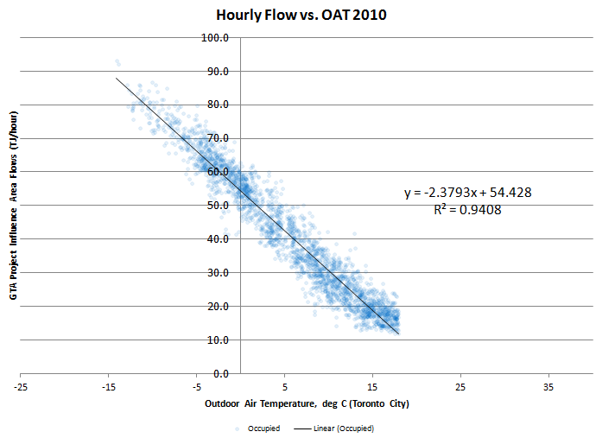
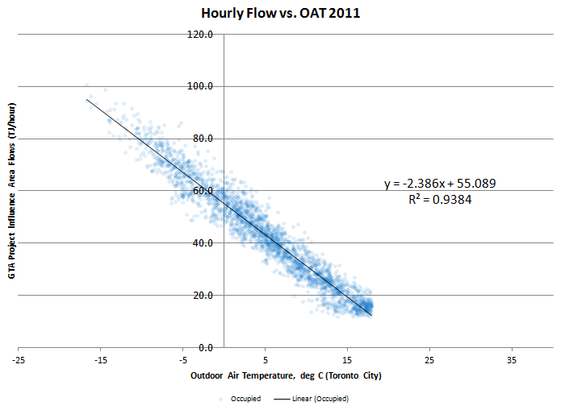
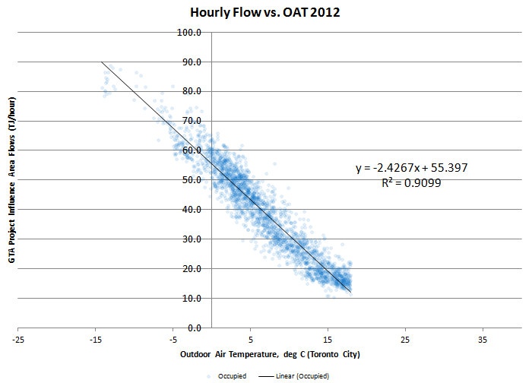
2011 | 2012 |  | Peak Hourly Demand Extrapolation Trendline (2010-2012)
17.72 | 17.89
16.1% | 16.1% | 16%
92.24 | 93.32
83.9% | 83.9% | 84%
110.0 | 111.2

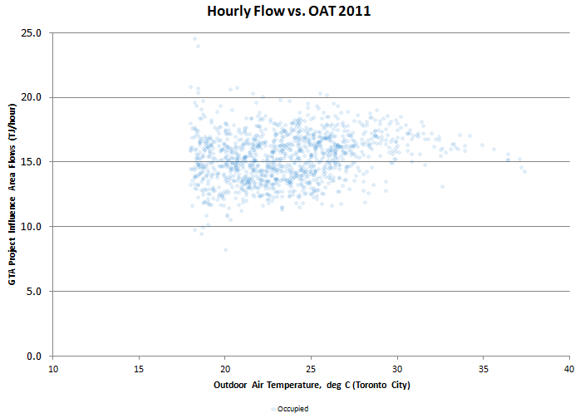
 |  |  | Baseline Establishment (2010-2012)
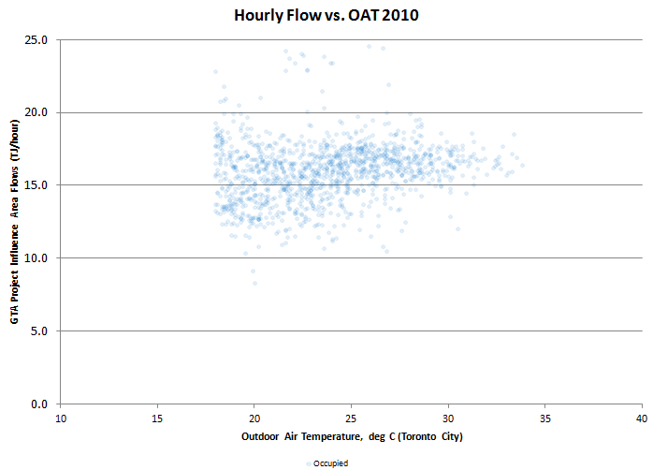
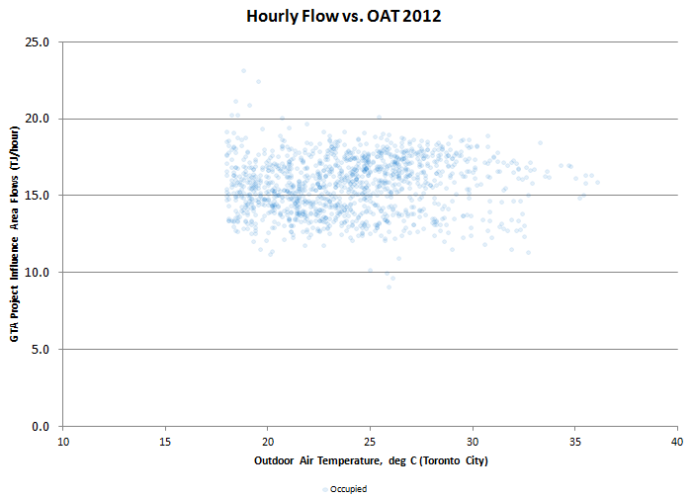

 |  |  |  | 2010 | 2011 | 2012
 |  |  | Median | 16.163822999 | 15.482467985 | 15.810615065
 |  |  | Top Quartile | 17.111010157 | 16.721571175 | 17.0739205
 |  |  | 90th percentile | 17.971023643 | 17.722570357 | 17.892531684

Hospitals
Sector: Hospitals
Number of buildings: | 77
Total building area, ft2: | 29,888,023
Gas usage | Savings potential, % at the attainment of
 | Median | Top Quartile
Base | 22% | 52%
Heating | 12% | 25%
Total | 18% | 41%
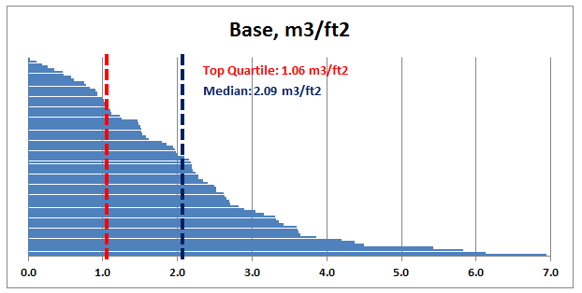
Based on 2010 data weather-normalized to Toronto.
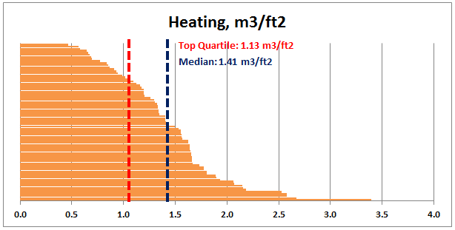

Figure 2.1

Offices
Sector: Office Buildings
Number of buildings: | 123
Total building area, ft2: | 42,000,827
Gas usage | Savings potential, % at the attainment of
 | Median | Top Quartile
Base | 47% | 72%
Heating | 23% | 39%
Total | 27% | 44%
Based on 2010 data weather-normalized to Toronto. Data centres have been excluded.
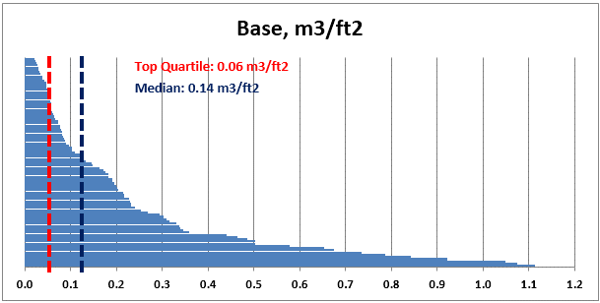
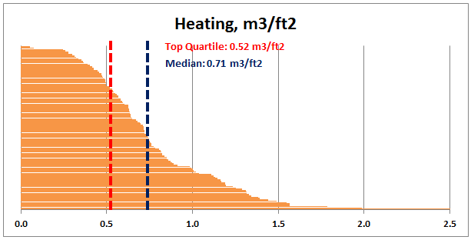

Figure 2.2

Retail Branches
Sector: Retail Branches
Number of buildings: | 84
Total building area, ft2: | 730,478
Gas usage | Savings potential, % at the attainment of
 | Median | Top Quartile
Base | 72% | 87%
Heating | 26% | 42%
Total | 37% | 53%
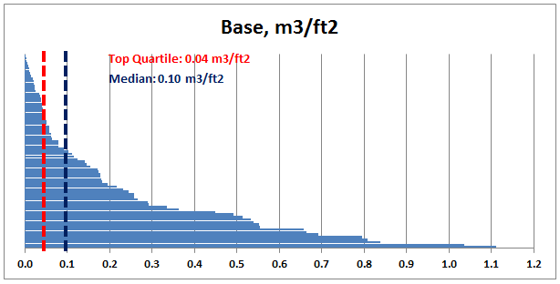
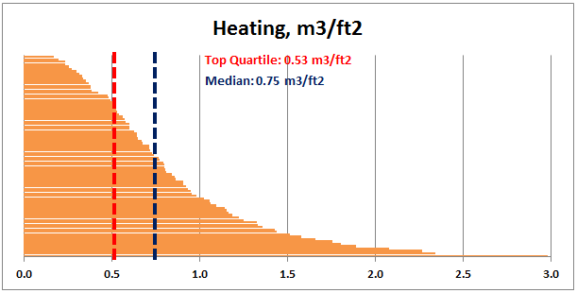
Based on 2009 data weather-normalized to Toronto.

Figure 2.3

K12-Schools
Sector: K-12 Schools
Number of buildings: | 212
Total building area, ft2: | 12,599,060
Gas usage | Savings potential, % at the attainment of
 | Median | Top Quartile
Base | 44% | 63%
Heating | 17% | 32%
Total | 21% | 37%
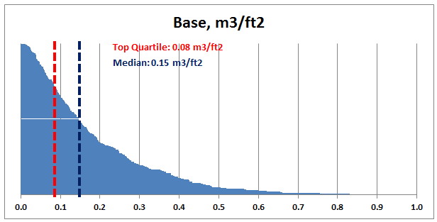
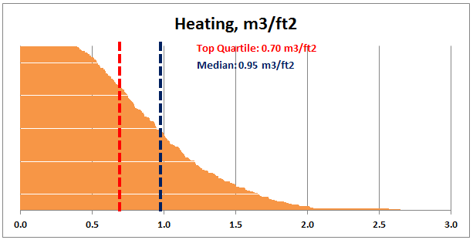
Based on 2010 data weather-normalized to Toronto. All-electric and HP schools have been excluded.

Figure 2.4

Recreation
Sector: Recreation
Number of buildings: | 20
Total building area, ft2: | 1,470,716
Gas usage | Savings potential, % at the attainment of
 | Median | Top Quartile
Base | 56% | 79%
Heating | 12% | 29%
Total | 32% | 52%
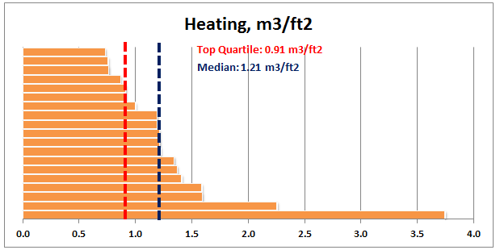
Based on 2010 data weather-normalized to Toronto.
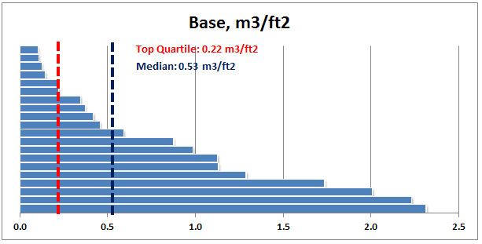

Figure 2.5

Apartment (2)
Sector: Multi-Res
Number of buildings: | 122
Total building area, ft2: | 25,023,702
Gas usage | Savings potential, % at the attainment of
 | Median | Top Quartile
Base | 12% | 23%
Heating | 13% | 30%
Total | 13% | 28%
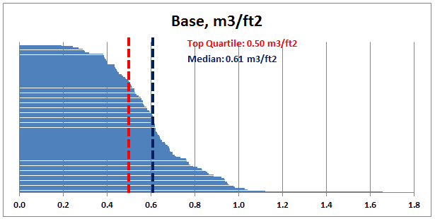
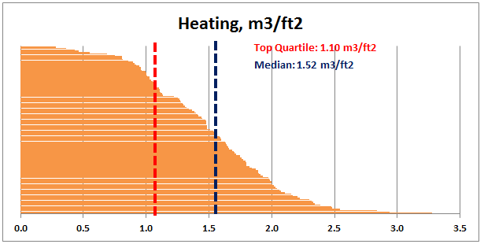
Based on 2012-11 data weather-normalized to Toronto.

Figure 2.6

