Forecast
Enbridge Load Growth Forecast Model
 | Exhibit I.A4.EGD.ED.3
 | Peak Demand (m3/hr) at 41HDD -with discounted growth |  |  |  |  |  | Incremental Peak Demand growth (m3/hr) without discount |  |  |  |  |  |  | Full Load Growth (m3/hr)
 | Apartment | Commercial | Industrial | Residential | Total |  | Apartment | Commercial | Industrial | Residential |  |  |  | Apartment | Commercial | Industrial | Residential | Total
2007 | 410,758 | 896,792 | 352,178 | 1,203,076 | 2,862,804 |  |  |  |  |  |  |  |  | 410,758 | 896,792 | 352,178 | 1,203,076 | 2,862,804
2008 | 414,932 | 900,775 | 358,798 | 1,225,376 | 2,899,881 |  |  |  |  |  |  |  |  | 414,932 | 900,775 | 358,798 | 1,225,376 | 2,899,881
2009 | 404,701 | 916,271 | 336,968 | 1,230,241 | 2,888,181 |  |  |  |  |  |  |  |  | 404,701 | 916,271 | 336,968 | 1,230,241 | 2,888,181
2010 | 400,992 | 905,314 | 311,336 | 1,220,411 | 2,838,053 |  |  |  |  |  |  |  |  | 400,992 | 905,314 | 311,336 | 1,220,411 | 2,838,053
2011 | 410,716 | 902,621 | 324,351 | 1,205,503 | 2,843,191 |  |  |  |  |  |  |  |  | 410,716 | 902,621 | 324,351 | 1,205,503 | 2,843,191
2012 | 424,455 | 1,112,231 | 184,774 | 1,168,523 | 2,889,983 |  |  |  |  |  |  |  |  | 424,455 | 1,112,231 | 184,774 | 1,168,523 | 2,889,983
2013 | 428,717 | 1,119,742 | 184,791 | 1,178,633 | 2,911,883 | 2013 | 6,557 | 11,555 | 26 | 15,554 |  |  |  | 431,012 | 1,123,786 | 184,800 | 1,184,077 | 2,923,675
2014 | 432,326 | 1,126,892 | 184,807 | 1,189,248 | 2,933,273 | 2014 | 5,552 | 11,000 | 25 | 16,331 |  |  |  | 436,564 | 1,134,786 | 184,825 | 1,200,408 | 2,956,583
2015 | 436,452 | 1,134,299 | 184,906 | 1,199,433 | 2,955,090 | 2015 | 6,348 | 11,395 | 152 | 15,669 |  |  |  | 442,912 | 1,146,182 | 184,977 | 1,216,077 | 2,990,148
2016 | 440,674 | 1,142,224 | 185,008 | 1,210,117 | 2,978,023 | 2016 | 6,495 | 12,192 | 157 | 16,437 |  |  |  | 449,407 | 1,158,374 | 185,134 | 1,232,514 | 3,025,429
2017 | 444,881 | 1,150,310 | 185,052 | 1,221,059 | 3,001,302 | 2017 | 6,472 | 12,440 | 68 | 16,834 |  |  |  | 455,880 | 1,170,814 | 185,202 | 1,249,348 | 3,061,243
2018 | 448,893 | 1,157,861 | 185,094 | 1,232,348 | 3,024,196 | 2018 | 6,172 | 11,617 | 65 | 17,368 |  |  |  | 462,052 | 1,182,431 | 185,266 | 1,266,715 | 3,096,465
2019 | 452,855 | 1,165,411 | 185,135 | 1,243,700 | 3,047,101 | 2019 | 6,095 | 11,615 | 63 | 17,465 |  |  |  | 468,147 | 1,194,046 | 185,329 | 1,284,180 | 3,131,703
2020 | 456,806 | 1,172,925 | 185,175 | 1,255,174 | 3,070,080 | 2020 | 6,078 | 11,560 | 62 | 17,652 |  |  |  | 474,226 | 1,205,606 | 185,391 | 1,301,832 | 3,167,055
2021 | 460,711 | 1,180,485 | 185,229 | 1,266,791 | 3,093,216 | 2021 | 6,008 | 11,631 | 83 | 17,872 |  |  |  | 480,233 | 1,217,237 | 185,474 | 1,319,705 | 3,202,649
2022 | 464,600 | 1,188,071 | 185,282 | 1,278,559 | 3,116,512 | 2022 | 5,983 | 11,671 | 82 | 18,105 |  |  |  | 486,217 | 1,228,908 | 185,556 | 1,337,809 | 3,238,489
2023 | 468,490 | 1,195,658 | 185,335 | 1,290,326 | 3,139,809 | 2023 | 5,985 | 11,672 | 82 | 18,103 |  |  |  | 492,201 | 1,240,580 | 185,637 | 1,355,912 | 3,274,331
2024 | 472,380 | 1,203,244 | 185,388 | 1,302,094 | 3,163,106 | 2024 | 5,985 | 11,671 | 82 | 18,105 |  |  |  | 498,186 | 1,252,251 | 185,719 | 1,374,017 | 3,310,172
2025 | 476,270 | 1,210,830 | 185,442 | 1,313,862 | 3,186,404 | 2025 | 5,985 | 11,671 | 83 | 18,105 |  |  |  | 504,170 | 1,263,922 | 185,802 | 1,392,121 | 3,346,015

Baseline with Load Growth and DSM Model
 |  |  |  |  |  |  | Conservation Potential |  |  |  |  |  |  |  |  |  |  |  |  |  |  |  |  |  |  |  |  |  |  |  |  |  | Exhibit JT2.36
 |  |  |  |  |  |  | Apartment |  |  | Commercial |  |  | Industrial |  |  | Residential |  |  |  | Overall Peak Hour (HDD41) Breakdown |  |  |  |  |  |  |  |  |  |  |  | Total GTA Annual Demand (10^6 m3/yr) | Apartment | Commercial | Industrial | Residential
 |  |  |  |  |  |  | Base | Heating | Total | Base | Heating | Total | Base | Heating | Total | Base | Heating | Total |  | Base | 16% |  |  |  |  |  |  |  |  |  |  | 2000 | 1024 | 2,353 | 1,661 | 2,723 | 7761
 |  |  |  |  |  |  | Median Target |  |  |  |  |  |  |  |  |  |  |  |  | Heating | 84% |  |  |  |  |  |  |  |  |  |  | 2001 | 992 | 2,278 | 1,562 | 2,638 | 7470
 |  |  |  |  |  |  | 12% | 13% | 13% | 38% | 16% | 19% | 40% | 40% | 40% | 34% | 34% | 34% |  |  |  |  |  |  |  |  |  |  |  |  |  | 2002 | 1028 | 2372 | 1,597 | 2,799 | 7796
 |  |  |  |  |  |  | Top Quartile Target |  |  |  |  |  |  |  |  |  |  |  |  |  |  |  |  |  |  |  |  |  |  |  |  | 2003 | 1,092 | 2522 | 1,597 | 3,068 | 8279 |  |  |  |  |  |  | Exhibit I.A4.EGD.ED.25 |  |  |  |  |  |  |  | Exhibit I.A4.EGD.ED.25
 | Exhibit I.A4.EGD.ED.3 |  |  |  |  |  | 23% | 30% | 29% | 54% | 28% | 32% | 40% | 40% | 40% | 34% | 34% | 34% |  |  |  |  |  |  |  |  |  |  |  |  |  | 2004 | 1,032 | 2404 | 1,579 | 2,928 | 7943
 | Peak Demand (m3/hr) at 41HDD -Derived Historic and Baseline (2011-2012) |  |  |  |  |  | % Base of total peak day demand |  | 16% |  |  | 16% |  |  | 16% |  |  | 16% | Overall | Reduction from Full Growth Forecast 2025 Peak |  |  |  |  |  |  |  |  |  |  |  | 2005 | 1,034 | 2465 | 1,581 | 3,043 | 8123 |  | Baseline with Load Growth and DSM (median) (m3/hr) |  |  |  |  | DSM per year | Annual Additional DSM (10^6 m3/yr) | % of annual volume | Median PV ($million) | Baseline with Load Growth and DSM (top quartile) (m3/hr) |  |  |  |  | Total DSM | Annual Additional DSM (10^6 m3/yr) | % of annual volume | Top Quartile PV ($million)
 | Apartment | Commercial | Industrial | Residential | Total | Peak Demand Reduction by 2025 | Median Target |  | 13% |  |  | 19% |  |  | 15% |  |  | 5.25% | 12% | 413,967 |  |  |  |  |  |  |  |  |  |  |  | 2006 | 988 | 2318 | 1,509 | 2,813 | 7628 |  | Apartment | Commercial | Industrial | Residential | Total | (m3/hr) |  |  | $743 | Apartment | Commercial | Industrial | Residential | Total | (m3/hr) |  |  | $1,108
2007 | 410,758 | 896,792 | 352,178 | 1,203,076 | 2,862,804 |  | Top Quartile Target |  | 29% |  |  | 32% |  |  | 15% |  |  | 5.25% | 20% | 656,647 |  |  |  |  |  |  |  |  |  |  |  | 2007 | 1,014 | 2436 | 1,515 | 3,042 | 8007 |  | 410,758 | 896,792 | 352,178 | 1,203,076 | 2,862,804 |  | 53 | 0.7% |  | 410,758 | 896,792 | 352,178 | 1,203,076 | 2,862,804 |  | 52 | 0.7% |  |  | NPV Assumption
2008 | 414,932 | 900,775 | 358,798 | 1,225,376 | 2,899,881 |  | Savings Forecast-Median |  |  |  |  |  |  |  |  |  |  |  |  | Savings Forecast-Top Quartile |  |  |  |  |  |  |  |  |  |  |  | 2008 | 1,017 | 2363 | 1,447 | 3,066 | 7893 |  | 414,932 | 900,775 | 358,798 | 1,225,376 | 2,899,881 |  | 47 | 0.6% |  | 414,932 | 900,775 | 358,798 | 1,225,376 | 2,899,881 |  | 53 | 0.7%
2009 | 404,701 | 916,271 | 336,968 | 1,230,241 | 2,888,181 |  | Apartment |  |  | Commercial |  |  | Industrial |  |  | Residential |  |  |  | Apartment |  |  | Commercial |  |  | Industrial |  |  | Residential |  |  | 2009 | 965 | 2234 | 1,234 | 3,066 | 7499 |  | 404,701 | 916,271 | 336,968 | 1,230,241 | 2,888,181 |  | 41 | 0.5% |  | 404,701 | 916,271 | 336,968 | 1,230,241 | 2,888,181 |  | 47 | 0.6% |  |  | GJ/10^3m3
2010 | 400,992 | 905,314 | 311,336 | 1,220,411 | 2,838,053 |  | % of Potential Achievable | m3/hr from Enbridge's Full Growth Forecast | 10^6 m3/yr | % of Potential Achievable | m3/hr from Enbridge's Full Growth Forecast | 10^6 m3/yr | % of Potential Achievable | m3/hr from Enbridge's Full Growth Forecast | 10^6 m3/yr | % of Potential Achievable | m3/hr from Enbridge's Full Growth Forecast | 10^6 m3/yr |  | % of Potential Achievable | m3/hr from 2012 | 10^6 m3/yr | % of Potential Achievable | m3/hr from 2012 | 10^6 m3/yr | % of Potential Achievable | m3/hr from 2012 | 10^6 m3/yr | % of Potential Achievable | m3/hr from 2012 | 10^6 m3/yr | 2010 | 979 | 2122 | 1,264 | 2,859 | 7224 |  | 400,992 | 905,314 | 311,336 | 1,220,411 | 2,838,053 |  | 38 | 0.5% |  | 400,992 | 905,314 | 311,336 | 1,220,411 | 2,838,053 |  | 41 | 0.5% |  |  |  | 37.69 |  |  |  |  |  |  |  |  |  | 23879.013001
2011 | 410,716 | 902,621 | 324,351 | 1,205,503 | 2,843,191 |  |  |  |  |  |  |  |  |  |  |  |  |  |  |  |  |  |  |  |  |  |  |  |  |  |  | 2011 | 1,004 | 2,295 | 1,278 | 3,041 | 7618 |  | 410,716 | 902,621 | 324,351 | 1,205,503 | 2,843,191 |  | 45 | 0.6% |  | 410,716 | 902,621 | 324,351 | 1,205,503 | 2,843,191 |  | 38 | 0.5% |  |  | Discount rate |  |  | Median |  |  |  | Top Quartile
2012 | 424,455 | 1,112,231 | 184,774 | 1,168,523 | 2,889,983 | Baseline 2012 |  |  |  |  |  |  |  |  |  |  |  |  |  |  |  |  |  |  |  |  |  |  |  |  |  | 2012 | 903 | 2040 | 1,202 | 2,699 | 6844 |  | 424,455 | 1,112,231 | 184,774 | 1,168,523 | 2,889,983 |  | 36 | 0.5% |  | 424,455 | 1,112,231 | 184,774 | 1,168,523 | 2,889,983 |  | 45 | 0.6% |  |  |  | 5.88% |  | Apartment |  | Commercial |  | Apartment |  | Commercial
2013 | 431,012 | 1,123,786 | 184,800 | 1,184,077 | 2,923,675 | 2013 | 0.0% | - | - | 0.0% | - | - | 0.0% | - | - | 0.0% | - | - |  | 0.0% | - | - | 0.0% | - | - | 0.0% | - | - | 0.0% | - | - | 2013 | 904 | 2,063 | 1,202 | 2,730 | 6909 |  | 431,012 | 1,123,786 | 184,800 | 1,184,077 | 2,923,675 | - | - | 0.0% |  | 431,012 | 1,123,786 | 184,800 | 1,184,077 | 2,923,675 | - | - | 0.0% |  |  | Commodity Cost |  |  | DSM (10^6M3/yr) | PV ($million) | Commercial DSM (10^6M3/yr) | PV ($ million) | Apartment DSM (10^6M3/yr) | PV ($million) | Commercial DSM (10^6M3/yr) | PV ($ million)
2014 | 431,012 | 1,123,786 | 184,800 | 1,184,077 | 2,923,675 | 2014 | 2.5% | 1,383 | 3 | 2.5% | 5,483 | 11 | 0.9% | 630 | 4 | 0.4% | 1,432 | 3 |  | 2.5% | 3,176 | 7 | 2.5% | 9,049 | 18 | 0.9% | 630 | 4 | 0.4% | 1,432 | 3 | 2014 | 925 | 2,087 | 1,203 | 2,760 | 6975 |  | 435,181 | 1,129,303 | 184,195 | 1,198,975 | 2,947,654 | 8,929 | 21 | 0.3% |  | 433,388 | 1,125,738 | 184,195 | 1,198,975 | 2,942,296 | 14,287 | 32 | 0.5% |  |  |  | ($/GJ)
2015 | 431,012 | 1,123,786 | 184,800 | 1,184,077 | 2,923,675 | 2015 | 10.0% | 5,614 | 12 | 9.3% | 20,642 | 41 | 3.4% | 2,522 | 16 | 1.4% | 5,804 | 13 |  | 10.0% | 12,890 | 26 | 9.3% | 34,066 | 68 | 3.4% | 2,522 | 16 | 1.4% | 5,804 | 13 | 2015 | 931 | 2,100 | 1,203 | 2,776 | 7010 | 2015 | 437,298 | 1,125,540 | 182,455 | 1,210,273 | 2,955,565 | 25,654 | 61 | 0.9% | $11 | 430,022 | 1,112,116 | 182,455 | 1,210,273 | 2,934,865 | 40,995 | 92 | 1.3% | $16 | 2015 |  | 4.65 | 2015 | 11.64 | $2.04 | 41.35 | $7.25 | 26.28 | $4.61 | 67.64 | $11.85
2016 | 431,012 | 1,123,786 | 184,800 | 1,184,077 | 2,923,675 | 2016 | 19.1% | 10,876 | 22 | 18.4% | 41,214 | 83 | 6.8% | 5,049 | 33 | 2.8% | 11,765 | 27 |  | 19.1% | 24,969 | 51 | 18.4% | 68,017 | 135 | 6.8% | 5,049 | 33 | 2.8% | 11,765 | 27 | 2016 | 942 | 2,127 | 1,203 | 2,808 | 7080 | 2016 | 438,532 | 1,117,160 | 180,085 | 1,220,749 | 2,956,525 | 34,321 | 82 | 1.2% | $24 | 424,439 | 1,090,357 | 180,085 | 1,220,749 | 2,915,629 | 54,518 | 122 | 1.7% | $36 | 2016 |  | 4.7 | 2016 | 22.37 | $3.74 | 82.73 | $13.84 | 50.76 | $8.49 | 135.35 | $22.64
2017 | 431,012 | 1,123,786 | 184,800 | 1,184,077 | 2,923,675 | 2017 | 28.2% | 16,286 | 33 | 27.5% | 62,228 | 125 | 10.2% | 7,576 | 49 | 4.2% | 17,888 | 41 |  | 28.2% | 37,389 | 76 | 27.5% | 102,698 | 205 | 10.2% | 7,576 | 49 | 4.2% | 17,888 | 41 | 2017 | 952 | 2,153 | 1,203 | 2,841 | 7149 | 2017 | 439,594 | 1,108,586 | 177,625 | 1,231,459 | 2,957,264 | 35,075 | 84 | 1.2% | $37 | 418,490 | 1,068,117 | 177,625 | 1,231,459 | 2,895,691 | 55,751 | 125 | 1.8% | $55 | 2017 |  | 4.83 | 2017 | 33.41 | $5.43 | 125.10 | $20.31 | 75.73 | $12.30 | 204.66 | $33.23
2018 | 431,012 | 1,123,786 | 184,800 | 1,184,077 | 2,923,675 | 2018 | 37.3% | 21,831 | 45 | 36.6% | 83,621 | 168 | 13.6% | 10,105 | 66 | 5.6% | 24,183 | 55 |  | 37.3% | 50,120 | 101 | 36.6% | 138,003 | 275 | 13.6% | 10,105 | 66 | 5.6% | 24,183 | 55 | 2018 | 963 | 2,178 | 1,204 | 2,875 | 7220 | 2018 | 440,221 | 1,098,810 | 175,161 | 1,242,533 | 2,956,724 | 35,761 | 85 | 1.2% | $50 | 411,932 | 1,044,428 | 175,161 | 1,242,533 | 2,874,054 | 56,859 | 127 | 1.8% | $74 | 2018 |  | 5 | 2018 | 44.66 | $7.09 | 168.39 | $26.73 | 101.31 | $16.08 | 275.48 | $43.74
2019 | 431,012 | 1,123,786 | 184,800 | 1,184,077 | 2,923,675 | 2019 | 46.4% | 27,514 | 56 | 45.7% | 105,422 | 213 | 17.0% | 12,636 | 82 | 7.0% | 30,645 | 69 |  | 46.4% | 63,167 | 127 | 45.7% | 173,982 | 348 | 17.0% | 12,636 | 82 | 7.0% | 30,645 | 69 | 2019 | 974 | 2,203 | 1,204 | 2,909 | 7290 | 2019 | 440,634 | 1,088,624 | 172,693 | 1,253,535 | 2,955,486 | 36,477 | 87 | 1.2% | $62 | 404,981 | 1,020,065 | 172,693 | 1,253,535 | 2,851,273 | 58,019 | 129 | 1.8% | $93 | 2019 |  | 5.2 | 2019 | 56.19 | $8.76 | 212.64 | $33.16 | 127.46 | $19.88 | 347.87 | $54.25
2020 | 431,012 | 1,123,786 | 184,800 | 1,184,077 | 2,923,675 | 2020 | 55.5% | 33,336 | 68 | 54.8% | 127,625 | 258 | 20.5% | 15,168 | 99 | 8.4% | 37,280 | 84 |  | 55.5% | 76,533 | 154 | 54.8% | 210,625 | 422 | 20.5% | 15,168 | 99 | 8.4% | 37,280 | 84 | 2020 | 984 | 2,229 | 1,204 | 2,943 | 7360 | 2020 | 440,890 | 1,077,981 | 170,223 | 1,264,552 | 2,953,646 | 37,192 | 88 | 1.2% | $73 | 397,693 | 994,982 | 170,223 | 1,264,552 | 2,827,449 | 59,176 | 132 | 1.8% | $109 | 2020 |  | 5.28 | 2020 | 67.98 | $10.17 | 257.96 | $38.58 | 154.02 | $23.03 | 422.02 | $63.11
2021 | 431,012 | 1,123,786 | 184,800 | 1,184,077 | 2,923,675 | 2021 | 64.5% | 39,292 | 80 | 63.9% | 150,244 | 304 | 23.9% | 17,704 | 115 | 9.8% | 44,090 | 99 |  | 64.5% | 90,208 | 181 | 63.9% | 247,952 | 498 | 23.9% | 17,704 | 115 | 9.8% | 44,090 | 99 | 2021 | 995 | 2,254 | 1,204 | 2,978 | 7431 | 2021 | 440,941 | 1,066,994 | 167,770 | 1,275,614 | 2,951,319 | 37,921 | 90 | 1.2% | $82 | 390,025 | 969,285 | 167,770 | 1,275,614 | 2,802,694 | 60,349 | 134 | 1.8% | $123 | 2021 |  | 5.32 | 2021 | 79.93 | $11.38 | 304.15 | $43.29 | 181.27 | $25.80 | 497.58 | $70.81
2022 | 431,012 | 1,123,786 | 184,800 | 1,184,077 | 2,923,675 | 2022 | 73.6% | 45,385 | 92 | 73.0% | 173,276 | 351 | 27.3% | 20,242 | 131 | 11.2% | 51,080 | 115 |  | 73.6% | 104,196 | 209 | 73.0% | 285,964 | 575 | 27.3% | 20,242 | 131 | 11.2% | 51,080 | 115 | 2022 | 1,005 | 2,280 | 1,204 | 3,013 | 7502 | 2022 | 440,832 | 1,055,632 | 165,313 | 1,286,729 | 2,948,506 | 38,653 | 92 | 1.2% | $91 | 382,021 | 942,944 | 165,313 | 1,286,729 | 2,777,007 | 61,527 | 137 | 1.8% | $136 | 2022 |  | 5.4 | 2022 | 92.21 | $12.58 | 351.45 | $47.95 | 208.88 | $28.50 | 574.96 | $78.44
2023 | 431,012 | 1,123,786 | 184,800 | 1,184,077 | 2,923,675 | 2023 | 82.7% | 51,615 | 105 | 82.0% | 196,719 | 400 | 30.7% | 22,783 | 148 | 12.6% | 58,243 | 131 |  | 82.7% | 118,500 | 237 | 82.0% | 324,652 | 654 | 30.7% | 22,783 | 148 | 12.6% | 58,243 | 131 | 2023 | 1,015 | 2,306 | 1,205 | 3,049 | 7575 | 2023 | 440,586 | 1,043,861 | 162,854 | 1,297,670 | 2,944,971 | 39,376 | 93 | 1.2% | $98 | 373,701 | 915,928 | 162,854 | 1,297,670 | 2,750,153 | 62,696 | 140 | 1.9% | $147 | 2023 |  | 5.4 | 2023 | 104.64 | $13.48 | 399.75 | $51.51 | 237.00 | $30.54 | 653.99 | $84.27
2024 | 431,012 | 1,123,786 | 184,800 | 1,184,077 | 2,923,675 | 2024 | 91.8% | 57,984 | 117 | 91.1% | 220,572 | 449 | 34.1% | 25,325 | 164 | 14.0% | 65,578 | 147 |  | 91.8% | 133,121 | 266 | 91.1% | 364,018 | 734 | 34.1% | 25,325 | 164 | 14.0% | 65,578 | 147 | 2024 | 1,026 | 2,331 | 1,205 | 3,084 | 7646 | 2024 | 440,202 | 1,031,679 | 160,393 | 1,308,439 | 2,940,713 | 40,099 | 94 | 1.2% | $105 | 365,064 | 888,233 | 160,393 | 1,308,439 | 2,722,130 | 63,864 | 142 | 1.9% | $157 | 2024 |  | 5.44 | 2024 | 117.29 | $14.38 | 448.86 | $55.03 | 265.90 | $32.60 | 734.32 | $90.03
2025 | 431,012 | 1,123,786 | 184,800 | 1,184,077 | 2,923,675 | 2025 | 100.0% | 63,909 | 129 | 100.0% | 244,280 | 495 | 37.5% | 27,870 | 181 | 15.4% | 73,086 | 163 |  | 100.0% | 146,725 | 291 | 100.0% | 403,143 | 810 | 37.5% | 27,870 | 181 | 15.4% | 73,086 | 163 | 2025 | 1,031 | 2,344 | 1,205 | 3,102 | 7682 | 2025 | 440,261 | 1,019,642 | 157,931 | 1,319,035 | 2,936,870 | 39,687 | 90 | 1.2% | $110 | 357,445 | 860,778 | 157,931 | 1,319,035 | 2,695,190 | 62,783 | 133 | 1.7% | $164 | 2025 |  | 5.44 | 2025 | 129.13 | $14.95 | 495.26 | $57.35 | 291.00 | $33.70 | 810.24 | $93.82
 |  |  |  |  |  | Average Annual Saving by Sector |  | 4,916.10 | 762 |  | 18,790.75 | 2,899 |  | 2,143.87 | 1,088 |  | 5,622.03 | 948 |  |  | 11,286.56 | 1,726.1 |  | 31,011.02 | 4,742.1 |  | 2,143.87 | 1,088.0 |  | 5,622.03 | 948.2 |  |  |  |  |  |  |  |  |  |  |  |  |  |  |  |  |  |  |  |  |  |  |  |  |  | 2026 | Calculated from trendline | 5.61 | 2026 | 129.13 | $14.57 | 495.26 | $55.90 | 291.00 | $32.84 | 810.24 | $93.82
 |  |  |  |  |  |  |  | 16% |  |  | 60% |  |  | 7% |  |  | 18% |  |  |  |  |  |  |  |  |  |  |  |  |  |  |  |  |  |  |  |  |  |  |  |  |  |  |  |  |  |  |  |  |  |  |  |  |  |  |  | 2027 |  | 5.70 | 2027 | 129.13 | $13.98 | 495.26 | $53.61 | 291.00 | $31.50 | 810.24 | $93.82
 |  |  |  |  |  | Total Average Annual Saving |  | 36,221.72 |  |  | 64% |  |  |  |  |  |  |  |  |  | 57,619.77 |  |  | 76% |  |  |  |  |  |  |  |  |  |  |  |  |  |  |  |  |  |  |  |  |  |  |  |  |  |  |  |  |  |  |  |  | 2028 |  | 5.79 | 2028 | 129.13 | $13.40 | 495.26 | $51.40 | 291.00 | $30.20 | 810.24 | $93.82
 |  |  |  |  |  |  |  |  |  |  |  |  |  |  |  |  |  |  |  |  |  |  |  |  |  |  |  |  |  |  |  |  |  |  |  |  |  |  |  |  |  |  |  |  |  |  |  |  |  |  |  |  |  |  |  |  | 2029 |  | 5.87 | 2029 | 129.13 | $12.85 | 495.26 | $49.27 | 291.00 | $28.95 | 810.24 | $93.82
 | Apartment | Commercial | Industrial | Residential | Total |  |  |  |  |  |  |  |  |  |  |  |  |  |  |  |  |  |  |  |  |  |  |  |  |  |  |  |  |  |  |  |  |  |  |  |  |  |  | Median Target |  | Top Quartile Target |  |  |  |  |  |  |  |  |  |  | 2030 |  | 5.96 | 2030 | 129.13 | $12.31 | 495.26 | $47.23 | 291.00 | $27.75 | 810.24 | $93.82
Commodity Cost
Enbridge's Full Growth Model | 18.8% | 13.6% | 0.6% | 19.1% | 15.8% |  |  |  |  |  |  |  |  |  |  |  |  |  |  |  |  |  |  |  |  |  |  |  |  |  |  |  |  |  |  |  |  |  |  |  |  |  |  | DSM per year | % of annual volume | DSM per year | % of annual volume
Enbridge's Discounted Growth Model | 12.2% | 8.9% | 0.4% | 12.4% | 10.3% |  |  |  |  |  |  |  |  |  |  |  |  |  |  |  |  |  |  |  |  |  |  |  |  |  |  |  |  |  |  |  |  |  |  |  |  |  |  | (m3/hr) |  | (m3/hr)
Enerlife's Forecast with Full Growth and DSM (median) | 3.7% | -8.3% | -14.5% | 12.9% | 1.6% |  |  |  |  |  |  |  |  |  |  |  |  |  |  |  |  |  |  |  |  |  |  |  |  |  |  |  |  |  |  |  |  |  |  |  |  |  | 2014 | 8,929 | 0.3% | 14,287 | 0.5%
Enerlife's Forecast with Full Growth and DSM (top quartile) | -15.8% | -22.6% | -14.5% | 12.9% | -6.7% |  |  |  |  |  |  |  |  |  |  |  |  |  |  |  |  |  |  |  |  |  |  |  |  |  |  |  |  |  |  |  |  |  |  |  |  |  | 2015 | 25,654 | 0.9% | 40,995 | 1.3%
% Reduction by 2025 from Enbridge's Full Growth Model |  |  |  |  |  |  |  |  |  |  |  |  |  |  |  |  |  |  |  |  |  |  |  |  |  |  |  |  |  |  |  |  |  |  |  |  |  |  |  |  |  |  | 2016 | 34,321 | 1.2% | 54,518 | 1.7%
Enerlife's median DSM | -12.7% | -19.3% | -15.0% | -5.2% | -12.2% |  |  |  |  |  |  |  |  |  |  |  |  |  |  |  |  |  |  |  |  |  |  |  |  |  |  |  |  |  |  |  |  |  |  |  |  |  | 2017 | 35,075 | 1.2% | 55,751 | 1.8%
Enerlife's top quartile DSM | -29.1% | -31.9% | -15.0% | -5.2% | -19.5% |  |  |  |  |  |  |  |  |  |  |  |  |  |  |  |  |  |  |  |  |  |  |  |  |  |  |  |  |  |  |  |  |  |  |  |  |  | 2018 | 35,761 | 1.2% | 56,859 | 1.8%
 |  |  |  |  |  |  |  |  |  |  |  |  |  |  |  |  |  |  |  |  |  |  |  |  |  |  |  |  |  |  |  |  |  |  |  |  |  |  |  |  |  |  | 2019 | 36,477 | 1.2% | 58,019 | 1.8%
 |  |  |  |  |  |  |  |  |  |  |  |  |  |  |  |  |  |  |  |  |  |  |  |  |  |  |  |  |  |  |  |  |  |  |  |  |  |  |  |  |  |  | 2020 | 37,192 | 1.2% | 59,176 | 1.8%
 |  |  |  |  |  |  |  |  |  |  |  |  |  |  |  |  |  |  |  |  |  |  |  |  |  |  |  |  |  |  |  |  |  |  |  |  |  |  |  |  |  |  | 2021 | 37,921 | 1.2% | 60,349 | 1.8%
 |  |  |  |  |  |  |  |  |  |  |  |  |  |  |  |  |  |  |  |  |  |  |  |  |  |  |  |  |  |  |  |  |  |  |  |  |  |  |  |  |  |  | 2022 | 38,653 | 1.2% | 61,527 | 1.8%
 |  |  |  |  |  |  |  |  |  |  |  |  |  |  |  |  |  |  |  |  |  |  |  |  |  |  |  |  |  |  |  |  |  |  |  |  |  |  |  |  |  |  | 2023 | 39,376 | 1.2% | 62,696 | 1.9%
 |  |  |  |  |  |  |  |  |  |  |  |  |  |  |  |  |  |  |  |  |  |  |  |  |  |  |  |  |  |  |  |  |  |  |  |  |  |  |  |  |  |  | 2024 | 40,099 | 1.2% | 63,864 | 1.9%
 |  |  |  |  |  |  |  |  |  |  |  |  |  |  |  |  |  |  |  |  |  |  |  |  |  |  |  |  |  |  |  |  |  |  |  |  |  |  |  |  |  |  | 2025 | 39,687 | 1.2% | 62,783 | 1.7%

GTA
GTA Demand Historic and Forecast Models
 | Baseline with Full Load Growth (Enbridge) | Baseline with Discounted Load Growth (Enbridge) | Baseline (2011-2012) | Baseline with Full Load Growth and DSM (median) (Enerlife) | Baseline with Full Load Growth and DSM (top quartile) (Enerlife)
2007 | 2,862,804 | 2,862,804 | 2,862,804 | 2,862,804 | 2,862,804
2008 | 2,899,881 | 2,899,881 | 2,899,881 | 2,899,881 | 2,899,881
2009 | 2,888,181 | 2,888,181 | 2,888,181 | 2,888,181 | 2,888,181
2010 | 2,838,053 | 2,838,053 | 2,838,053 | 2,838,053 | 2,838,053
2011 | 2,843,191 | 2,843,191 | 2,843,191 | 2,843,191 | 2,843,191
2012 | 2,889,983 | 2,889,983 | 2,889,983 | 2,889,983 | 2,889,983
2013 | 2,923,675 | 2,911,883 | 2,923,675 | 2,923,675 | 2,923,675
2014 | 2,956,583 | 2,933,273 | 2,923,675 | 2,947,654 | 2,942,296
2015 | 2,990,148 | 2,955,090 | 2,923,675 | 2,955,565 | 2,934,865
2016 | 3,025,429 | 2,978,023 | 2,923,675 | 2,956,525 | 2,915,629
2017 | 3,061,243 | 3,001,302 | 2,923,675 | 2,957,264 | 2,895,691
2018 | 3,096,465 | 3,024,196 | 2,923,675 | 2,956,724 | 2,874,054
2019 | 3,131,703 | 3,047,101 | 2,923,675 | 2,955,486 | 2,851,273
2020 | 3,167,055 | 3,070,080 | 2,923,675 | 2,953,646 | 2,827,449
2021 | 3,202,649 | 3,093,216 | 2,923,675 | 2,951,319 | 2,802,694
2022 | 3,238,489 | 3,116,512 | 2,923,675 | 2,948,506 | 2,777,007
2023 | 3,274,331 | 3,139,809 | 2,923,675 | 2,944,971 | 2,750,153
2024 | 3,310,172 | 3,163,106 | 2,923,675 | 2,940,713 | 2,722,130
2025 | 3,346,015 | 3,186,404 | 2,923,675 | 2,936,870 | 2,695,190

Apartment
Apartment Demand Historic and Forecast Model
 | Baseline with Full Load Growth (Enbridge) | Baseline with Discounted Load Growth (Enbridge) | Baseline (2011-2012) | Baseline with full load growth and DSM (median) (Enerlife) | Baseline with Full Load Growth and DSM (top quartile) (Enerlife)
2007 | 410,758 | 410,758 | 410,758 | 410,758 | 410,758
2008 | 414,932 | 414,932 | 414,932 | 414,932 | 414,932
2009 | 404,701 | 404,701 | 404,701 | 404,701 | 404,701
2010 | 400,992 | 400,992 | 400,992 | 400,992 | 400,992
2011 | 410,716 | 410,716 | 410,716 | 410,716 | 410,716
2012 | 424,455 | 424,455 | 424,455 | 424,455 | 424,455
2013 | 431,012 | 428,717 | 431,012 | 431,012 | 431,012
2014 | 436,564 | 432,326 | 431,012 | 435,181 | 433,388
2015 | 442,912 | 436,452 | 431,012 | 437,298 | 430,022
2016 | 449,407 | 440,674 | 431,012 | 438,532 | 424,439
2017 | 455,880 | 444,881 | 431,012 | 439,594 | 418,490
2018 | 462,052 | 448,893 | 431,012 | 440,221 | 411,932
2019 | 468,147 | 452,855 | 431,012 | 440,634 | 404,981
2020 | 474,226 | 456,806 | 431,012 | 440,890 | 397,693
2021 | 480,233 | 460,711 | 431,012 | 440,941 | 390,025
2022 | 486,217 | 464,600 | 431,012 | 440,832 | 382,021
2023 | 492,201 | 468,490 | 431,012 | 440,586 | 373,701
2024 | 498,186 | 472,380 | 431,012 | 440,202 | 365,064
2025 | 504,170 | 476,270 | 431,012 | 440,261 | 357,445

Commercial
Commercial Demand Historic and Forecast Model
 | Baseline with Full Load Growth (Enbridge) | Baseline with Discounted Load Growth (Enbridge) | Baseline (2011-2012) | Baseline with Full Load Growth and DSM (median) (Enerlife) | Baseline with Full Load Growth and DSM (top quartile) (Enerlife)
2007 | 896,792 | 896,792 | 896,792 | 896,792 | 896,792
2008 | 900,775 | 900,775 | 900,775 | 900,775 | 900,775
2009 | 916,271 | 916,271 | 916,271 | 916,271 | 916,271
2010 | 905,314 | 905,314 | 905,314 | 905,314 | 905,314
2011 | 902,621 | 902,621 | 902,621 | 902,621 | 902,621
2012 | 1,112,231 | 1,112,231 | 1,112,231 | 1,112,231 | 1,112,231
2013 | 1,123,786 | 1,119,742 | 1,123,786 | 1,123,786 | 1,123,786
2014 | 1,134,786 | 1,126,892 | 1,123,786 | 1,129,303 | 1,125,738
2015 | 1,146,182 | 1,134,299 | 1,123,786 | 1,125,540 | 1,112,116
2016 | 1,158,374 | 1,142,224 | 1,123,786 | 1,117,160 | 1,090,357
2017 | 1,170,814 | 1,150,310 | 1,123,786 | 1,108,586 | 1,068,117
2018 | 1,182,431 | 1,157,861 | 1,123,786 | 1,098,810 | 1,044,428
2019 | 1,194,046 | 1,165,411 | 1,123,786 | 1,088,624 | 1,020,065
2020 | 1,205,606 | 1,172,925 | 1,123,786 | 1,077,981 | 994,982
2021 | 1,217,237 | 1,180,485 | 1,123,786 | 1,066,994 | 969,285
2022 | 1,228,908 | 1,188,071 | 1,123,786 | 1,055,632 | 942,944
2023 | 1,240,580 | 1,195,658 | 1,123,786 | 1,043,861 | 915,928
2024 | 1,252,251 | 1,203,244 | 1,123,786 | 1,031,679 | 888,233
2025 | 1,263,922 | 1,210,830 | 1,123,786 | 1,019,642 | 860,778

Industrial
Industrial Demand Historic and Forecast Model
 | Baseline with Full Load Growth (Enbridge) | Baseline with Discounted Load Growth (Enbridge) | Baseline (2011-2012) | Baseline with Full Load Growth and DSM (Chris Neme)
2007 | 352,178 | 352,178 | 352,178 | 352,178
2008 | 358,798 | 358,798 | 358,798 | 358,798
2009 | 336,968 | 336,968 | 336,968 | 336,968
2010 | 311,336 | 311,336 | 311,336 | 311,336
2011 | 324,351 | 324,351 | 324,351 | 324,351
2012 | 184,774 | 184,774 | 184,774 | 184,774
2013 | 184,800 | 184,791 | 184,800 | 184,800
2014 | 184,825 | 184,807 | 184,800 | 184,195
2015 | 184,977 | 184,906 | 184,800 | 182,455
2016 | 185,134 | 185,008 | 184,800 | 180,085
2017 | 185,202 | 185,052 | 184,800 | 177,625
2018 | 185,266 | 185,094 | 184,800 | 175,161
2019 | 185,329 | 185,135 | 184,800 | 172,693
2020 | 185,391 | 185,175 | 184,800 | 170,223
2021 | 185,474 | 185,229 | 184,800 | 167,770
2022 | 185,556 | 185,282 | 184,800 | 165,313
2023 | 185,637 | 185,335 | 184,800 | 162,854
2024 | 185,719 | 185,388 | 184,800 | 160,393
2025 | 185,802 | 185,442 | 184,800 | 157,931

Residential
Residential Demand Historic and Forecast Model
 | Baseline with Full Load Growth (Enbridge) | Baseline with Discounted Load Growth (Enbridge) | Baseline (2011-2012) | Baseline with Full Load Growth and DSM (Chris Neme)
2007 | 1,203,076 | 1,203,076 | 1,203,076 | 1,203,076
2008 | 1,225,376 | 1,225,376 | 1,225,376 | 1,225,376
2009 | 1,230,241 | 1,230,241 | 1,230,241 | 1,230,241
2010 | 1,220,411 | 1,220,411 | 1,220,411 | 1,220,411
2011 | 1,205,503 | 1,205,503 | 1,205,503 | 1,205,503
2012 | 1,168,523 | 1,168,523 | 1,168,523 | 1,168,523
2013 | 1,184,077 | 1,178,633 | 1,184,077 | 1,184,077
2014 | 1,200,408 | 1,189,248 | 1,184,077 | 1,198,975
2015 | 1,216,077 | 1,199,433 | 1,184,077 | 1,210,273
2016 | 1,232,514 | 1,210,117 | 1,184,077 | 1,220,749
2017 | 1,249,348 | 1,221,059 | 1,184,077 | 1,231,459
2018 | 1,266,715 | 1,232,348 | 1,184,077 | 1,242,533
2019 | 1,284,180 | 1,243,700 | 1,184,077 | 1,253,535
2020 | 1,301,832 | 1,255,174 | 1,184,077 | 1,264,552
2021 | 1,319,705 | 1,266,791 | 1,184,077 | 1,275,614
2022 | 1,337,809 | 1,278,559 | 1,184,077 | 1,286,729
2023 | 1,355,912 | 1,290,326 | 1,184,077 | 1,297,670
2024 | 1,374,017 | 1,302,094 | 1,184,077 | 1,308,439
2025 | 1,392,121 | 1,313,862 | 1,184,077 | 1,319,035

Peak Breakdown
Data From I A4 EDG ED11 Attachment

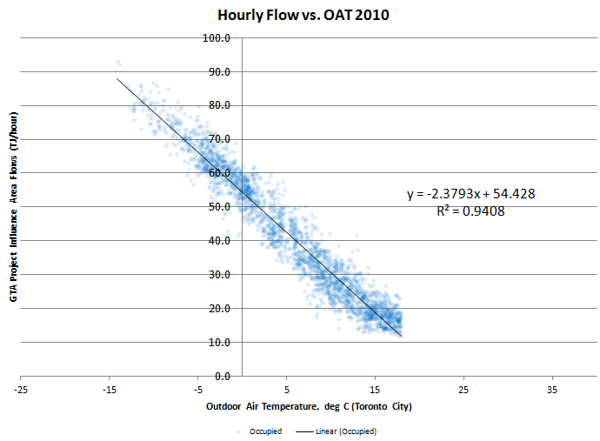
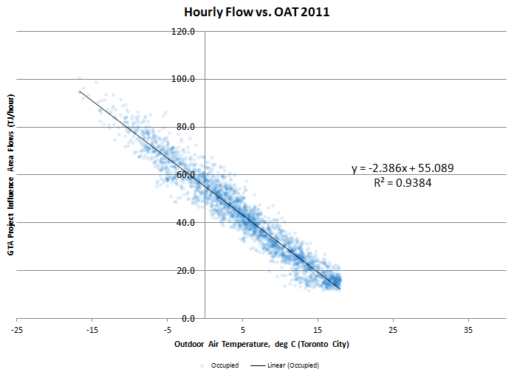
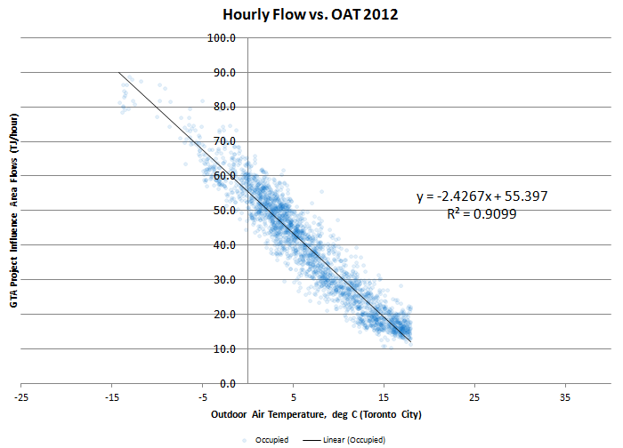
In a peak hour (41HDD) | 2010 | 2011 | 2012 |  | Peak Hourly Demand Extrapolation Trendline (2010-2012)
Base thermal (TJ/hr) - actual median with no heating during occupied periods | 17.97 | 17.72 | 17.89
% of total | 16.4% | 16.1% | 16.1% | 16%
Heating thermal (TJ/hr) - extrapolated to 41HDD | 91.28 | 92.24 | 93.32
% of total | 83.6% | 83.9% | 83.9% | 84%
Total (TJ/hr) | 109.3 | 110.0 | 111.2

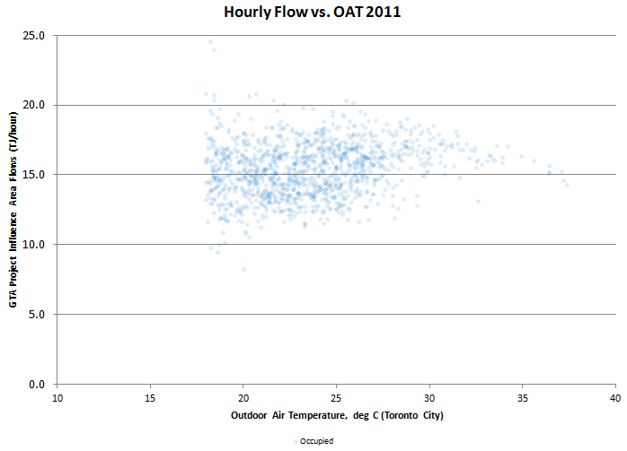
 |  |  |  |  | Baseline Establishment (2010-2012)
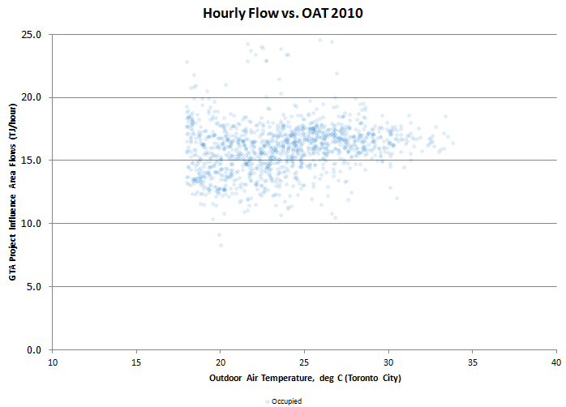
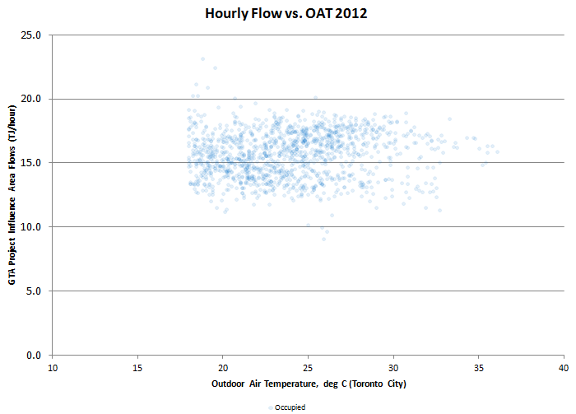

 |  |  |  |  |  | 2010 | 2011 | 2012
 |  |  |  |  | Median | 16.163822999 | 15.482467985 | 15.810615065
 |  |  |  |  | Top Quartile | 17.111010157 | 16.721571175 | 17.0739205
 |  |  |  |  | 90th percentile | 17.971023643 | 17.722570357 | 17.892531684

Hospitals
Sector: Hospitals
Number of buildings: | 77
Total building area, ft2: | 29,888,023
Gas usage | Savings potential, % at the attainment of
 | Median | Top Quartile
Base | 22% | 52%
Heating | 12% | 25%
Total | 18% | 41%
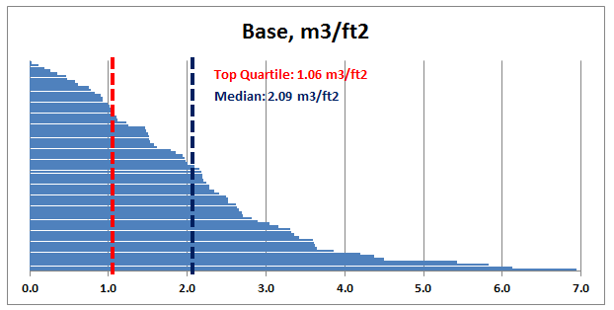
Based on 2010 data weather-normalized to Toronto.
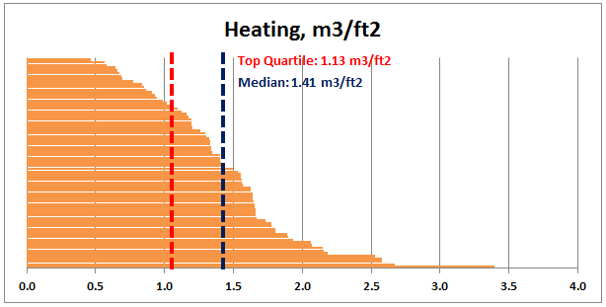

Figure 2.1

Offices
Sector: Office Buildings
Number of buildings: | 123
Total building area, ft2: | 42,000,827
Gas usage | Savings potential, % at the attainment of
 | Median | Top Quartile
Base | 47% | 72%
Heating | 23% | 39%
Total | 27% | 44%
Based on 2010 data weather-normalized to Toronto. Data centres have been excluded.
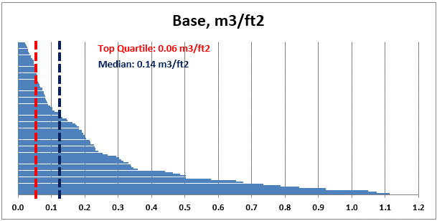
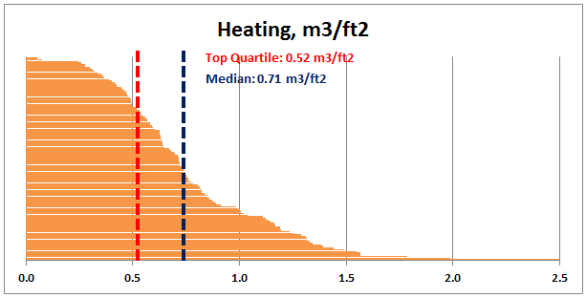

Figure 2.2

Retail Branches
Sector: Retail Branches
Number of buildings: | 84
Total building area, ft2: | 730,478
Gas usage | Savings potential, % at the attainment of
 | Median | Top Quartile
Base | 72% | 87%
Heating | 26% | 42%
Total | 37% | 53%
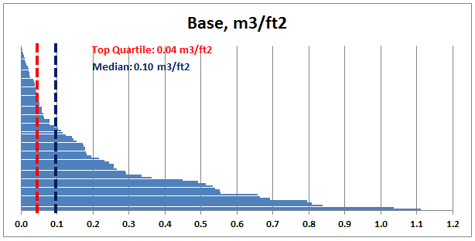
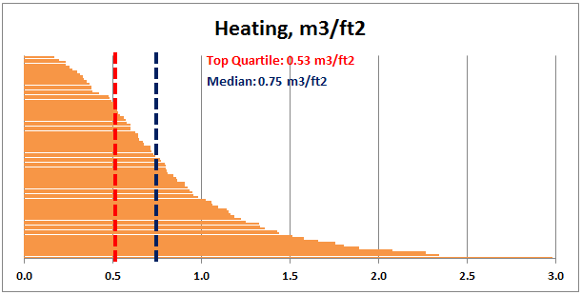
Based on 2009 data weather-normalized to Toronto.

Figure 2.3

K12-Schools
Sector: K-12 Schools
Number of buildings: | 212
Total building area, ft2: | 12,599,060
Gas usage | Savings potential, % at the attainment of
 | Median | Top Quartile
Base | 44% | 63%
Heating | 17% | 32%
Total | 21% | 37%
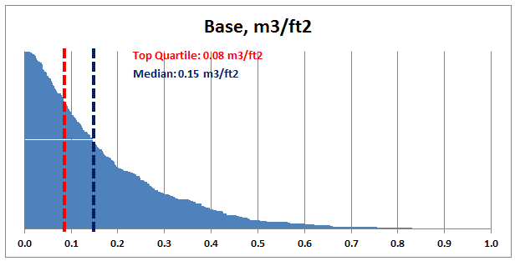
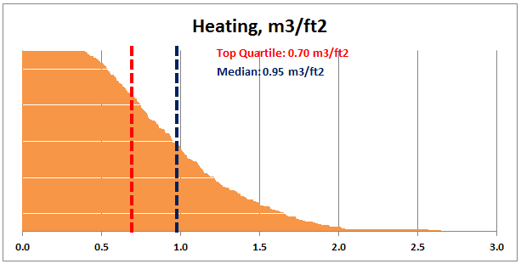
Based on 2010 data weather-normalized to Toronto. All-electric and HP schools have been excluded.

Figure 2.4

Recreation
Sector: Recreation
Number of buildings: | 20
Total building area, ft2: | 1,470,716
Gas usage | Savings potential, % at the attainment of
 | Median | Top Quartile
Base | 56% | 79%
Heating | 12% | 29%
Total | 32% | 52%
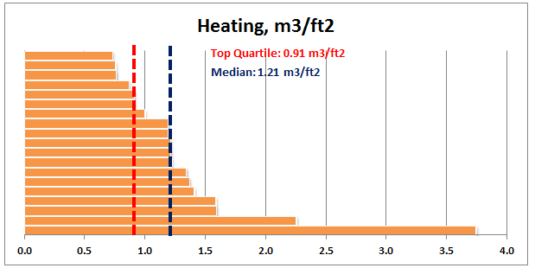
Based on 2010 data weather-normalized to Toronto.
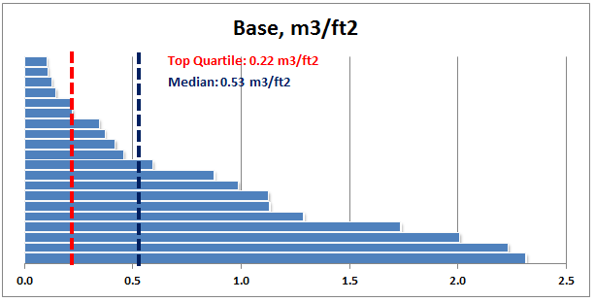

Figure 2.5

Apartment (2)
Sector: Multi-Res
Number of buildings: | 122
Total building area, ft2: | 25,023,702
Gas usage | Savings potential, % at the attainment of
 | Median | Top Quartile
Base | 12% | 23%
Heating | 13% | 30%
Total | 13% | 28%
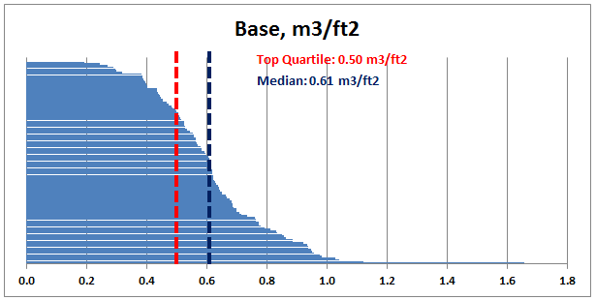
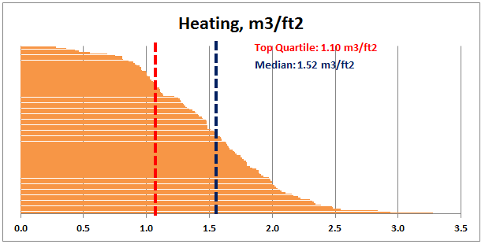
Based on 2012-11 data weather-normalized to Toronto.

Figure 2.6

