Oct 7-13 LV Workshop Summary
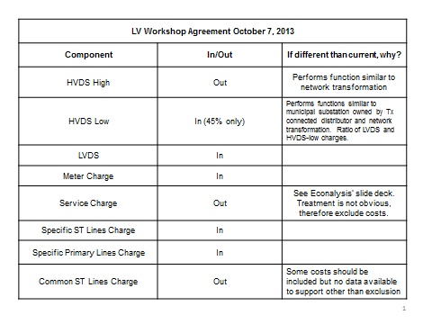

Oct 10, 2013: Board staff posted the October 7 Workshop Summary on web page
Defining and Measuring Performance of Electricity Transmitters and Distributors (EB-2010-0379)
LV Workshop Summary (posted Oct 10-13)

Note: Table of pre- and post-May 1, 2008 Hydro One Network LV Charge Types is provided on a separate worksheet

