2013 Pivot
 |  |  | Values
Year Period Key | OEB | Text | Sum of Debit Amount | Sum of Credit Amount | Sum of Amount
201301 | 4710 | NPEI Physical LTLT Accrual for Jan 01 2012 to Dec 31 2012 |  | 1,478.01 | -1,478.01
 |  | To accrue the cost of power for the month. | 10,270,264.09 | 8,389,013.34 | 1,881,250.75
 |  | To record the IESO invoice payment. | 8,770,403.12 |  | 8,770,403.12
 |  | (blank) |  | 4,191.58 | -4,191.58
 |  | To accrue LTLT | 11,784.42 |  | 11,784.42
 | 4710 Total |  | 19,052,451.63 | 8,394,682.93 | 10,657,768.70
201302 | 4710 | To accrue the cost of power for the month. | 7,772,586.51 | 10,270,264.09 | -2,497,677.58
 |  | To record the IESO invoice payment. | 9,953,438.37 |  | 9,953,438.37
 |  | To accrue LTLT | 11,784.42 |  | 11,784.42
 | 4710 Total |  | 17,737,809.30 | 10,270,264.09 | 7,467,545.21
201303 | 4710 | To accrue the cost of power for the month. | 8,328,895.42 | 7,772,586.51 | 556,308.91
 |  | To record the IESO invoice payment. | 8,646,653.01 |  | 8,646,653.01
 |  | To accrue LTLT | 11,784.42 |  | 11,784.42
 | 4710 Total |  | 16,987,332.85 | 7,772,586.51 | 9,214,746.34
201304 | 4710 | To accrue the cost of power for the month. | 10,686,550.47 | 8,328,895.42 | 2,357,655.05
 |  | To record the IESO invoice payment. | 8,114,877.69 |  | 8,114,877.69
 |  | To accrue LTLT | 11,784.42 |  | 11,784.42
 | 4710 Total |  | 18,813,212.58 | 8,328,895.42 | 10,484,317.16
201305 | 4710 | To accrue the cost of power for the month. | 12,034,445.64 | 10,686,550.47 | 1,347,895.17
 |  | To record the IESO invoice payment. | 12,100,298.42 |  | 12,100,298.42
 |  | To accrue LTLT | 11,419.55 |  | 11,419.55
 | 4710 Total |  | 24,146,163.61 | 10,686,550.47 | 13,459,613.14
201306 | 4710 | HYDRO ONE (483 BAY ST.) |  | 1,257.22 | -1,257.22
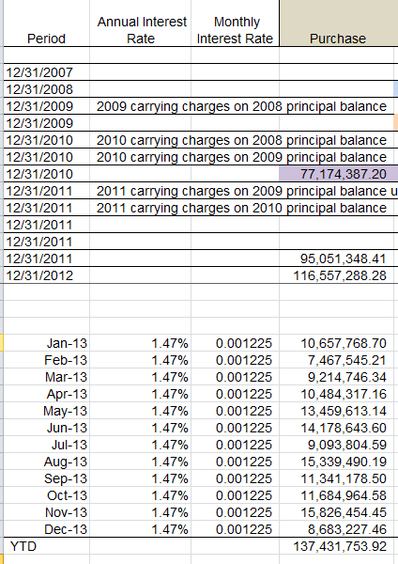
 |  | To accrue the cost of power for the month. | 13,711,694.63 | 12,034,445.64 | 1,677,248.99
 |  | To record the IESO invoice payment. | 12,491,232.28 |  | 12,491,232.28
 |  | To accrue LTLT | 11,419.55 |  | 11,419.55
 | 4710 Total |  | 26,214,346.46 | 12,035,702.86 | 14,178,643.60
201307 | 4710 | HYDRO ONE NETWORKS INC | 1,089.87 |  | 1,089.87
 |  | To accrue the cost of power for the month. | 12,268,215.62 | 13,711,694.63 | -1,443,479.01
 |  | To record the IESO invoice for June 1st - June 30th, 2013 | 10,524,774.18 |  | 10,524,774.18
 |  | To accrue LTLT | 11,419.55 |  | 11,419.55
 | 4710 Total |  | 22,805,499.22 | 13,711,694.63 | 9,093,804.59
201308 | 4710 | To accrue the cost of power for the month. | 12,859,560.43 | 12,268,215.62 | 591,344.81
 |  | To record the IESO invoice payment. | 14,736,725.83 |  | 14,736,725.83
 |  | To accrue LTLT | 11,419.55 |  | 11,419.55
 | 4710 Total |  | 27,607,705.81 | 12,268,215.62 | 15,339,490.19
201309 | 4710 | HYDRO ONE (483 BAY ST.) | 317.43 |  | 317.43
 |  | NIAGARA PENINSULA ENERGY INC | 1,807.97 |  | 1,807.97
 |  | To accrue the cost of power for the month. | 13,964,967.57 | 12,859,560.43 | 1,105,407.14
 |  | To record the IESO invoice payment. | 10,222,226.41 |  | 10,222,226.41
 |  | To accrue LTLT | 11,419.55 |  | 11,419.55
 | 4710 Total |  | 24,200,738.93 | 12,859,560.43 | 11,341,178.50
201310 | 4710 | To accrue the cost of power for the month. | 10,558,463.26 | 13,964,967.57 | -3,406,504.31
 |  | To record the IESO invoice payment. | 15,080,049.34 |  | 15,080,049.34
 |  | To accrue LTLT | 11,419.55 |  | 11,419.55
 | 4710 Total |  | 25,649,932.15 | 13,964,967.57 | 11,684,964.58
201311 | 4710 | To accrue the cost of power for the month. | 16,026,607.23 | 10,558,463.26 | 5,468,143.97
 |  | To record the IESO invoice payment. | 10,346,890.93 |  | 10,346,890.93
 |  | To accrue LTLT | 11,419.55 |  | 11,419.55
 | 4710 Total |  | 26,384,917.71 | 10,558,463.26 | 15,826,454.45
201312 | 4710 | To accrue the cost of power for the month. | 10,976,550.31 | 16,026,607.23 | -5,050,056.92
 |  | To record the IESO invoice payment. | 13,721,864.83 |  | 13,721,864.83
 |  | To accrue LTLT | 11,419.55 |  | 11,419.55
 | 4710 Total |  | 24,709,834.69 | 16,026,607.23 | 8,683,227.46
Grand Total |  |  | 274,309,944.94 | 136,878,191.02 | 137,431,753.92

2012 Pivot
 |  |  | Values |  |  | Paste Special Value
Year Period Key | OEB | Text | Sum of Debit Amount | Sum of Credit Amount | Sum of Amount | Text | Sum of Amount
201201 | 4710 | To accrue the cost of power for the month. | 8,529,691.53 | 8,883,625.63 | -353,934.10 | To accrue the cost of power for the month. | -353,934.10
 |  | To correct the accrual for cost of power in December 2011 |  | 169,021.46 | -169,021.46 | To correct the accrual for cost of power in December 2011 | -169,021.46
 |  | To record the IESO invoice payment. | 18,516,306.56 | 8,939,950.97 | 9,576,355.59 | To record the IESO invoice payment. | 9,576,355.59
 |  | (blank) | 8,663.03 |  | 8,663.03 | (blank) | 8,663.03 | 8,663.03
 | 4710 Total |  | 27,054,661.12 | 17,992,598.06 | 9,062,063.06 |  | 9,062,063.06
201202 | 4710 | To accrue the cost of power for the month. | 10,003,302.94 | 8,529,691.53 | 1,473,611.41 | To accrue the cost of power for the month. | 1,473,611.41
 |  | To record the IESO invoice payment. | 17,361,119.23 | 9,048,835.16 | 8,312,284.07 | To record the IESO invoice payment. | 8,312,284.07
 |  | (blank) | 11,784.42 |  | 11,784.42 | (blank) | 11,784.42 | 11,784.42
 | 4710 Total |  | 27,376,206.59 | 17,578,526.69 | 9,797,679.90 |  | 9,797,679.90
201203 | 4710 | HYDRO ONE NETWORKS INC | 59,801.90 |  | 59,801.90 | HYDRO ONE NETWORKS INC | 59,801.90 | 59,801.90
 |  | To accrue the cost of power for the month. | 12,459,717.95 | 10,003,302.94 | 2,456,415.01 | To accrue the cost of power for the month. | 2,456,415.01
 |  | To record IESO Invoice for period February 1 - February 29, 2012 | 18,981,108.32 | 8,905,414.79 | 10,075,693.53 | To record IESO Invoice for period February 1 - February 29, 2012 | 10,075,693.53
 |  | (blank) | 11,784.42 |  | 11,784.42 | (blank) | 11,784.42 | 11,784.42
 | 4710 Total |  | 31,512,412.59 | 18,908,717.73 | 12,603,694.86 |  | 12,603,694.86
201204 | 4710 | BURLINGTON HYDRO INC | 3,395.48 |  | 3,395.48 | BURLINGTON HYDRO INC | 3,395.48 | 3,395.48
 |  | NIAGARA PENINSULA ENERGY INC | 1,478.01 |  | 1,478.01 | NIAGARA PENINSULA ENERGY INC | 1,478.01 | 1,478.01
 |  | To accrue the cost of power for April 2012 | 10,194,633.58 |  | 10,194,633.58 | To accrue the cost of power for April 2012 | 10,194,633.58
 |  | To accrue the cost of power for the month. |  | 12,459,717.95 | -12,459,717.95 | To accrue the cost of power for the month. | -12,459,717.95
 |  | To record IESO invoice for period March 1 - March 31, 2012 | 22,973,758.16 | 10,452,039.91 | 12,521,718.25 | To record IESO invoice for period March 1 - March 31, 2012 | 12,521,718.25
 |  | (blank) | 11,784.42 |  | 11,784.42 | (blank) | 11,784.42 | 11,784.42
 | 4710 Total |  | 33,185,049.65 | 22,911,757.86 | 10,273,291.79 |  | 10,273,291.79
201205 | 4710 | To accrue the cost of power for April 2012 |  | 10,194,633.58 | -10,194,633.58 | To accrue the cost of power for April 2012 | -10,194,633.58
 |  | To accrue the cost of power for the month. | 11,570,533.32 |  | 11,570,533.32 | To accrue the cost of power for the month. | 11,570,533.32
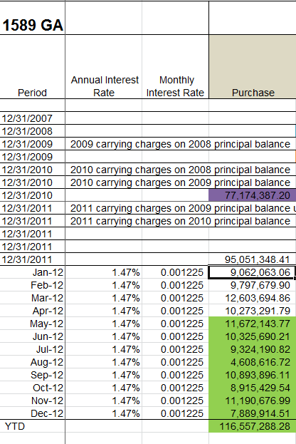
 |  | To record IESO invoice for period April 1 - April 30, 2012 | 20,649,284.41 | 10,364,824.80 | 10,284,459.61 | To record IESO invoice for period April 1 - April 30, 2012 | 10,284,459.61
 |  | (blank) | 11,784.42 |  | 11,784.42 | (blank) | 11,784.42 | 11,784.42
 | 4710 Total |  | 32,231,602.15 | 20,559,458.38 | 11,672,143.77 |  | 11,672,143.77
201206 | 4710 | To accrue the cost of power for the month. | 10,853,932.15 | 11,570,533.32 | -716,601.17 | To accrue the cost of power for the month. | -716,601.17
 |  | To record the IESO invoice payment. | 20,785,665.44 | 9,755,158.48 | 11,030,506.96 | To record the IESO invoice payment. | 11,030,506.96
 |  | (blank) | 11,784.42 |  | 11,784.42 | (blank) | 11,784.42 | 11,784.42
 | 4710 Total |  | 31,651,382.01 | 21,325,691.80 | 10,325,690.21 |  | 10,325,690.21
201207 | 4710 | To accrue the cost of power for the month. | 9,976,545.29 | 10,853,932.15 | -877,386.86 | To accrue the cost of power for the month. | -877,386.86
 |  | To record the IESO invoice payment. | 21,749,596.41 | 11,559,803.15 | 10,189,793.26 | To record the IESO invoice payment. | 10,189,793.26
 |  | (blank) | 11,784.42 |  | 11,784.42 | (blank) | 11,784.42 | 11,784.42
 | 4710 Total |  | 31,737,926.12 | 22,413,735.30 | 9,324,190.82 |  | 9,324,190.82
201208 | 4710 | To accrue the cost of power for the month. | 9,671,704.49 | 9,976,545.29 | -304,840.80 | To accrue the cost of power for the month. | -304,840.80
 |  | To record the IESO invoice payment. | 16,531,634.02 | 11,629,960.92 | 4,901,673.10 | To record the IESO invoice payment. | 4,901,673.10
 |  | (blank) | 11,784.42 |  | 11,784.42 | (blank) | 11,784.42 | 11,784.42
 | 4710 Total |  | 26,215,122.93 | 21,606,506.21 | 4,608,616.72 |  | 4,608,616.72
201209 | 4710 | To accrue the cost of power for the month. | 5,533,509.76 | 9,671,704.49 | -4,138,194.73 | To accrue the cost of power for the month. | -4,138,194.73
 |  | To record the IESO invoice payment. | 18,769,405.86 | 3,749,099.44 | 15,020,306.42 | To record the IESO invoice payment. | 15,020,306.42
 |  | (blank) | 11,784.42 |  | 11,784.42 | (blank) | 11,784.42 | 11,784.42
 | 4710 Total |  | 24,314,700.04 | 13,420,803.93 | 10,893,896.11 |  | 10,893,896.11
201210 | 4710 | To accrue the cost of power for the month. | 9,486,559.66 | 5,533,509.76 | 3,953,049.90 | To accrue the cost of power for the month. | 3,953,049.90
 |  | To record the IESO invoice payment. | 4,950,595.22 |  | 4,950,595.22 | To record the IESO invoice payment. | 4,950,595.22
 |  | (blank) | 11,784.42 |  | 11,784.42 | (blank) | 11,784.42 | 11,784.42
 | 4710 Total |  | 14,448,939.30 | 5,533,509.76 | 8,915,429.54 |  | 8,915,429.54
201211 | 4710 | To accrue the cost of power for the month. | 10,586,270.16 | 9,486,559.66 | 1,099,710.50 | To accrue the cost of power for the month. | 1,099,710.50
 |  | To record the IESO invoice payment. | 10,079,182.07 |  | 10,079,182.07 | To record the IESO invoice payment. | 10,079,182.07
 |  | (blank) | 11,784.42 |  | 11,784.42 | (blank) | 11,784.42 | 11,784.42
 | 4710 Total |  | 20,677,236.65 | 9,486,559.66 | 11,190,676.99 |  | 11,190,676.99
201212 | 4710 | NPEI Physical LTLT Accrual for Jan 01 2012 to Dec 31 2012 | 1,478.01 |  | 1,478.01 | NPEI Physical LTLT Accrual for Jan 01 2012 to Dec 31 2012 | 1,478.01 | 1,478.01
 |  | To accrue the cost of power for the month. | 8,389,013.34 | 10,586,270.16 | -2,197,256.82 | To accrue the cost of power for the month. | -2,197,256.82
 |  | To record the IESO invoice payment. | 10,069,717.32 |  | 10,069,717.32 | To record the IESO invoice payment. | 10,069,717.32
 |  | (blank) | 15,976.00 |  | 15,976.00 | (blank) | 15,976.00 | 15,976.00
 | 4710 Total |  | 18,476,184.67 | 10,586,270.16 | 7,889,914.51 |  | 7,889,914.51
Grand Total |  |  | 318,881,423.82 | 202,324,135.54 | 116,557,288.28 |  | 116,557,288.28 | 208,636.63

