T&D
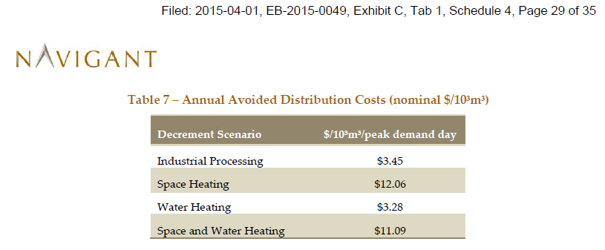

 |  |  |  |  |  |  |  | per Chernick, these values are labeled per not peak day demand but are really per annual m3
 |  |  |  |  |  |  |  | Per Chernick, multiply by 3 to 5 to get reasonable values.

 |  |  | SH | WH | SH + WH | Ind. | Wtd Avg.

 | Navigant est. |  | 12.06 | 3.28 | 11.09 | 3.45
 | Chernick est. |  | 48.24 | 13.12 | 44.36 | 13.8
 | value per 1st yr. |  | 0.048 | 0.013 | 0.044 | 0.014
 | NPV lifetime |  | $0.50 | $0.13 | $0.46 | $0.14 | this is a value that doesn't change in nominal terms, so discounted with nominal disc rt

Enbridge 2014 mix |  |  | 61.5% | 7.1% | 5.7% | 25.7% | $0.38
Union 2014 mix |  |  | 28.4% | 9.4% | 0.0% | 62.2% | $0.24

nominal Disc Rt |  | 5.75%

