Recon- Annual Savings
2013 OPA Report (Page 4) - Table 1: PowerStream Inc. Initative and Program level Net Savings by Year |  |  |  |  | 2013 Annual Report (OEB) - Table 6: BRI Verified Evaluation Results
2013 OPA Report | Net Incremental Energy Savings (kWh) (new energy savings from activity within the specified reporting period) |  |  |  |  | Peak Demand | Energy
 | 2011 | 2012 | 2013 | 2014 | Realization Rate | 0.64 | 0.67
 |  |  |  |  | Net-to-Gross | 0.958 | 0.972
 |  |  |  |  | Net Savings | 6.05kW | 57,427 kWh
Adjustment to 2011 Verified Results |  | 1,508,750 | 8,134
Adjustment to 2012 Verified Results |  |  | 4,051,236

OPA-Contracted LDC Portfolio Total (inc. Adjustment) | 37,269,983 | 41,560,083 | 52,140,236

Adjustment for true-up
2012 | 1,508,750 | -1,508,750 | -8,134
2013 | 8,134 | 4,051,236 | -4,051,236
 | 38,786,867 | 44,102,569 | 48,080,866

Add BRI result |  |  | 57,427

Total | 38,786,867 | 44,102,569 | 48,138,293

Appendix 2-I
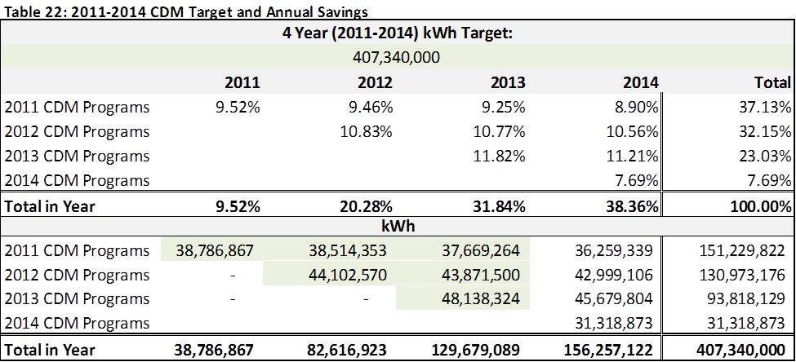

Note:
1. The OPA report counts the prior year's adjustments (True-up) as savings at a later time when these adjustments were verified and reported in the OPA.
In Appendix 2-I, PowerStream counts these prior year adjustments in the year when the programs were completed, with an aim to better align the timing of savings with the projection completion.

2. For the annual saving in 2014 (31, 318,873kWh), it is a placeholder to arrive the original target of 407,340,000 kWh. Currently, we are forecasting that PowerStream will achieve more than 110% of this target.

