LDC Info
Chapter 2 Appendices
Filing Requirements for Electricity Distribution
Rate Applications
Ontario Energy Board

Version 2.2 (2016)

 |  |  | Utility Name | Milton Hydro Distribution Inc.

 |  |  | Assigned EB Number | EB-2015-0089

 |  |  | Name of Contact and Title | Cameron McKenzie, Director, Regulatory Affairs

 |  |  | Phone Number | 289-429-5212

 |  |  | Email Address | cameronmckenzie@miltonhydro.com

 |  |  | Test Year | 2016

 |  |  | Bridge Year | 2015

 |  |  | Last Rebasing Year | 2011

Identify the accounting standard used for the test year
 |  |  |  | MIFRS

Did you update your depreciation and capitalization policies?
 |  |  |  | Yes

When did you update your depreciation and capitalization policies?
 |  |  |  | 2001-01-01 | 2013

Identify the year that the applicant has adopted or is expected to adopt IFRS for financial reporting purposes
 |  |  |  | 2015 or Later

Are you applying for cost recovery for the test and/or future year(s) for Green Energy initiatives?
 |  |  |  | No

Is Milton Hydro Distribution Inc. an embedded distributor? |  |  |  | Yes

 | Notes

 |  | Pale green cells represent input cells.

 |  | Pale blue cells represent drop-down lists. The applicant should select the appropriate item from the drop-down list.

 |  | White cells contain fixed values, automatically generated values or formulae.

This Workbook Model is protected by copyright and is being made available to you solely for the purpose of filing your COS application. You may use and copy this model for that purpose, and provide a copy of this model to any person that is advising or assisting you in that regard. Except as indicated above, any copying, reproduction, publication, sale, adaptation, translation, modification, reverse engineering or other use or dissemination of this model without the express written consent of the Ontario Energy Board is prohibited. If you provide a copy of this model to a person that is advising or assisting you in preparing the application or reviewing your draft rate order, you must ensure that the person understands and agrees to the restrictions noted above.
While this model has been provided in Excel format and is required to be filed with the applications, the onus remains on the applicant to ensure the accuracy of the data and the results.

Index
Chapter 2 Appendices
Filing Requirements for Electricity Distribution
Rate Applications
Ontario Energy Board

1 | LDC Information Sheet | 28 | App.2-G: Service Reliability Indicators
2 | Index | 29 | App.2-H: Other Operating Revenue
3 | Cost of Service Application Flowchart | 30 | App.2-I: Load Forecast CDM Adjustment Workform
4 | List of Key References | 31 | App.2-IA: Actual and Forecast Load and Customer Data
5 | App.2-AA: Capital Projects Table | 32 | App.2-JA: OM&A Summary Analysis
6 | App.2-AB: Capital Expenditures | 33 | App.2-JB: Recoverable OM&A Cost Driver Table
7 | App. 2-AC: Customer Engagement Worksheet | 34 | App.2-JC: OM&A Programs Table
8 | App.2-B: General Accounting Instructions | 35 | App.2-K: Employee Costs
9 | App.2-BA: Fixed Asset Continuity Schedule | 36 | App.2-L: Recoverable OM&A Cost per Customer and per FTE
10 | Appendix 2-BB: Service Life Comparison | 37 | App.2-M: Regulatory Costs Schedule
11 | App.2-CA: 2012 Depreciation and Amortization Expense (Old CGAAP) | 38 | App.2-N: Shared Servcies and Corporate Cost Allocation
12 | App.2-CB: 2012 Depreciation and Amortization Expense (New CGAAP) | 39 | App.2-OA: Capital Structure and Cost of Capital
13 | App.2-CC: 2013 Depreciation and Amortization Expense (New CGAAP) | 40 | App.2-OB: Debt Instruments
14 | App.2-CD: 2014 Depreciation and Amortization Expense (MIFRS) | 41 | App.2-P: Cost Allocation
15 | App.2-CE: 2015 Depreciation and Amortization Expense (MIFRS) | 42 | App.2-PA: New Rate Design Policy For Residential Customers
16 | App.2-CF: 2015 Depreciation and Amortization Expense (MIFRS) | 43 | App.2-Q: Cost of Serving Embedded Distributor(s)
17 | App.2-CG: 2013 Depreciation and Amortization Expense (Old CGAAP) | 44 | App.2-R: Loss Factors
18 | App.2-CH: 2013 Depreciation and Amortization Expense (New CGAAP) | 45 | App.2-S: Stranded Meter Treatment
19 | App.2-CI: 2014 Depreciation and Amortization Expense (MIFRS) | 46 | App.2-TA: Account 1592, PILs and Tax Variances
20 | App.2-CJ: 2015 Depreciation and Amortization Expense (MIFRS) | 47 | App.2-TB: Account 1592, HST-OVAT Input Tax Credits
21 | App.2-CK: 2016 Depreciation and Amortization Expense (MIFRS) | 48 | App.2-U: One-Time Incremental IFRS Transition Costs
22 | App.2-D: Overhead Expenses | 49 | App.2-V: Revenue Reconciliation
23 | App.2-EA: Account 1575 PP&E Deferral Account (2015 IFRS Adopters) | 50 | App.2-W: Bill Impacts
24 | App.2-EB: Account 1576 - Accounting Changes Under CGAAP (2012 Changes) | 51 | App.2-Y: Transition to MIFRS Summary Impact
25 | App.2-EC: Account 1576 - Accounting Changes Under CGAAP (2013 Changes) | 52 | App. 2-Z: Tariff Schedule
26 | App.2-FA: Renewable Generation Connection Investment Summary
27 | App.2-FB: Calculation of Renewable Generation Connection Direct Benefits/Provincial Amount: Renewable Enabling Improvement Investments
28 | App.2-FC: Calculation of Renewable Generation Connection Direct Benefits/Provincial Amount: Renewable Expansion Investments

COS Flowchart
Cost of Service Rate Application Schematic

The Cost of Service Rate Application Schematic is a flowchart appended to Chapter 2 of the Filing Requirements as a guide for the components of an application and how demand and costs interrelate to derive the revenue requirement and then how the revenue requirement is allocated between classes and through fixed/variable splits to derive rates that will be compensatory for the annual revenue requirement, based on the the forecasted demand. There is no form to be filled out; therefore, this Schedule is not required to be filed.

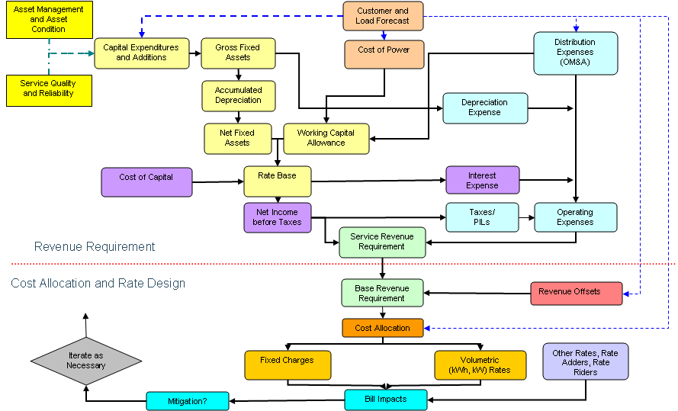

App.2-W_Bill Impacts
 |  |  |  |  |  |  |  |  | File Number: | EB-2015-0089
 |  |  |  |  |  |  |  |  | Exhibit: | 1
 |  |  |  |  |  |  |  |  | Tab: | IRR
 |  |  |  |  |  |  |  |  | Schedule: | Table 1-19A
 |  |  |  |  |  |  |  |  | Page: | 55

 |  |  |  |  |  |  |  |  | Date: | Dec 18, 2015

 | Appendix 2-W
 | Bill Impacts
 | The bill comparisons below must be provided for typical customers and consumption levels. Bill impacts must be provided for residential customers consuming 800 kWh per month and general service customers consuming 2,000 kWh per month and having a monthly demand of less than 50 kW. In addition, distributors must provide a range that is relevant to their service territory, class by class. A general guideline of consumption is provided below: Residential (kWh) - 100, 250, 500, 800, 1000, 1500, 2000 (for customers on TOU and customers on retailer contracts) GS<50kW (kWh) - 1000, 2000, 5000, 10000, 15000 (for customers on TOU and customers on retailer contracts) GS>50kW (kW) - 60, 100, 500, 1000 Large User - range appropriate for utility Lighting Classes and USL - 150 kWh and 1 kW, range appropriate for utility. For certain classes where one or more customers have unique consumption and demand patterns and which may be significantly impacted by the proposed rate changes, the distributor must show a typical comparison, and provide an explanation. Note: The Ontario Clean Energy Benefit is applicable to eligible customers only. Refer to the Ontario Clean Energy Benefit Act, 2010. Effective until December 31, 2015.
 | Note that cells with the highlighted color shown to the left indicate quantities that are loss adjusted.

 | Table 1
 | RATE CLASSES / CATEGORIES (eg: Residential TOU, Residential Retailer) |  |  | Units | RPP? Non-RPP Retailer? Non-RPP Other? | OCEB Applicable? | Current Loss Factor (eg: 1.0351) | Proposed/ Approved Loss Factor (eg: 1.0351) | Consumption (kWh) | Demand kW (if applicable)
1 | Residential |  |  | kWh | RPP | No | 1.0362 | 1.0375 | 311,504,507
2 | GS <50 kW |  |  | kWh | RPP | No | 1.0362 | 1.0375 | 91,412,832
3 | GS >50 to 999 kW |  |  | kW | Non-RPP (Other) | No | 1.0362 | 1.0375 | 206,918,158 | 555,651
4 | GS >1,000 to 4,999 kW |  |  | kW | Non-RPP (Other) | No | 1.0362 | 1.0375 | 116,570,267 | 245,808
5 | Large Use |  |  | kW | Non-RPP (Other) | No | 1.0149 | 1.0154 | 135,893,889 | 260,162
6 | Unmetered & Scattered |  |  | kWh | RPP | No | 1.0362 | 1.0375 | 1,096,423
7 | Sentinel |  |  | kW | RPP | No | 1.0362 | 1.0375 | 145,711 | 404
Once all applicable cells in Table 1 have been entered, click on the UPDATE Button below to generate the associated detailed Bill Impact charts.
8 | Streetlighting |  |  | kW | Non-RPP (Other) | No | 1.0362 | 1.0375 | 8,298,679 | 23,291
9 | Rate Class 9
10 | Rate Class 10
11 | Rate Class 11
12 | Rate Class 12
13 | Rate Class 13
14 | Rate Class 14
15 | Rate Class 15
16 | Rate Class 16
17 | Rate Class 17
18 | Rate Class 18
19 | Rate Class 19
20 | Rate Class 20

 | Table 2
 | RATE CLASSES / CATEGORIES (eg: Residential TOU, Residential Retailer) |  |  | Units | Sub-Total |  |  |  |  |  | Total
 |  |  |  |  | A |  | B |  | C |  | A + B + C
 |  |  |  |  | $ | % | $ | % | $ | % | $ | %
1 | Residential |  |  | kWh | $0.80 | 2.8% | $1.10 | 3.4% | $0.62 | 1.4% | -$5.34 | -3.5%
2 | GS <50 kW |  |  | kWh | -$1.67 | -3.1% | -$2.80 | -4.5% | -$4.02 | -4.5% | -$3.82 | -1.1%
3 | GS >50 to 999 kW |  |  | kW | $306.14 | 62.5% | $418.03 | 83.3% | $379.98 | 27.9% | $454.04 | 6.0%
4 | GS >1,000 to 4,999 kW |  |  | kW | $1,240.33 | 19.8% | $4,744.67 | 74.1% | $4,295.39 | 25.9% | $5,477.66 | 3.2%
5 | Large Use |  |  | kW | $5,779.11 | 28.6% | -$11,847.09 | -56.9% | -$13,740.59 | -21.4% | -$14,024.03 | -2.7%
6 | Unmetered & Scattered |  |  | kWh | -$0.96 | -6.2% | -$0.70 | -4.1% | -$0.95 | -4.2% | -$0.93 | -1.2%
7 | Sentinel |  |  | kW | $25.86 | 122.9% | $32.11 | 150.9% | $31.94 | 126.7% | $36.11 | 102.4%
8 | Streetlighting |  |  | kW | $1,484.85 | 12.6% | $4,662.74 | 39.4% | $4,436.48 | 26.2% | $5,244.72 | 6.9%
9 | Rate Class 9
10 | Rate Class 10
11 | Rate Class 11
12 | Rate Class 12
13 | Rate Class 13
14 | Rate Class 14
15 | Rate Class 15
16 | Rate Class 16
17 | Rate Class 17
18 | Rate Class 18
19 | Rate Class 19
20 | Rate Class 20

 | Customer Class: | Residential
 | RPP / Non-RPP: | RPP
 | Consumption | 800 | kWh
 | Demand | - | kW
 | Current Loss Factor | 1.0362
 | Proposed/Approved Loss Factor | 1.0375
 | Ontario Clean Energy Benefit Applied? | No

 |  |  | Current Board-Approved |  |  | Proposed |  |  | Impact
 |  | Charge Unit | Rate | Volume | Charge | Rate | Volume | Charge | $ Change | % Change
 |  |  | ($) |  | ($) | ($) |  | ($)
 | Monthly Service Charge | Monthly | $15.4300 | 1 | $15.43 | $19.6400 | 1 | $19.64 | $4.21 | 27.28%
 | Smart Meter Rate Adder |  |  | 1 | $- |  | 1 | $- | $-
 | Rate Rider for Recovery of Ice Storm Cost - effective until April 30, 2016 | Monthly | $1.0900 | 1 | $1.09 |  | 1 | $- | -$1.09 | -100.00%
 | Rate Rider for Recovery of Smart Meter Incremental Revenue Requirement - in effect until next COS | Monthly | $0.0800 | 1 | $0.08 |  | 1 | $- | -$0.08 | -100.00%
 |  |  |  | 1 | $- |  | 1 | $- | $-
 |  |  |  | 1 | $- |  | 1 | $- | $-
 | Distribution Volumetric Rate | per kWh | $0.0144 | 800 | $11.52 | $0.0116 | 800 | $9.28 | -$2.24 | -19.44%
 | Smart Meter Disposition Rider |  |  | 800 | $- |  | 800 | $- | $-
 | LRAM & SSM Rate Rider | per kWh |  | 800 | $- |  | 800 | $- | $-
 |  |  |  | 800 | $- |  | 800 | $- | $-
 |  |  |  | 800 | $- |  | 800 | $- | $-
 |  |  |  | 800 | $- |  | 800 | $- | $-
 |  |  |  | 800 | $- |  | 800 | $- | $-
 |  |  |  | 800 | $- |  | 800 | $- | $-
...

