Contents Navigator
Lost Revenue Adjustment Mechanism
Variance Account (LRAMVA)
Work Form
Ontario Energy Board
Version 1.0 (2017)

Generic LRAMVA Work Forms

File Name | Description
1. LRAMVA Summary | Table 1 provides a summary of the LRAMVA balances and carrying charges associated with the LRAMVA claim. The balances are populated from entries into other tabs throughout this work form.

2. CDM Allocation | Tables 2, 3 and 4 include the CDM savings and allocation by rate class that were included in the load forecast.

3. Distribution Rates | Tables 5 and 6 include a historical account of distribution rates that were used to calculate lost revenues.

4. 2011-14 LRAM | Tables 7, 8, 9 and 10 includes 2011-2014 LRAMVA work forms. These should only be used if the LDC has not applied for approval of these amounts.

5-a. 2015 LRAM | Table 11-a includes a template workform for calculating 2015 lost revenues based on legacy and new programs.

6. Persistence Rates | Tables 12 and 13 includes the 2011-2014 persistence factors and 2015-2020 persistance factors.

7. Carrying Charges | Tables 19 and 20 includes the carrying charges related to the LRAMVA claim that is being made.

This Workbook Model is protected by copyright and is being made available to you solely for the purpose of filing your application. You may use and copy this model for that purpose, and provide a copy of this model to any person that is advising or assisting you in that regard. Except as indicated above, any copying, reproduction, publication, sale, adaptation, translation, modification, reverse engineering or other use or dissemination of this model without the express written consent of the Ontario Energy Board is prohibited. If you provide a copy of this model to a person that is advising or assisting you in preparing the application or reviewing your draft rate order, you must ensure that the person understands and agrees to the restrictions noted above.
While this model has been provided in Excel format and is required to be filed with the applications, the onus remains on the applicant to ensure the accuracy of the data and the results.

Input Output Flow Chart
LRAMVA Work Form:
Input-Output Schematic
Ontario Energy Board

General Note on the LRAMVA Model The LRAMVA model consolidates information that LDCs are already required to file with the OEB. The model has been created to provide LDCs with a consistent format to display CDM impacts, the CDM component of the load forecast and ultimately, any variance between actual CDM savings and the CDM component of the load forecast. The majority of the information required in the LRAMVA work form will be provided to LDCs from the IESO as part of the Final CDM Results each year.

 | Inputs |  |  | Outputs

Tab 2 | CDM savings allocated by rate class | -----------------------> | Tab 1 | Forecast revenues lost
Tab 4, 5 | CDM savings and LRAMVA amounts by program | -----------------------> |  | Actual revenues lost
Tab 7 | Carrying charges by rate class | -----------------------> |  | Carrying charges

Tab 4, 5 |  |  | Tab 4, 6 | Program LRAM amounts ($) from current and prior year savings
 | IESO CDM Savings Results (kWh, kW saved)
 | x
 | CDM Savings allocated (%) by class
 | x
 | Average distribution rates

Tab 6 | Persistence rates
 | x
Tab 4, 5 | Prior year kwh or kW savings

1. LRAMVA Summary
LRAMVA Work Form:
Summary Table
Ontario Energy Board

LRAMVA Summary

This is a summary sheet that contains the final LRAMVA balances with links from Tabs 2, 4 and 5-a to 5-f.

 | File Number | EB-2016-0105
 | Exhibit | 4 |  | Amount of LRAM claimed in the past |  | 20,418
 | Schedule | N/A |  | Years of LRAM Claimed |  | 2011
 | Tab | N/A |  | Last Cost of Service Application (File No.) |  | EB-2012-0167
 | Section | 4.16

 | Legend | User Inputs (Green) |  | Amount of LRAMVA to claim |  | $10,636.80
 |  | Auto Populated Cells (White) |  | Recovery Period of LRAMVA Claim |  | 1

Table 1. Annual and Total LRAMVA by Rate Class

Description | Residential | General Service <50 kWh | General Service 50 - 999 kW | General Service 1,000 - 4,999 kW | Sentinel Lighting | Street Lighting | Unmetered Scattered Load | Other | Total |  | Change for 2011 Disposition Approved in EB-2012-0167 |  |  | Impact on Claim
2011 Forecast | $0 | $0 | $0 | $0 | $0 | $0 | $0 |  | $0 |  | 21,405.28 | Program Savings $ - Change from Original Forecast | Step One:
2011 Actuals | $0 | $0 | $0 | $0 | $0 | $0 | $0 |  | $0 |  | (19,741.00) | Board Approved Disposition |  | (1,249) | Remove Disposition and 2011 Forecast from Tab 1. LRAMV Summary row 22/23. Remove the carrying charge disposition amount allocated using the 2013 COS EDDVAR in the 7. Carrying Charge Tab Q29/Q44/Q59
Amount Cleared | $0 | $0 | $0 | $0 | $0 | $0 | $0 |  | $0 |  | (1,664) |  | Step Two:
2012 Forecast | $0 | $0 | $0 | $0 | $0 | $0 | $0 |  | $0 |  |  |  |  | - | Move the Enabled Savings Tab 4 (2013 Year) - No Impact Allocation remains the same.
2012 Actuals | $19,685 | $21,465 | $6,609 | $865 | $0 | $0 | $0 |  | $48,624 |  |  |  | Step Three:
Amount Cleared | $0 | $0 | $0 | $0 | $0 | $0 | $0 |  | $0 |  |  |  |  | (25,898) | Update 6. Persistence to Final 2011-2014 IESO Report Table 4 and Table 5 - Used Excel version to update for decimals.
2013 Forecast | ($65,329) | ($27,415) | ($25,971) | ($19,813) | ($26) | ($4,344) | ($345) |  | ($143,243)
2013 Actuals | $27,559 | $41,362 | $14,444 | $8,762 | $0 | $0 | $0 |  | $92,128 |  |  |  | Step Four : |  | Change Continuity EDDVAR Schedule & Update
Amount Cleared | $0 | $0 | $0 | $0 | $0 | $0 | $0 |  | $0 |  |  |  |  | (27,147)
2014 Forecast | ($66,224) | ($28,108) | ($31,074) | ($20,039) | ($27) | ($3,366) | ($319) |  | ($149,157)
2014 Actuals | $50,320 | $61,853 | $26,524 | $18,816 | $0 | $3,773 | $0 |  | $161,285 |  |  |  |  | 2013 Disposition |  |  | Carrying Charge
Amount Cleared | $0 | $0 | $0 | $0 | $0 | $0 | $0 |  | $0 |  |  |  |  | 19740 | Principle | 2011 | 290
2015 Forecast |  |  |  |  |  |  |  |  |  |  |  |  |  | 678 | Carrying Charges | 2012 | 290
2015 Actuals |  |  |  |  |  |  |  |  |  |  |  |  |  | 20418 | Total Disposition | 2013 | 96
Amount Cleared |  |  |  |  |  |  |  |  |  |  |  |  |  | - |  |  | 676
Total before Carry Charges | ($33,989) | $69,157 | ($9,468) | ($11,410) | ($53) | ($3,936) | ($664) | $0 | $9,637 | As Filed |  | Calculated Carrying Charges on 1664 from 2011-2014
Carrying Charges | ($1,109) | $3,141 | ($291) | ($517) | ($2) | ($195) | ($27) | $0 | $999 | $1,504 | (505) | 415
Total LRAMVA Balance | ($35,098) | $72,298 | ($9,758) | ($11,928) | ($55) | ($4,131) | ($691) | $0 | $10,637

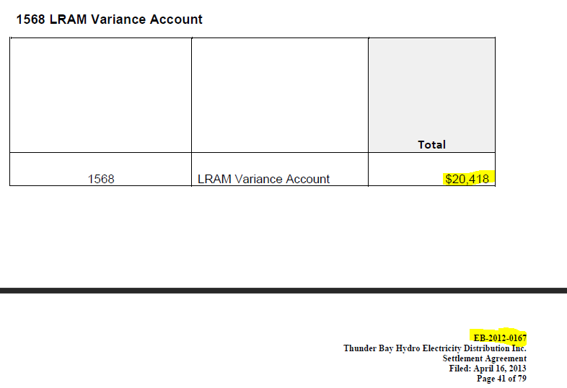
As Filed | ($36,254) | $72,418 | $12,508 | ($6,011) | ($55) | ($4,131) | ($691) | $0 | $37,784
Variance from Original Filed | $1,156 | ($121) | ($22,266) | ($5,916) | $0 | $0 | $0 | $0 | ($27,147)
 |  |  |  |  |  |  |  |  | 35.32
 |  |  |  |  |  |  |  |  | ($27,183)

2. CDM Allocation
LRAMVA Work Form:
CDM Allocation
Ontario Energy Board
CDM Savings Target Allocation by Rate Class

Instruction | Please update the template as needed or replace this spreadsheet with an existing templates that estimated savings in CDM forecast.
 | An example template is provided below and can be filled in if it is applicable to the LDC. The LDC may re-populate CDM savings by rate class for historical years based on past year's approved cost of service application, or relevant information from Appendix 2-I.
 | Alternatively, LDCs may want to link this spreadsheet to their CDM savings allocation (e.g. appended as another tab in this workbook) to fill in Tables 2, 3 and 4 below.

Legend | User Inputs (Green)
 | Auto Populated Cells (White)

Table 2. CDM Savings Targets in Load Forecast

Forecast Year | kWh | kW | kWh (check)
2011 | 2,157,479 | 0 | 0
2012 | 8,636,903 | 0 | 0
2013 | 15,116,326 | 21,881 | 15,116,326
2014 | 15,116,326 | 21,881 | 15,116,326
2015
2016
2017

Table 3. Allocation of CDM Savings (Energy and Demand Billed) by Rate Class in Approved Load Forecast

Forecast Year | Residential | General Service <50 kWh | General Service 50 - 999 kW | General Service 1,000 - 4,999 kW | Sentinel Lighting | Street Lighting | Unmetered Scattered Load | Other
 | kWh | kWh | kW | kW | kW | kW | kWh
2011
2012
2013 | 5,369,511 | 2,076,931 | 12,385 | 8,992 | 5 | 498 | 32,005
2014 | 5,369,511 | 2,076,931 | 12,385 | 8,992 | 5 | 498 | 32,005
2015
2016
2017

Tables 3A: CDM Adjustment as Approved in Cost of Service Application

2011 | Residential | General Service < 50 kW | General Service 50 - 999 kW | General Service 1,000 - 4,999 kW | Street Lights | Sentinel Lights | Unmetered Loads | Other | Total
kWh
Weather Normal Billed kWh (Insert Year) | 0 | 0 | 0 | 0 | 0 | 0 | 0 |  | 0
% of Billed |  |  |  |  |  |  |  |  | 0%
CDM Allocation | 0 | 0 | 0 | 0 | 0 | 0 | 0 |  | 0
Adjusted Billed kWh with CDM Applied | 0 | 0 | 0 | 0 | 0 | 0 | 0 |  | 0
kW
Weather Normal Billed kW (Insert Year) |  |  | 0 | 0 | 0 | 0
CDM kW Reduction |  |  | 0 | 0 | 0 | 0 |  |  | 0
Adjusted Billed kWh with CDM Applied |  |  | 0 | 0 | 0 | 0 |  |  | 0
kWh to kW Ratio |  |  | 0.0000% | 0.0000% | 0.0000% | 0.0000%

2012 | Residential | General Service < 50 kW | General Service 50 - 999 kW | General Service 1,000 - 4,999 kW | Street Lights | Sentinel Lights | Unmetered Loads | Other | Total
kWh
Weather Normal Billed kWh (Insert Year) | 0 | 0 | 0 | 0 | 0 | 0 | 0 |  | 0
% of Billed |  |  |  |  |  |  |  |  | 0%
CDM Allocation | 0 | 0 | 0 | 0 | 0 | 0 | 0 |  | 0
Adjusted Billed kWh with CDM Applied | 0.00 | 0 | 0 | 0 | 0 | 0 | 0 |  | 0
kW
Weather Normal Billed kW (Insert Year) |  |  | 0 | 0 | 0 | 0 |  |  | 0
CDM kW Reduction |  |  | 0 | 0 | 0 | 0 |  |  | 0
Adjusted Billed kWh with CDM Applied |  |  | 0 | 0 | 0 | 0 |  |  | 0
kWh to kW Ratio |  |  | 0.0000% | 0.0000% | 0.0000% | 0.0000%

2013 | Residential | General Service < 50 kW | General Service 50 - 999 kW | General Service 1,000 - 4,999 kW | Street Lights | Sentinel Lights | Unmetered Loads | Other | Total
kWh
Weather Normal Billed kWh 2013 | 5,369,511 | 2,076,931 | 4,558,323 | 2,900,856 | 176,764 | 1,936 | 32,005 |  | 15,116,326
% of Billed | 35.52% | 13.74% | 30.15% | 19.19% | 1.17% | 0.01% | 0.21% |  | 100%
CDM Allocation | (5,369,511) | (2,076,931) | (4,558,323) | (2,900,856) | (176,764) | (1,936) | (32,005) |  | (15,116,326)
Adjusted Billed kWh with CDM Applied | 0.00 | 0 | 0 | 0 | 0 | 0 | 0 |  | 0
kW
Weather Normal Billed kW 2013 |  |  | 12,385 | 8,992 | 498 | 5 |  |  | 21,880
CDM kW Reduction |  |  | (12,385) | (8,992) | (498) | (5) |  |  | (21,881)
Adjusted Billed kWh with CDM Applied |  |  | (0) | (0) | 0 | 0 |  |  | (1)
kWh to kW Ratio |  |  | 0.2717% | 0.3100% | 0.2817% | 0.2583%

2014 | Residential | General Service < 50 kW | General Service 50 - 999 kW | General Service 1,000 - 4,999 kW | Street Lights | Sentinel Lights | Unmetered Loads | Other | Total
kWh
Weather Normal Billed kWh 2014 | 5,369,511 | 2,076,931 | 4,558,323 | 2,900,856 | 176,764 | 1,936 | 32,005 |  | 15,116,326
% of Billed | 35.52% | 13.74% | 30.15% | 19.19% | 1.17% | 0.01% | 0.21% |  | 100%
CDM Allocation | (5,369,511) | (2,076,931) | (4,558,323) | (2,900,856) | (176,764) | (1,936) | (32,005) |  | (15,116,326)
Adjusted Billed kWh with CDM Applied | 0.00 | 0 | 0 | 0 | 0 | 0 | 0 |  | 0
kW
Weather Normal Billed kW 2014 |  |  | 12,385 | 8,992 | 498 | 5 |  |  | 21,880
CDM kW Reduction |  |  | (12,385) | (8,992) | (498) | (5) |  |  | (21,881)
Adjusted Billed kWh with CDM Applied |  |  | (0) | (0) | 0 | 0 |  |  | (1)
kWh to kW Ratio |  |  | 0.2717% | 0.3100% | 0.2817% | 0.2583%

Table 4. Forecast Lost Revenue Amounts by Rate Class

Forecast Year | Residential | General Service <50 kWh | General Service 50 - 999 kW | General Service 1,000 - 4,999 kW | Sentinel Lighting | Street Lighting | Unmetered Scattered Load | Other | Total
...

3. Distribution Rates
LRAMVA Work Form:
Distribution Rates
Ontario Energy Board

Distribution Rates

Instruction | Please update Table 5 with the approved distribution rates for the utility's respective rate classes (rows 19 to 30, as applicable). The applicable rates to estimate lost revenues will autopopulate in Table 6 and be used in the LRAM Work Sheets (Tab 4 and Tab 5) for the applicable year in which LRAM is claimed.
 | LDCs to update the rate classes as appropriate below depending on the utility's customer mix.
Legend | User Inputs (Green)
 | Auto Populated Cells (White)

Table 5. Distribution Volumetric Rate by Billing Period
...

4. 2011-14 LRAM
LRAMVA Work Form:
2011-2014 Lost Revenues Work Form
Ontario Energy Board

2011-2014 Lost Revenues Work Form

 | Instruction | The following LRAM work forms apply to LDCs that need to recover lost revenues from the 2011-2014 period.
 |  | This workbook contains links from Tab 3 (Distribution Rates) and Tab 6 (Persistence Rates).
 |  | Demand Response (DR3) Savings should generally not be included with the LRAMVA calculation, unless suported by empirical evidence
 |  | Please see revised LRAM policy related to peak demand savings, issued by the OEB in EB-2016-0182.

 |  | LDC to adjust the rate allocations by class (columns h to n). Please insert IESO verified savings for applicable programs (columns f to g).
 |  | Adjustments will apply to the year that LRAM is claimed.
 | Legend
...

5. 2015 LRAM
LRAMVA Work Form:
2015 Lost Revenues Work Form
Ontario Energy Board
2015 Lost Revenues Work Form

 | Instruction | LDCs can apply for disposition of LRAMVA amounts at any time, but at a minimum, must do so as part of a Cost of Service application.
 |  | Lost revenues for the period prior to rebasing should be included within the LDCs load forecast on a go forward basis, negating the need for perpetual LRAMVA claims related to persisting savings from historic programs.
 |  | LDC to adjust the rate allocations by class (columns h to n). Please insert IESO verified savings for applicable programs (columns f to g).
 |  | Adjustments will apply to the year that LRAM is claimed.
 |  | This workbook contains links from Tab 3 (Distribution Rates) and Tab 6 (Persistence Rates).

 | Legend | User Inputs (Green)
...

6. Persistence Rates
LRAMVA Work Form:
Persistence Rates
Ontario Energy Board
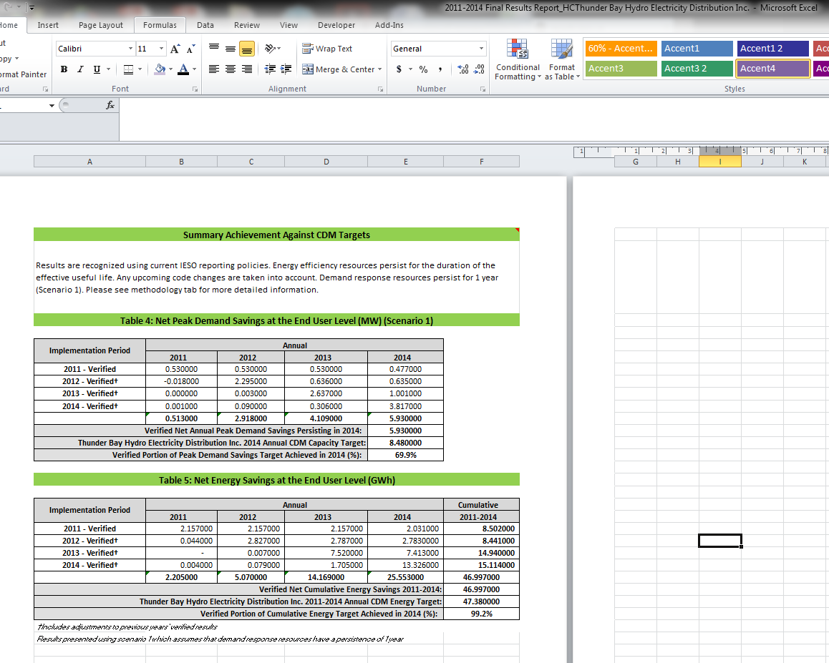
Persistence Rates

 | Instruction | To apply persistence factors to previous year's savings, this can be determined by taking the ratio of verified savings to the savings that occurred in the first year the program began. Please update the summary tables (highlighted blue boxes) with the verified results provided by the IESO. For 2011-2014 programs, these tables refer to Tables 4 and 5 (Summary Achievement Against CDM Targets). The verified results include adjustments.
 |  | The persistence factors will autopopulate on the LRAM forms.
 |  | This form may need to be updated with IESO data on persistence of 2011-2014 programs into 2015-2020 term.

 | Legend | User Inputs (Green)
 |  | Auto Populated Cells (White)
...
 |  |  | 2012 | 2013 | 2014
 |  |  | 0.5 | 0.5 | 0.5
 |  |  | 2.3 | 0.6 | 0.6
 |  |  | 0.0 | 2.6 | 1.0
 |  |  | 0.1 | 0.3 | 3.8
...
 |  |  | 2012.000 | 2013.000 | 2014.000
 |  |  | 1.000 | 1.000 | 0.900
 |  |  |  | 0.277 | 0.277
 |  |  |  |  | 0.380
...
 |  |  | 2015.000 | 2016.000 | 2017.000 | 2018.000 | 2019.000 | 2020.000
 |  |  | 0.100 | 0.100 | 0.100 | 0.100 | 0.100 | 0.100
 |  |  |  | 0.100 | 0.100 | 0.100 | 0.100 | 0.100
 |  |  |  |  | 0.100 | 0.100 | 0.100 | 0.100
 |  |  |  |  |  | 0.100 | 0.100 | 0.100
 |  |  |  |  |  |  | 0.100 | 0.100
 |  |  |  |  |  |  |  | 0.100
...
 |  |  | 2015.000 | 2016.000 | 2017.000 | 2018.000 | 2019.000 | 2020.000
 |  |  |  | 1.000 | 1.000 | 1.000 | 1.000 | 1.000
 |  |  |  |  | 1.000 | 1.000 | 1.000 | 1.000
 |  |  |  |  |  | 1.000 | 1.000 | 1.000
 |  |  |  |  |  |  | 1.000 | 1.000
 |  |  |  |  |  |  |  | 1.000

7. Carrying Charges
LRAMVA Work Form:
Carrying Charges (by Rate Class)
Ontario Energy Board

Carrying Charges by Rate Class

 | Instruction | Please update the carrying charges in Table 9. The interest amounts per year will autopopulate in the LRAMVA Summary Table in Tab 1.
 |  | LDC to adjust the rate allocations by class (columns h to n). Please insert IESO verified savings for applicable programs (columns f to g).
 |  | Please note that the carrying charges below pertain to the amount credited or debited to ratepayers based on how much was originally collected from the interest on the load forecast. As the amounts shown are running totals, please clear the yearly amounts once the LRAM claims are approved in order to cancel prior year interest collections.

 | Legend | User Inputs (Green)
 |  | Auto Populated Cells (White)

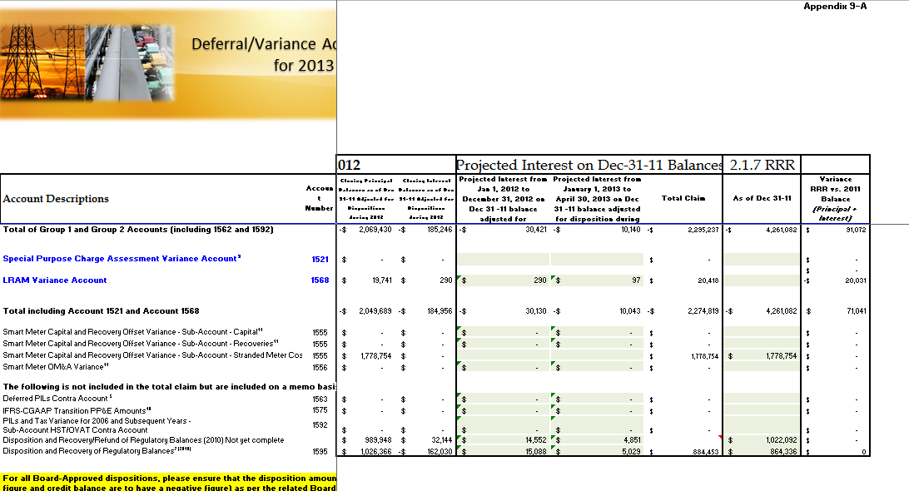
Table 14: Prescribed Interest Rates |  |  | Table 15: Calculation of Carrying Costs by Rate Class
 |  |  |  |  | Variance | Variance
 |  |  |  | Total | As Applied for | Change
 |  |  |  |  | $0.00 | $0.00
 |  |  |  | $0.00 | $2.19 | -$2.19
 |  |  |  | $0.00 | $4.37 | -$4.37
 |  |  |  | $0.00 | $6.56 | -$6.56
 |  |  |  | $0.00 | $8.74 | -$8.74
 |  |  |  | $0.00 | $10.93 | -$10.93
 |  |  |  | $0.00 | $13.11 | -$13.11
 |  |  |  | $0.00 | $15.30 | -$15.30
 |  |  |  | $0.00 | $17.48 | -$17.48
 |  |  |  | $0.00 | $19.67 | -$19.67
 |  |  |  | $0.00 | $21.85 | -$21.85
 |  |  |  | $0.00 | $24.04 | -$24.04
 |  |  |  | $0.00 | $144.22 | -$144.22
 |  |  |  |  | -$290.19 | $290.19
 |  |  |  | $0.00 | -$145.97 | $145.97
 |  |  |  | $0.00 | $2.04 | -$2.04
 |  |  |  | $4.96 | $7.00 | -$2.04
 |  |  |  | $9.93 | $11.97 | -$2.04
 |  |  |  | $14.89 | $16.93 | -$2.04
 |  |  |  | $19.85 | $21.89 | -$2.04
 |  |  |  | $24.82 | $26.86 | -$2.04
 |  |  |  | $29.78 | $31.82 | -$2.04
 |  |  |  | $34.75 | $36.78 | -$2.04
 |  |  |  | $39.71 | $41.75 | -$2.04
 |  |  |  | $44.67 | $46.71 | -$2.04
 |  |  |  | $49.64 | $51.68 | -$2.04
 |  |  |  | $54.60 | $56.64 | -$2.04
 |  |  |  | $327.60 | $206.10 | $121.50
 |  |  |  |  | -$290.19 | $290.19
 |  |  |  | $327.60 | -$84.09 | $411.69
 |  |  |  | $59.56 | $61.60 | -$2.04
 |  |  |  | $54.35 | $56.99 | -$2.65
 |  |  |  | $49.13 | $52.39 | -$3.26
 |  |  |  | $43.91 | $47.78 | -$3.87
 |  |  |  | $38.69 | $43.17 | -$4.48
 |  |  |  | $33.47 | $38.56 | -$5.09
 |  |  |  | $28.26 | $33.95 | -$5.70
 |  |  |  | $23.04 | $29.34 | -$6.31
 |  |  |  | $17.82 | $24.74 | -$6.92
 |  |  |  | $12.60 | $20.13 | -$7.52
 |  |  |  | $7.38 | $15.52 | -$8.13
 |  |  |  | $2.17 | $10.91 | -$8.74
 |  |  |  | $697.98 | $350.99 | $347.00
...

