Summary
 | GS<50 |  | GS>50
 | kW | kWh | kW | kWh
2011 | 50.0% | 50.0% | 50.0% | 50.0% | *Default allocation even split applied to 2011
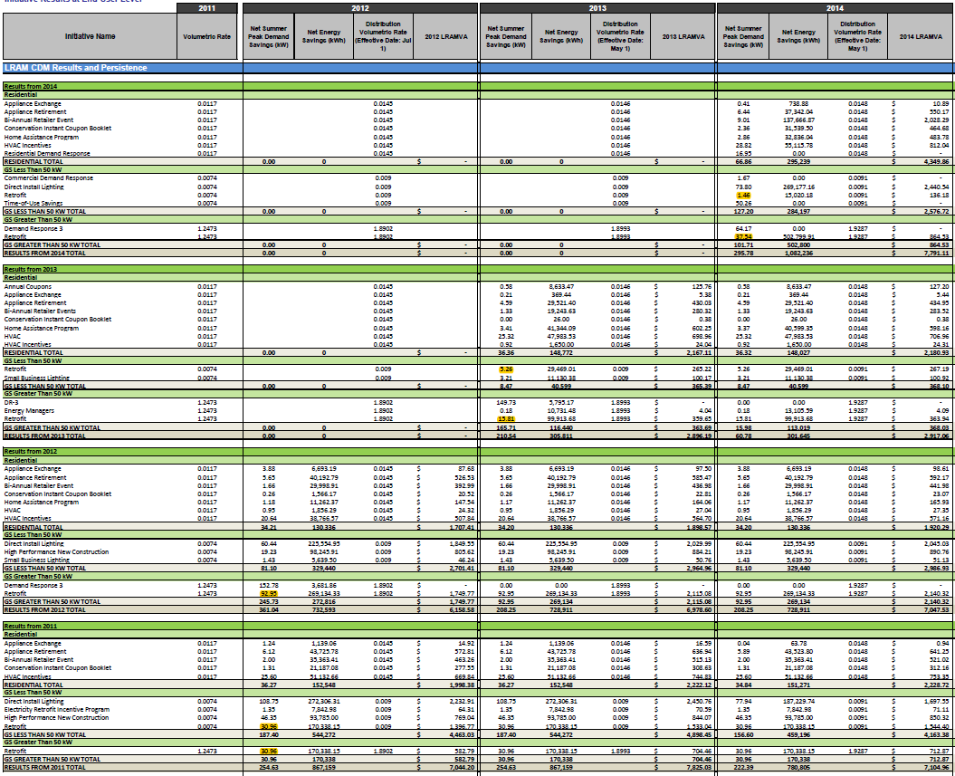
2012 | 0.0% | 0.0% | 100.0% | 100.0%
2013 | 25.0% | 22.8% | 75.0% | 77.2%
2014 | 3.8% | 2.9% | 96.2% | 97.1%

 | First Year CDM Allocations
 | GS<50 |  | GS>50 |  | Total
 | kW | kWh | kW | kWh | kW | kWh
2011 | 30.958106132 | 170338.15455 | 30.958106132 | 170338.15455 | 61.916212263 | 340676.3091
2012 | 0 | 0 | 92.949120128 | 269134.32836 | 92.949120128 | 269134.32836
2013 | 5.2614052975 | 29469.009054 | 15.805120692 | 99913.679696 | 21.06652599 | 129382.68875
2014 | 1.463319282 | 15020.180532 | 37.544719818 | 502799.91047 | 39.0080391 | 517820.091

 | * Highlighted figures to show match to original document.

