COP Rates 2015-2019
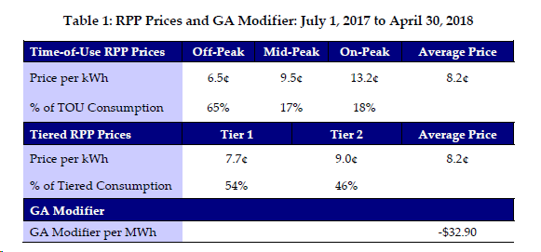

2016 Annual Filing | 2018 Annual Filing
 | Jan - Apr, 2018 | May - Oct, 2018 | Nov-Dec, 2018
Electricity - Commodity - RPP | 0.08216 | 0.10008 | 0.09871
Electricity - Commodity - Non-RPP | 0.02281 | 0.02281 | 0.01921
Global Adjustment | 0.05493 | 0.07285 | 0.07540

Ontario Fair Hydro Plan | May 1 | July 1
Wholesale Electricity Price | $22.81 | $22.81
Load Weighted Price | $24.83 | $24.83
GA | $70.39 | $54.93
Bias | $1.00 | $1.00
Existing Variance | $1.40 | $1.40
Avg Supply RPP Cost | $97.62 | $82.16

Avg RPP Supply before GA |  | $27.23
Target RPP Supply with GA |  | $82.16
July 1 GA_COP Calculation |  | $54.93

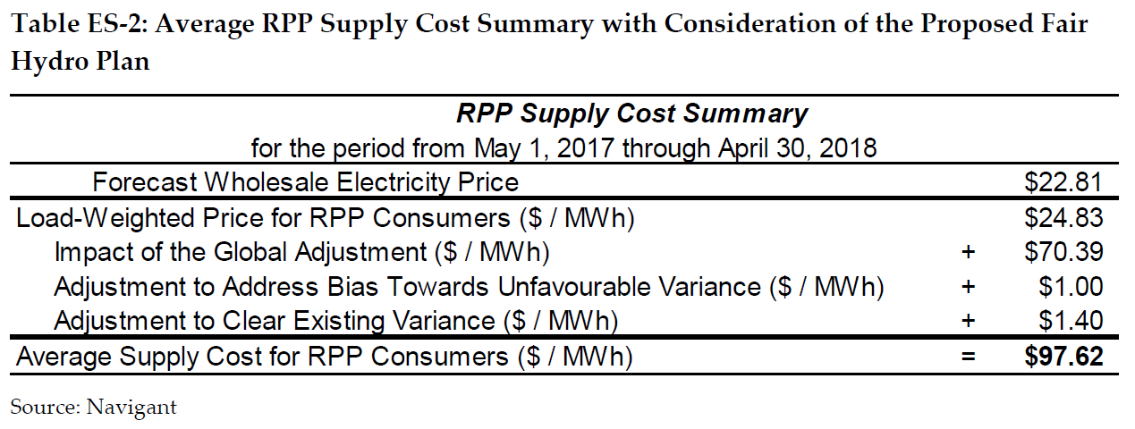
OFHP - May 1 COP Adjustments

OFHP - July 1 COP Adjustments

