Union Bond Ratings
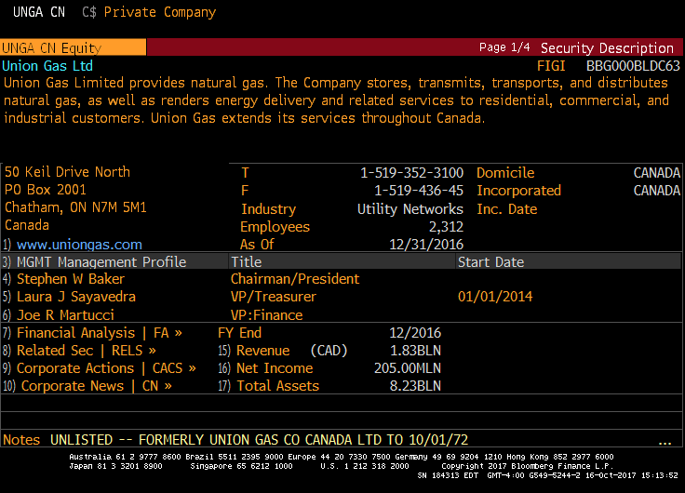
UNGA CN Equity - Union Gas Limited

S&P LT Foreign Issuer Credit
Rating | Watch | Effective

A- |  | 2017-02-28
BBB+ | *+ | 2016-09-06
BBB+ |  | 2013-11-04
BBB+ | *- | 2013-06-17
BBB+ |  | 2007-01-02
BBB |  | 2005-09-15
BBB | *- | 2005-05-10
BBB |  | 2004-02-10
BBB+ |  | 2003-06-17
A- |  | 2003-01-31
A |  | 2002-08-14
A+ | *- | 2002-07-16
A+ |  | 2002-03-25
A- | *+ | 2001-09-24
A- |  | 2001-02-26

