1. LDC Info
Load Forecast Model version 1.0 © CHEC
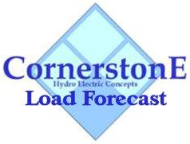

 | LDC Info

 | Utility Name | Niagara-on-the-Lake Hydro Inc.

 | Service Territory | Niagara-on-the-Lake

 | Assigned EB Number | EB 2018-0056

 | Name of Contact and Title | Jeff Klassen, VP Finance

 | Phone Number | 905-468-4235 ext 380

 | Email Address | jklassen@notlhydro.com

 | Bridge Year | 2018

 | Test Year | 2019

 | Last Rebasing Year | 2014

 | Model Notes
 | Input cells
 | Drop down cells

