2018 Analysis
Ontario Energy Board

GA Analysis Workform

Account 1589 Global Adjustment (GA) Analysis Workform

 | Input cells
 | Drop down cells

Note 1 | Year(s) Requested for Disposition | 2018

Note 2 | Consumption Data Excluding for Loss Factor (Data to agree with RRR as applicable)
 | Year |  | 2018
 | Total Metered excluding WMP | C = A+B | 1,671,900,470 | kWh | 100%
 | RPP | A | 532,946,022 | kWh | 31.9%
 | Non RPP | B = D+E | 1,138,954,449 | kWh | 68.1%
 | Non-RPP Class A | D | 779,216,990 | kWh | 46.6%
 | Non-RPP Class B* | E | 359,737,459 | kWh | 21.5%
 | *Non-RPP Class B consumption reported in this table is not expected to directly agree with the Non-RPP Class B Including Loss Adjusted Billed Consumption in the GA Analysis of Expected Balance table below. The difference should be equal to the loss factor.
Note 3 | GA Billing Rate

 | GA is billed on the | 1st Estimate

 | GA Billing Rate Description
Guelph RZ bills customers based on the GA first estimate, and the IESO charges GA based on actual GA rates. Guelph RZ applies GA first estimate on all billing and unbilled revenue transactions for non-RPP Class B customers in each customer class.

Note 4 | Analysis of Expected GA Amount
 | Year | 2018
 | Calendar Month | Non-RPP Class B Including Loss Factor Billed Consumption (kWh) | Deduct Previous Month Unbilled Loss Adjusted Consumption (kWh) | Add Current Month Unbilled Loss Adjusted Consumption (kWh) | Non-RPP Class B Including Loss Adjusted Consumption, Adjusted for Unbilled (kWh) | GA Rate Billed ($/kWh) | $ Consumption at GA Rate Billed | GA Actual Rate Paid ($/kWh) | $ Consumption at Actual Rate Paid | Expected GA Variance ($)
 |  | F | G | H | I = F-G+H | J | K = I*J | L | M = I*L | =M-K
 | January | 33,367,896 | 33,115,105 | 23,548,237 | 23,801,029 | 0.08777 | $2,089,016 | 0.06736 | $1,603,237 | -$485,779
 | February | 33,760,540 | 23,548,237 | 21,111,720 | 31,324,023 | 0.07333 | $2,296,991 | 0.08167 | $2,558,233 | $261,242
 | March | 33,077,199 | 21,111,720 | 24,388,102 | 36,353,581 | 0.07877 | $2,863,572 | 0.09481 | $3,446,683 | $583,111
 | April | 31,382,198 | 24,388,102 | 22,181,728 | 29,175,824 | 0.09810 | $2,862,148 | 0.09959 | $2,905,620 | $43,472
 | May | 36,708,619 | 22,181,728 | 23,209,095 | 37,735,986 | 0.09392 | $3,544,164 | 0.10793 | $4,072,845 | $528,681
 | June | 31,525,927 | 23,209,095 | 22,196,010 | 30,512,842 | 0.13336 | $4,069,193 | 0.11896 | $3,629,808 | -$439,385
 | July | 31,394,699 | 22,196,010 | 23,162,790 | 32,361,479 | 0.08502 | $2,751,373 | 0.07737 | $2,503,808 | -$247,565
 | August | 33,669,953 | 23,162,790 | 21,464,531 | 31,971,694 | 0.07790 | $2,490,595 | 0.07490 | $2,394,680 | -$95,915
 | September | 27,061,113 | 21,464,531 | 19,789,981 | 25,386,563 | 0.08424 | $2,138,564 | 0.08584 | $2,179,183 | $40,619
 | October | 31,394,962 | 19,789,981 | 21,082,926 | 32,687,907 | 0.08921 | $2,916,088 | 0.12059 | $3,941,835 | $1,025,747
 | November | 27,030,332 | 21,082,926 | 24,055,452 | 30,002,858 | 0.12235 | $3,670,850 | 0.09855 | $2,956,782 | -$714,068
 | December | 28,815,169 | 24,055,452 | 26,920,932 | 31,680,650 | 0.09198 | $2,913,986 | 0.07404 | $2,345,635 | -$568,351
 | Net Change in Expected GA Balance in the Year (i.e. Transactions in the Year) | 379,188,607 | 279,305,674 | 273,111,502 | 372,994,435 |  | $34,606,539 |  | $34,538,348 | -$68,191

 |  | Calculated Loss Factor |  |  | 1.0369

Note 5 | Reconciling Items

 | Item | Amount | Explanation
Net Change in Principal Balance in the GL (i.e. Transactions in the Year) |  | -$2,229,900
1a | True-up of GA Charges based on Actual Non-RPP Volumes - prior year | $145,888 | GA RPP true-up was done monthly and Dec 2017 true-up (payment from IESO) was included in the 1589 balance disposed in 2019 IRM (see Tab "Rec Item 1a&b - GA Trueup") $145,888 payment from IESO.
1b | True-up of GA Charges based on Actual Non-RPP Volumes - current year | $220,196 | GA RPP true-up was done monthly and Dec 2018 was not included in the 1589 balance (see Tab "Rec Item 1a&b - GA Trueup") $220,196 payment to IESO.
2a | Remove prior year end unbilled to actual revenue differences
2b | Add current year end unbilled to actual revenue differences
3a | Remove difference between prior year accrual/forecast to actual from long term load transfers
3b | Add difference between current year accrual/forecast to actual from long term load transfers
4 | Remove GA balances pertaining to Class A customers
5 | Significant prior period billing adjustments recorded in current year
6 | Differences in GA IESO posted rate and rate charged on IESO invoice | $131,591 | 2018 IESO adjustments pertaining to non-RPP -Tab IESO Invoice Adjustments 2018, cell H27
7 | Differences in actual system losses and billed TLFs
8 | Differences in GA IESO posted rate and rate charged on IESO invoice | -$414,493 | GRZ 2019 IRM (EB-2018-0036) 2017 IESO adjustments pertaining to RPP booked as a debit in 1589 on December 2018 - Please see file Guelph_IESO Invoice Adjustments Analysis, Tab IESO Invoice Adjustments 2017, Table 4, cell H25;
9 | Differences in GA IESO posted rate and rate charged on IESO invoice | $223,075 | 2018 IESO adjustments pertaining to RPP - Please see Tab IESO Invoice Adjustments 2018, Table 4, cell H26;
10 | Difference between UBR calculated at GA first estimate rate vs. GA weighted average rate | $195,290 | December 2017 UBR: Difference between UBR calculated at GA first estimate rate vs. GA weighted average rate - please see Tab. GA Detailed Analysis, Table 5
11 | Difference between UBR calculated at GA first estimate rate vs. GA weighted average rate | $194,533 | December 2018 UBR:Difference between UBR calculated at GA first estimate rate vs. GA weighted average rate - please see Tab. GA Detailed Analysis, Table 5
12 | The billing cycle is not on a calendar month | $687,910 | The billing cycle is not on a calendar month for most customers; our billing system uses a weighted average daily rate for applying Global Adjustment to bills
13 | Differences in GA IESO posted rate and rate charged on IESO invoice | $819,662 | GRZ 2019 IRM (EB-2018-0036) 2017 IESO adjustments pertaining to non-RPP - Please see file Guelph_IESO Invoice Adjustments Analysis, Tab IESO Invoice Adjustments 2017, Table 4, cell H26
14 | Correction to UBR for RPP consumption | -$113,562 | GRZ corrected the query for UBR and reconciled kWhs for GA true-up for 2017 and Jan. to May 2018; the result was that the amount of $113,562 pertaining to 2017 RPP GA true-up was debited to 1589.
Note 6 | Adjusted Net Change in Principal Balance in the GL | -$139,811
 | Net Change in Expected GA Balance in the Year Per Analysis | -$68,191
 | Unresolved Difference | -$71,620
 | Unresolved Difference as % of Expected GA Payments to IESO | -0.2%

GA Detailed Analysis
 | 2018 Global Adjustment Analysis
 | Input cells
 | Allocation Method for Class B RSVA-Global Adjustment.
 | Total Metered excluding WMP |  |  |  |  |  |  |  | C = A+B | 1,671,900,470 | kWh | 100% | remove wmp
 | RPP |  |  |  |  |  |  |  | A | 532,946,022 | kWh | 31.9%
 | Non RPP |  |  |  |  |  |  |  | B = D+E | 1,138,954,449 | kWh | 68.1% | remove WMP
 | Non-RPP Class A |  |  |  |  |  |  |  | D | 779,216,990 | kWh | 46.6%
 | Non-RPP Class B* |  |  |  |  |  |  |  | E | 359,737,459 | kWh | 21.5%

 | Class B (Non RPP and Non Class A) RSVA GA Analysis - Allocation Method
 | Billed Class B Non-RPP Spot | Actual Month | Previous Month | UBR trued-up | kWh True-up | UBR true-up | First Estimate GA Rate | Actual GA Rate | Retail - Final | Class B Non-RPP | Class B Non-RPP | Est. Variance
 | kWh * | Unbilled kWh | Unbilled kWh | kWh |  | $ | $/kWh | $/kWh | $/kWh | @ 1st Estimate GA | @ Actual GA | Retail less Final |  |  |  | M=N+BxG-(CxH at previous month rate) | N
 | A - Done | B- Done | C - Done | D=B-C - Done | E=A+B-C - Done | F - Done | G - Done | H - Done | I=G-H - Done | J=E x G | K=E x H | L=K-J |  |  |  | Billed 1st estimate (query)+UBR true-up | Query - Billed | Billed Average Rate | 1st estimate | Monthly average GA rate billed to customers in 2018
Dec-17
Jan-18 | 33,367,896 | 23,548,237 | 33,115,105 | (9,566,868) | 23,801,029 | ($711,860) | $0.08777 | $0.06736 | $0.02041 | $2,089,016 | $1,603,237 | ($485,779) |  |  |  | $2,282,325.56 | $2,994,185 | $0.08973 | $0.08777
Feb-18 | 33,760,540 | 21,111,720 | 23,548,237 | (2,436,517) | 31,324,023 | ($518,706) | $0.07333 | $0.08167 | ($0.00834) | $2,296,991 | $2,558,233 | $261,242 |  |  |  | $2,409,117.37 | $2,927,824 | $0.08672 | $0.07333 | $0.08055
...
Dec-18 | 28,815,169 | 26,920,932 | 24,055,452 | 2,865,481 | 31,680,650 | ($466,997) | $0.09198 | $0.07404 | $0.01794 | $2,913,986 | $2,345,635 | ($568,351) |  |  |  | $2,836,203.25 | $3,303,200 | $0.11463 | $0.09198 | $0.10717
 | 379,188,607 | 273,111,502 | 279,305,674 | (6,194,172) | 372,994,435 | (302,501) | $0.09300 | $0.09180 | $0.00119 | $34,606,539 | $34,538,348 | ($68,191) | A |  | Total: | $33,918,628.77 | $34,221,130
 |  |  |  |  |  |  |  |  |  |  |  | 2018 IRM Rate Continuity Schedule Amount | ($2,229,900) | B |  | $687,910
 | Table 5 |  |  |  |  |  |  |  |  |  |  | Difference | $2,161,709 | A-B
 | The Difference Between the Actual UBR and UBR calculated at 1st Estimate GA Rate
 |  | Posted | 1st estimate | Difference
 | 31-Dec-17 | $2,973,978.02 | $2,778,688.42 | $195,289.60 |  |  |  |  |  |  |  |  |  |  |  |  |  | 31-Dec-18
 | 31-Dec-18 | $2,670,720.25 | $2,476,187.36 | $194,532.89 |  |  |  |  |  |  |  |  |  |  |  |  |  | GA | Queried $ | Queried kWh | 1st Estimate
 |  |  |  |  |  |  |  |  |  |  |  |  |  |  |  |  |  | L2 | 117.89 | 1,095.96 | $0.09198
 |  |  |  |  |  |  |  |  |  |  |  |  |  |  |  |  |  | L3 | 1,282,920.28 | 12,622,705.80 | $0.09198
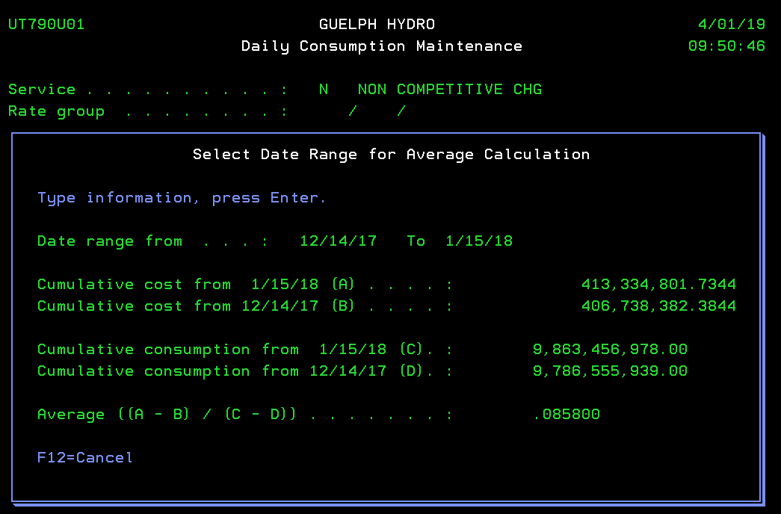
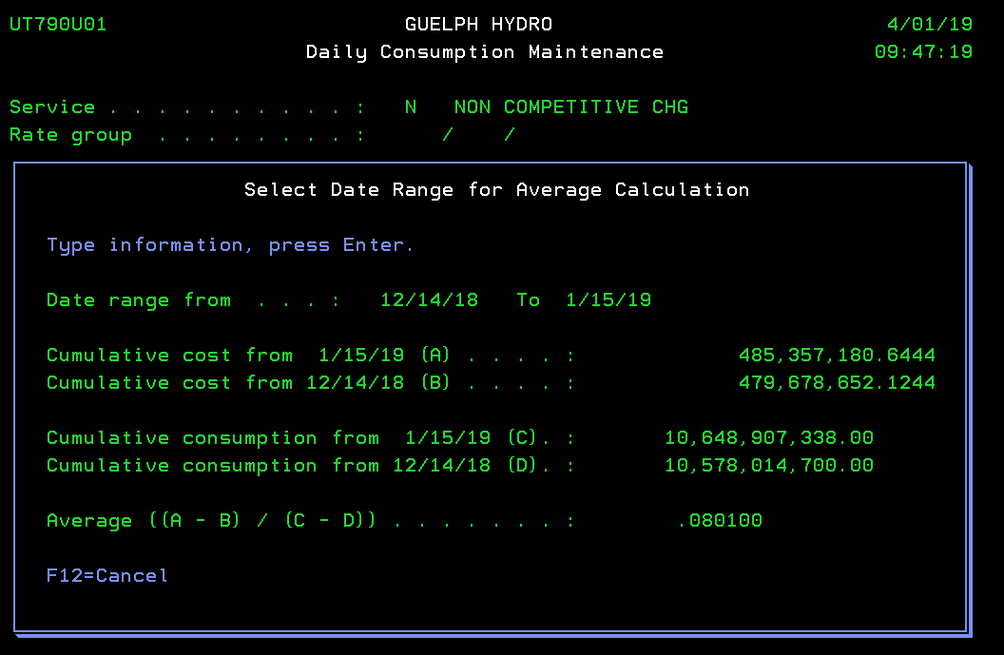
 |  |  |  |  |  |  |  |  |  |  |  |  |  |  |  |  |  | L4 | 1,360,240.83 | 12,752,928.52 | $0.09198
 |  |  |  |  |  |  |  |  |  |  |  |  |  |  |  |  |  | L5 | 2,243,708.77 | 22,671,907.45 | $0.09198
 |  |  |  |  |  |  |  |  |  |  |  |  |  |  |  |  |  | L6 | 71,063.96 | 772,602.31 | $0.09198
 |  |  |  |  |  |  |  |  |  |  |  |  |  |  |  |  |  | L7 | - | - | $0.09198
 |  |  |  |  |  |  |  |  |  |  |  |  |  |  |  |  |  | L9 | 355,947.52 | 3,476,422.62 | $0.09198
 |  |  |  |  |  |  |  |  |  |  |  |  |  |  |  |  |  | Non-RPP Class B GA | $2,670,720.25 | -
 |  |  |  |  |  |  |  |  |  |  |  |  |  |  |  |  |  |  | Posted ^ |  | 0

IESO Invoice Adjustment 2018
...
$8,898,263.32 | $8,551,014.12 | $(347,249.20) | 37,208,404 | 49.74% | $(172,734.06) | $(174,515.13)
$6,499,818.11 | $6,502,480.29 | $2,662.18 | 51,534,018 | 61.34% | $1,633.06 | $1,029.12
$6,240,306.46 | $6,240,218.42 | $(88.04) | 55,783,904 | 66.96% | $(58.95) | $(29.09)
$6,402,669.46 | $6,403,046.90 | $377.44 | 35,714,338 | 47.88% | $180.73 | $196.72
$8,538,790.74 | $8,538,470.32 | $(320.42) | 53,034,109 | 74.90% | $(239.99) | $(80.43)
$7,370,937.76 | $7,110,057.31 | $(260,880.45) | 44,833,846 | 59.94% | $(156,380.08) | $(104,500.38)
$5,739,575.91 | $5,987,091.02 | $247,515.11 | 32,053,644 | 41.35% | $102,344.79 | $145,170.32
 |  | $- |  |  | $- | $-
$84,096,893.19 | $83,742,107.84 | $(354,665.84) | 543,935,865.66 |  | $(223,074.78) | $(131,591.06)

Total Difference $ represent the IESO Invoice adjustments in addition to the expected GA charges based on the actual GA rates
...
 | $(354,665.84)
 | $(223,074.78) | Payment to IESO; included in Continuity Schedule cell BF29
 | $(131,591.06)
...
Difference
F = D-E
$-
$-
$-
$-
$125.23
$-
$-
$-
$(1,113,641.28)
...

