Assumptions
Hydro Ottawa Limited EB-2019-0261 Interrogatory Response IRR DRC-8 Attachment C ORIGINAL
Underground Residential Transformer Service Wire Sizes Guideline - Assumptions and Calculations

 | Assumptions and Calculations:
 | -Each single unit ≤ 2000 sq.ft, natural gas heat, 100A/200A @ 120V/240V service.
 | -AC load within each unit is undiversified and assumes to draw no more than 10.5A @ 240V and 95% power factor
 | -Transformers utilize ≥ 95% power factor and low harmonics (see ECG0008).
 | -Residential units (100A/200A) are made according to a historical peak demand of ~4.5kW based on an average of 12 homes and a diversity according to the OBC
 | -Peak unit load assumed to be coincident with peak historical load
 | -Any transformer is subject to all units having stage-II EV chargers installed and in use (100% EV penetration)
 | -By the time a 100% EV penetration is in place, it is assumed that the demand response options are available that will limit the coincident peak load of EV charging to 50% of their maximum load
 | -Peak EV and AC consumption assumed to be coincident with peak unit load.
 | -Impact of DER and HOL DR projects is excluded
 | -Peak unit load is assumed to be coincident with AC and 50% of EV load, at an extended temperature of 30 degrees Celsius over ~8-hour timeframe
 | -All stage II EV chargers are assumed to draw no more than 32A (80% rated on 40A breaker) @ 240V and 95% power factor with no diversification
 | -Transformer lifetime is considered 30 years, where EV penetration will increase signatficantly in future, hence such load increase shall be considered earlier in the design stage.
 | -Transformer is assumed 90% pre-load at 30 degrees C
 | -Transformer overloading hours are as per ABB Loading Rules of Thumb as shown in below figure
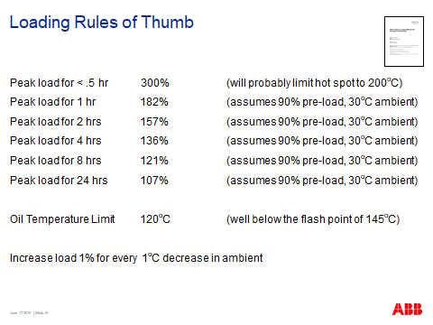

 | -Calculations to determine the condcutor size for 100 A unit assumes that it has 80%protection (37A normal load and 43A for AC and EV Load, hence total = 80A)
 | -Calculations to determine the condcutor size for 200 A unit assumes that it has 80%protection (117A normal load and 43A for AC and EV Load, hence total = 160A)

