Notes & Data kWh
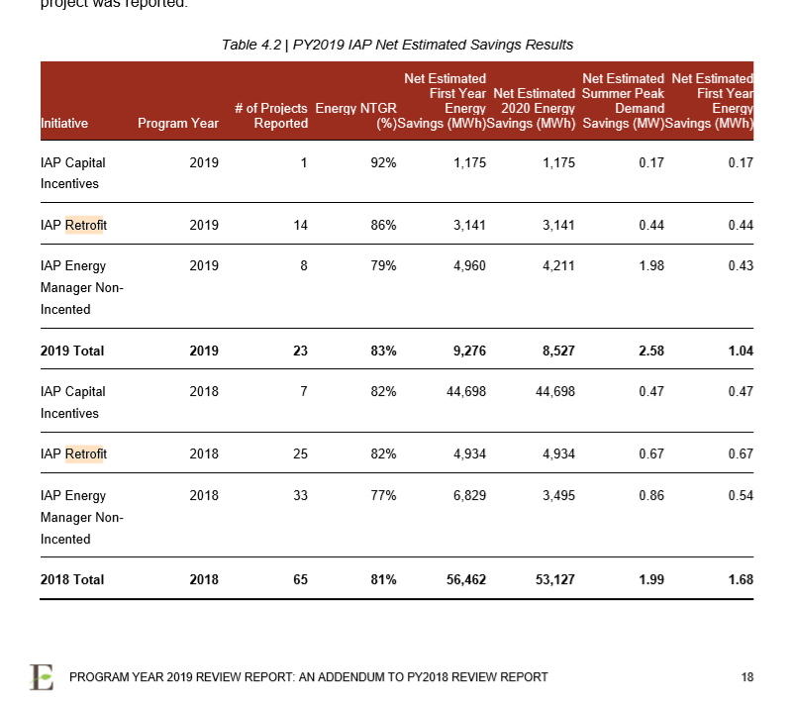
 |  |  |  |  |  |  |  |  |  |  |  |  |  |  |  |  |  |  |  |  | Residential
 |  |  |  |  |  |  |  |  |  |  |  |  |  |  |  |  |  |  |  |  | &
 |  |  |  |  |  |  | Table | Program | Type | Source | 2016 | 2017 | 2018 | 2019 | 2020 | 2021 | 2022 | Residential | GS<50 kW | GS>50 kW | GS<50 kW | Notes
 |  |  |  |  |  |  | Table 5-b. 2016 Lost Revenues Work Form | Home Depot Home Appliance Market Uplift Conservation Fund Pilot Program | Main | Verified | 769 | 769 | 769 | 769 | 769 | 769 | 769 | 100% |  |  | 100% | From 2017 Final Verified Annual LDC CDM Program Results_Brantford Power Inc._Report
 |  |  |  |  |  |  | Table 5-b. 2016 Lost Revenues Work Form | Save on Energy Coupon Program | Main | Verified | 2,928,564 | 2,928,564 | 2,928,564 | 2,928,564 | 2,928,564 | 2,928,564 | 2,928,564 | 100% |  |  | 100% | From 2017 Final Verified Annual LDC CDM Program Results_Brantford Power Inc._Report
 |  |  |  |  |  |  | Table 5-b. 2016 Lost Revenues Work Form | Save on Energy Coupon Program | Adjustment | Verified | 596,249 | 596,249 | 596,249 | 596,249 | 596,249 | 596,249 | 596,249 | 100% |  |  | 100% | From 2017 Final Verified Annual LDC CDM Program Results_Brantford Power Inc._Report
 |  |  |  |  |  |  | Table 5-b. 2016 Lost Revenues Work Form | Save on Energy Heating and Cooling Program | Main | Verified | 587,685 | 587,685 | 587,685 | 587,685 | 587,685 | 587,685 | 587,685 | 100% |  |  | 100% | From 2017 Final Verified Annual LDC CDM Program Results_Brantford Power Inc._Report
 |  |  |  |  |  |  | Table 5-b. 2016 Lost Revenues Work Form | Save on Energy Heating and Cooling Program | Adjustment | Verified | 3,986 | 3,986 | 3,986 | 3,986 | 3,986 | 3,986 | 3,986 | 100% |  |  | 100% | From 2017 Final Verified Annual LDC CDM Program Results_Brantford Power Inc._Report
2018 |  |  |  |  |  |  | Table 5-b. 2016 Lost Revenues Work Form | Save on Energy Home Assistance Program | Main | Verified | 10,433 | 10,300 | 10,168 | 10,168 | 10,168 | 10,168 | 10,053 | 100% |  |  | 100% | From 2017 Final Verified Annual LDC CDM Program Results_Brantford Power Inc._Report
Programs | Residtential | GS<50 kW | GS>50 kW | Net-to-Gross Ratio |  |  | Table 5-b. 2016 Lost Revenues Work Form | Save on Energy Retrofit Program | Main | Verified | 6,088,107 | 5,972,135 | 5,972,135 | 5,958,117 | 5,958,117 | 5,370,507 | 5,370,507 |  | 11% | 89% | 11% | From 2017 Final Verified Annual LDC CDM Program Results_Brantford Power Inc._Report
Save on Energy Heating and Cooling Program | 100% |  |  | 78.10% | GS<50 | GS>50 | Table 5-b. 2016 Lost Revenues Work Form | Save on Energy Retrofit Program | Adjustment | Verified | 792,592 | 908,564 | 947,474 | 947,474 | 947,474 | 947,474 | 947,474 |  | 11% | 89% | 11% | From 2017 Final Verified Annual LDC CDM Program Results_Brantford Power Inc._Report
Save on Energy Instant Discount Program | 100% |  |  | 133.30% | 18.00% | 82.00% | Table 5-b. 2016 Lost Revenues Work Form | Save on Energy Small Business Lighting Program | Main | Verified | 399,777 | 399,777 | 387,078 | 304,315 | 276,266 | 221,622 | 124,266 |  | 100% |  | 100% | From 2017 Final Verified Annual LDC CDM Program Results_Brantford Power Inc._Report
Save on Energy Smart Thermostat Program | 100% |  |  | 100.00% | 75.90% | 82% | Table 5-b. 2016 Lost Revenues Work Form | Save on Energy Small Business Lighting Program | Adjustment | Verified | 34,591 | 34,591 | 34,578 | 33,918 | 29,836 | 26,451 | 18,353 |  | 100% |  | 100% | From 2017 Final Verified Annual LDC CDM Program Results_Brantford Power Inc._Report
Save on Energy Retrofit Program | 1.00% | 17.00% | 82.00% | 80.57400% |  |  | Table 5-b. 2016 Lost Revenues Work Form | Save on Energy High Performance New Construction Program | Main | Verified | 737887 | 737887 | 737887 | 737887 | 737887 | 737887 | 737887 |  | 100% |  | 100% | From 2017 Final Verified Annual LDC CDM Program Results_Brantford Power Inc._Report
Save on Energy Small Business Lighting Program |  | 100.00% |  | 91.60% |  |  | Table 5-b. 2016 Lost Revenues Work Form | Save on Energy Energy Manager Program | Adjustment | Verified | 835 | 835 | 835 | 835 | 835 | 835 | 835 |  | 100% |  | 100% | From 2017 Final Verified Annual LDC CDM Program Results_Brantford Power Inc._Report
Save on Energy High Performance New Construction Program |  |  | 100.00% | 58.00% |  |  | Table 5-c. 2017 Lost Revenues Work Form | Save on Energy Coupon Program | Main | Verified |  | 3,330,658 | 2,681,919 | 2,681,919 | 2,681,919 | 2,681,919 | 2,681,919 | 100% |  |  | 100% | From 2017 Final Verified Annual LDC CDM Program Results_Brantford Power Inc._Report
Save on Energy Monitoring & Targeting Program |  |  | 100.00% | 77.00% |  |  | Table 5-c. 2017 Lost Revenues Work Form | Save on Energy Heating and Cooling Program | Main | Verified |  | 528,740 | 528,740 | 528,740 | 528,740 | 528,740 | 528,740 | 100% |  |  | 100% | From 2017 Final Verified Annual LDC CDM Program Results_Brantford Power Inc._Report
 |  |  |  |  |  |  | Table 5-c. 2017 Lost Revenues Work Form | Save on Energy Instant Discount Program | Main | Verified |  | 2,973,651 | 2,153,483 | 2,153,483 | 2,153,483 | 2,153,483 | 2,153,483 | 100% |  |  | 100% | From 2017 Final Verified Annual LDC CDM Program Results_Brantford Power Inc._Report
 |  |  |  |  |  |  | Table 5-c. 2017 Lost Revenues Work Form | Save on Energy Home Assistance Program | Main | Verified |  | 14,700 | 14,700 | 14,700 | 14,700 | 14,700 | 14,700 | 100% |  |  | 100% | From 2017 Final Verified Annual LDC CDM Program Results_Brantford Power Inc._Report
Save on Energy Heating and Cooling Program |  |  |  |  |  |  | Table 5-c. 2017 Lost Revenues Work Form | Save on Energy Retrofit Program | Main | Verified |  | 7,682,800 | 8,025,840 | 8,025,840 | 8,025,840 | 8,025,840 | 7,317,826 |  | 11% | 89% | 11% | From 2017 Final Verified Annual LDC CDM Program Results_Brantford Power Inc._Report
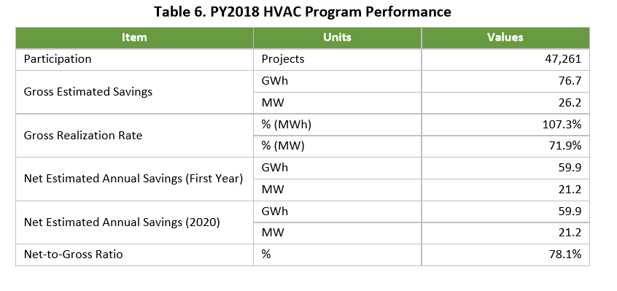
 |  |  |  |  |  |  | Table 5-c. 2017 Lost Revenues Work Form | Save on Energy Small Business Lighting Program | Main | Verified |  | 411,066 | 411,066 | 407,561 | 375,890 | 266,673 | 199,932 |  | 100% |  | 100% | From 2017 Final Verified Annual LDC CDM Program Results_Brantford Power Inc._Report
 |  |  |  |  |  |  | Table 5-c. 2017 Lost Revenues Work Form | Save on Energy High Performance New Construction Program | Main | Verified |  | 452,226 | 452,226 | 452,226 | 452,226 | 452,226 | 452,226 |  | 100% |  | 100% | From 2017 Final Verified Annual LDC CDM Program Results_Brantford Power Inc._Report
 |  |  |  |  |  |  | Table 5-c. 2017 Lost Revenues Work Form | Save on Energy Process & Systems Upgrades Program | Main | Verified |  | 745,606 | 745,606 | 745,606 | 745,606 | 745,606 | 745,606 |  | 100% |  | 100% | From 2017 Final Verified Annual LDC CDM Program Results_Brantford Power Inc._Report
 |  |  |  |  |  |  | Table 5-c. 2017 Lost Revenues Work Form | Save on Energy Energy Manager Program | Main | Verified |  | 187,784 | 187,784 | 14,593 | 13,287 | 13,287 | 13,287 |  |  | 100% | 0% | From 2017 Final Verified Annual LDC CDM Program Results_Brantford Power Inc._Report
 |  |  |  |  |  |  | Table 5-c. 2017 Lost Revenues Work Form | Whole Home Pilot Program | Main | Verified |  | 60,017 | 60,017 | 60,017 | 60,017 | 59,164 | 56,486 | 100% |  |  | 100% | From 2017 Final Verified Annual LDC CDM Program Results_Brantford Power Inc._Report
 |  |  |  |  |  |  | Table 5-d. 2018 Lost Revenues Work Form | Save on Energy Heating and Cooling Program | Main | Unverified P&C |  |  | 225,908 |  | 225,908 |  |  | 100% |  |  | 100% | 2018 and 2019 numbers from "Brantford Project Details - 2019 Unverified P&C Report.xlsx", "Participation and Cost Report - Brantford Power Inc. - 2019 04.xlsx" or "Brantford Project Details for April 2019 P&C.xlsx".
 |  |  |  |  |  |  | Table 5-d. 2018 Lost Revenues Work Form | Save on Energy Heating and Cooling Program | Main | Calculated |  |  |  | 225,908 |  | 225,908 |  | 100% |  |  | 100% | Average for the 2019 data and 2021 uses the same ratio as the program had in the past to project the 4th year persistence.
 |  |  |  |  |  |  | Table 5-d. 2018 Lost Revenues Work Form | Save on Energy Instant Discount Program | Main | Unverified P&C |  |  | 1,274,558 |  | 1,264,081 |  |  | 100% |  |  | 100% | 2018 and 2019 numbers from "Brantford Project Details - 2019 Unverified P&C Report.xlsx", "Participation and Cost Report - Brantford Power Inc. - 2019 04.xlsx" or "Brantford Project Details for April 2019 P&C.xlsx".
 |  |  |  |  |  |  | Table 5-d. 2018 Lost Revenues Work Form | Save on Energy Instant Discount Program | Main | Calculated |  |  |  | 1,269,320 |  | 1,264,081 |  | 100% |  |  | 100% | For 2021 uses the same ratio as the program had in the past to project the persistence.
 |  |  |  |  |  |  | Table 5-d. 2018 Lost Revenues Work Form | Save on Energy Smart Thermostat Program | Main | Unverified P&C |  |  | 44,081 |  | 44,081 |  |  | 100% |  |  | 100% | 2018 and 2019 numbers from "Brantford Project Details - 2019 Unverified P&C Report.xlsx", "Participation and Cost Report - Brantford Power Inc. - 2019 04.xlsx" or "Brantford Project Details for April 2019 P&C.xlsx".
 |  |  |  |  |  |  | Table 5-d. 2018 Lost Revenues Work Form | Save on Energy Smart Thermostat Program | Main | Calculated |  |  |  | 44,081 |  | 44,081 |  | 100% |  |  | 100% | Average for the 2019 data and for 2021 assumed the same rate of decline as seen from the past year.
 |  |  |  |  |  |  | Table 5-d. 2018 Lost Revenues Work Form | Save on Energy Retrofit Program | Main | Unverified P&C |  |  | 5,044,740 | 5,044,740 | 5,020,179 |  |  | 1% | 17% | 82% | 18% | 2018 and 2019 numbers from "Brantford Project Details - 2019 Unverified P&C Report.xlsx", "Participation and Cost Report - Brantford Power Inc. - 2019 04.xlsx" or "Brantford Project Details for April 2019 P&C.xlsx".
Save on Energy Instant Discount Program |  |  |  |  |  |  | Table 5-d. 2018 Lost Revenues Work Form | Save on Energy Retrofit Program | Main | Calculated |  |  |  |  |  | 5,020,179 |  | 1% | 17% | 82% | 18% | 2021 uses the same ratio as the program had in the past to project the 4th year persistence.
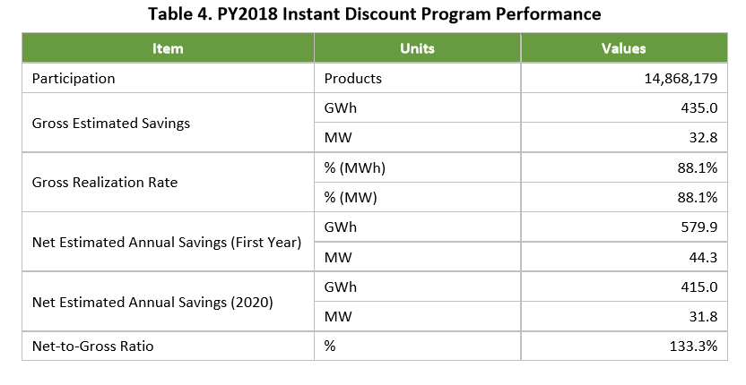
 |  |  |  |  |  |  | Table 5-d. 2018 Lost Revenues Work Form | Save on Energy Retrofit Program | Adjustment | Additional |  |  | 2,713,250 |  |  |  |  | 1% | 17% | 82% | 18% | 2018 and 2019 numbers from "Brantford Project Details - 2019 Unverified P&C Report.xlsx", "Participation and Cost Report - Brantford Power Inc. - 2019 04.xlsx" or "Brantford Project Details for April 2019 P&C.xlsx".
 |  |  |  |  |  |  | Table 5-d. 2018 Lost Revenues Work Form | Save on Energy Retrofit Program | Adjustment | Calculated |  |  |  | 2,834,397 | 2,834,397 | 2,834,397 |  | 1% | 17% | 82% | 18% | 2019 to 2021 uses the same ratio as the program had in the past to project the persistence.
 |  |  |  |  |  |  | Table 5-d. 2018 Lost Revenues Work Form | Save on Energy Small Business Lighting Program | Main | Unverified P&C |  |  | 221,861 | 195,349 | 142,654 |  |  |  | 100% |  | 100% | 2018 and 2019 numbers from "Brantford Project Details - 2019 Unverified P&C Report.xlsx", "Participation and Cost Report - Brantford Power Inc. - 2019 04.xlsx" or "Brantford Project Details for April 2019 P&C.xlsx".
 |  |  |  |  |  |  | Table 5-d. 2018 Lost Revenues Work Form | Save on Energy Small Business Lighting Program | Main | Calculated |  |  |  |  |  | 131,569 |  |  | 100% |  | 100% | For 2021 uses the same ratio as the program had in the past to project the persistence.
 |  |  |  |  |  |  | Table 5-d. 2018 Lost Revenues Work Form | Save on Energy High Performance New Construction Program | Main | Unverified P&C |  |  | 60963 | 60963 | 60358 |  |  |  |  | 100% | 0% | 2018 and 2019 numbers from "Brantford Project Details - 2019 Unverified P&C Report.xlsx", "Participation and Cost Report - Brantford Power Inc. - 2019 04.xlsx" or "Brantford Project Details for April 2019 P&C.xlsx".
 |  |  |  |  |  |  | Table 5-d. 2018 Lost Revenues Work Form | Save on Energy High Performance New Construction Program | Main | Calculated |  |  |  |  |  | 60,358 |  |  |  | 100% | 0% | For 2021 uses the same ratio as the program had in the past to project the persistence.
 |  |  |  |  |  |  | Table 5-d. 2018 Lost Revenues Work Form | Save on Energy Monitoring & Targeting Program | Main | Unverified P&C |  |  | 112,000 | 112,000 | 112,000 |  |  |  |  | 100% | 0% | 2018 and 2019 numbers from "Brantford Project Details - 2019 Unverified P&C Report.xlsx", "Participation and Cost Report - Brantford Power Inc. - 2019 04.xlsx" or "Brantford Project Details for April 2019 P&C.xlsx".
 |  |  |  |  |  |  | Table 5-d. 2018 Lost Revenues Work Form | Save on Energy Monitoring & Targeting Program | Main | Calculated |  |  |  |  |  | 112,000 |  |  |  | 100% | 0% | For 2021 uses the same ratio as the program had in the past to project the persistence.
 |  |  |  |  |  |  | Table 5-e. 2019 Lost Revenues Work Form | Save on Energy Heating and Cooling Program | Main | Unverified P&C |  |  |  | 2,520 | 2,520 |  |  | 100% |  |  | 100% | 2018 and 2019 numbers from "Brantford Project Details - 2019 Unverified P&C Report.xlsx", "Participation and Cost Report - Brantford Power Inc. - 2019 04.xlsx" or "Brantford Project Details for April 2019 P&C.xlsx".
 |  |  |  |  |  |  | Table 5-e. 2019 Lost Revenues Work Form | Save on Energy Heating and Cooling Program | Main | Calculated |  |  |  |  |  | 2,520 |  | 100% |  |  | 100% | For 2021 uses the same ratio as the program had in the past to project the persistence.
 |  |  |  |  |  |  | Table 5-e. 2019 Lost Revenues Work Form | Save on Energy Retrofit Program | Main | Unverified P&C |  |  |  | 153,694 | 153,694 |  |  | 1% | 48% | 51% | 49% | 2018 and 2019 numbers from "Brantford Project Details - 2019 Unverified P&C Report.xlsx", "Participation and Cost Report - Brantford Power Inc. - 2019 04.xlsx" or "Brantford Project Details for April 2019 P&C.xlsx".
Save on Energy Smart Thermostat Program |  |  |  |  |  |  | Table 5-e. 2019 Lost Revenues Work Form | Save on Energy Retrofit Program | Main | Calculated |  |  |  |  |  | 153,694 |  | 1% | 48% | 51% | 49% | For 2021 uses the same ratio as the program had in the past to project the persistence.
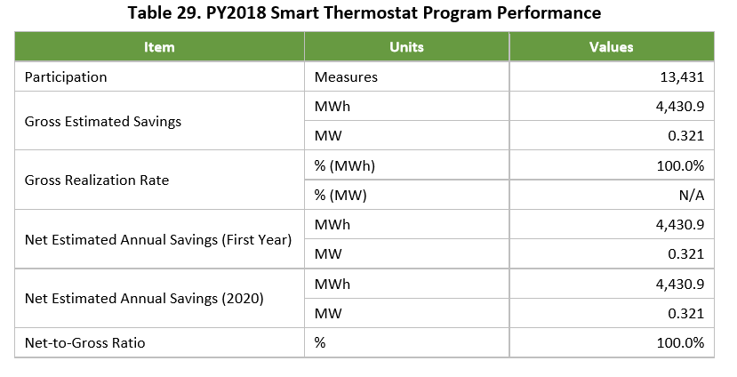
 |  |  |  |  |  |  | Table 5-e. 2019 Lost Revenues Work Form | Save on Energy Retrofit Program | Adjustment | Additional |  |  |  | 3,387,611 |  |  |  | 1% | 48% | 51% | 49% | 2018 and 2019 numbers from "Brantford Project Details - 2019 Unverified P&C Report.xlsx", "Participation and Cost Report - Brantford Power Inc. - 2019 04.xlsx" or "Brantford Project Details for April 2019 P&C.xlsx".
 |  |  |  |  |  |  | Table 5-e. 2019 Lost Revenues Work Form | Save on Energy Retrofit Program | Adjustment | Calculated |  |  |  |  | 3,538,869 | 3,538,869 |  | 1% | 48% | 51% | 49% | For 2020 & 2021 uses the same ratio as the program had in the past to project the persistence.
 |  |  |  |  |  |  | Table 5-e. 2019 Lost Revenues Work Form | Save on Energy Small Business Lighting Program | Main | Unverified P&C |  |  |  | 65,590 | 57,752 |  |  |  | 100% |  | 100% | 2018 and 2019 numbers from "Brantford Project Details - 2019 Unverified P&C Report.xlsx", "Participation and Cost Report - Brantford Power Inc. - 2019 04.xlsx" or "Brantford Project Details for April 2019 P&C.xlsx".
 |  | MW/MWh |  |  |  |  | Table 5-e. 2019 Lost Revenues Work Form | Save on Energy Small Business Lighting Program | Main | Calculated |  |  |  |  |  | 57,260 |  |  | 100% |  | 100% | For 2021 uses the same ratio as the program had in the past to project the persistence.
 |  | 0.0072% |  |  |  |  | Table 5-e. 2019 Lost Revenues Work Form | Save on Energy Small Business Lighting Program | Adjustment | Additional |  |  |  | 380,183 |  |  |  |  | 100% |  | 100% | Adjusted to correct gross number to net.
 |  |  |  |  |  |  | Table 5-e. 2019 Lost Revenues Work Form | Save on Energy Small Business Lighting Program | Adjustment | Calculated |  |  |  |  | 380,183 | 376,941 |  |  | 100% |  | 100% | For 2020 & 2021 uses the same ratio as the program had in the past to project the persistence.

Save on Energy Retrofit Program
Save on Energy Small Business Lighting Program
Save on Energy High Performance New Construction Program
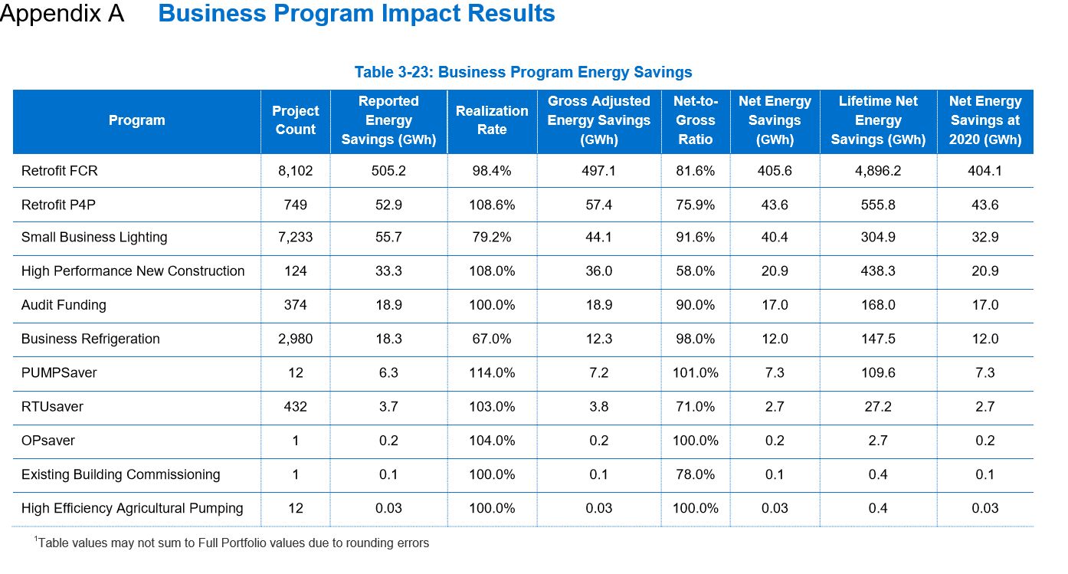

Save on Energy Monitoring & Targeting Program
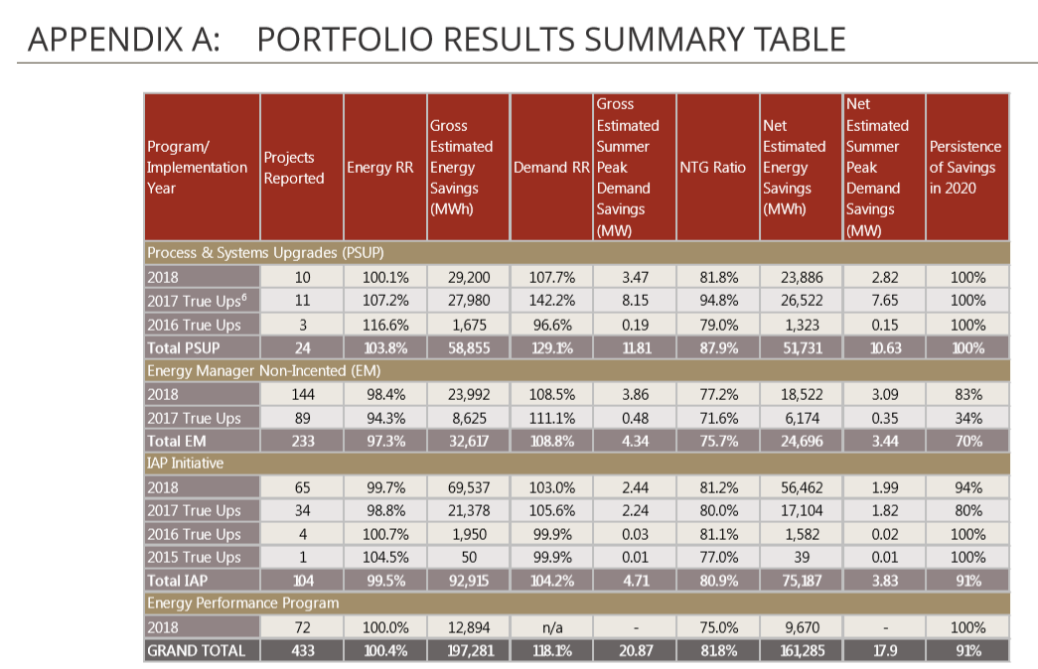

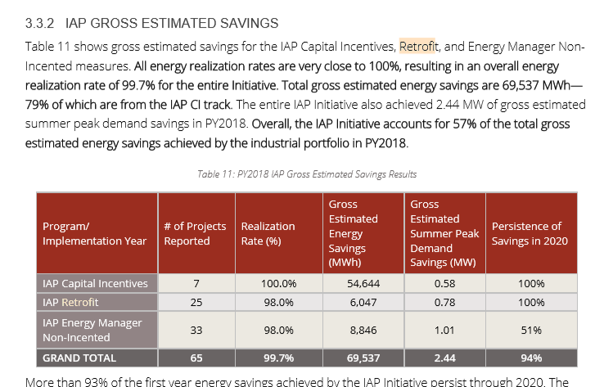

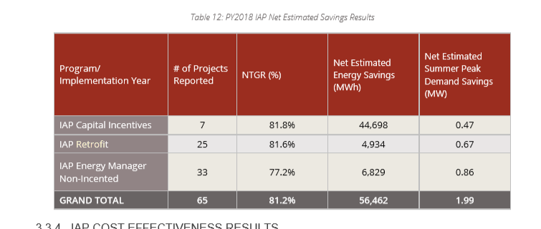

2019
Programs | Residtential | GS<50 kW | GS>50 kW | Net-to-Gross Ratio | GS<50 | GS>50
Save on Energy Heating and Cooling Program | 100% |  |  | 78.10% | 49.00% | 51.00%
Save on Energy Retrofit Program | 1% | 48.00% | 51.00% | 82.12900% | 78.10% | 86%
Save on Energy Small Business Lighting Program |  | 100.00% |  | 91.60%

Save on Energy Heating and Cooling Program
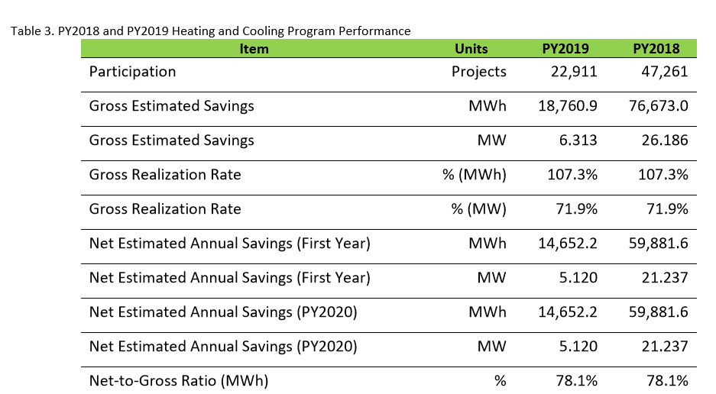

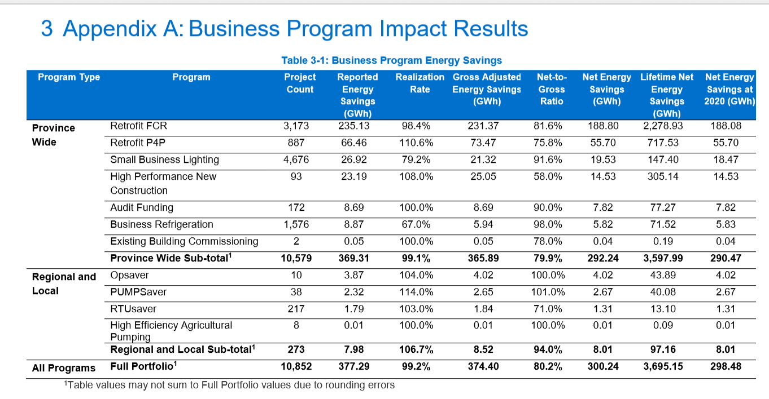
Save on Energy Retrofit Program
Save on Energy Small Business Lighting Program

