References
 |  |  |  |  | NBHDL e-mail response to Clarification Questions - Corporate policy review

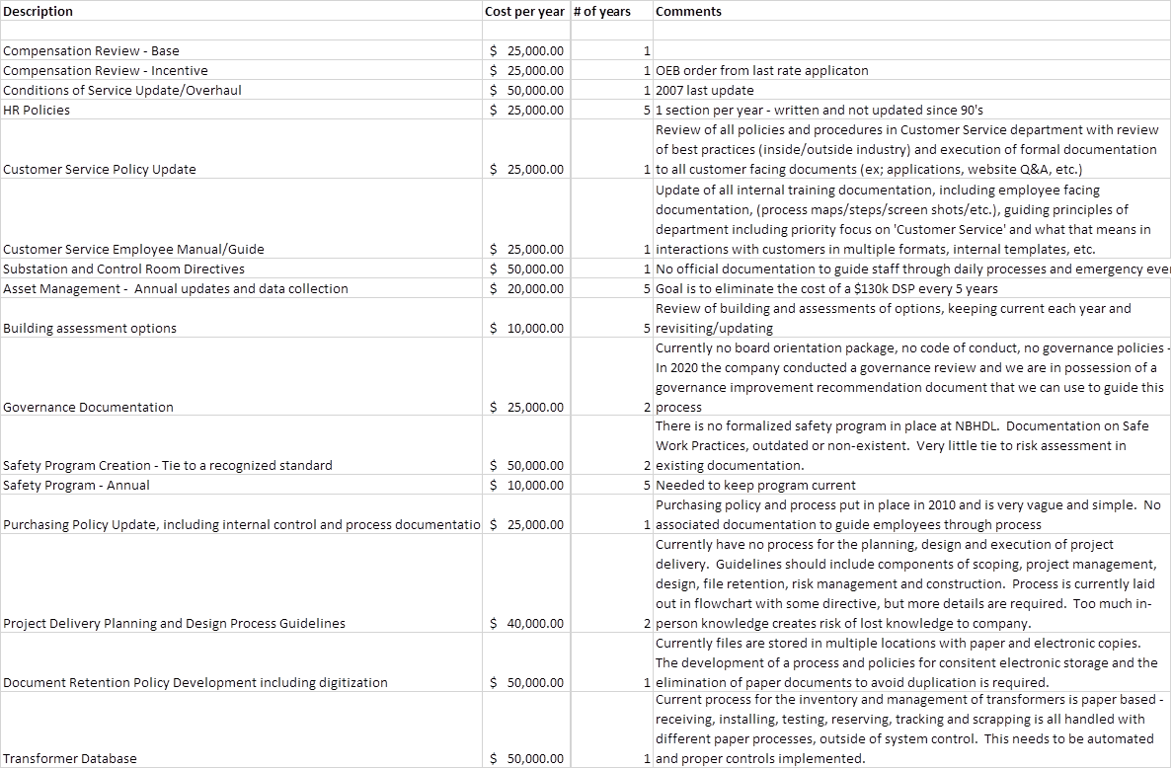
Vegetation Management
 | EB-2020-0043
 | Exhibit 4
 | Table 4-11
 | (Page 32 in PDF) | Increase

2015 | $438,897 |  | Total | Average
2016 | $541,345 | $102,448 | Expenditure | Expenditure
2017 | $516,229 | -$25,116 | 2016 - 2020 | 2016 - 2020
2018 | $515,994 | -$235 | $2,809,550 | $561,910.00
2019 | $550,373 | $34,379 | % that the 2021 request
2020 | $685,609 | $135,236 | is over the previous
2021 | $773,437 | $87,828 | 5 year average | 38%

Comments relating to customer expectations and customer concerns in the RRFE handbook:
1. Reasonably stable and affordable rates for customers,
2. A network that provides value for customers,
3. Expectations of customers for reliable service at a reasonable price,
4. Electricity system provides value for money for customers,
5. In a manner that is responsive to customers’ concerns about affordability,
6. Manage the pace of rate increases for customers,
7. Having regard to the total bill impact on customers,
8. The needs of existing and future customers and the costs to meet them,
9. With a view to the impact on the total bill for customers,
10. Avoiding the adverse impact that deferred investments can have on customer rates,
11. Affordability for customers must be a primary goal in a distributor’s capital plan,
12. An important element in the total cost of electricity to customers,
13. In consideration of the total bill impact on customers,
14. Take into consideration the total bill impact on customers,
15. Facilitating price transparency for customers and value for customers

