Negative Impact Var
For each year, the NIV grows monthly at an equal rate. The savings in each year equal the total of the OPA savings caculated.Total kWh savings for the year is calculated as total persistance kWh from previoius years plus a half-year of the new savings from programs in that year.
 | Net Persistent CDM Impact | Net New CDM Savings in Year | Half-Year New Net Savings | Persistence+Half Year new Savings | December Savings * 12 | Increase over previous year | Monthly Increase
 | kWh | kWh | kWh | kWh |  |  |  | Jan | 1 |  | Row Labels | Sum of Purchased
2010 | 10,152,688 | 4,170,820 | 2,085,410 | 12,238,097 | 3,849,987 | 12,238,097 | 26,736.02 | Feb | 2 | 1 | 1 | 921746535.58 | 0.088754764073
2011 | 13,147,196 | 4,286,050 | 2,143,025 | 15,290,221 | 3,956,354 | 11,440,234 | 27,474.68 | Mar | 3 | 2 | 2 | 825952132.23 | 0.079530742783
2012 | 17,189,784 | 5,903,679 | 2,951,840 | 20,141,623 | 5,449,550 | 16,185,270 | 37,844.10 | Apr | 4 | 3 | 3 | 855488475.67 | 0.082374790569
2013 | 22,866,696 | 6,994,578 | 3,497,289 | 26,363,985 | 6,456,533 | 20,914,435 | 44,837.04 | May | 5 | 4 | 4 | 773913641.81 | 0.074519968387
2014 | 29,061,813 | 33,821,560 | 16,910,780 | 45,972,594 | 31,219,902 | 39,516,060 | 216,804.87 | Jun | 6 | 5 | 5 | 811106319.48 | 0.078101242853
2015 | 60,528,148 | 9,522,225 | 4,761,113 | 65,289,261 | 8,789,746 | 34,069,359 | 61,039.90 | Jul | 7 | 6 | 6 | 874097873.23 | 0.084166685223
2016 | 68,885,276 | 12,181,475 | 6,090,738 | 74,976,014 | 11,244,438 | 66,186,268 | 78,086.38 | Aug | 8 | 7 | 7 | 1009804295.5 | 0.097233825732
2017 | 77,780,026 | 16,387,248 | 8,193,624 | 85,973,650 | 15,126,690 | 74,729,212 | 105,046.46 | Sep | 9 | 8 | 8 | 963839887.72 | 0.092807923369
2018 | 90,650,939 | 10,834,881 | 5,417,441 | 96,068,380 | 10,001,429 | 80,941,689 | 69,454.37 | Oct | 10 | 9 | 9 | 845927645.98 | 0.081454180455
2019 | 97,135,714 | 4,761,595 | 2,380,798 | 99,516,511 | 4,395,318 | 89,515,083 | 30,523.04 | Nov | 11 | 10 | 10 | 812561363.37 | 0.078241348698
2020 | 98,651,860 | - | - | 98,651,860 | - | 94,256,541 | - | Dec | 12 | 11 | 11 | 830036025.65 | 0.079923979951
2021 | 96,136,070 | - | - | 96,136,070 | - | 96,136,070 | - | Total | 78 | 12 | 12 | 860844780.17 | 0.08289054791
2022 | 93,896,629 | - | - | 93,896,629 | - | 93,896,629 | - |  |  |  | Grand Total | 10385318976

 |  |  |  | Method to allocate Persistence: | 2
 |  |  | 1 | with shap
 |  |  | 2 | Flat
 | Est. Additional Persistence |  | Net Persistent CDM Impact | Total Persistent
Jan-10 | 26,736 | 26,736 | 846,057 | 872,793
Feb-10 | 53,472 |  | 846,057 | 899,529
Mar-10 | 80,208 |  | 846,057 | 926,265
Apr-10 | 106,944 |  | 846,057 | 953,001
May-10 | 133,680 |  | 846,057 | 979,737
Jun-10 | 160,416 |  | 846,057 | 1,006,473
Jul-10 | 187,152 |  | 846,057 | 1,033,209
Aug-10 | 213,888 |  | 846,057 | 1,059,945
Sep-10 | 240,624 |  | 846,057 | 1,086,682
Oct-10 | 267,360 |  | 846,057 | 1,113,418
Nov-10 | 294,096 | Check | 846,057 | 1,140,154
Dec-10 | 320,832 | 2,085,410 | 846,057 | 1,166,890
Jan-11 | 27,475 | 27,475 | 1,095,600 | 1,123,074
Feb-11 | 54,949 |  | 1,095,600 | 1,150,549
Mar-11 | 82,424 |  | 1,095,600 | 1,178,024
Apr-11 | 109,899 |  | 1,095,600 | 1,205,498
May-11 | 137,373 |  | 1,095,600 | 1,232,973
Jun-11 | 164,848 |  | 1,095,600 | 1,260,448
Jul-11 | 192,323 |  | 1,095,600 | 1,287,922
Aug-11 | 219,797 |  | 1,095,600 | 1,315,397
Sep-11 | 247,272 |  | 1,095,600 | 1,342,872
Oct-11 | 274,747 |  | 1,095,600 | 1,370,346
Nov-11 | 302,221 | Check | 1,095,600 | 1,397,821
Dec-11 | 329,696 | 2,143,025 | 1,095,600 | 1,425,296
Jan-12 | 37,844 | 37,844 | 1,432,482 | 1,470,326
Feb-12 | 75,688 |  | 1,432,482 | 1,508,170
Mar-12 | 113,532 |  | 1,432,482 | 1,546,014
Apr-12 | 151,376 |  | 1,432,482 | 1,583,858
May-12 | 189,220 |  | 1,432,482 | 1,621,702
Jun-12 | 227,065 |  | 1,432,482 | 1,659,547
Jul-12 | 264,909 |  | 1,432,482 | 1,697,391
Aug-12 | 302,753 |  | 1,432,482 | 1,735,235
Sep-12 | 340,597 |  | 1,432,482 | 1,773,079
Oct-12 | 378,441 |  | 1,432,482 | 1,810,923
Nov-12 | 416,285 | Check | 1,432,482 | 1,848,767
Dec-12 | 454,129 | 2,951,840 | 1,432,482 | 1,886,611
Jan-13 | 44,837 | 44,837 | 1,905,558 | 1,950,395
Feb-13 | 89,674 |  | 1,905,558 | 1,995,232
Mar-13 | 134,511 |  | 1,905,558 | 2,040,069
Apr-13 | 179,348 |  | 1,905,558 | 2,084,906
May-13 | 224,185 |  | 1,905,558 | 2,129,743
Jun-13 | 269,022 |  | 1,905,558 | 2,174,580
Jul-13 | 313,859 |  | 1,905,558 | 2,219,417
Aug-13 | 358,696 |  | 1,905,558 | 2,264,254
Sep-13 | 403,533 |  | 1,905,558 | 2,309,091
Oct-13 | 448,370 |  | 1,905,558 | 2,353,928
Nov-13 | 493,207 | Check | 1,905,558 | 2,398,765
Dec-13 | 538,044 | 3,497,289 | 1,905,558 | 2,443,602
Jan-14 | 216,805 | 216,805 | 2,421,818 | 2,638,623
Feb-14 | 433,610 |  | 2,421,818 | 2,855,428
Mar-14 | 650,415 |  | 2,421,818 | 3,072,232
Apr-14 | 867,219 |  | 2,421,818 | 3,289,037
May-14 | 1,084,024 |  | 2,421,818 | 3,505,842
Jun-14 | 1,300,829 |  | 2,421,818 | 3,722,647
Jul-14 | 1,517,634 |  | 2,421,818 | 3,939,452
Aug-14 | 1,734,439 |  | 2,421,818 | 4,156,257
Sep-14 | 1,951,244 |  | 2,421,818 | 4,373,062
Oct-14 | 2,168,049 |  | 2,421,818 | 4,589,867
Nov-14 | 2,384,854 | Check | 2,421,818 | 4,806,671
Dec-14 | 2,601,658 | 16,910,780 | 2,421,818 | 5,023,476
Jan-15 | 61,040 | 61,040 | 5,044,012 | 5,105,052
Feb-15 | 122,080 |  | 5,044,012 | 5,166,092
Mar-15 | 183,120 |  | 5,044,012 | 5,227,132
Apr-15 | 244,160 |  | 5,044,012 | 5,288,172
May-15 | 305,200 |  | 5,044,012 | 5,349,212
Jun-15 | 366,239 |  | 5,044,012 | 5,410,252
Jul-15 | 427,279 |  | 5,044,012 | 5,471,292
Aug-15 | 488,319 |  | 5,044,012 | 5,532,332
Sep-15 | 549,359 |  | 5,044,012 | 5,593,371
Oct-15 | 610,399 |  | 5,044,012 | 5,654,411
Nov-15 | 671,439 | Check | 5,044,012 | 5,715,451
Dec-15 | 732,479 | 4,761,113 | 5,044,012 | 5,776,491
Jan-16 | 78,086 | 78,086 | 5,740,440 | 5,818,526
Feb-16 | 156,173 |  | 5,740,440 | 5,896,612
Mar-16 | 234,259 |  | 5,740,440 | 5,974,699
Apr-16 | 312,346 |  | 5,740,440 | 6,052,785
May-16 | 390,432 |  | 5,740,440 | 6,130,872
Jun-16 | 468,518 |  | 5,740,440 | 6,208,958
Jul-16 | 546,605 |  | 5,740,440 | 6,287,044
Aug-16 | 624,691 |  | 5,740,440 | 6,365,131
Sep-16 | 702,777 |  | 5,740,440 | 6,443,217
Oct-16 | 780,864 |  | 5,740,440 | 6,521,303
Nov-16 | 858,950 | Check | 5,740,440 | 6,599,390
Dec-16 | 937,037 | 6,090,738 | 5,740,440 | 6,677,476
Jan-17 | 105,046 | 105,046 | 6,481,669 | 6,586,715
Feb-17 | 210,093 |  | 6,481,669 | 6,691,762
Mar-17 | 315,139 |  | 6,481,669 | 6,796,808
Apr-17 | 420,186 |  | 6,481,669 | 6,901,855
May-17 | 525,232 |  | 6,481,669 | 7,006,901
Jun-17 | 630,279 |  | 6,481,669 | 7,111,948
Jul-17 | 735,325 |  | 6,481,669 | 7,216,994
Aug-17 | 840,372 |  | 6,481,669 | 7,322,041
Sep-17 | 945,418 |  | 6,481,669 | 7,427,087
Oct-17 | 1,050,465 |  | 6,481,669 | 7,532,133
Nov-17 | 1,155,511 | Check | 6,481,669 | 7,637,180
Dec-17 | 1,260,558 | 8,193,624 | 6,481,669 | 7,742,226
Jan-18 | 69,454 | 69,454 | 7,554,245 | 7,623,699
Feb-18 | 138,909 |  | 7,554,245 | 7,693,154
Mar-18 | 208,363 |  | 7,554,245 | 7,762,608
Apr-18 | 277,817 |  | 7,554,245 | 7,832,062
May-18 | 347,272 |  | 7,554,245 | 7,901,517
Jun-18 | 416,726 |  | 7,554,245 | 7,970,971
Jul-18 | 486,181 |  | 7,554,245 | 8,040,426
Aug-18 | 555,635 |  | 7,554,245 | 8,109,880
Sep-18 | 625,089 |  | 7,554,245 | 8,179,334
Oct-18 | 694,544 |  | 7,554,245 | 8,248,789
Nov-18 | 763,998 | Check | 7,554,245 | 8,318,243
Dec-18 | 833,452 | 5,417,441 | 7,554,245 | 8,387,697
Jan-19 | 30,523 | 30,523 | 8,094,643 | 8,125,166
Feb-19 | 61,046 |  | 8,094,643 | 8,155,689
Mar-19 | 91,569 |  | 8,094,643 | 8,186,212
Apr-19 | 122,092 |  | 8,094,643 | 8,216,735
May-19 | 152,615 |  | 8,094,643 | 8,247,258
Jun-19 | 183,138 |  | 8,094,643 | 8,277,781
Jul-19 | 213,661 |  | 8,094,643 | 8,308,304
Aug-19 | 244,184 |  | 8,094,643 | 8,338,827
Sep-19 | 274,707 |  | 8,094,643 | 8,369,350
Oct-19 | 305,230 |  | 8,094,643 | 8,399,873
Nov-19 | 335,753 | Check | 8,094,643 | 8,430,396
Dec-19 | 366,277 | 2,380,797 | 8,094,643 | 8,460,919
Jan-20 | - | - | 8,220,988 | 8,220,988
Feb-20 | - |  | 8,220,988 | 8,220,988
Mar-20 | - |  | 8,220,988 | 8,220,988
Apr-20 | - |  | 8,220,988 | 8,220,988
May-20 | - |  | 8,220,988 | 8,220,988
Jun-20 | - |  | 8,220,988 | 8,220,988
Jul-20 | - |  | 8,220,988 | 8,220,988
Aug-20 | - |  | 8,220,988 | 8,220,988
Sep-20 | - |  | 8,220,988 | 8,220,988
Oct-20 | - |  | 8,220,988 | 8,220,988
Nov-20 | - | Check | 8,220,988 | 8,220,988
Dec-20 | - | - | 8,220,988 | 8,220,988
Jan-21 | - | - | 8,011,339 | 8,011,339
Feb-21 | - |  | 8,011,339 | 8,011,339
Mar-21 | - |  | 8,011,339 | 8,011,339
Apr-21 | - |  | 8,011,339 | 8,011,339
May-21 | - |  | 8,011,339 | 8,011,339
Jun-21 | - |  | 8,011,339 | 8,011,339
Jul-21 | - |  | 8,011,339 | 8,011,339
Aug-21 | - |  | 8,011,339 | 8,011,339
Sep-21 | - |  | 8,011,339 | 8,011,339
Oct-21 | - |  | 8,011,339 | 8,011,339
Nov-21 | - | Check | 8,011,339 | 8,011,339
Dec-21 | - | - | 8,011,339 | 8,011,339
Jan-22 | - | - | 7,824,719 | 7,824,719
...

Forecast Notes
...
 |  | Real GDP Growth Forecasts
 |  |  | (Dec 15 2020) | (Dec 15, 2020) | (Jan 2021) | (Dec 18, 2020) | Average
 |  | 2020 | 9.50% | 9.60% | 9.50% | 9.60% | 9.55%
 |  | 2021 | 7.70% | 7.50% | 9.00% | 8.20% | 8.10%
 |  | 2022 | 6.00% | 5.60% | 7.70% | 7.30% | 6.65%

Population:
 | Ontario’s Long-Term Report on the Economy, "Chapter 1: Demographic Trends and Projections" June 2020, (Access Date Jun 20, 2020)

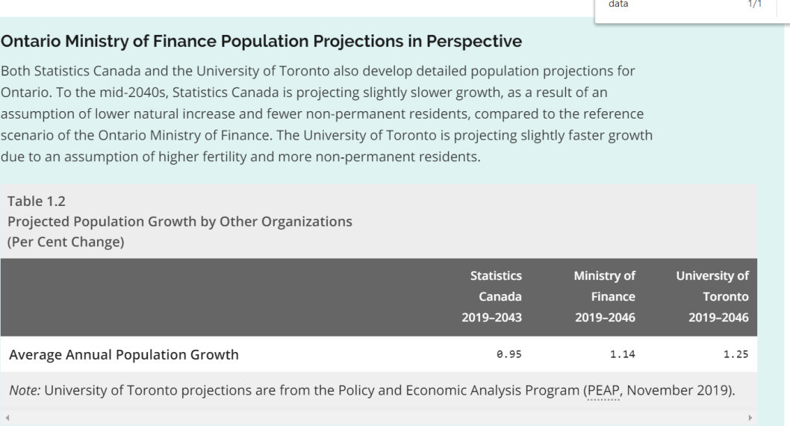
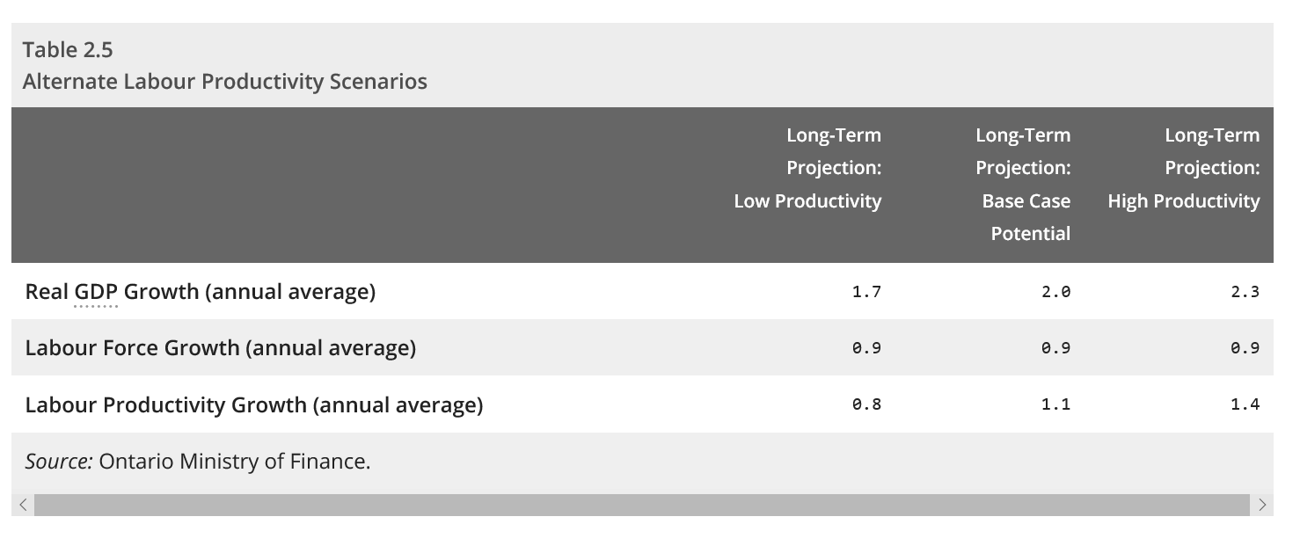

Real GDP:
 | Ontario’s Long-Term Report on the Economy, "Chapter 2: Economic Trends and Projections" June 2020, (Access Date Jun 20, 2020)
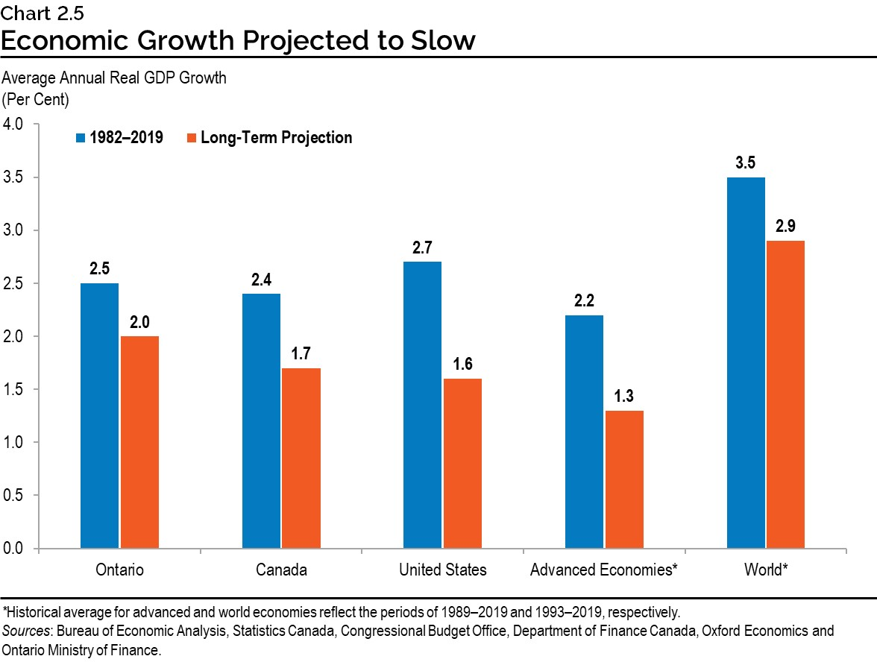
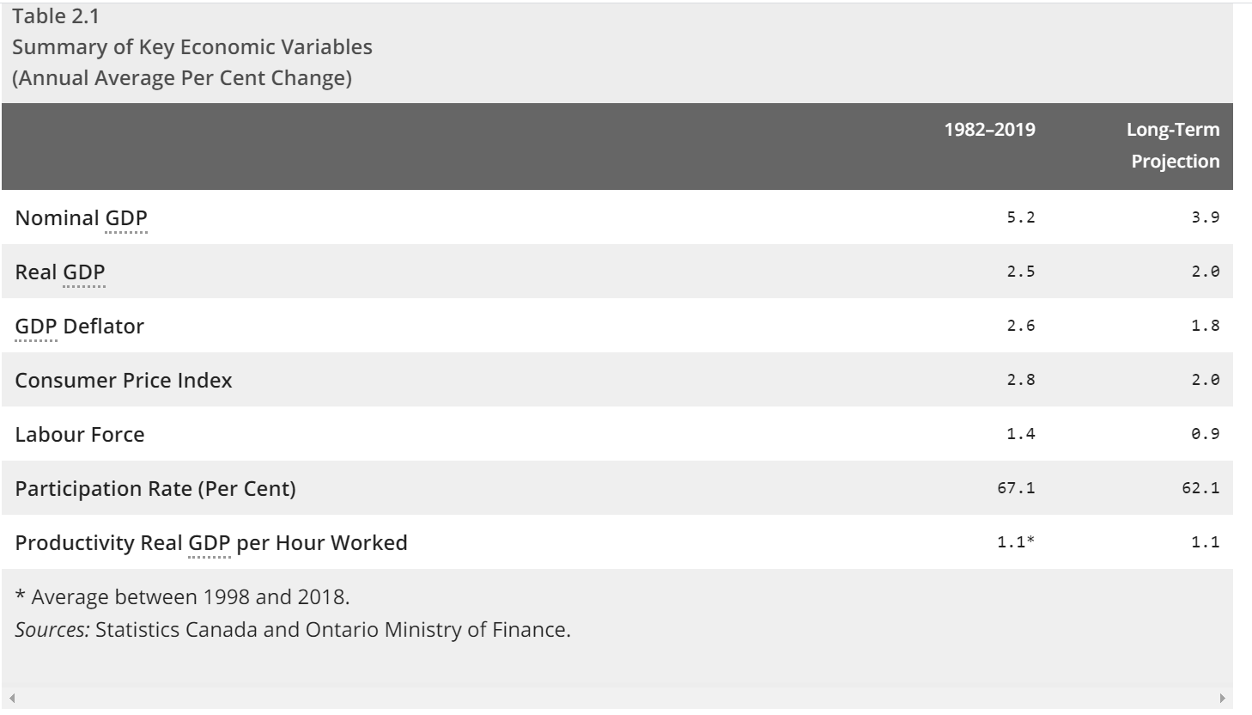

 | TD, Provincial Economic Forecast, Dec 15, 2020 (Access date Jan 20, 2020)

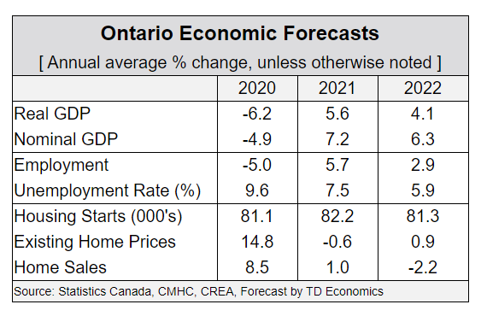

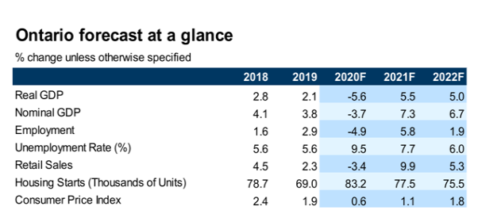
 | http://www.rbc.com/economics/economic-reports/provincial-economic-forecasts.html
 | Royal Bank, Provincial Outlook - December 2020, (Access date Jan 20, 20200
 |  | Real GDP Growth
 | 2020 | -5.50%
 | 2021 | 5.50%
 | 2020 | 5%

 | National Bank of Canada Financial Markets, Monthly Economic Monitor, Jan 2021, (Access Date Jan 21, 2020) |  |  |  |  |  |  | National Bank of Canada Financial Markets, Monthly Economic Monitor, Feb 2021, (Access Date Feb 22, 2020)

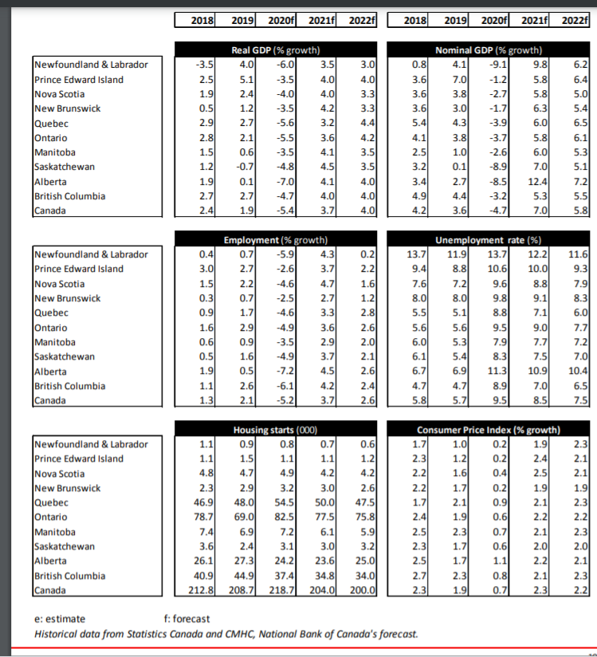
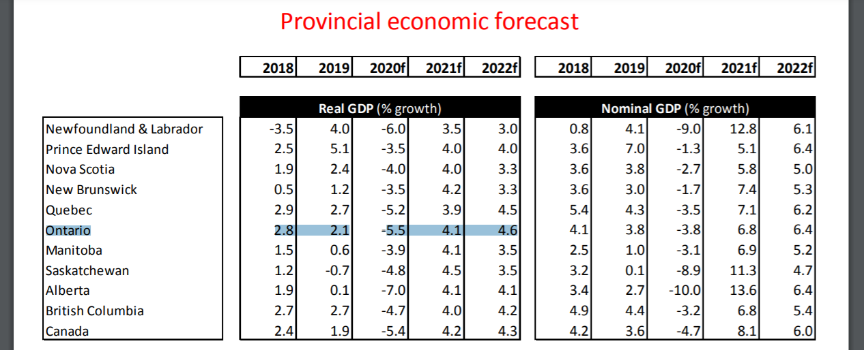

 | Desjardins Economic Studies, December 18, 2020 (Access date Jan 21, 2020)

