Sheet2
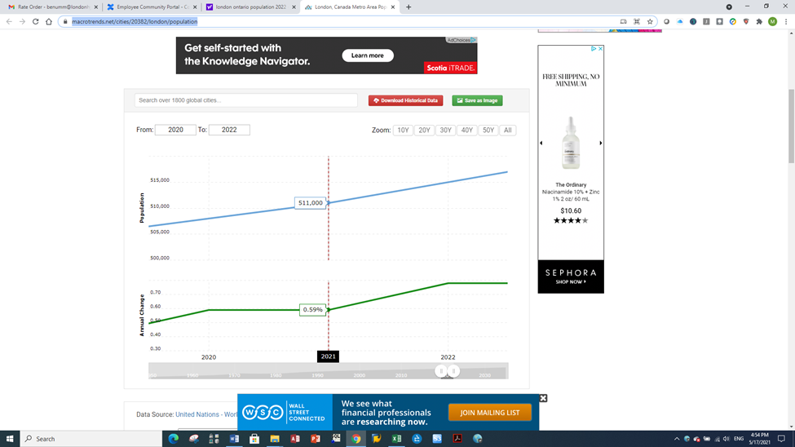
https://www.macrotrends.net/cities/20382/london/population

