2018 EE variance
2018 EE variance calculation

STEP 1: 2018 EE verified savings
http://www.ieso.ca/Sector-Participants/Energy-Efficiency/Evaluation-Measurement-and-Verification
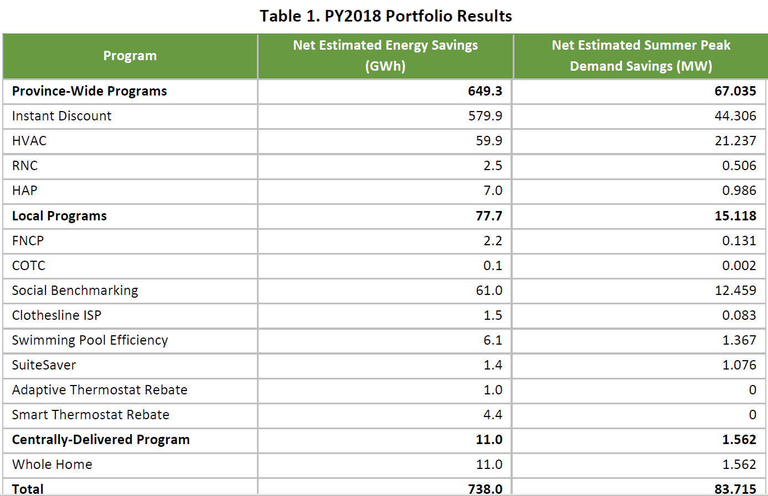

 |  | Res
 | (1) | 83.715

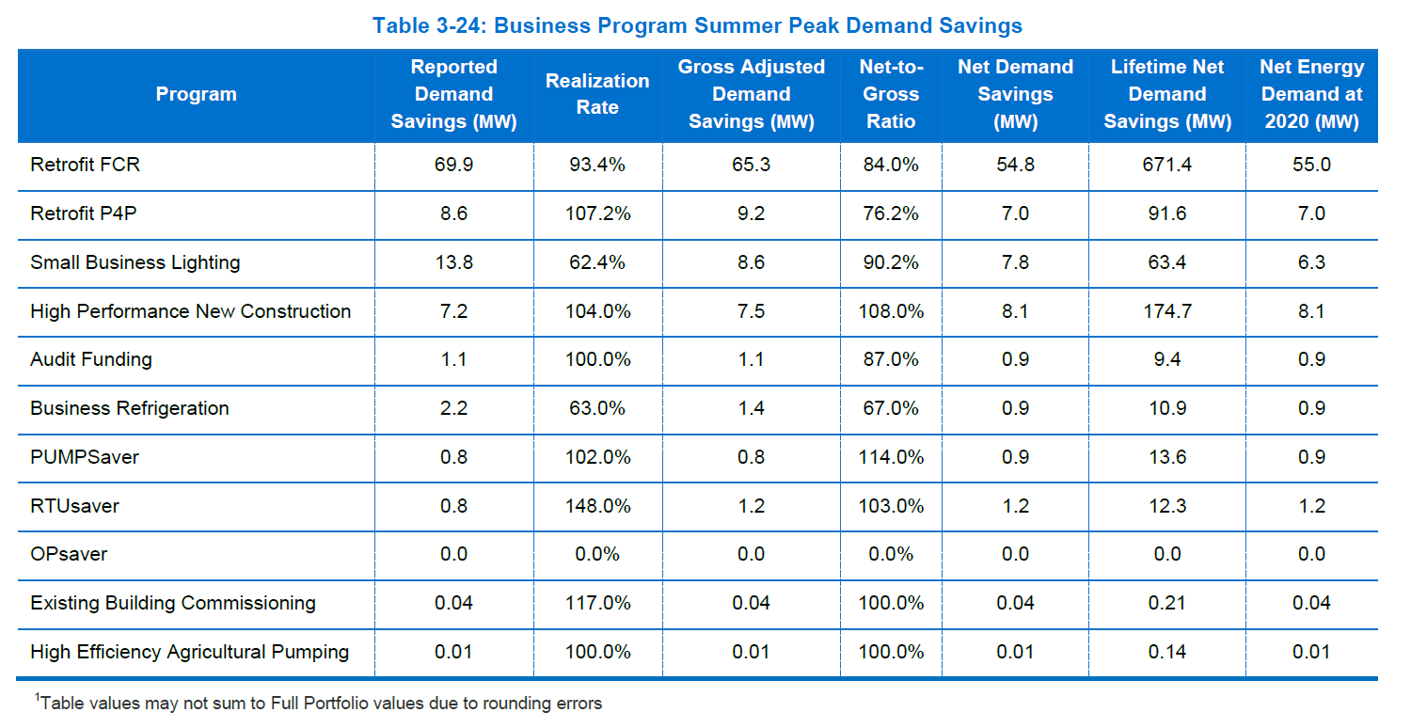
 |  | business
 |  | 54.8
 |  | 7
 |  | 7.8
 |  | 8.1
 |  | 0.9
 |  | 0.9
 |  | 0.9
 |  | 1.2
 |  | 0.04
 |  | 0.01
 | (2) | 81.65

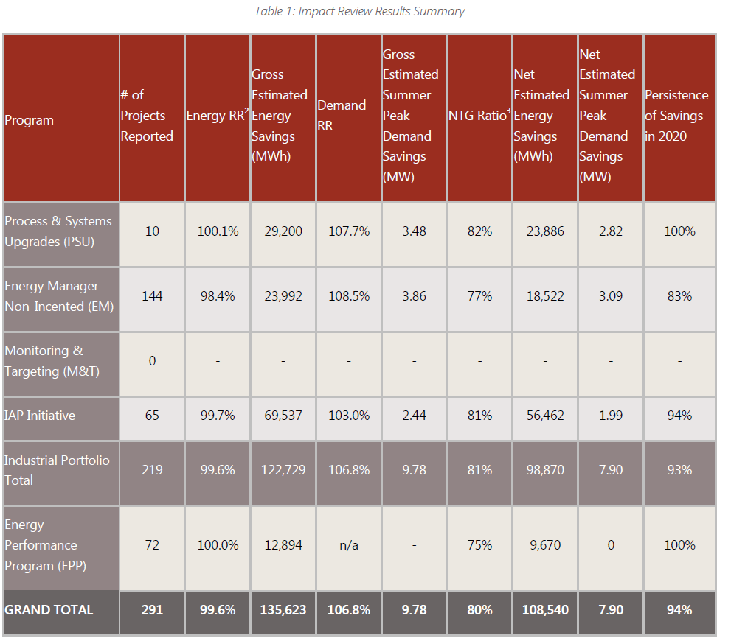

 |  | ind
 | (3) | 7.9

 |  |  | Net estimated Summer peak demand savings (MW)
 | (1) | Res | 84
 | (2) | Com | 82
 | (3) | Ind | 8
 | (4)=(1)+(2)+(3) | Total | 173

STEP 2: Total "verfiied" Savings (EE+C&S)

The table of "IESO 2006-2017 Savings & Pesistence Table" has been provided in the
response to VECC-24 part (d) in EB-2019-0082
 |  |  | 2016 | 2017 | 2018 | Data Source
 | (5) | EE and C&S | 2,512 | 2,598 | 2,562 | 2006-2017 Tally Persistence table
 | (4) | 2018 EE program |  |  | 173 | IESO program evaluation report
 | (6)=(4)+(5) | TOTAL |  |  | 2,736

STEP 3: Forecasted EE &CS Savings in the LF

 |  |  |  |  |  | MW at Genreation level | MW at End use leve | Incremental MW (vs 2016)
 |  |  |  |  | 2016 | 2167 | 2,039
 |  |  |  |  | 2017 | 2099 | 1,976 | (63)
 |  |  |  |  | 2018 | 2391 | 2,251 | 212
 |  |  |  |  | 2019 | 2799 | 2,635 | 596

CDM assumptin in the approved LF
STEP 4: Methodology
- The difference between the incremental change in actual EE peak savings and the incremental change in peak amounts assumed in the approved forecast was used to calculate the variance (Difference of Difference)
- this methodology was used for the 2017 EE variance analysis and approved by the OEB in EB-2019-0082
- the information of " 2006-2017 Tally Persistence " was ONLY used for the variance account calculations
For the purpose of load forecasting, HONI uses total forecast EE and C&S CDM peak savings per the 2013 LTEP in order to have a consistent data set across historical and forecast years, consistent with the t load forecasting mythology previously approved by the OEB.
Updated Estimated Saving from the IESO

A- 2016 EE+ C&S
B-A: incremental CDM in the approved LF

B- 2018 EE+ C&S
C- 2016 EE+ C&S

D-C: incremental CDM from the udpated "verified ' savings

D- 2018 EE+ C&S

Variance
(D-C) -(B-A) Table 1
OR
(D-B)-(C-A) table 2

STEP 5: RESULT

 | Table 1
 |  | (A) | (B) | ( C )=(B)-(A) | (D) | (E ) | (F)=(E )-(D)
 | Month | LF assumption at the end use level (KW) |  |  | IESO estimated saving resutls (KW) |  |  | variance in KW (Dif of dif)= (F-C) | HONI Uniform Transmission Rates ($/kW) | vairance $
 |  | 2016 | 2018 | dif (2018 vs 2016)-A | 2016 | 2018 | dif (2018 vs 2016) | 2018 | 2018 | 2018
 | 1 | 1,433,588 | 1,648,546 | 214,958 | 1,766,438 | 2,003,217 | 236,780 | 21,822 | 6.5122 | 142,108
 | 2 | 1,419,005 | 1,630,332 | 211,327 | 1,748,469 | 1,981,085 | 232,616 | 21,289 | 6.5122 | 138,638
 | 3 | 1,312,901 | 1,509,620 | 196,718 | 1,617,730 | 1,834,403 | 216,672 | 19,954 | 6.5122 | 129,944
 | 4 | 1,342,374 | 1,530,175 | 187,801 | 1,654,046 | 1,859,380 | 205,334 | 17,533 | 6.5122 | 114,180
 | 5 | 1,417,979 | 1,616,296 | 198,317 | 1,747,205 | 1,964,029 | 216,824 | 18,507 | 6.5122 | 120,524
 | 6 | 1,874,071 | 2,137,253 | 263,182 | 2,309,192 | 2,597,067 | 287,874 | 24,692 | 6.5122 | 160,800
 | 7 | 2,038,958 | 2,251,219 | 212,261 | 2,512,363 | 2,735,551 | 223,188 | 10,927 | 6.5122 | 71,162
 | 8 | 1,855,321 | 2,119,127 | 263,806 | 2,286,088 | 2,575,041 | 288,952 | 25,146 | 6.5122 | 163,755
 | 9 | 1,681,441 | 1,918,504 | 237,062 | 2,071,838 | 2,331,255 | 259,417 | 22,355 | 6.5122 | 145,577
 | 10 | 1,326,777 | 1,517,268 | 190,492 | 1,634,827 | 1,843,697 | 208,869 | 18,378 | 6.5122 | 119,680
 | 11 | 1,353,137 | 1,551,232 | 198,096 | 1,667,308 | 1,884,968 | 217,660 | 19,565 | 6.5122 | 127,409
 | 12 | 1,439,403 | 1,653,677 | 214,274 | 1,773,603 | 2,009,452 | 235,849 | 21,575 | 6.5122 | 140,503
 |  |  |  |  |  |  |  | 241,743 |  | 1,574,279

 | Table 2
 |  | (G)=(D)-(A) | (H)=( E )-(B) | (I)=(H)-(G)
 |  | 2016 | 2018 | EE Variance
 | 1 | 332,850 | 354,672 | 21,822
 | 2 | 329,464 | 350,753 | 21,289
 | 3 | 304,829 | 324,783 | 19,954
 | 4 | 311,672 | 329,205 | 17,533
 | 5 | 329,226 | 347,733 | 18,507
 | 6 | 435,121 | 459,813 | 24,692
 | 7 | 473,405 | 484,332 | 10,927
 | 8 | 430,768 | 455,914 | 25,146
 | 9 | 390,397 | 412,751 | 22,355
 | 10 | 308,051 | 326,428 | 18,378
 | 11 | 314,171 | 333,735 | 19,565
 | 12 | 334,200 | 355,776 | 21,575
 |  |  |  | 241,743

2019 EE Variance
Interim Framework Programs
Retrofit Program
Small Business Lighting Program
Refrigeration Efficiency Program
Energy Performance Program
Energy Manager Program
Process and Systems Upgrades Program
Home Assistance Program
Key Findings and Recommendations Summaries (Interim Framework)
Retrofit Program
Small Business Lighting Program
Refrigeration Efficiency Program
Energy Performance Program
Energy Manager Program & Process and Systems Upgrades Program
Home Assistance Program
Conservation First Framework Programs
Business Programs
Residential Programs
Industrial Programs and Energy Performance Programs
2019 EE variance calculation

PY2019 Interim Framework Retrofit Evaluation Report.pdf
Page 25
STEP 1: 2019 EE verified savings
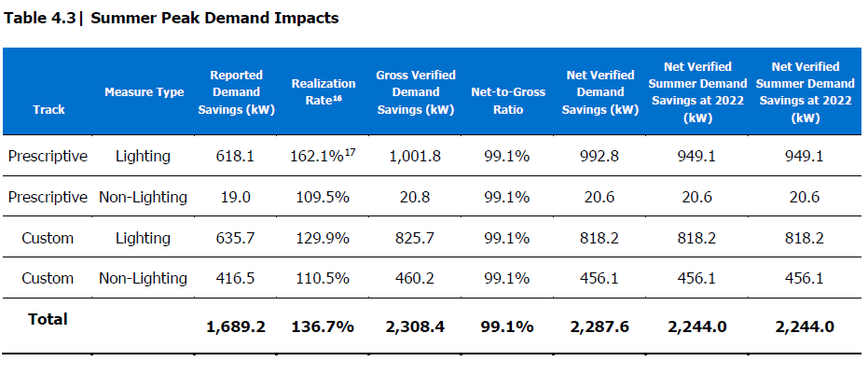

PY2019 Interim Framework Evaluation Report
Home Assistance Program
October 29, 2020

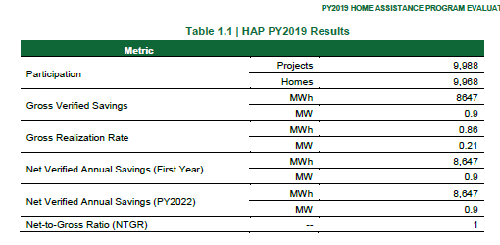

2019 Interim Framework Small Business Lighting Evaluation Report
Submitted to IESO
November 26th, 2020

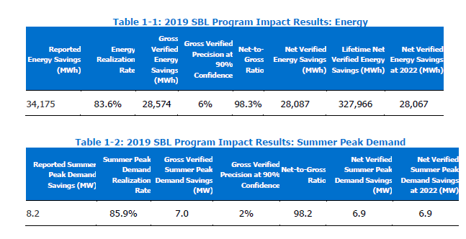

 |  |  |  |  |  |  |  |  |  |  |  |  | MW
 |  |  |  |  |  |  |  |  |  |  | IF | retrofit program | 2.2876
 |  |  |  |  |  |  |  |  |  |  | IF | Home assistance program | 0.9
2019 Interim Framework Refrigeration Efficiency Program Evaluation Report
Submitted to IESO
November 25th, 2020
 |  |  |  |  |  |  |  |  |  |  | IF | Small business lighting | 6.9
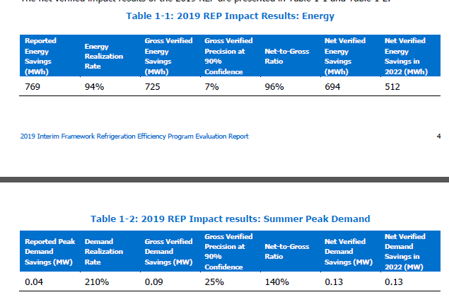
 |  |  |  |  |  |  |  |  |  |  | IF | refrigeration efficiency | 0.13

 |  |  |  |  |  |  |  |  |  |  | CFF | Res | 12.359
 |  |  |  |  |  |  |  |  |  |  | CFF | business | 36.632
 |  |  |  |  |  |  |  |  |  |  | CFF | ind | 11.23
 |  |  |  |  |  |  |  |  |  |  |  |  | 70.4386

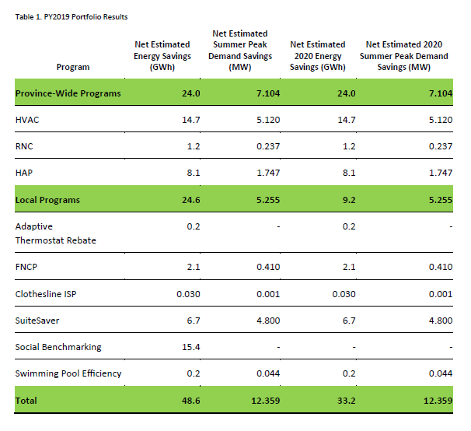
Evaluation of PY2019 Residential Programs
ADDENDUM TO EVALUATION OF 2018 RESIDENTIAL PROGRAMS REPORT
June 18, 2020, V2 2020

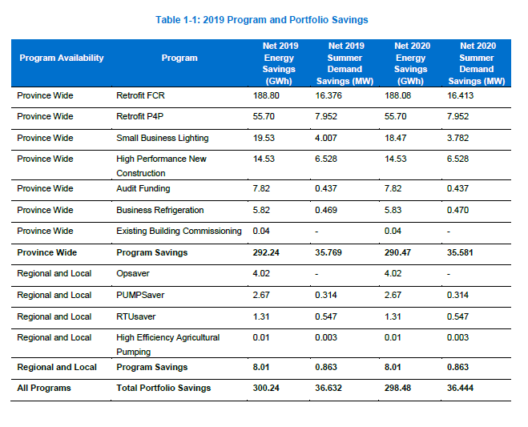
 |  |  |  |  |  |  |  |  |  |  |  |  |  | 2018
 |  |  |  |  |  |  |  |  |  |  |  |  |  | Net estimated Summer peak demand savings (MW)
 |  |  |  |  |  |  |  |  |  |  |  |  | Res | 83.715
 |  |  |  |  |  |  |  |  |  |  |  |  | Com | 81.65
Evaluation of 2019 Conservation First Framework Business Programs
An Addendum to the Evaluation of the 2018 CFF Business Programs Report
Submitted to IESO
November 3rd, 2020
 |  |  |  |  |  |  |  |  |  |  |  |  | Ind | 7.9
 |  |  |  |  |  |  |  |  |  |  |  |  | Total | 173.265 | (1)

 |  |  |  |  |  |  |  |  |  |  |  |  |  | 2019
 |  |  |  |  |  |  |  |  |  |  |  |  |  | Net estimated Summer peak demand savings (MW)
 |  |  |  |  |  |  |  |  |  |  |  |  | Res | 12.359
 |  |  |  |  |  |  |  |  |  |  |  |  | business | 36.632
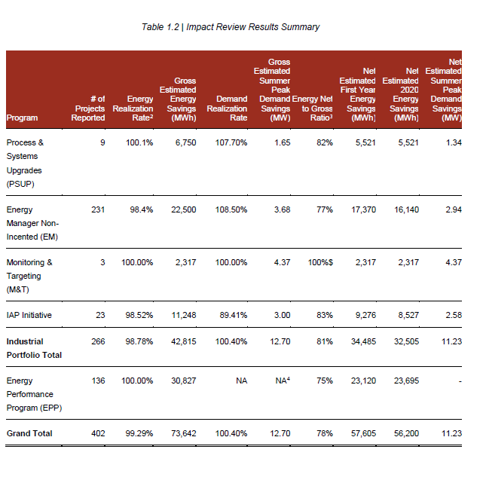
 |  |  |  |  |  |  |  |  |  |  |  |  | ind | 11.23
 |  |  |  |  |  |  |  |  |  |  |  |  | Total | 60.221 | (2)
PROGRAM YEAR 2019 REVIEW REPORT: AN ADDENDUM TO PY2018 REVIEW REPORT
CONSERVATION FIRST FRAMEWORK INDUSTRIAL PORTFOLIO AND ENERGY PERFORMANCE PROGRAM PY2019

STEP 2: Total "verfiied" Savings (EE+C&S)

The table of "IESO 2006-2017 Savings & Pesistence Table" has been provided in the
response to VECC-24 part (d) in EB-2019-0082,
 |  |  | 2016 | 2017 | 2018 | 2019 | Data Source
(3) |  | EE and C&S | 2,512 | 2,598 | 2,562 | 2,532 | 2006-2017 Tally Persistence table
(1) |  | 2018 EE program |  |  | 173 | 173 | 2018 IESO program evaluation report
(2) |  | 2019 EE program |  |  |  | 60 | 2019 IESO program evaluation report
(4)=(1)+(2)+(3) |  | TOTAL |  |  | 2,736 | 2,766

STEP 3: Forecasted EE &CS Savings in the LF

Hydro One’s application is based on a Revenue Cap Incentive Rate-Setting (“IR”). The revenue for the 2019 test year is equal to the revenue in year 2018.
 |  |  |  |  |  | MW at Genreation level | MW at End use leve | Incremental MW (vs 2016)
 |  |  |  |  | 2016 | 2167 | 2,039
 |  |  |  |  | 2017 | 2099 | 1,976 | (63)
 |  |  |  |  | 2018 | 2391 | 2,251 | 212
 |  |  |  |  | 2019 | 2391 | 2,251 | 212

CDM assumptin in the approved LF

Updated Estimated Saving from the IESO
STEP 4: Methodology
- The difference between the incremental change in actual EE peak savings and the incremental change in peak amounts assumed in the approved forecast was used to calculate the variance (Difference of Difference)
- this methodology was used for the 2017 EE variance analysis and approved by the OEB in EB-2019-0082
- the information of " 2006-2017 Tally Persistence " was ONLY used for the variance account calculations
For the purpose of load forecasting, HONI uses total forecast EE and C&S CDM peak savings per the 2013 LTEP in order to have a consistent data set across historical and forecast years, consistent with the t load forecasting mythology previously approved by the OEB.
A- 2016 EE+ C&S
B-A: incremental CDM in the approved LF

B- 2018 EE+ C&S
C- 2016 EE+ C&S

D-C: incremental CDM from the udpated "verified ' savings

D- 2018 EE+ C&S

Variance
(D-C) -(B-A) Table 1
OR
(D-B)-(C-A) table 2

STEP 5: RESULT

 | Table 1
 |  | (A) | (B) | ( C )=(B)-(A) | (D) | (E ) | (F)=(E )-(D)
 | Month | LF assumption at the end use level (KW) |  |  | IESO EE saving EMV resutls (KW) |  |  | variance in KW (Dif of dif)= (F-C) | HONI Uniform Transmission Rates ($/kW) | vairance $
 |  | 2016 | 2019 | dif (2019 vs 2016) | 2016 | 2019 | dif (2019 vs 2016) | 2019 | 2019 | 2019
 | 1 | 1,433,588 | 1,648,546 | 214,958 | 1,766,438 | 2,025,406 | 258,969 | 44,010.60 | 6.74 | 296,663
 | 2 | 1,419,005 | 1,630,332 | 211,327 | 1,748,469 | 2,003,029 | 254,560 | 43,232.72 | 6.74 | 291,420
 | 3 | 1,312,901 | 1,509,620 | 196,718 | 1,617,730 | 1,854,722 | 236,991 | 40,272.80 | 6.74 | 271,468
 | 4 | 1,342,374 | 1,530,175 | 187,801 | 1,654,046 | 1,879,976 | 225,930 | 38,128.79 | 6.74 | 257,015
 | 5 | 1,417,979 | 1,616,296 | 198,317 | 1,747,205 | 1,985,784 | 238,579 | 40,262.25 | 6.74 | 271,397
 | 6 | 1,874,071 | 2,137,253 | 263,182 | 2,309,192 | 2,625,833 | 316,641 | 53,458.75 | 6.74 | 360,350
 | 7 | 2,038,958 | 2,251,219 | 212,261 | 2,512,363 | 2,765,851 | 253,489 | 41,228.04 | 6.74 | 277,907
 | 8 | 1,855,321 | 2,119,127 | 263,806 | 2,286,088 | 2,603,563 | 317,475 | 53,668.51 | 6.74 | 361,764
 | 9 | 1,681,441 | 1,918,504 | 237,062 | 2,071,838 | 2,357,077 | 285,239 | 48,176.89 | 6.74 | 324,747
 | 10 | 1,326,777 | 1,517,268 | 190,492 | 1,634,827 | 1,864,118 | 229,291 | 38,799.70 | 6.74 | 261,538
 | 11 | 1,353,137 | 1,551,232 | 198,096 | 1,667,308 | 1,905,847 | 238,539 | 40,443.66 | 6.74 | 272,619
 | 12 | 1,439,403 | 1,653,677 | 214,274 | 1,773,603 | 2,031,710 | 258,107 | 43,833.32 | 6.74 | 295,468
 |  |  |  |  |  |  |  | 525,516.04 |  | 3,542,356

 | Table 3
 |  | (G)=(D)-(A) | (H)=( E )-(B) | (I)=(H)-(G)
 |  | 2016 | 2019 | EE Variance
 | 1 | 332,850 | 376,861 | 44,011
 | 2 | 329,464 | 372,697 | 43,233
 | 3 | 304,829 | 345,102 | 40,273
 | 4 | 311,672 | 349,801 | 38,129
 | 5 | 329,226 | 369,488 | 40,262
 | 6 | 435,121 | 488,580 | 53,459
 | 7 | 473,405 | 514,633 | 41,228
 | 8 | 430,768 | 484,436 | 53,669
 | 9 | 390,397 | 438,573 | 48,177
 | 10 | 308,051 | 346,850 | 38,800
 | 11 | 314,171 | 354,614 | 40,444
 | 12 | 334,200 | 378,033 | 43,833
 |  |  |  | 525,516

