Fig 4
Figure 4 – Density: Customers per Distribution Circuit km

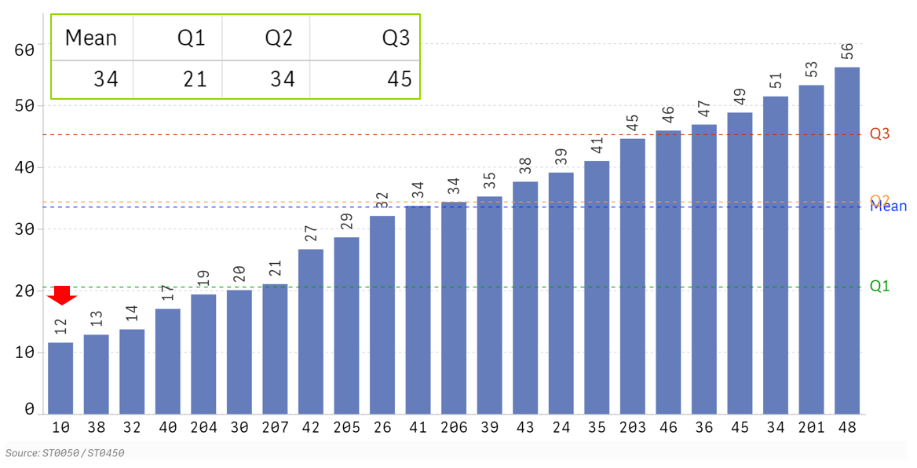
ID num | Cust/Circ km
10 | 12
38 | 13
32 | 14
40 | 17
204 | 19
30 | 20
207 | 21
42 | 27
205 | 29
26 | 32
41 | 34
206 | 34
39 | 35
43 | 38
24 | 39
35 | 41
203 | 45
46 | 46
36 | 47
45 | 49
34 | 51
201 | 53
48 | 56

Questions Asked to Gather Data |  | Raw data will not be supplied for this graph.

ST0050.1Q | Please provide us with the average number of customers per month - ultimate consumers, metered customer locations - as reported to FERC.
ST0050.1 |  | Distribution End-Use Customers | Residential
ST0050.2 |  | Distribution End-Use Customers | Commercial
ST0050.3 |  | Distribution End-Use Customers | Industrial
ST0050.4 |  | Distribution End-Use Customers | Other
ST0050.5 |  | Distribution End-Use Customers | Total
ST0450.1Q | How many distribution primary circuit miles/kilometers were on your system at the end of last year?
ST0450.1 | Circuit Miles | Overhead Circuit miles/kilometers (primary) | Miles/Kilometers
ST0450.2 |  | Underground Residential Distribution Circuit Miles/Kilometers | Miles/Kilometers
ST0450.3 |  | Underground Network Circuit Miles/Kilometers | Miles/Kilometers
ST0450.100 |  | Total

Fig 5
Figure 5 – Density: Customers per Square km

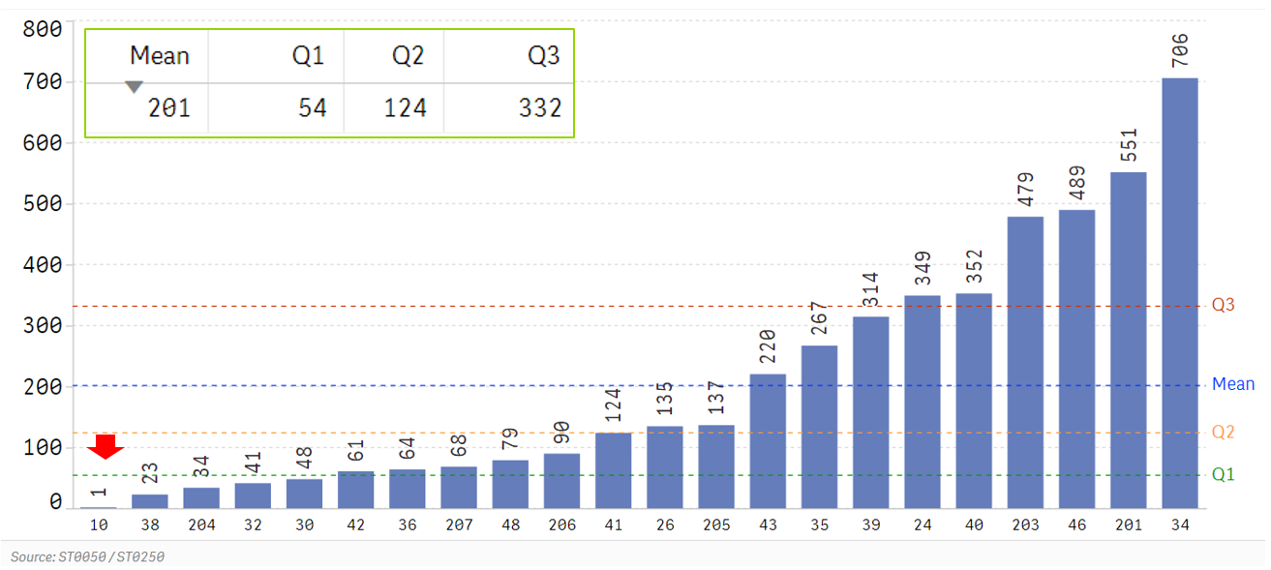
ID num | Cust per sq km
10 | 1
38 | 23
204 | 34
32 | 41
30 | 48
42 | 61
36 | 64
207 | 68
48 | 79
206 | 90
41 | 124
26 | 135
205 | 137
43 | 220
35 | 267
39 | 314
24 | 349
40 | 352
203 | 479
46 | 489
201 | 551
34 | 706

Questions Asked to Gather Data |  | Raw data will not be supplied for this graph.

ST0050.1Q | Please provide us with the average number of customers per month - ultimate consumers, metered customer locations - as reported to FERC.
ST0050.1 |  | Distribution End-Use Customers | Residential
ST0050.2 |  | Distribution End-Use Customers | Commercial
ST0050.3 |  | Distribution End-Use Customers | Industrial
ST0050.4 |  | Distribution End-Use Customers | Other
ST0050.5 |  | Distribution End-Use Customers | Total
ST0250.1Q | What was the number of square miles/kilometers in your service territory? The service territory demographics apply to distribution utilities with defined end-use delivery customers.
ST0250.1 |  | Square Miles/Kilometers in Service Territory

Fig 8
Figure 8 – Percentage of In-Service Poles Inspected in 2019

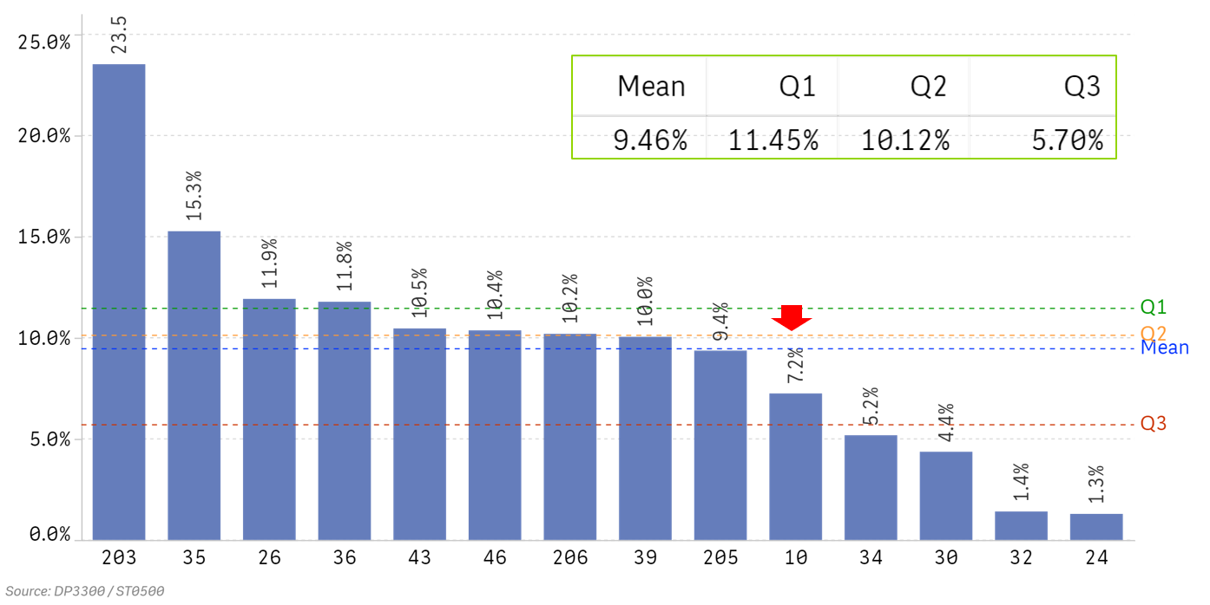
ID num | Percent
203 | 23.5%
35 | 15.3%
26 | 11.9%
36 | 11.8%
43 | 10.5%
46 | 10.4%
206 | 10.2%
39 | 10.0%
205 | 9.4%
10 | 7.2%
34 | 5.2%
30 | 4.4%
32 | 1.4%
24 | 1.3%

Questions Asked to Gather Data

DP3300.1Q | Please provide the number of pole inspections actually completed last year.
DP3300.3 |  | Number of pole inspections completed
ST0500.1Q | How many distribution poles were on your system at year end?
ST0500.1 |  | Poles: Owned and Maintained
ST0500.2 |  | Poles: Maintained only
ST0500.100 |  | Total

Raw data |  |  | Calculation

Quest # | ST0500.1 | DP3300.3
Subtext | Poles: Owned and Maintained | Number of pole inspections completed
203 | 61,683 | 14,512 | 23.5%
35 | 264,870 | 40,435 | 15.3%
26 | 202,283 | 24,118 | 11.9%
36 | 1,213,424 | 142,974 | 11.8%
43 | 1,386,572 | 145,024 | 10.5%
46 | 390,000 | 40,434 | 10.4%
206 | 979,129 | 99,871 | 10.2%
39 | 961,852 | 96,625 | 10.0%
205 | 874,356 | 82,189 | 9.4%
10 | 1,604,582 | 116,288 | 7.2%
34 | 156,833 | 8,126 | 5.2%
30 | 229,214 | 10,000 | 4.4%
32 | 2,151,700 | 30,406 | 1.4%
24 | 378,353 | 4,889 | 1.3%

Fig 9
Figure 9 – Average Age of Distribution Wood Poles

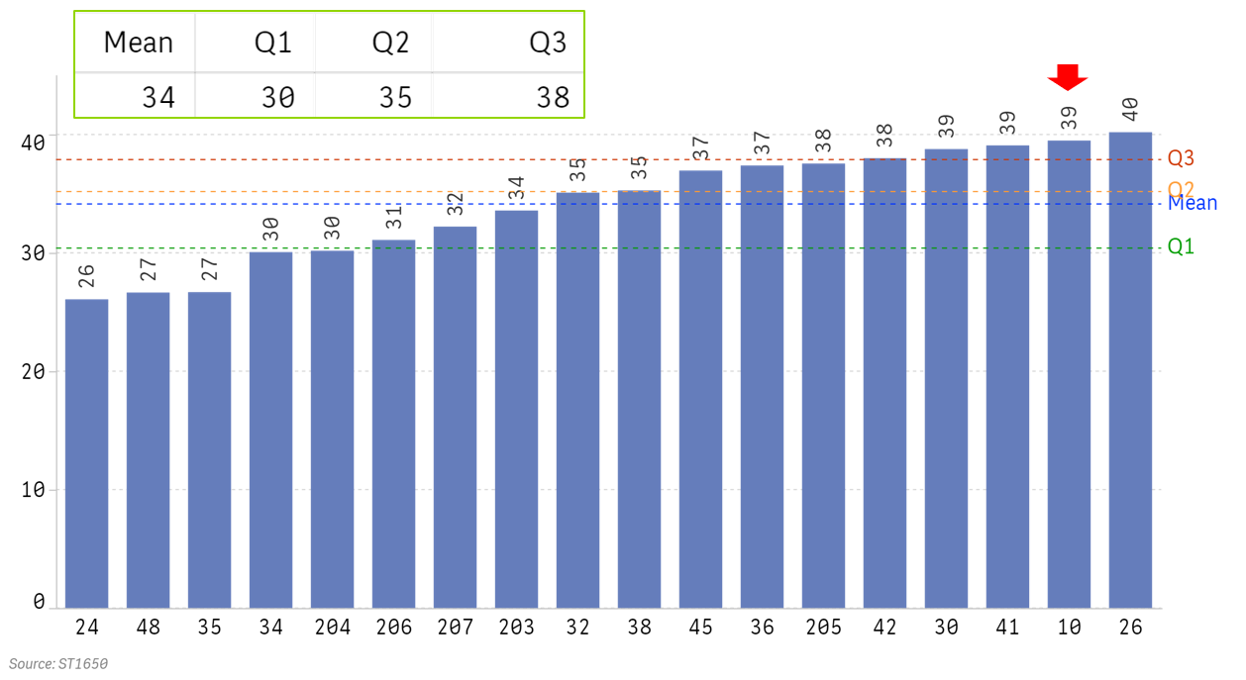
ID num | Years
24 | 26
48 | 27
35 | 27
34 | 30
204 | 30
206 | 31
207 | 32
203 | 34
32 | 35
38 | 35
45 | 37
36 | 37
205 | 38
42 | 38
30 | 39
41 | 39
10 | 39
26 | 40

Questions Asked to Gather Data

ST1650.1Q | How many of your current in-service distribution and secondary poles were installed in each time period listed below?
ST1650.1A |  | Wood | Pre 1960
ST1650.1B |  | Wood | 1960's |  | Calculation | ((ST1650.1A*65+
ST1650.1C |  | Wood | 1970's |  |  | ST1650.1B*55+
ST1650.1D |  | Wood | 1980's |  |  | ST1650.1C*45+
ST1650.1E |  | Wood | 1990's |  |  | ST1650.1D*35+
ST1650.1F |  | Wood | 2000-2009 |  |  | ST1650.1E*25+
ST1650.1G |  | Wood | Since 2010 |  |  | ST1650.1F*15+
ST1650.1H |  | Wood | Unknown |  |  | ST1650.1G*5+
 |  |  |  |  |  | ST1650.1H*35)/
 |  |  |  |  |  | ST1650.Total)

Raw Data |  |  |  |  |  |  |  |  | Calculation

Company ID | ST1650.1A | ST1650.1B | ST1650.1C | ST1650.1D | ST1650.1E | ST1650.1F | ST1650.1G | ST1650.1H
24 | 6,175 | 18,455 | 31,430 | 55,041 | 68,596 | 66,768 | 57,388 | 18,327 | 26
48 | 16,078 | 56,244 | 146,457 | 163,762 | 172,149 | 133,319 | 204,444 |  | 27
35 | 6,246 | 35,053 | 33,019 | 56,626 | 54,454 | 34,333 | 83,688 |  | 27
34 | 0 | 0 | 6 | 0 | 1 | 12,266 | 12,868 | 102,932 | 30
204 | 37,987 | 141,962 | 217,734 | 234,416 | 253,971 | 204,134 | 192,873 | 12,758 | 30
206 | 1,978 | 105,771 | 112,721 | 216,150 | 188,755 | 119,811 | 74,554 | 3,007 | 31
207 | 8,815 | 53,843 | 122,997 | 223,600 | 95,522 | 109,602 | 170,139 | 1,255,266 | 32
203 | 7,972 | 9,013 | 8,593 | 6,446 | 7,099 | 8,371 | 11,853 | 2,863 | 34
32 | 40,577 | 638,083 | 301,730 | 442,804 | 299,784 | 305,960 | 255,699 | 36,299 | 35
38 | 12,815 | 20,676 | 32,855 | 59,923 | 106,246 | 0 | 0 |  | 35
45 | 22,165 | 31,339 | 9,598 | 11,261 | 6,172 | 847 | 32,833 | 52,319 | 37
36 | 295,579 | 246,059 | 76,450 | 100,376 | 71,452 | 137,169 | 274,547 |  | 37
205 | 163,290 | 130,205 | 148,838 | 112,979 | 122,994 | 86,942 | 121,791 | 43,545 | 38
42 | 25,424 | 24,709 | 20,466 | 17,458 | 15,179 | 9,832 | 20,720 | 30,396 | 38
30 | 24,645 | 40,643 | 48,119 | 32,922 | 39,713 | 27,134 | 7,633 | 8,405 | 39
41 | 38,354 | 31,786 | 34,750 | 34,848 | 33,183 | 18,289 | 17,103 | 18,392 | 39
10 | 416,411 | 230,636 | 297,451 | 404,294 | 220,056 | 175,376 | 183,851 | 48,612 | 39
26 | 42,086 | 32,034 | 34,665 | 29,766 | 25,376 | 18,685 | 19,078 | 499 | 40

Fig 10
 | Figure 10 -- Percentage of Current In-Service Distribution and Secondary Wood Poles
 | Installed by Decade

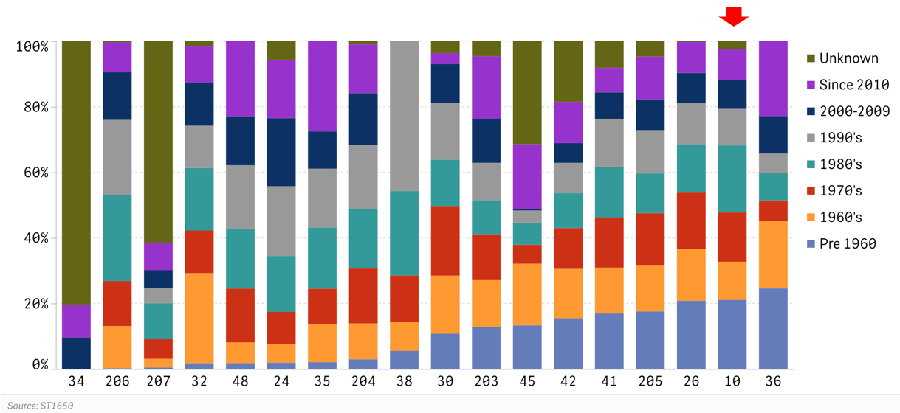
ID num | Pre 1960 | 1960's | 1970's | 1980's | 1990's | 2000-2009 | Since 2010 | Unknown
34 | 0% | 0% | 0% | 0% | 0% | 10% | 10% | 80%
206 | 0% | 13% | 14% | 26% | 23% | 15% | 9% | 0%
207 | 0% | 3% | 6% | 11% | 5% | 5% | 8% | 62%
32 | 2% | 27% | 13% | 19% | 13% | 13% | 11% | 2%
48 | 2% | 6% | 16% | 18% | 19% | 15% | 23% | 0%
24 | 2% | 6% | 10% | 17% | 21% | 21% | 18% | 6%
35 | 2% | 12% | 11% | 19% | 18% | 11% | 28% | 0%
204 | 3% | 11% | 17% | 18% | 20% | 16% | 15% | 1%
38 | 6% | 9% | 14% | 26% | 46% | 0% | 0% | 0%
30 | 11% | 18% | 21% | 14% | 17% | 12% | 3% | 4%
203 | 13% | 14% | 14% | 10% | 11% | 13% | 19% | 5%
45 | 13% | 19% | 6% | 7% | 4% | 1% | 20% | 31%
42 | 15% | 15% | 12% | 11% | 9% | 6% | 13% | 19%
41 | 17% | 14% | 15% | 15% | 15% | 8% | 8% | 8%
205 | 18% | 14% | 16% | 12% | 13% | 9% | 13% | 5%
26 | 21% | 16% | 17% | 15% | 13% | 9% | 9% | 0%
10 | 21% | 12% | 15% | 20% | 11% | 9% | 9% | 2%
36 | 25% | 20% | 6% | 8% | 6% | 11% | 23% | 0%

Questions Asked to Gather Data

ST1650.1Q | How many of your current in-service distribution and secondary poles were installed in each time period listed below?
ST1650.1A |  | Wood | Pre 1960
ST1650.1B |  | Wood | 1960's
ST1650.1C |  | Wood | 1970's
ST1650.1D |  | Wood | 1980's
ST1650.1E |  | Wood | 1990's
ST1650.1F |  | Wood | 2000-2009
ST1650.1G |  | Wood | Since 2010
ST1650.1H |  | Wood | Unknown
ST1650.1T |  | Wood | Total

Raw Data |  |  |  |  |  |  |  |  |  | Calculation

Company ID | Pre 1960 | 1960's | 1970's | 1980's | 1990's | 2000-2009 | Since 2010 | Unknown |  | Pre 1960 | 1960's | 1970's | 1980's | 1990's | 2000-2009 | Since 2010 | Unknown
34 | 0 | 0 | 6 | 0 | 1 | 12,266 | 12,868 | 102,932 | 128,073 | 0% | 0% | 0% | 0% | 0% | 10% | 10% | 80%
206 | 1,978 | 105,771 | 112,721 | 216,150 | 188,755 | 119,811 | 74,554 | 3,007 | 822,747 | 0% | 13% | 14% | 26% | 23% | 15% | 9% | 0%
207 | 8,815 | 53,843 | 122,997 | 223,600 | 95,522 | 109,602 | 170,139 | 1,255,266 | 2,039,784 | 0% | 3% | 6% | 11% | 5% | 5% | 8% | 62%
32 | 40,577 | 638,083 | 301,730 | 442,804 | 299,784 | 305,960 | 255,699 | 36,299 | 2,320,936 | 2% | 27% | 13% | 19% | 13% | 13% | 11% | 2%
48 | 16,078 | 56,244 | 146,457 | 163,762 | 172,149 | 133,319 | 204,444 | 0 | 892,453 | 2% | 6% | 16% | 18% | 19% | 15% | 23% | 0%
24 | 6,175 | 18,455 | 31,430 | 55,041 | 68,596 | 66,768 | 57,388 | 18,327 | 322,180 | 2% | 6% | 10% | 17% | 21% | 21% | 18% | 6%
35 | 6,246 | 35,053 | 33,019 | 56,626 | 54,454 | 34,333 | 83,688 | 0 | 303,419 | 2% | 12% | 11% | 19% | 18% | 11% | 28% | 0%
204 | 37,987 | 141,962 | 217,734 | 234,416 | 253,971 | 204,134 | 192,873 | 12,758 | 1,295,835 | 3% | 11% | 17% | 18% | 20% | 16% | 15% | 1%
38 | 12,815 | 20,676 | 32,855 | 59,923 | 106,246 | 0 | 0 | 0 | 232,515 | 6% | 9% | 14% | 26% | 46% | 0% | 0% | 0%
30 | 24,645 | 40,643 | 48,119 | 32,922 | 39,713 | 27,134 | 7,633 | 8,405 | 229,214 | 11% | 18% | 21% | 14% | 17% | 12% | 3% | 4%
203 | 7,972 | 9,013 | 8,593 | 6,446 | 7,099 | 8,371 | 11,853 | 2,863 | 62,210 | 13% | 14% | 14% | 10% | 11% | 13% | 19% | 5%
45 | 22,165 | 31,339 | 9,598 | 11,261 | 6,172 | 847 | 32,833 | 52,319 | 166,534 | 13% | 19% | 6% | 7% | 4% | 1% | 20% | 31%
42 | 25,424 | 24,709 | 20,466 | 17,458 | 15,179 | 9,832 | 20,720 | 30,396 | 164,184 | 15% | 15% | 12% | 11% | 9% | 6% | 13% | 19%
41 | 38,354 | 31,786 | 34,750 | 34,848 | 33,183 | 18,289 | 17,103 | 18,392 | 226,705 | 17% | 14% | 15% | 15% | 15% | 8% | 8% | 8%
205 | 163,290 | 130,205 | 148,838 | 112,979 | 122,994 | 86,942 | 121,791 | 43,545 | 930,584 | 18% | 14% | 16% | 12% | 13% | 9% | 13% | 5%
26 | 42,086 | 32,034 | 34,665 | 29,766 | 25,376 | 18,685 | 19,078 | 499 | 202,189 | 21% | 16% | 17% | 15% | 13% | 9% | 9% | 0%
10 | 416,411 | 230,636 | 297,451 | 404,294 | 220,056 | 175,376 | 183,851 | 48,612 | 1,976,687 | 21% | 12% | 15% | 20% | 11% | 9% | 9% | 2%
36 | 295,579 | 246,059 | 76,450 | 100,376 | 71,452 | 137,169 | 274,547 | 0 | 1,201,632 | 25% | 20% | 6% | 8% | 6% | 11% | 23% | 0%

Fig 11
Figure 11 – Percentage of Distribution Wood Poles Replaced and
Planned or Projected to be Replaced Annually
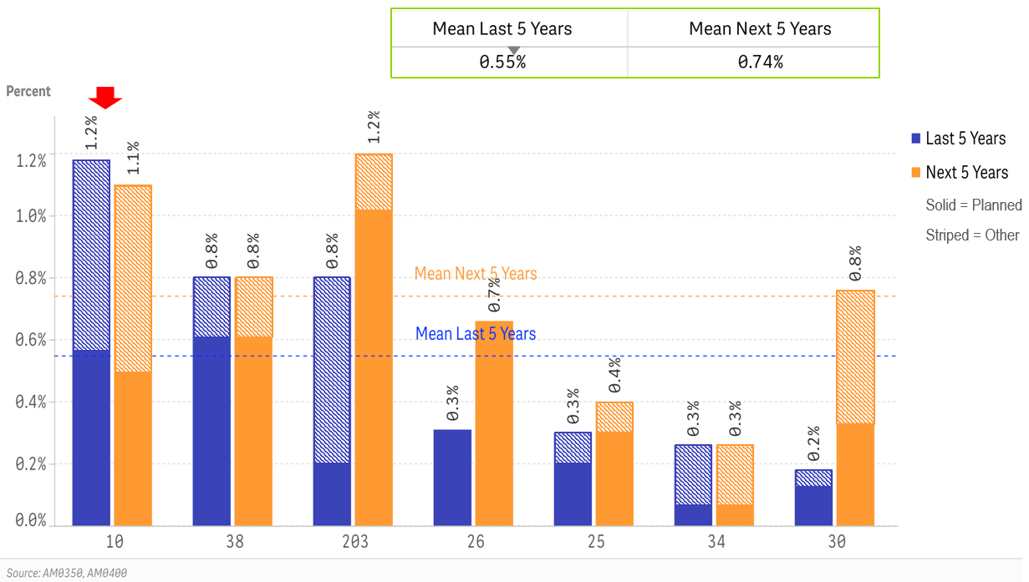
ID num | Last 5 Years | Next 5 Years
10 | 1.2% | 1.1%
38 | 0.8% | 0.8%
203 | 0.8% | 1.2%
26 | 0.3% | 0.7%
25 | 0.3% | 0.4%
34 | 0.3% | 0.3%
30 | 0.2% | 0.8%

Questions Asked to Gather Data

AM0350.1Q | What percent of components were replaced in the last 5 years? (include all actual component replacements for all reasons, regardless of whether they were paid for as O&M or as capital)
AM0350.1 |  | Transformers | % Replaced - Planned Program
AM0350.2 |  | Wood Poles | % Replaced - Planned Program
AM0350.3 |  | Transformers | % Replaced - Other Reasons
AM0350.4 |  | Wood Poles | % Replaced - Other Reasons
AM0400.1Q | What percent of components are you planning or expecting to replace in the next 5 years? (include all expected component replacements for all reasons)
AM0400.1 |  | Transformers | % Replaced - Planned Program
AM0400.2 |  | Wood Poles | % Replaced - Planned Program
AM0400.3 |  | Transformers | % Replaced - Other Reasons
AM0400.4 |  | Wood Poles | % Replaced - Other Reasons

Raw Data |  |  |  |  | Calculation

Quest # | AM0350.2 | AM0350.4 | AM0400.2 | AM0400.4
Subtext | Wood Poles | Wood Poles | Wood Poles | Wood Poles
Detail | % Replaced - Planned Program | % Replaced - Other Reasons | % Replaced - Planned Program | % Replaced - Other Reasons | % Replaced - Planned Program | % Replaced - Other Reasons | % Replaced - Planned Program | % Replaced - Other Reasons | Last 5 Years | Next 5 Years
Company ID
10 | 2.80 | 3.10 | 2.40 | 3.10 | 0.56 | 0.62 | 0.48 | 0.62 | 1.18 | 1.10
38 | 3.00 | 1.00 | 3.00 | 1.00 | 0.60 | 0.20 | 0.60 | 0.20 | 0.80 | 0.80
203 | 1.00 | 3.00 | 5.00 | 1.00 | 0.20 | 0.60 | 1.00 | 0.20 | 0.80 | 1.20
26 | 1.55 | 0.00 | 3.30 | 0.00 | 0.31 | 0.00 | 0.66 | 0.00 | 0.31 | 0.66
25 | 1.00 | 0.50 | 1.50 | 0.50 | 0.20 | 0.10 | 0.30 | 0.10 | 0.30 | 0.40
34 | 0.32 | 1.00 | 0.32 | 1.00 | 0.06 | 0.20 | 0.06 | 0.20 | 0.26 | 0.26
30 | 0.80 | 0.30 | 1.60 | 2.20 | 0.16 | 0.06 | 0.32 | 0.44 | 0.22 | 0.76

Fig 12
Figure 12 -- Percent of Total In-Service Poles on List for Replacement at End of 2019

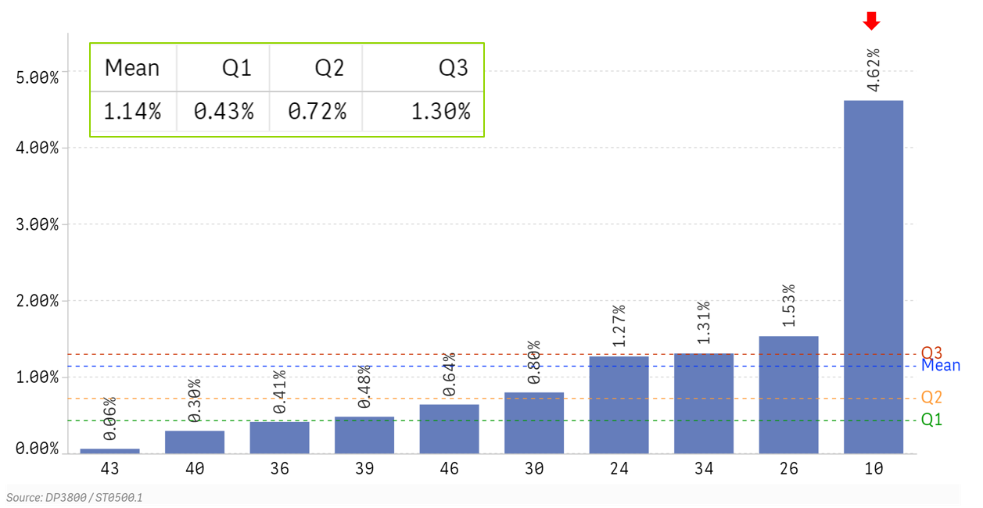
ID Num | Percent
43 | 0.06%
40 | 0.30%
36 | 0.41%
39 | 0.48%
46 | 0.64%
30 | 0.80%
24 | 1.27%
34 | 1.31%
26 | 1.53%
10 | 4.62%

Questions Asked to Gather Data

DP3800.1Q | As of the end of last year, how many wood poles were in your work backlog for replacement or refurbishment?
DP3800.1 | Backlog | # of Poles to be Replaced
DP3800.2 |  | # of Poles to be Refurbished
ST0500.1Q | How many distribution poles were on your system at year end?
ST0500.1 |  | Poles: Owned and Maintained
ST0500.2 |  | Poles: Maintained only
ST0500.100 |  | Total

Raw Data |  |  | Calculation

Quest # | DP3800.1 | ST0500.1
Subtext | # of Poles to be Replaced | Poles: Owned and Maintained
Company ID
43 | 859 | 1,386,572 | 0.06%
40 | 1,072 | 361,972 | 0.30%
36 | 5,016 | 1,213,424 | 0.41%
39 | 4,624 | 961,852 | 0.48%
46 | 2,500 | 390,000 | 0.64%
30 | 1,829 | 229,214 | 0.80%
24 | 4,800 | 378,353 | 1.27%
34 | 2,052 | 156,833 | 1.31%
26 | 3,102 | 202,283 | 1.53%
10 | 74,065 | 1,604,582 | 4.62%

 |  |  |  | #DIV/0!

Fig 13
Figure 13 -- Months to Replace or Refurbish a Pole After a Failed Inspection

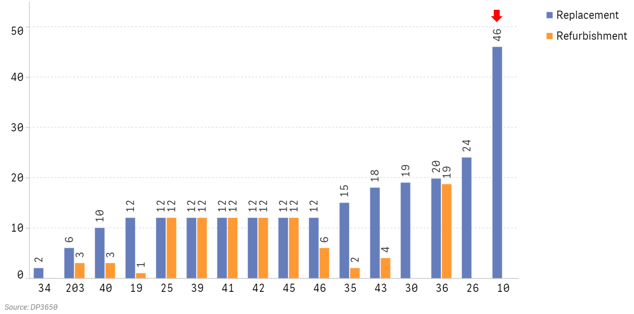
ID num | Replacement | Refurbishment
34 | 2 | -
203 | 6 | 3
40 | 10 | 3
19 | 12 | 1
25 | 12 | 12
39 | 12 | 12
41 | 12 | 12
42 | 12 | 12
45 | 12 | 12
46 | 12 | 6
35 | 15 | 2
43 | 18 | 4
30 | 19 | -
36 | 19.8 | 18.7
26 | 24 | -
10 | 46 | -

Questions Asked to Gather Data |  | Raw data above

DP3650.1Q | On average, how long does it take to replace or refurbish a pole after a failed inspection?
DP3650.1 |  | Pole Replacement | Months After Failed Inspection
DP3650.2 |  | Pole Refurbishment | Months After Failed Inspection

Fig 14
 |  |  |  |  | Figure 14 -- Spending on Pole Replacement per Pole Replaced

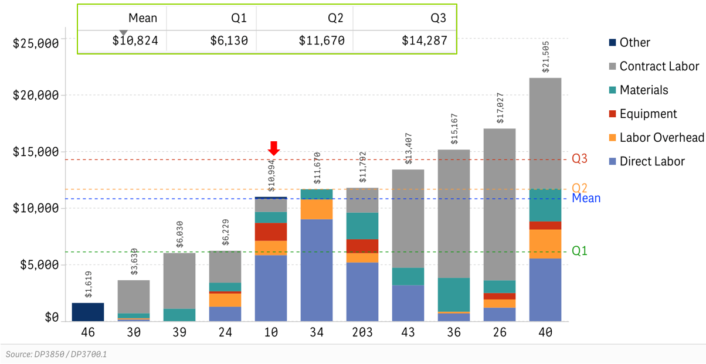
ID num | Direct Labor | Labor Overhead | Equipment | Materials | Contract Labor | Other
46 | $0 | $0 | $0 | $0 | $0 | $1,619 | $1,619
30 | $157 | $86 | $24 | $444 | $2,919 | $0 | $3,630
39 | $0 | $0 | $0 | $1,113 | $4,918 | $0 | $6,030
24 | $1,284 | $1,168 | $191 | $766 | $2,819 | $0 | $6,229
10 | $5,860 | $1,276 | $1,599 | $960 | $1,133 | $162 | $10,990
34 | $9,015 | $1,749 | $0 | $906 | $0 | $0 | $11,670
203 | $5,197 | $820 | $1,230 | $2,361 | $2,186 | $0 | $11,792
43 | $3,180 | $0 | $0 | $1,554 | $8,672 | $0 | $13,407
36 | $693 | $148 | $0 | $2,998 | $11,327 | $0 | $15,167
26 | $1,203 | $727 | $564 | $1,124 | $13,409 | $0 | $17,027
40 | $5,546 | $2,563 | $715 | $2,919 | $9,763 | $0 | $21,505

Questions Asked to Gather Data

DP3700.1Q | How many wood poles did you replace or refurbish last year?
DP3700.1 |  | # of Poles Replaced - Programmatic
DP3700.2 |  | # of Poles Replaced - Emergency Replacement
DP3700.3 |  | # of Poles Refurbished
DP3850.1Q | What did you spend on planned pole REPLACEMENT last year? (This includes the cost of pole replacement and any other components attached to the pole. This is likely to be tracked as a capital cost).
DP3850.1 |  | Company Direct Labor ($)
DP3850.2 |  | Company Direct Labor Overheads ($)
DP3850.3 |  | Equipment Cost ($)
DP3850.4 |  | Material Cost ($)
DP3850.5 |  | Contract Labor / Services Cost ($)
DP3850.6 |  | Breakdown Unavailable
DP3850.7 |  | Company Labor (Hours)

Raw Data |  |  |  |  |  |  |  |  | Calculation

Quest # | DP3850.1 | DP3850.2 | DP3850.3 | DP3850.4 | DP3850.5 | DP3850.6 |  | DP3700.1
Subtext | Company Direct Labor ($) | Company Direct Labor Overheads ($) | Equipment Cost ($) | Material Cost ($) | Contract Labor / Services Cost ($) | Breakdown Unavailable |  | # of Poles Replaced - Programmatic
Company ID
46 | - | - | - | - | - | 1,942,500 |  | 1,200 | 1,619
30 | 125,138 | 68,826 | 19,000 | 354,114 | 2,329,659 | - |  | 798 | 3,630
39 | - | - | - | 3,350,996 | 14,806,664 | - |  | 3,011 | 6,030
24 | 2,218,033 | 2,017,520 | 329,939 | 1,323,069 | 4,868,778 | - |  | 1,727 | 6,229
10 | 25,689,083 | 5,595,852 | 7,009,562 | 4,210,607 | 4,965,017 | 710,606 |  | 4,384 | 10,990
34 | 1,244,079 | 241,347 | - | 125,061 | - | - |  | 138 | 11,670
203 | 951,000 | 150,000 | 225,000 | 432,000 | 400,000 | - |  | 183 | 11,792
43 | 10,778,663 | - | - | 5,266,235 | 29,390,094 | - |  | 3,389 | 13,407
36 | 11,391,276 | 2,426,342 | - | 49,261,179 | 186,106,800 | - |  | 16,430 | 15,167
26 | 1,778,000 | 1,074,268 | 833,218 | 1,661,276 | 19,818,756 | - |  | 1,478 | 17,027
40 | 2,412,468 | 1,114,887 | 310,867 | 1,269,798 | 4,246,777 | - |  | 435 | 21,505

Fig 15
Figure 15 – Distribution Substations In-Service, By Region

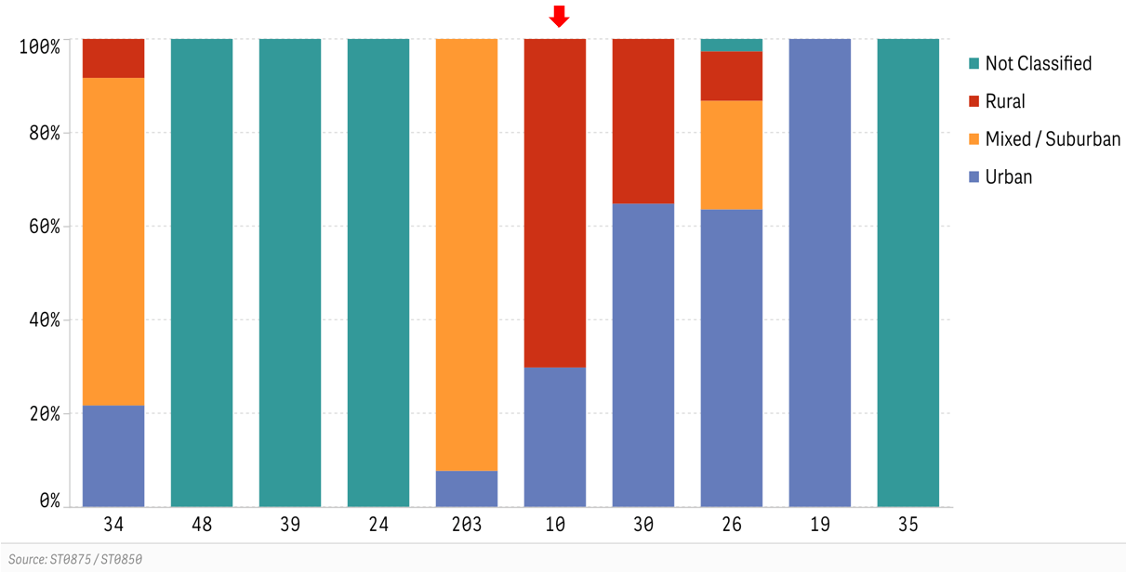
ID num | Urban | Mixed / Suburban | Rural | Not Classified
34 | 22% | 70% | 8% | 0%
48 | 0% | 0% | 0% | 100%
39 | 0% | 0% | 0% | 100%
24 | 0% | 0% | 0% | 100%
203 | 8% | 92% | 0% | 0%
10 | 30% | 0% | 70% | 0%
30 | 65% | 0% | 35% | 0%
26 | 64% | 23% | 11% | 3%
19 | 100% | 0% | 0% | 0%
35 | 0% | 0% | 0% | 100%

Questions Asked to Gather Data

ST0875.1Q | How many distribution substations do you currently have in service in each category? (e.g. 5 substations are rural with 1 transformer). Total should equal ST0850.6
ST0875.1 |  | 1 Xfrmr stations | Urban
ST0875.2 |  | 2 Xfrmr stations | Urban
ST0875.3 |  | 3 Xfrmr stations | Urban
ST0875.4 |  | 4 or more Xfrmr stations | Urban
ST0875.5 |  | 1 Xfrmr stations | Mixed/Suburban
ST0875.6 |  | 2 Xfrmr stations | Mixed/Suburban
ST0875.7 |  | 3 Xfrmr stations | Mixed/Suburban
ST0875.8 |  | 4 or more Xfrmr stations | Mixed/Suburban
ST0875.9 |  | 1 Xfrmr stations | Rural
ST0875.10 |  | 2 Xfrmr stations | Rural
ST0875.11 |  | 3 Xfrmr stations | Rural
ST0875.12 |  | 4 or more Xfrmr stations | Rural
ST0875.13 |  | 1 Xfrmr stations | Not Classified
ST0875.14 |  | 2 Xfrmr stations | Not Classified
ST0875.15 |  | 3 Xfrmr stations | Not Classified
ST0875.16 |  | 4 or more Xfrmr stations | Not Classified

Raw Data |  |  |  |  |  |  |  |  |  |  |  |  |  |  |  |  | Calculated Data

Quest # | ST0875.1 | ST0875.2 | ST0875.3 | ST0875.4 | ST0875.5 | ST0875.6 | ST0875.7 | ST0875.8 | ST0875.9 | ST0875.10 | ST0875.11 | ST0875.12 | ST0875.13 | ST0875.14 | ST0875.15 | ST0875.16 |  |  |  |  | ST0850.1 | ST0850.2 | ST0850.3 | ST0850.4 | ST0850.5 | ST0850.6 | ST0850.7
Detail | Urban | Urban | Urban | Urban | Mixed/Suburban | Mixed/Suburban | Mixed/Suburban | Mixed/Suburban | Rural | Rural | Rural | Rural | Not Classified | Not Classified | Not Classified | Not Classified | Urban | Mixed/Suburban | Rural | Not Classified | Statistics | Statistics | Statistics | Statistics | Statistics | Statistics | Statistics
Company ID

34 | - | 6.00 | 3.00 | 4.00 | 2.00 | 18.00 | 13.00 | 9.00 | 2.00 | 2.00 | 1.00 | 0.00 | - | - | - | - | 22% | 70% | 8% | 0% | - | - | - | 169.00 | 604.00 | 60.00 | -
48 | - | - | - | - | - | - | - | - | - | - | - | - | 55.00 | 112.00 | 24.00 | 6.00 | 0% | 0% | 0% | 100% | 17,078.35 | - | - | 380.00 | 2,431.00 | 197.00 | 0.00
39 | - | - | - | - | - | - | - | - | - | - | - | - | 9.00 | 98.00 | 86.00 | 25.00 | 0% | 0% | 0% | 100% | 33,654.00 | 47.00 | - | 575.00 | 2,660.00 | 218.00 | 32.00
24 | - | - | - | - | - | - | - | - | - | - | - | - | 15.00 | 42.00 | 27.00 | 13.00 | 0% | 0% | 0% | 100% | 12,865.00 | 40.00 | 47.00 | 228.00 | 1,414.00 | 94.00 | 5.00
203 | 0.00 | 0.00 | 3.00 | 0.00 | 2.00 | 19.00 | 7.00 | 8.00 | - | - | - | - | - | - | - | - | 8% | 92% | 0% | 0% | 4,396.00 | 39.00 | 42.00 | 110.00 | 316.00 | 39.00 | 0.00
10 | 261.00 | 32.00 | 3.00 | 0.00 | 0.00 | 0.00 | 0.00 | 0.00 | 600.00 | 89.00 | 8.00 | 1.00 | 0.00 | 0.00 | 0.00 | 0.00 | 30% | 0% | 70% | 0% | 8,789.00 | 67.00 | - | 1,193.00 | 155.00 | 994.00 | 0.00
30 | 5.00 | 24.00 | 9.00 | 8.00 | - | - | - | - | 8.00 | 6.00 | 3.00 | 8.00 | - | - | - | - | 65% | 0% | 35% | 0% | 4,598.00 | - | - | 229.00 | 936.00 | 71.00 | 7.00
26 | 27.00 | 55.00 | 10.00 | 4.00 | 20.00 | 13.00 | 1.00 | 1.00 | 11.00 | 5.00 | 0.00 | 0.00 | 1.00 | 3.00 | 0.00 | 0.00 | 64% | 23% | 11% | 3% | 6,689.00 | 50.00 | 57.00 | 272.00 | 643.00 | 151.00 | 0.00
19 | 12.00 | 104.00 | 19.00 | 17.00 | - | - | - | - | - | - | - | - | - | - | - | - | 100% | 0% | 0% | 0% | 8,300.00 | 63.00 | - | 359.00 | - | 152.00 | 0.00
35 | - | - | - | - | - | - | - | - | - | - | - | - | 69.00 | 90.00 | - | 1.00 | 0% | 0% | 0% | 100% | 26,589.00 | - | - | 283.00 | 1,327.00 | 160.00 | -

Fig 16
Figure 16 -- Distribution Substations In Service, By Number of Transformers

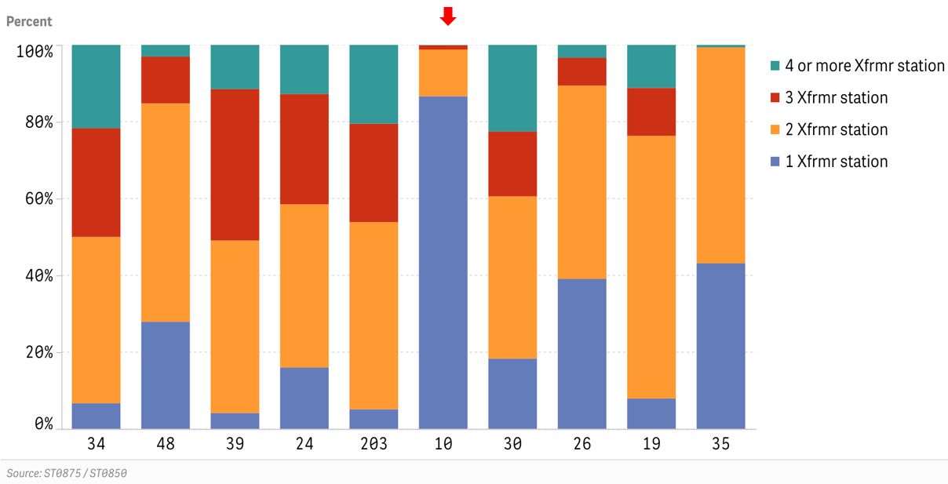
ID Num | 1 Xfrmr station | 2 Xfrmr station | 3 Xfrmr station | 4 or more Xfrmr station
34 | 7% | 43% | 28% | 22%
48 | 28% | 57% | 12% | 3%
39 | 4% | 45% | 39% | 11%
24 | 16% | 43% | 29% | 13%
203 | 5% | 49% | 26% | 21%
10 | 87% | 12% | 1% | 0%
30 | 18% | 42% | 17% | 23%
26 | 39% | 50% | 7% | 3%
19 | 8% | 68% | 13% | 11%
35 | 43% | 56% | 0% | 1%

Questions Asked to Gather Data

ST0875.1Q | How many distribution substations do you currently have in service in each category? (e.g. 5 substations are rural with 1 transformer). Total should equal ST0850.6
ST0875.1 |  | 1 Xfrmr stations | Urban
ST0875.2 |  | 2 Xfrmr stations | Urban
ST0875.3 |  | 3 Xfrmr stations | Urban
ST0875.4 |  | 4 or more Xfrmr stations | Urban
ST0875.5 |  | 1 Xfrmr stations | Mixed/Suburban
ST0875.6 |  | 2 Xfrmr stations | Mixed/Suburban
ST0875.7 |  | 3 Xfrmr stations | Mixed/Suburban
ST0875.8 |  | 4 or more Xfrmr stations | Mixed/Suburban
ST0875.9 |  | 1 Xfrmr stations | Rural
ST0875.10 |  | 2 Xfrmr stations | Rural
ST0875.11 |  | 3 Xfrmr stations | Rural
ST0875.12 |  | 4 or more Xfrmr stations | Rural
ST0875.13 |  | 1 Xfrmr stations | Not Classified
ST0875.14 |  | 2 Xfrmr stations | Not Classified
ST0875.15 |  | 3 Xfrmr stations | Not Classified
ST0875.16 |  | 4 or more Xfrmr stations | Not Classified

Raw Data |  |  |  |  |  |  |  |  |  |  |  |  |  |  |  |  | Calculated Data

Quest # | ST0875.1 | ST0875.2 | ST0875.3 | ST0875.4 | ST0875.5 | ST0875.6 | ST0875.7 | ST0875.8 | ST0875.9 | ST0875.10 | ST0875.11 | ST0875.12 | ST0875.13 | ST0875.14 | ST0875.15 | ST0875.16
Subtext | 1 Xfrmr stations | 2 Xfrmr stations | 3 Xfrmr stations | 4 or more Xfrmr stations | 1 Xfrmr stations | 2 Xfrmr stations | 3 Xfrmr stations | 4 or more Xfrmr stations | 1 Xfrmr stations | 2 Xfrmr stations | 3 Xfrmr stations | 4 or more Xfrmr stations | 1 Xfrmr stations | 2 Xfrmr stations | 3 Xfrmr stations | 4 or more Xfrmr stations | 1 Xfrmr stations | 2 Xfrmr stations | 3 Xfrmr stations | 4 or more Xfrmr stations
Company ID
34 | - | 6.00 | 3.00 | 4.00 | 2.00 | 18.00 | 13.00 | 9.00 | 2.00 | 2.00 | 1.00 | 0.00 | - | - | - | - | 7% | 43% | 28% | 22%
48 | - | - | - | - | - | - | - | - | - | - | - | - | 55.00 | 112.00 | 24.00 | 6.00 | 28% | 57% | 12% | 3%
39 | - | - | - | - | - | - | - | - | - | - | - | - | 9.00 | 98.00 | 86.00 | 25.00 | 4% | 45% | 39% | 11%
24 | - | - | - | - | - | - | - | - | - | - | - | - | 16.00 | 43.00 | 29.00 | 13.00 | 16% | 43% | 29% | 13%
203 | 0.00 | 0.00 | 3.00 | 0.00 | 2.00 | 19.00 | 7.00 | 8.00 | - | - | - | - | - | - | - | - | 5% | 49% | 26% | 21%
10 | 261.00 | 32.00 | 3.00 | 0.00 | 0.00 | 0.00 | 0.00 | 0.00 | 600.00 | 89.00 | 8.00 | 1.00 | 0.00 | 0.00 | 0.00 | 0.00 | 87% | 12% | 1% | 0%
30 | 5.00 | 24.00 | 9.00 | 8.00 | - | - | - | - | 8.00 | 6.00 | 3.00 | 8.00 | - | - | - | - | 18% | 42% | 17% | 23%
26 | 27.00 | 55.00 | 10.00 | 4.00 | 20.00 | 13.00 | 1.00 | 1.00 | 11.00 | 5.00 | 0.00 | 0.00 | 1.00 | 3.00 | 0.00 | 0.00 | 39% | 50% | 7% | 3%
19 | 12.00 | 104.00 | 19.00 | 17.00 | - | - | - | - | - | - | - | - | - | - | - | - | 8% | 68% | 13% | 11%
35 | - | - | - | - | - | - | - | - | - | - | - | - | 69.00 | 90.00 | - | 1.00 | 43% | 56% | 0% | 1%

Fig 17
Figure 17 -- Average Substation Transformer Loading at Peak: Distribution

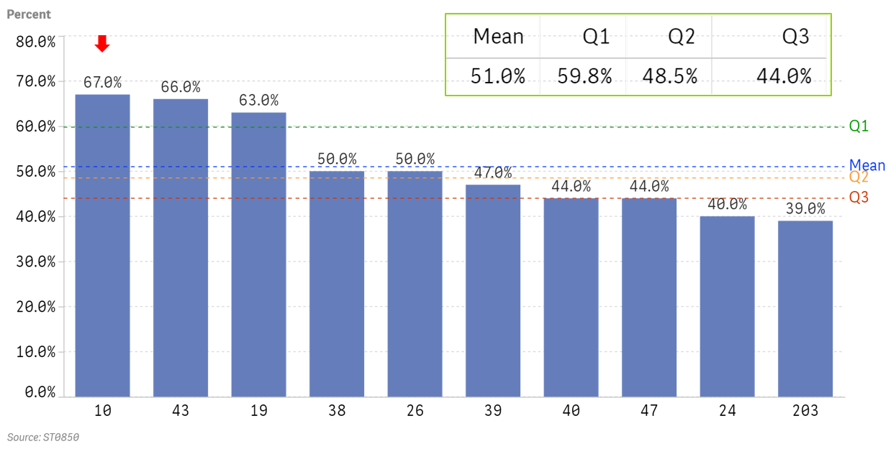
ID Num | Percent
10 | 67.0%
43 | 66.0%
19 | 63.0%
38 | 50.0%
26 | 50.0%
39 | 47.0%
40 | 44.0%
47 | 44.0%
24 | 40.0%
203 | 39.0%

Questions Asked to Gather Data |  | Raw Data Above

ST0850.1Q | Please provide the following distribution substation statistics.
ST0850.2 |  | Average Transformer loading at Peak [%] | Statistics

Fig 18
Figure 18 -- Distribution Substation Transformer Banks by Voltage Level

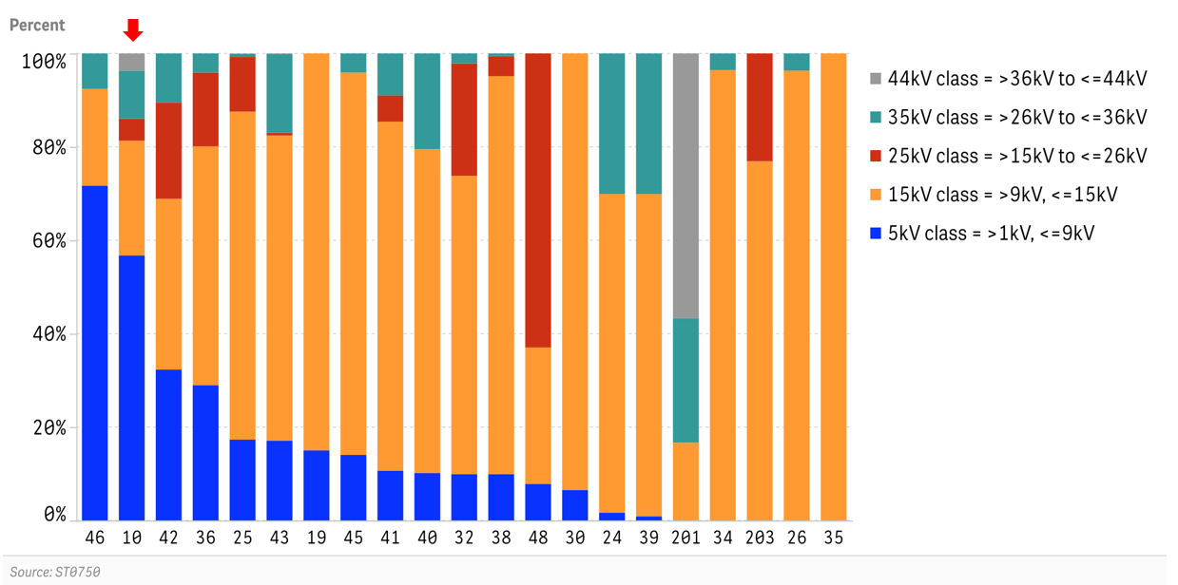
ID Num | 5kV class = >1kV, <=9kV | 15kV class = >9kV, <=15kV | 25kV class = >15kV to <=26kV | 35kV class = >26kV to <=36kV | 44kV class = >36kV to <=44kV
46 | 72% | 21% | 0% | 8% | 0%
10 | 57% | 25% | 5% | 10% | 4%
42 | 32% | 37% | 21% | 11% | 0%
36 | 29% | 51% | 16% | 4% | 0%
25 | 17% | 70% | 12% | 1% | 0%
43 | 17% | 65% | 1% | 17% | 0%
19 | 15% | 85% | 0% | 0% | 0%
45 | 14% | 82% | 0% | 4% | 0%
41 | 11% | 75% | 6% | 9% | 0%
40 | 10% | 69% | 0% | 20% | 0%
32 | 10% | 64% | 24% | 2% | 0%
38 | 10% | 85% | 4% | 1% | 0%
48 | 8% | 29% | 63% | 0% | 0%
30 | 7% | 93% | 0% | 0% | 0%
24 | 2% | 68% | 0% | 30% | 0%
39 | 1% | 69% | 0% | 30% | 0%
201 | 0% | 17% | 0% | 27% | 57%
34 | 0% | 96% | 0% | 4% | 0%
203 | 0% | 77% | 23% | 0% | 0%
26 | 0% | 96% | 0% | 4% | 0%
35 | 0% | 100% | 0% | 0% | 0%

Questions Asked to Gather Data

ST0750.1Q | How many distribution substation transformers were on your system in each voltage class? [Determine distribution by low-side voltage]
ST0750.1 |  | 5kV class = >1kV, <=9kV | Transformers
ST0750.2 |  | 15kV class = >9kV, <=15kV | Transformers
ST0750.3 |  | 25kV class = >15kV to <=26kV | Transformers
ST0750.4 |  | 35kV class = >26kV to <=36kV | Transformers
ST0750.5 |  | 44kV class = >36kV to <=44kV | Transformers
ST0750.100 |  | Total

Raw Data |  |  |  |  |  |  | Calculated Data

Quest # | ST0750.1 | ST0750.2 | ST0750.3 | ST0750.4 | ST0750.5 | ST0750.100
Subtext | 5kV class = >1kV, <=9kV | 15kV class = >9kV, <=15kV | 25kV class = >15kV to <=26kV | 35kV class = >26kV to <=36kV | 44kV class = >36kV to <=44kV | Total | 5kV class = >1kV, <=9kV | 15kV class = >9kV, <=15kV | 25kV class = >15kV to <=26kV | 35kV class = >26kV to <=36kV | 44kV class = >36kV to <=44kV
Company ID
46 | 793.00 | 229.00 | 0.00 | 84.00 | 0.00 | 1,106.00 | 72% | 21% | 0% | 8% | 0% | 100%
10 | 647.00 | 280.00 | 54.00 | 117.00 | 42.00 | 1,140.00 | 57% | 25% | 5% | 10% | 4% | 100%
42 | 83.00 | 94.00 | 53.00 | 27.00 | 0.00 | 257.00 | 32% | 37% | 21% | 11% | 0% | 100%
36 | 530.00 | 935.00 | 289.00 | 75.00 | 0.00 | 1,829.00 | 29% | 51% | 16% | 4% | 0% | 100%
25 | 374.00 | 1,517.00 | 253.00 | 15.00 | 1.00 | 2,160.00 | 17% | 70% | 12% | 1% | 0% | 100%
43 | 796.00 | 3,048.00 | 27.00 | 786.00 | 6.00 | 4,663.00 | 17% | 65% | 1% | 17% | 0% | 100%
19 | 54.00 | 306.00 | 0.00 | 0.00 | 0.00 | 360.00 | 15% | 85% | 0% | 0% | 0% | 100%
45 | 48.00 | 280.00 | 0.00 | 14.00 | 0.00 | 342.00 | 14% | 82% | 0% | 4% | 0% | 100%
41 | 19.00 | 133.00 | 10.00 | 16.00 | 0.00 | 178.00 | 11% | 75% | 6% | 9% | 0% | 100%
40 | 45.00 | 308.00 | 0.00 | 91.00 | 0.00 | 444.00 | 10% | 69% | 0% | 20% | 0% | 100%
32 | 163.00 | 1,051.00 | 396.00 | 35.00 | 0.00 | 1,645.00 | 10% | 64% | 24% | 2% | 0% | 100%
38 | 53.00 | 456.00 | 23.00 | 3.00 | 0.00 | 535.00 | 10% | 85% | 4% | 1% | 0% | 100%
48 | 35.00 | 131.00 | 282.00 | 0.00 | 0.00 | 448.00 | 8% | 29% | 63% | 0% | 0% | 100%
30 | 15.00 | 214.00 | 0.00 | 0.00 | 0.00 | 229.00 | 7% | 93% | 0% | 0% | 0% | 100%
24 | 4.00 | 161.00 | 0.00 | 71.00 | 0.00 | 236.00 | 2% | 68% | 0% | 30% | 0% | 100%
39 | 5.00 | 397.00 | 0.00 | 173.00 | 0.00 | 575.00 | 1% | 69% | 0% | 30% | 0% | 100%
201 | 0.00 | 40.00 | 0.00 | 64.00 | 136.00 | 240.00 | 0% | 17% | 0% | 27% | 57% | 100%
34 | 0.00 | 80.00 | 24.00 | 0.00 | 0.00 | 104.00 | 0% | 77% | 23% | 0% | 0% | 100%
203 | 0.00 | 262.00 | 0.00 | 10.00 | 0.00 | 272.00 | 0% | 96% | 0% | 4% | 0% | 100%
26 | 0.00 | 163.00 | 0.00 | 6.00 | 0.00 | 169.00 | 0% | 96% | 0% | 4% | 0% | 100%
35 | 0.00 | 283.00 | 0.00 | 0.00 | 0.00 | 283.00 | 0% | 100% | 0% | 0% | 0% | 100%

Fig 19
Figure 19 – Installed Distribution MVA Capacity per 1000 Customers

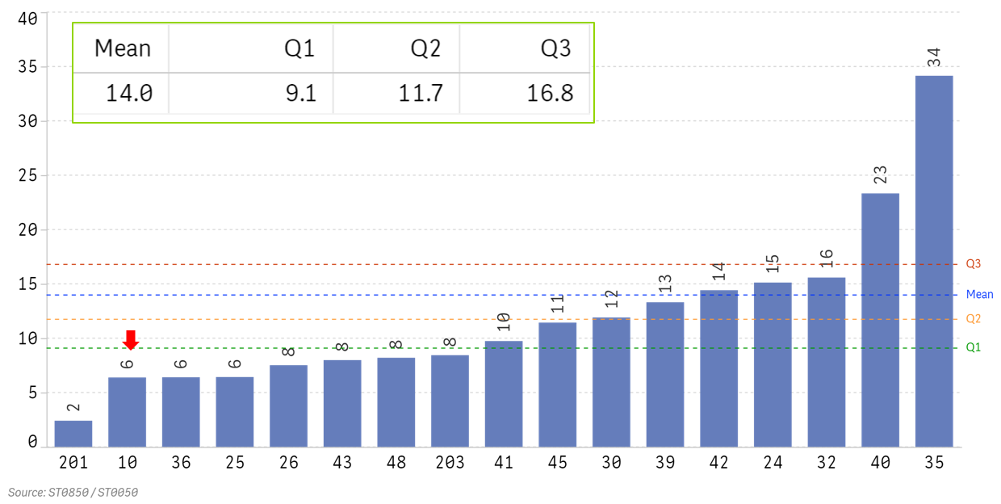
ID Num | MVA per 1000 Customers
201 | 2
10 | 6
36 | 6
25 | 6
26 | 8
43 | 8
48 | 8
203 | 8
41 | 10
45 | 11
30 | 12
39 | 13
42 | 14
24 | 15
32 | 16
40 | 23
35 | 34

Questions Asked to Gather Data |  | Raw Data Not Provided

ST0850.1Q | Please provide the following distribution substation statistics.
ST0850.1 |  | Installed MVA Capacity | Statistics

ST0050.1Q | Please provide us with the average number of customers per month - ultimate consumers, metered customer locations - as reported to FERC.
ST0050.1 |  | Distribution End-Use Customers | Residential
ST0050.2 |  | Distribution End-Use Customers | Commercial
ST0050.3 |  | Distribution End-Use Customers | Industrial
ST0050.4 |  | Distribution End-Use Customers | Other
ST0050.5 |  | Distribution End-Use Customers | Total

Fig 20
Figure 20 -- Average Expected Service Life for Distribution Substation Equipment

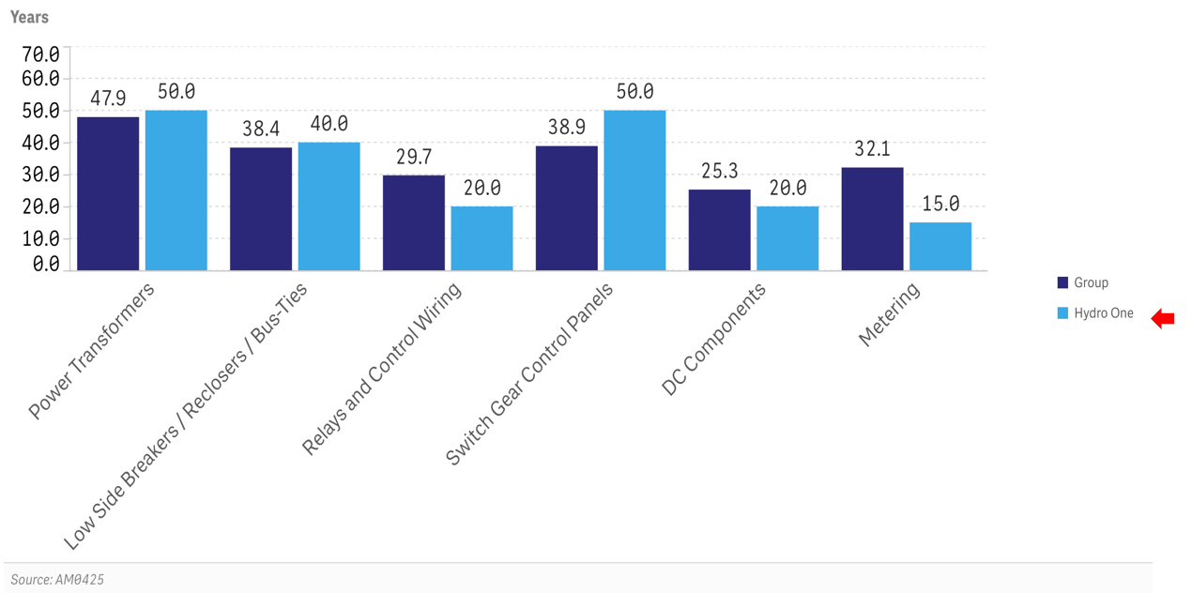
 | Group | Hydro One
Power Transformers | 47.9 | 50
Low Side Breakers / Reclosers / Bus-Ties | 38.4 | 40
Relays and Control Wiring | 29.7 | 20
Switch Gear Control Panels | 38.9 | 50
DC Components | 25.3 | 20
Metering | 32.1 | 15

Questions Asked to Gather Data

AM0425.1Q | What is your expected service life of Distribution substation equipment components?
AM0425.1 |  | Power Transformers | Age (Years)
AM0425.2 |  | High Side Breakers / Switch Fuse Units / Bus-Ties | Age (Years)
AM0425.3 |  | Low Side Breakers / Reclosers / Bus-Ties | Age (Years)
AM0425.4 |  | Relays and Control Wiring | Age (Years)
AM0425.5 |  | Switch Gear Control Panels | Age (Years)
AM0425.6 |  | DC Components | Age (Years)
AM0425.7 |  | Metering | Age (Years)

Raw Data

Quest # | AM0425.1 | AM0425.2 | AM0425.3 | AM0425.4 | AM0425.5 | AM0425.6 | AM0425.7
Subtext | Power Transformers | High Side Breakers / Switch Fuse Units / Bus-Ties | Low Side Breakers / Reclosers / Bus-Ties | Relays and Control Wiring | Switch Gear Control Panels | DC Components | Metering
Detail | Age (Years) | Age (Years) | Age (Years) | Age (Years) | Age (Years) | Age (Years) | Age (Years)
Company ID
10 | 50 | 40 | 40 | 20 | 50 | 20 | 15
19 | 45 | 45 | 45 | - | - | - | -
24 | 50 | 40 | 40 | - | 40 | - | -
26 | 55 | 40 | 35 | 35 | 20 | 20 | 20
30 | 50 | 40 | 40 | - | 40 | 15 | -
33 | 45 | 30 | 30 | - | - | - | 30
34 | 35 | 35 | 35 | 30 | 30 | 35 | 35
35 | 42 | 42 | 42 | 42 | 42 | 42 | 42
36 | 30 | 30 | 30 | 30 | - | 20 | -
38 | 60 | 30 | 30 | 30 | 50 | 25 | 50
48 | 65 | 40 | 55 | 21 | - | 25 | 33

Calculated Data | 47.9 | 37.5 | 38.4 | 29.7 | 38.9 | 25.3 | 32.1

Fig 21
Figure 21 -- Average Age of Distribution Substation Power Transformers

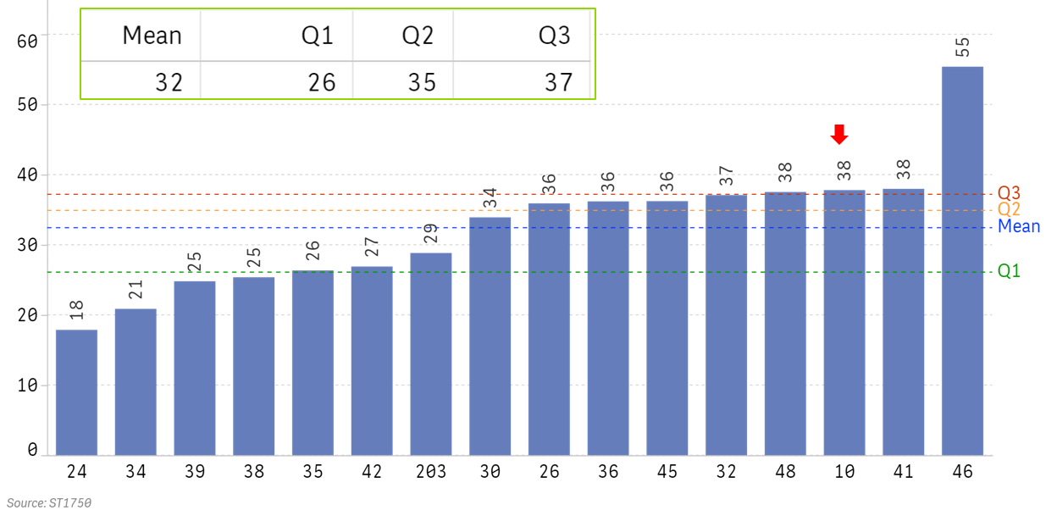
ID Num | Age
24 | 18
34 | 21
39 | 25
38 | 25
35 | 26
42 | 27
203 | 29
30 | 34
26 | 36
36 | 36
45 | 36
32 | 37
48 | 38
10 | 38
41 | 38
46 | 55

Questions Asked to Gather Data

ST1750.1Q | How many of your current in-service distribution substation equipment components were manufactured in each time period?
ST1750.1A |  | Power Transformers | Pre 1960
ST1750.1B |  | Power Transformers | 1960's
ST1750.1C |  | Power Transformers | 1970's
ST1750.1D |  | Power Transformers | 1980's
ST1750.1E |  | Power Transformers | 1990's
ST1750.1F |  | Power Transformers | 2000-2009
ST1750.1G |  | Power Transformers | Since 2010
ST1750.1H |  | Power Transformers | Unknown
ST1750.1T |  | Power Transformers | Total

Raw Data |  |  |  |  |  |  |  |  |  |  |  |  |  |  |  |  | Calculated Data

QPermID | ST1750_R_1A_25623DiPr2 | ST1750_R_1B_1289Powe | ST1750_R_1C_1290Powe | ST1750_R_1D_1291Powe | ST1750_R_1E_1292Powe | ST1750_R_1F_25626DiSi22 | ST1750_R_1G_25627DiUn22 | ST1750_R_1H_25627DiUn2
Quest # | ST1750.1A | ST1750.1B | ST1750.1C | ST1750.1D | ST1750.1E | ST1750.1F | ST1750.1G | ST1750.1H
Question Text | ST1750| How many of your current in-service distribution substation equipment components were manufactured in each time period? | ST1750| How many of your current in-service distribution substation equipment components were manufactured in each time period? | ST1750| How many of your current in-service distribution substation equipment components were manufactured in each time period? | ST1750| How many of your current in-service distribution substation equipment components were manufactured in each time period? | ST1750| How many of your current in-service distribution substation equipment components were manufactured in each time period? | ST1750| How many of your current in-service distribution substation equipment components were manufactured in each time period? | ST1750| How many of your current in-service distribution substation equipment components were manufactured in each time period? | ST1750| How many of your current in-service distribution substation equipment components were manufactured in each time period?
Subtext | Power Transformers | Power Transformers | Power Transformers | Power Transformers | Power Transformers | Power Transformers | Power Transformers | Power Transformers
Detail | Pre 1960 | 1960's | 1970's | 1980's | 1990's | 2000-2009 | Since 2010 | Unknown | Pre 1960 | 1960's | 1970's | 1980's | 1990's | 2000-2009 | Since 2010 | Unknown
Company ID
24 | 0 | 5 | 21 | 13 | 26 | 92 | 70 | 0 | 0 | 1 | 4 | 2 | 3 | 6 | 2 | 0 | 18
34 | 0 | 0 | 10 | 35 | 32 | 59 | 33 | 0 | 0 | 0 | 3 | 7 | 5 | 5 | 1 | 0 | 21
39 | 4 | 31 | 97 | 101 | 82 | 104 | 156 | 0 | 0 | 3 | 8 | 6 | 4 | 3 | 1 | 0 | 25
38 | 22 | 19 | 65 | 74 | 87 | 201 | 66 | 4 | 3 | 2 | 5 | 5 | 4 | 6 | 1 | 0 | 25
35 | 5 | 2 | 23 | 41 | 65 | 33 | 52 | 62 | 1 | 0 | 4 | 5 | 6 | 2 | 1 | 8 | 26
42 | 6 | 23 | 56 | 26 | 21 | 35 | 75 | 0 | 2 | 5 | 10 | 4 | 2 | 2 | 2 | 0 | 27
203 | 0 | 8 | 25 | 26 | 8 | 19 | 21 | 3 | 0 | 4 | 10 | 8 | 2 | 3 | 1 | 1 | 29
30 | 31 | 32 | 33 | 13 | 43 | 47 | 26 | 4 | 9 | 8 | 6 | 2 | 5 | 3 | 1 | 1 | 34
26 | 55 | 41 | 80 | 21 | 84 | 53 | 34 | 24 | 9 | 6 | 9 | 2 | 5 | 2 | 0 | 2 | 36
36 | 426 | 281 | 138 | 206 | 201 | 323 | 298 | 145 | 14 | 8 | 3 | 4 | 2 | 2 | 1 | 3 | 36
45 | 16 | 76 | 88 | 44 | 50 | 17 | 54 | 0 | 3 | 12 | 11 | 4 | 4 | 1 | 1 | 0 | 36
32 | 282 | 216 | 263 | 212 | 121 | 178 | 249 | 6 | 12 | 8 | 8 | 5 | 2 | 2 | 1 | 0 | 37
48 | 35 | 69 | 111 | 44 | 28 | 49 | 44 | 0 | 6 | 10 | 13 | 4 | 2 | 2 | 1 | 0 | 38
10 | 107 | 195 | 352 | 159 | 174 | 62 | 144 | 0 | 6 | 9 | 13 | 5 | 4 | 1 | 1 | 0 | 38
41 | 33 | 21 | 50 | 20 | 15 | 24 | 24 | 2 | 11 | 6 | 12 | 4 | 2 | 2 | 1 | 0 | 38
46 | 378 | 454 | 142 | 50 | 32 | 0 | 0 | 0 | 23 | 24 | 6 | 2 | 1 | 0 | 0 | 0 | 55

Fig 22
Figure 22 -- Average Per-Unit Cost to Replace Power Transformers
and Associated Equipment

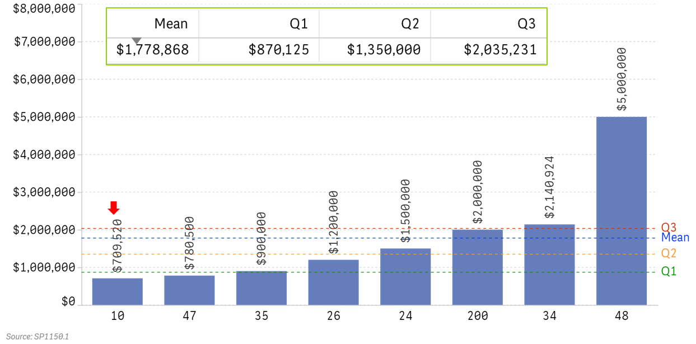
ID Num | Power Transformers
10 | $709,520
47 | $780,500
35 | $900,000
26 | $1,200,000
24 | $1,500,000
200 | $2,000,000
34 | $2,140,924
48 | $5,000,000

Questions Asked to Gather Data |  | Raw Data Reported Above

SP1150.1Q | Keeping in mind your answer to the previous questions, what is your average per-unit cost to replace these key components, including the associated equipment?
SP1150.1 |  | Power Transformers
SP1150.2 |  | Circuit Breakers

Fig 23
Figure 23 -- Refurbishment Project Cost per Substation Power Transformer
In Service at Refurbished Substation

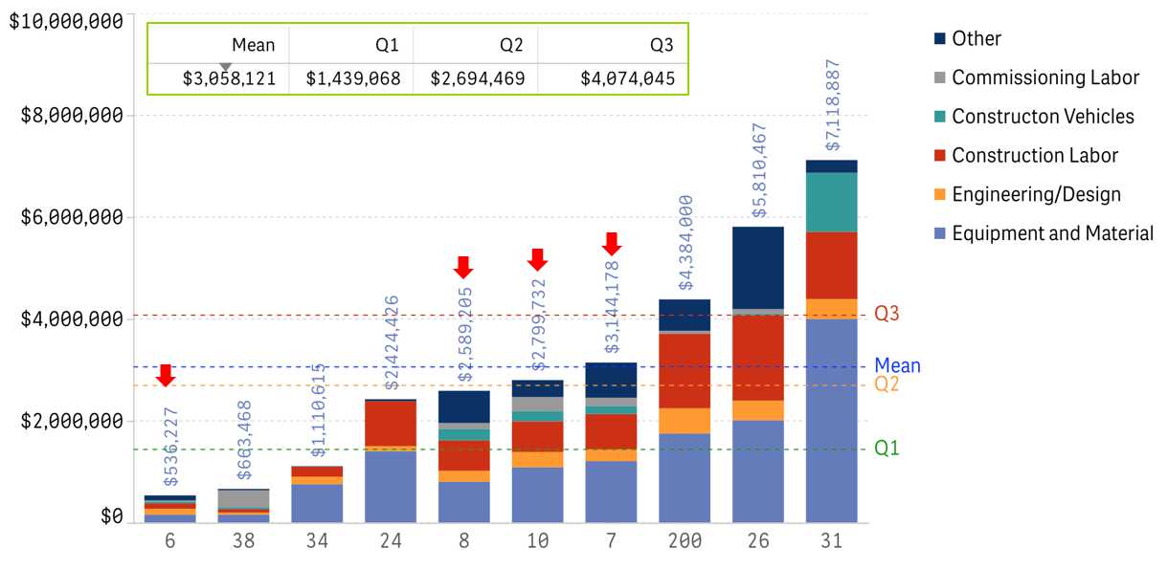
ID Num | Equipment and Material | Engineering/Design | Construction Labor | Constructon Vehicles | Commissioning Labor | Other
6 | $159,058 | $115,289 | $102,358 | $40,114 | $19,521 | $99,888 | $536,227
38 | $159,232 | $39,808 | $66,347 | $39,808 | $331,734 | $26,539 | $663,468
34 | $755,448 | $148,613 | $195,939 | $0 | $0 | $10,615 | $1,110,615
24 | $1,404,768 | $98,391 | $881,175 | $0 | $0 | $40,091 | $2,424,426
8 | $805,057 | $214,089 | $596,456 | $227,086 | $115,488 | $631,029 | $2,589,205
10 | $1,089,137 | $300,132 | $601,153 | $197,091 | $281,325 | $330,894 | $2,799,732
7 | $1,207,646 | $231,121 | $694,098 | $158,103 | $163,279 | $689,931 | $3,144,178
200 | $1,752,000 | $494,000 | $1,465,000 | $0 | $56,000 | $617,000 | $4,384,000
26 | $2,011,526 | $384,026 | $1,674,015 | $33,174 | $90,654 | $1,617,072 | $5,810,467
31 | $4,000,000 | $391,428 | $1,317,767 | $1,160,532 | $0 | $249,160 | $7,118,887

Questions Asked to Gather Data

SP1000.1Q | For the station identified above, please provide the following cost information for ONE refurbishment project that was completed at the station since 1/1/2015
SP1000.1 |  | Equipment and Material Costs
SP1000.2 |  | Company Direct Labor | Engineering/Design Labor Costs
SP1000.3 |  | Company Direct Labor Overheads | Engineering/Design Labor Costs
SP1000.4 |  | Contract Labor or Services | Engineering/Design Labor Costs
SP1000.5 |  | Company Direct Labor | Construction Labor & Vehicle Costs
SP1000.6 |  | Company Direct Labor Overheads | Construction Labor & Vehicle Costs
SP1000.7 |  | Contract Labor or Services | Construction Labor & Vehicle Costs
SP1000.8 |  | Vehicle and Equipment Cost | Construction Labor & Vehicle Costs
SP1000.9 |  | Company Direct Labor | Commissioning Labor Costs
SP1000.10 |  | Company Direct Labor Overheads | Commissioning Labor Costs
SP1000.11 |  | Contract Labor or Services | Commissioning Labor Costs
SP1000.12 |  | Other Project Costs
SP1000.100 |  | Total Station Refurbishment Costs (since 1/1/2015)

Raw Data |  |  |  |  |  |  |  |  |  |  |  |  |  | Calculated Data

Quest # | SP0950.2 | SP1000.1 | SP1000.2 | SP1000.3 | SP1000.4 | SP1000.5 | SP1000.6 | SP1000.7 | SP1000.8 | SP1000.9 | SP1000.10 | SP1000.11 | SP1000.12
Subtext | Number of Power Xfrmrs | Equipment and Material Costs | Company Direct Labor | Company Direct Labor Overheads | Contract Labor or Services | Company Direct Labor | Company Direct Labor Overheads | Contract Labor or Services | Vehicle and Equipment Cost | Company Direct Labor | Company Direct Labor Overheads | Contract Labor or Services | Other Project Costs
Detail | - | - | Engineering/Design Labor Costs | Engineering/Design Labor Costs | Engineering/Design Labor Costs | Construction Labor & Vehicle Costs | Construction Labor & Vehicle Costs | Construction Labor & Vehicle Costs | Construction Labor & Vehicle Costs | Commissioning Labor Costs | Commissioning Labor Costs | Commissioning Labor Costs | -
Company ID |  |  |  |  |  |  |  |  |  |  |  |  |  | Equipment and Material | Engineering/Design | Construction Labor | Constructon Vehicles | Commissioning Labor | Other
6 | 2 | $318,115 | $87,117 | $9,876 | $133,585 | $183,872 | $20,844 | $0 | $80,228 | $35,066 | $3,975 | $0 | $199,776 | $159,058 | $115,289 | $102,358 | $40,114 | $19,521 | $99,888 | $536,227
38 | 1 | $159,232 | $39,808 | - | - | - | - | $66,347 | $39,808 | $331,734 | - | - | $26,539 | $159,232 | $39,808 | $66,347 | $39,808 | $331,734 | $26,539 | $663,468
34 | 3 | $2,266,345 | $445,838 | - | $0 | $290,591 | - | $297,226 | $0 | - | - | - | $31,846 | $755,448 | $148,613 | $195,939 | $0 | $0 | $10,615 | $1,110,615
24 | 2 | $2,809,537 | $131,429 | $65,354 | - | $973,385 | $788,966 | - | $0 | - | - | - | $80,182 | $1,404,768 | $98,391 | $881,175 | $0 | $0 | $40,091 | $2,424,426
8 | 1 | $805,057 | $182,640 | $20,211 | $11,238 | $521,337 | $42,527 | $32,592 | $227,086 | $111,652 | $1,848 | $1,988 | $631,029 | $805,057 | $214,089 | $596,456 | $227,086 | $115,488 | $631,029 | $2,589,205
10 | 1 | $1,089,137 | $0 | $0 | $300,132 | $506,134 | $52,458 | $42,561 | $197,091 | $160,389 | $47,555 | $73,381 | $330,894 | $1,089,137 | $300,132 | $601,153 | $197,091 | $281,325 | $330,894 | $2,799,732
7 | 1 | $1,207,646 | $51,500 | $15,358 | $164,263 | $600,109 | $64,492 | $29,497 | $158,103 | $123,867 | $36,852 | $2,560 | $689,931 | $1,207,646 | $231,121 | $694,098 | $158,103 | $163,279 | $689,931 | $3,144,178
200 | 1 | $1,752,000 | $177,000 | $30,000 | $287,000 | $97,000 | $16,000 | $1,352,000 | $0 | $48,000 | $8,000 | - | $617,000 | $1,752,000 | $494,000 | $1,465,000 | $0 | $56,000 | $617,000 | $4,384,000
26 | 2 | $4,023,052 | $13,439 | $2,359 | $752,255 | $227,939 | $168,716 | $2,951,374 | $66,347 | $181,309 | - | - | $3,234,144 | $2,011,526 | $384,026 | $1,674,015 | $33,174 | $90,654 | $1,617,072 | $5,810,467
31 | 1 | $4,000,000 | $104,577 | - | $286,851 | $988,928 | - | $328,839 | $1,160,532 | - | - | - | $249,160 | $4,000,000 | $391,428 | $1,317,767 | $1,160,532 | $0 | $249,160 | $7,118,887

Fig 24
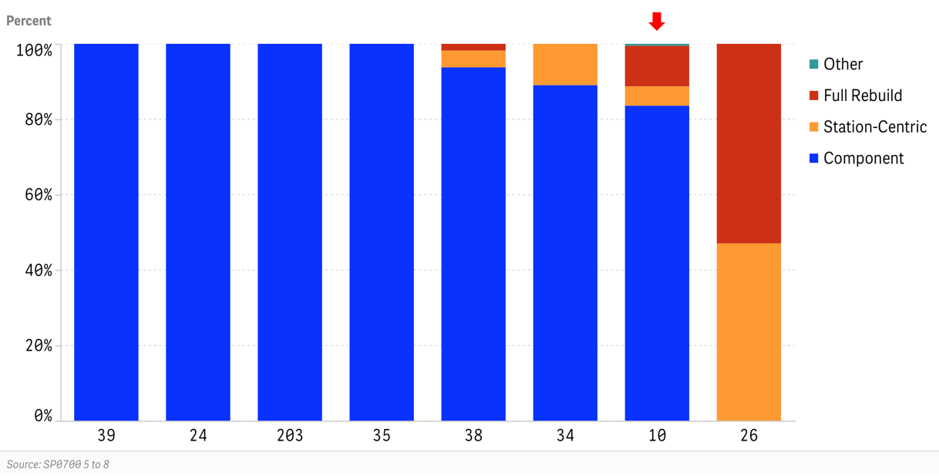
ID Num | Component | Station-Centric | Full Rebuild | Other
39 | 100% | - | - | -
24 | 100% | 0% | 0% | 0%
203 | 100% | 0% | 0% | 0%
35 | 100% | 0% | 0% | 0%
38 | 94% | 4% | 2% | -
34 | 89% | 11% | 0% | 0%
10 | 84% | 5% | 11% | 1%
26 | - | 47% | 53% | -

Questions Asked to Gather Data

SP0700.1Q | How many distribution substation refurbishment projects have been completed and are planned for completion?
SP0700.1 |  | Individual Component-Focused | 2015 through 2019
SP0700.2 |  | Station-Centric | 2015 through 2019
SP0700.3 |  | Full Station Rebuild | 2015 through 2019
SP0700.4 |  | Other Refurbishment Approach | 2015 through 2019
SP0700.5 |  | Individual Component-Focused | 2020 through 2024
SP0700.6 |  | Station-Centric | 2020 through 2024
SP0700.7 |  | Full Station Rebuild | 2020 through 2024
SP0700.8 |  | Other Refurbishment Approach | 2020 through 2024
SP0700.100 |  | Please explain "other" above.

Raw Data |  |  |  |  | Calculated

Quest # | SP0700.1 | SP0700.2 | SP0700.3 | SP0700.4
Subtext | Individual Component-Focused | Station-Centric | Full Station Rebuild | Other Refurbishment Approach | Component | Station-Centric | Full Rebuild | Other
Detail | 2015 through 2019 | 2015 through 2019 | 2015 through 2019 | 2015 through 2019
Company ID
35 | 1 | 0 | 0 | 0 | 100% | 0% | 0% | 0%
203 | 12 | 0 | 0 | 0 | 100% | 0% | 0% | 0%
24 | 35 | 0 | 0 | 0 | 100% | 0% | 0% | 0%
39 | 153 | 0 | 0 | 0 | 100% | 0% | 0% | 0%
38 | 105 | 5 | 2 | 0 | 94% | 4% | 2% | 0%
34 | 122 | 15 | 0 | 0 | 89% | 11% | 0% | 0%
10 | 326 | 20 | 42 | 2 | 84% | 5% | 11% | 1%
26 | 0 | 8 | 9 | 0 | 0% | 47% | 53% | 0%

Fig 25
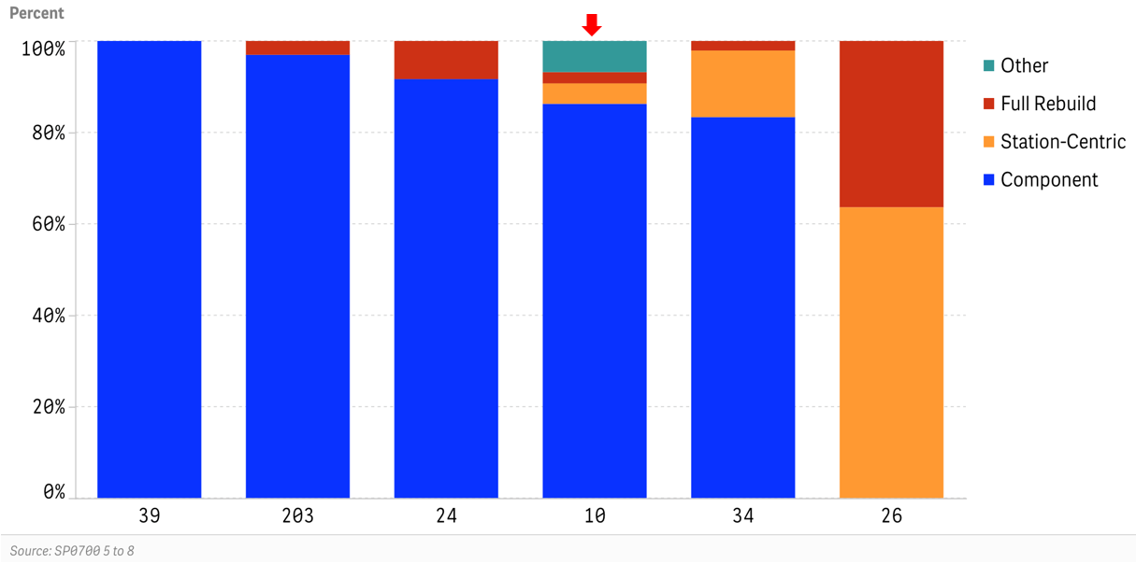
ID Num | Component | Station-Centric | Full Rebuild | Other
39 | 100% | - | - | -
203 | 97% | 0% | 3% | 0%
24 | 92% | 0% | 8% | 0%
10 | 86% | 4% | 2% | 7%
34 | 83% | 15% | 2% | 0%
26 | - | 64% | 36% | -

Questions Asked to Gather Data

SP0700.1Q | How many distribution substation refurbishment projects have been completed and are planned for completion?
SP0700.1 |  | Individual Component-Focused | 2015 through 2019
SP0700.2 |  | Station-Centric | 2015 through 2019
SP0700.3 |  | Full Station Rebuild | 2015 through 2019
SP0700.4 |  | Other Refurbishment Approach | 2015 through 2019
SP0700.5 |  | Individual Component-Focused | 2020 through 2024
SP0700.6 |  | Station-Centric | 2020 through 2024
SP0700.7 |  | Full Station Rebuild | 2020 through 2024
SP0700.8 |  | Other Refurbishment Approach | 2020 through 2024
SP0700.100 |  | Please explain "other" above.

Raw Data |  |  |  |  | Calculated

Quest # | SP0700.5 | SP0700.6 | SP0700.7 | SP0700.8
Subtext | Individual Component-Focused | Station-Centric | Full Station Rebuild | Other Refurbishment Approach | Component | Station-Centric | Full Rebuild | Other
Detail | 2020 through 2024 | 2020 through 2024 | 2020 through 2024 | 2020 through 2024
Company ID
39 | 260 | 0 | 0 | 0 | 100% | 0% | 0% | 0%
203 | 32 | 0 | 1 | 0 | 97% | 0% | 3% | 0%
24 | 33 | 0 | 3 | 0 | 92% | 0% | 8% | 0%
10 | 734 | 38 | 21 | 58 | 86% | 4% | 2% | 7%
34 | 40 | 7 | 1 | 0 | 83% | 15% | 2% | 0%
26 | 0 | 14 | 8 | 0 | 0% | 64% | 36% | 0%

