Rate Class Demand Model
London Hydro
EB-2021-0041
2022 Load Forecast

Forecast Demand by Rate Class (kW)

Year | Residential | General Service < 50 kW | General Service > 50 kW | Co-Gen Stand-by | Co-Gen Non Stand-by | Co-Gen Total | Large Use | Street Lighting (Conn) | Sentinel Lighting (Conn) | Unmetered Scattered Load (Conn) | Total
Demand (kW)
2016 | - | - | 3,763,315 | 154,800 | 88,639 | 243,439 | 258,044 | 59,984 | 1,940 | - | 4,326,721
2017 | - | - | 3,725,836 | 156,400 | 72,028 | 228,428 | 227,574 | 56,255 | 1,611 | - | 4,239,704
2018 | - | - | 3,758,358 | 172,800 | 92,245 | 265,045 | 221,495 | 44,446 | 1,497 | - | 4,290,842
2019 | - | - | 3,668,057 | 172,800 | 55,791 | 228,591 | 216,189 | 46,619 | 1,472 | - | 4,160,927
2020 | - | - | 3,432,957 | 172,800 | 69,257 | 242,057 | 189,814 | 47,272 | 1,452 | - | 3,913,552
Average (2017 to 2020) | - | - | 3,646,302 | 168,700 | 72,330 | 241,030 | 213,768 | 48,648 | 1,508 | - | 4,151,256
Percentage of kW to kWh
2017 |  |  | 0.260% |  |  |  | 0.190% | 0.280% | 0.270%
2018 |  |  | 0.250% |  |  |  | 0.190% | 0.280% | 0.270%
2019 |  |  | 0.250% |  |  | 0.653% | 0.200% | 0.280% | 0.270%
2020 |  |  | 0.250% |  |  | 0.667% | 0.180% | 0.280% | 0.270%
Average (2017 to 2020) |  |  | 0.253% |  |  | 0.660% | 0.190% | 0.280% | 0.270% |  |  | Per VECC settlement
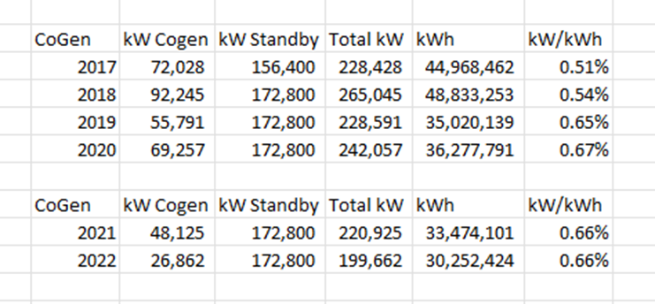
Total Demand Forecast (kW)
2021 | - | - | 3,641,905 | 172,800 | 36,205 | 209,005 | 188,995 | 39,241 | 1,274 | - | 4,080,420
2022 | - | - | 3,642,300 | 172,800 | 20,197 | 192,997 | 178,535 | 35,945 | 1,161 | - | 4,050,938
WMP Adjustment
2021 | - | - | 27,679 | - | - | - | - | - | - | - | 27,679
2022 | - | - | 27,628 | - | - | - | - | - | - | - | 27,628
Total Adjusted Demand (kW)
2021 | - | - | 3,669,584 | 172,800 | 36,205 | 209,005 | 188,995 | 39,241 | 1,274 | - | 4,108,099
2022 | - | - | 3,669,928 | 172,800 | 20,197 | 192,997 | 178,535 | 35,945 | 1,161 | - | 4,078,566

