2021
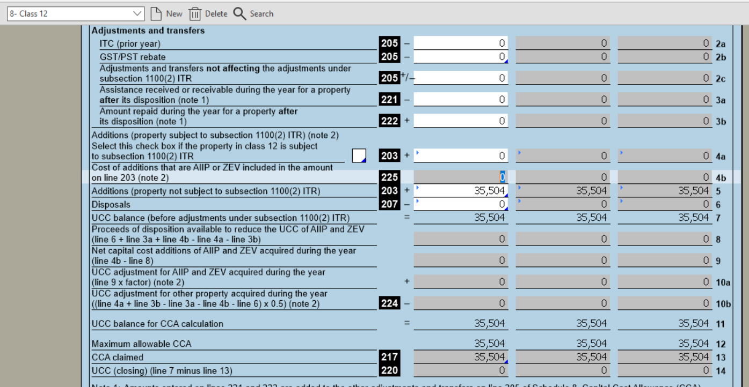
Coopérative Hydro Embrun Inc.
CCA Calculations - AII
December 31, 2021

 |  |  |  | Impacts with Accelerated CCA | Impacts without accelerated CCA
 | Class | CCA rate | AII Additions | CCA claimed per T2 | CCA claim (No AII) | Difference
 | 1 | 4% | - | - | - | -
 | 10 | 30% | - | - | - | -
 | 50 | 55% | - | - | - | -
 | 8 | 20% | 75 | 23 | 8 | 15
 | 47 | 8% | 184,437 | 22,132 | 7,377 | 14,755
 | 12 | 100% | 35,504 | 35,504 | 35,504 | -
 |  |  | 220,016 | 57,659 | 42,889 | 14,770

 | Tax on Difference:
 | CCA Claim per T2 |  | $57,659
 | CCA Claim (no AII) |  | 42,889
 |  |  | 14,770

 | 2019 Difference |  | (1,721) | 2019 Tab Impact on 2021
 | 2020 Difference |  | (1,074) | 2020 Tab Impact on 2021
 |  |  | 13,695
 | Tax Rate |  | 26.50%
 |  |  | $3,629.30

Guidance Received from Industry Relations at OEB to support BT02
"With respect to the 1592 CCA sub-account, the debit entry would be to distribution revenue accounts 4080 - subdivided by applicable customer classes. The purpose of the 1592 entry is to recognize that amounts being reflected in rates are inflated relative to the actual taxes payable of an entity (for reasons of legislated tax changes). Any impacts between deferred and current tax assets/liabilities are recognized only for external reporting purposes, as the OEB does not consider deferred taxes in its PILs calculations.

