ROE
DATA FOR CHARTS
UGI/EGI
 | Achieved ROE | Allowed ROE | Rolling 4-year Std Dev (B)
2007 | 9.99% | 8.54%
2008 | 13.35% | 8.54% |  | Figure 1. | Figure 2.
2009 | 11.22% | 8.54% |  | Achieved and allowed return on equity for Enbridge Gas | Achieved and allowed return on equity for Union Gas
2010 | 10.91% | 8.54% | 1.23% | Distribution (2007–2018) and Enbridge Gas Inc. (2019–2022) | (2007–2018) and Enbridge Gas Inc. (2019–2022)
2011 | 10.38% | 8.54% | 1.13% | EGD/EGI: | UGI/EGI:
2012 | 11.07% | 8.54% | 0.32%
2013 | 10.67% | 8.93% | 0.26%
2014 | 10.72% | 8.93% | 0.25%
2015 | 9.89% | 8.93% | 0.43%
2016 | 9.24% | 8.93% | 0.61%
2017 | 9.15% | 8.93% | 0.63%
2018 | 9.64% | 8.93% | 0.30%
2019 | 10.47% | 8.96% | 0.52%
2020 | 8.72% | 8.52% | 0.65%
2021 | 9.17% | 8.34% | 0.65%
2022 | 9.36% | 8.66% | 0.64%

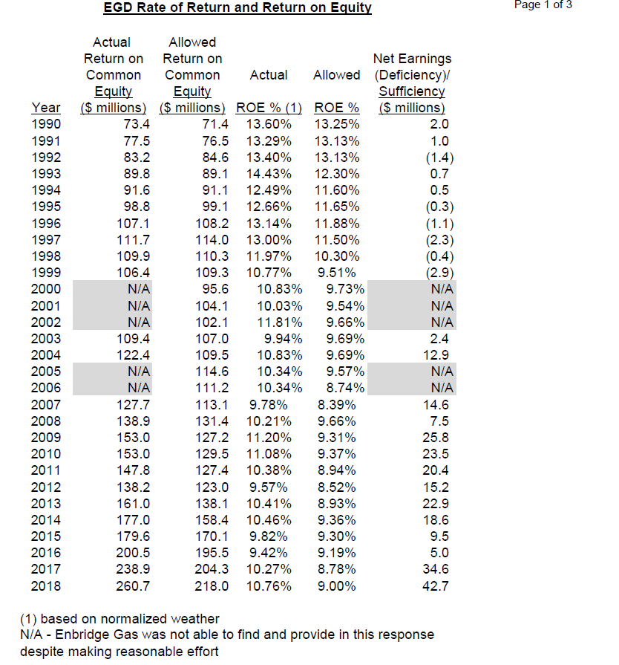
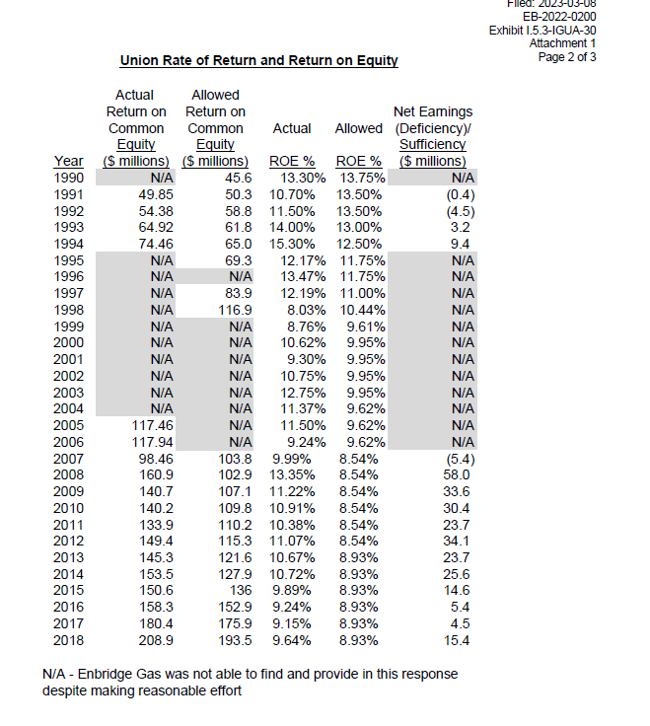
EGD/EDI
 | Achieved ROE | Allowed ROE | Rolling 4-year Std Dev (B)
2007 | 9.87% | 8.39%
2008 | 10.21% | 9.66%
2009 | 11.20% | 9.31%
2010 | 11.08% | 9.37% | 0.56%
2011 | 10.38% | 8.94% | 0.43%
2012 | 9.57% | 8.52% | 0.65%
2013 | 10.41% | 8.93% | 0.54%
2014 | 10.46% | 9.36% | 0.37%
2015 | 9.82% | 9.30% | 0.38%
2016 | 9.42% | 9.19% | 0.43%
2017 | 10.27% | 8.78% | 0.40%
2018 | 10.76% | 9.00% | 0.50%
2019 | 10.47% | 8.96% | 0.50%
2020 | 8.72% | 8.52% | 0.79%
2021 | 9.17% | 8.34% | 0.86%
2022 | 9.36% | 8.66% | 0.64%

