Fuel Prices
Gas Rates
 |  | 2023 | 2024 | 2025 | 2026 | 2027 | 2028 | 2029 | 2030 | 2031 | 2032 | 2033 | 2034 | 2035 | 2036 | 2037 | 2038 | 2039 | 2040 | 2041 | 2042 | 2043 | 2044 | 2045 | 2046 | 2047 |  |  |  |  |  |  |  |  |  | 2023 | 2024 | 2025 | 2026 | 2027 | 2028 | 2029 | 2030 | 2031 | 2032 | 2033 | 2034 | 2035 | 2036 | 2037 | 2038 | 2039 | 2040
Fixed Charges (2023 $) |  |  |  |  |  |  |  |  |  |  |  |  |  |  |  |  |  |  |  |  |  |  |  |  |  |  |  |  |  |  |  |  | Gas
 | Gas | $310.25 | $310.25 | $310.25 | $310.25 | $310.25 | $310.25 | $310.25 | $310.25 | $310.25 | $310.25 | $310.25 | $310.25 | $310.25 | $310.25 | $310.25 | $310.25 | $310.25 | $310.25 | $310.25 | $310.25 | $310.25 | $310.25 | $310.25 | $310.25 | $310.25 |  |  |  |  |  |  |  | Fixed Annual Charges |  | $310 | $310 | $310 | $310 | $310 | $310 | $310 | $310 | $310 | $310 | $310 | $310 | $310 | $310 | $310 | $310 | $310 | $310
 |  |  |  |  |  |  |  |  |  |  |  |  |  |  |  |  |  |  |  |  |  |  |  |  |  |  |  |  |  |  |  |  |  | Variable Charges
Variable Price (2023 $/m3) |  |  |  |  |  |  |  |  |  |  |  |  |  |  |  |  |  |  |  |  |  |  |  |  |  |  |  |  |  |  |  |  |  |  | Commodity | $0.221 | $0.221 | $0.221 | $0.221 | $0.221 | $0.221 | $0.221 | $0.221 | $0.221 | $0.221 | $0.221 | $0.221 | $0.221 | $0.221 | $0.221 | $0.221 | $0.221 | $0.221
 | Commodity | $0.221 | $0.221 | $0.221 | $0.221 | $0.221 | $0.221 | $0.221 | $0.221 | $0.221 | $0.221 | $0.221 | $0.221 | $0.221 | $0.221 | $0.221 | $0.221 | $0.221 | $0.221 | $0.221 | $0.221 | $0.221 | $0.221 | $0.221 | $0.221 | $0.221 |  |  |  |  |  |  |  |  | Transportation | $0.050 | $0.050 | $0.050 | $0.050 | $0.050 | $0.050 | $0.050 | $0.050 | $0.050 | $0.050 | $0.050 | $0.050 | $0.050 | $0.050 | $0.050 | $0.050 | $0.050 | $0.050
 | Transportation | $0.050 | $0.050 | $0.050 | $0.050 | $0.050 | $0.050 | $0.050 | $0.050 | $0.050 | $0.050 | $0.050 | $0.050 | $0.050 | $0.050 | $0.050 | $0.050 | $0.050 | $0.050 | $0.050 | $0.050 | $0.050 | $0.050 | $0.050 | $0.050 | $0.050 |  |  |  |  |  |  |  |  | Distribution | $0.118 | $0.118 | $0.118 | $0.118 | $0.118 | $0.118 | $0.118 | $0.118 | $0.118 | $0.118 | $0.118 | $0.118 | $0.118 | $0.118 | $0.118 | $0.118 | $0.118 | $0.118
 | Distribution | $0.118 | $0.118 | $0.118 | $0.118 | $0.118 | $0.118 | $0.118 | $0.118 | $0.118 | $0.118 | $0.118 | $0.118 | $0.118 | $0.118 | $0.118 | $0.118 | $0.118 | $0.118 | $0.118 | $0.118 | $0.118 | $0.118 | $0.118 | $0.118 | $0.118 |  |  |  |  |  |  |  |  | Carbon Tax | $0.126 | $0.152 | $0.176 | $0.200 | $0.223 | $0.245 | $0.266 | $0.286 | $0.286 | $0.286 | $0.286 | $0.286 | $0.286 | $0.286 | $0.286 | $0.286 | $0.286 | $0.286
 | Carbon Tax | $0.126 | $0.152 | $0.176 | $0.200 | $0.223 | $0.245 | $0.266 | $0.286 | $0.286 | $0.286 | $0.286 | $0.286 | $0.286 | $0.286 | $0.286 | $0.286 | $0.286 | $0.286 | $0.286 | $0.286 | $0.286 | $0.286 | $0.286 | $0.286 | $0.286 |  |  |  |  |  |  |  |  | HST | $0.067 | $0.070 | $0.074 | $0.077 | $0.080 | $0.082 | $0.085 | $0.088 | $0.088 | $0.088 | $0.088 | $0.088 | $0.088 | $0.088 | $0.088 | $0.088 | $0.088 | $0.088
 | HST | $0.067 | $0.070 | $0.074 | $0.077 | $0.080 | $0.082 | $0.085 | $0.088 | $0.088 | $0.088 | $0.088 | $0.088 | $0.088 | $0.088 | $0.088 | $0.088 | $0.088 | $0.088 | $0.088 | $0.088 | $0.088 | $0.088 | $0.088 | $0.088 | $0.088 |  |  |  |  |  |  |  |  | Total | $0.582 | $0.611 | $0.639 | $0.666 | $0.692 | $0.717 | $0.741 | $0.763 | $0.763 | $0.763 | $0.763 | $0.763 | $0.763 | $0.763 | $0.763 | $0.763 | $0.763 | $0.763
 | Total | $0.582 | $0.611 | $0.639 | $0.666 | $0.692 | $0.717 | $0.741 | $0.763 | $0.763 | $0.763 | $0.763 | $0.763 | $0.763 | $0.763 | $0.763 | $0.763 | $0.763 | $0.763 | $0.763 | $0.763 | $0.763 | $0.763 | $0.763 | $0.763 | $0.763 |  |  |  |  |  |  | Electric
 |  |  |  |  |  |  |  |  |  |  |  |  |  |  |  |  |  |  |  |  |  |  |  |  |  |  |  |  |  |  |  |  |  | Fixed Annual Charges |  | $561 | $561 | $561 | $561 | $561 | $561 | $561 | $561 | $561 | $561 | $561 | $561 | $561 | $561 | $561 | $561 | $561 | $561
 |  |  |  |  |  |  |  |  |  |  |  |  |  |  |  |  |  |  |  |  |  |  |  |  |  |  |  |  |  |  |  |  |  | Variable Charges
Fuel Prices Attributable to Carbon Tax (2023 $) |  |  |  |  |  |  |  |  |  |  |  |  |  |  |  |  |  |  |  |  |  |  |  |  |  |  |  |  |  |  |  |  |  |  | Commodity | $0.093
 | Gas | $0.126 | $0.152 | $0.176 | $0.200 | $0.223 | $0.245 | $0.266 | $0.286 | $0.286 | $0.286 | $0.286 | $0.286 | $0.286 | $0.286 | $0.286 | $0.286 | $0.286 | $0.286 | $0.286 | $0.286 | $0.286 | $0.286 | $0.286 | $0.286 | $0.286 | excludes effects of RNG/H2 |  |  |  |  |  |  |  | Transmission | $0.019
 | Electric | $0.010 | $0.012 | $0.014 | $0.016 | $0.018 | $0.020 | $0.021 | $0.023 | $0.023 | $0.023 | $0.023 | $0.023 | $0.023 | $0.023 | $0.023 | $0.023 | $0.023 | $0.023 | $0.023 | $0.023 | $0.023 | $0.023 | $0.023 | $0.023 | $0.023 | excludes potential for cleaning of grid |  |  |  |  |  |  |  | Wholesale Mkt Serv | $0.005
 | CO2e $/ton nominal | $65 | $80 | $95 | $110 | $125 | $140 | $155 | $170 | $173 | $177 | $180 | $184 | $188 | $191 | $195 | $199 | $203 | $207 | $211 | $216 | $220 | $224 | $229 | $233 | $238 |  |  |  |  |  |  |  |  | Riders | $0.001
 | CO2e $/ton real | $65 | $78 | $91 | $104 | $115 | $127 | $138 | $148 | $148 | $148 | $148 | $148 | $148 | $148 | $148 | $148 | $148 | $148 | $148 | $148 | $148 | $148 | $148 | $148 | $148 |  |  |  |  |  |  |  |  | HST | $0.015
 | Tons CO2e/m3 | 0.001932 | 4.2 ED-132 |  |  |  |  |  |  |  |  |  |  |  |  |  |  |  |  |  |  |  |  |  |  |  |  |  |  |  |  |  |  |  | Total | $0.133 | $0.133 | $0.133 | $0.133 | $0.133 | $0.133 | $0.133 | $0.133 | $0.133 | $0.133 | $0.133 | $0.133 | $0.133 | $0.133 | $0.133 | $0.133 | $0.133 | $0.133

Escalation Rates
 | Commodity forecast nominal | $0.260 | $0.230 | $0.220 | $0.210 | $0.180 | $0.150 | $0.180 | $0.210 | $0.220 | $0.220 | $0.230 | $0.220 | $0.220 | $0.230 | $0.240 | $0.260 | $0.280 | $0.290 | $0.280 | $0.270 | $0.280 | 0.300 | 0.330 | $0.337 | $0.343
 | Commodity forecast real |  | $0.225 | $0.211 | $0.198 | $0.166 | $0.136 | $0.160 | $0.183 | $0.188 | $0.184 | $0.189 | $0.177 | $0.173 | $0.178 | $0.182 | $0.193 | $0.204 | $0.207 | $0.196 | $0.185 | $0.188 | $0.198 | $0.213 | $0.213 | $0.213
 | Real Escalation rate for T&D |  | 0% | 0% | 0% | 0% | 0% | 0% | 0% | 0% | 0% | 0% | 0% | 0% | 0% | 0% | 0% | 0% | 0% | 0% | 0% | 0% | 0% | 0% | 0% | 0%
 | Inflation |  | 2.00% | 2.00% | 2.00% | 2.00% | 2.00% | 2.00% | 2.00% | 2.00% | 2.00% | 2.00% | 2.00% | 2.00% | 2.00% | 2.00% | 2.00% | 2.00% | 2.00% | 2.00% | 2.00% | 2.00% | 2.00% | 2.00% | 2.00% | 2.00%
 | inflation multiplier to 2023 | 1.00 | 1.02 | 1.040 | 1.061 | 1.082 | 1.104 | 1.126 | 1.149 | 1.172 | 1.195 | 1.219 | 1.243 | 1.268 | 1.294 | 1.319 | 1.346 | 1.373 | 1.400 | 1.428 | 1.457 | 1.486 | 1.516 | 1.546 | 1.577 | 1.608

Electric Rates
 |  | 2023 | 2024 | 2025 | 2026 | 2027 | 2028 | 2029 | 2030 | 2031 | 2032 | 2033 | 2034 | 2035 | 2036 | 2037 | 2038 | 2039 | 2040 | 2041 | 2042 | 2043 | 2044 | 2045 | 2046 | 2047
Fixed Charges (2023 $)
Electric |  | $560.84 | $560.84 | $560.84 | $560.84 | $560.84 | $560.84 | $560.84 | $560.84 | $560.84 | $560.84 | $560.84 | $560.84 | $560.84 | $560.84 | $560.84 | $560.84 | $560.84 | $560.84 | $560.84 | $560.84 | $560.84 | $560.84 | $560.84 | $560.84 | $560.84

Total Variable Price (2023 $)
 | $/kWh | $0.133 | $0.133 | $0.133 | $0.133 | $0.133 | $0.133 | $0.133 | $0.133 | $0.133 | $0.133 | $0.133 | $0.133 | $0.133 | $0.133 | $0.133 | $0.133 | $0.133 | $0.133 | $0.133 | $0.133 | $0.133 | $0.133 | $0.133 | $0.133 | $0.133

Real Escalation Rates for Commodity/Distribution Costs
Electric |  |  | 0.00% | 0.00% | 0.00% | 0.00% | 0.00% | 0.00% | 0.00% | 0.00% | 0.00% | 0.00% | 0.00% | 0.00% | 0.00% | 0.00% | 0.00% | 0.00% | 0.00% | 0.00% | 0.00% | 0.00% | 0.00% | 0.00% | 0.00% | 0.00%
Inflation |  |  | 2.00% | 2.00% | 2.00% | 2.00% | 2.00% | 2.00% | 2.00% | 2.00% | 2.00% | 2.00% | 2.00% | 2.00% | 2.00% | 2.00% | 2.00% | 2.00% | 2.00% | 2.00% | 2.00% | 2.00% | 2.00% | 2.00% | 2.00% | 2.00%
inflation multiplier to 2023 |  | 1.00 | 1.02 | 1.040 | 1.061 | 1.082 | 1.104 | 1.126 | 1.149 | 1.172 | 1.195 | 1.219 | 1.243 | 1.268 | 1.294 | 1.319 | 1.346 | 1.373 | 1.400 | 1.428 | 1.457 | 1.486 | 1.516 | 1.546 | 1.577 | 1.608

2023 Gas Rate Assumptions
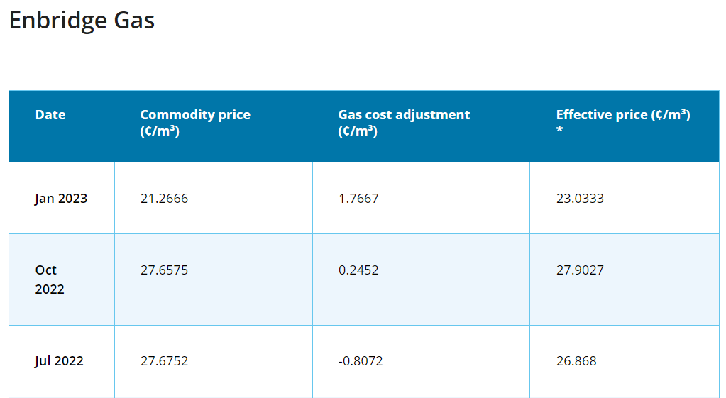
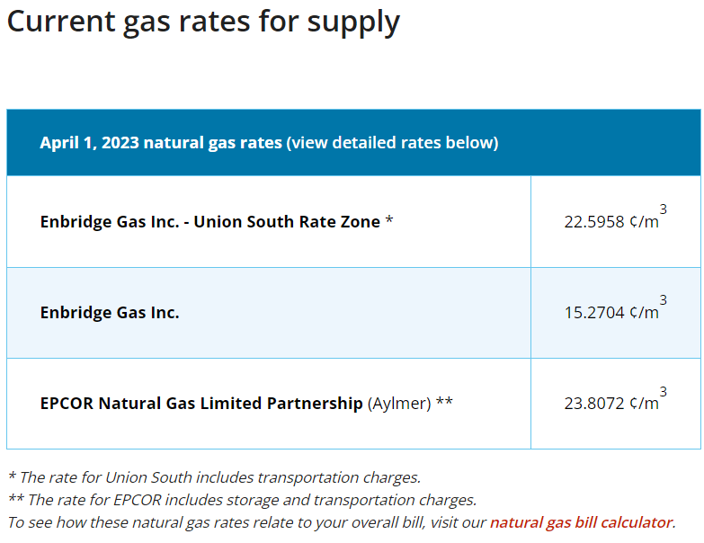
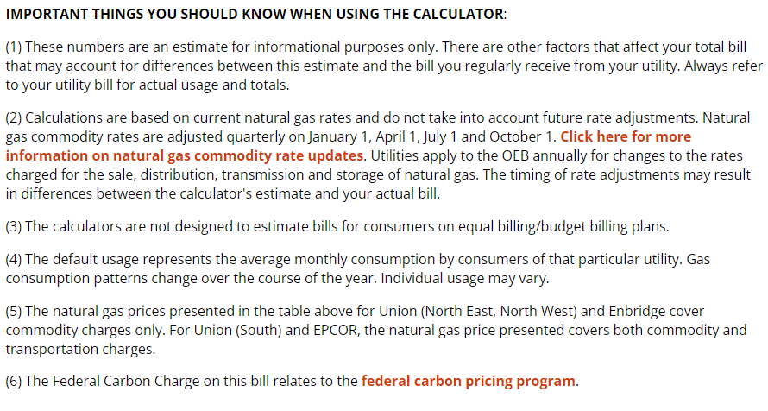

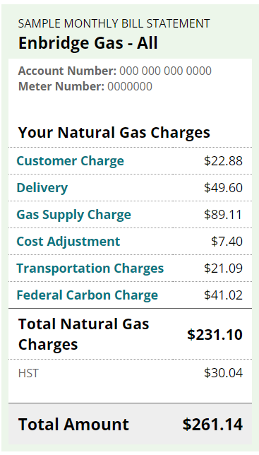

 |  |  |  |  |  |  |  | Jan-23 |  | Oct-22 | Apr-23 | Average
 |  |  |  |  |  |  |  | $/m3
 |  |  |  |  |  |  | delivery | 0.1184 | $49.60
 |  |  |  |  |  |  | commodity | 0.2127 | $89.11 | 0.276575 | 0.152704 | 0.2140
 |  |  |  |  |  |  | cost adj | 0.0177 | $7.40 | 0.002452 | 0 | 0.0067
 |  |  |  |  |  |  | transporation | 0.0503 | $21.09 | 0.279027 | 0.152704 | 0.22068837629
 |  |  |  |  |  |  | carbon tax | 0.0979 | $41.02
 |  |  |  |  |  |  | total | 0.4969 | $208.22
 |  |  |  |  |  |  | HST | 13% | $27.07
 |  |  |  |  |  |  | total w/HST |  | $235.29
 |  |  |  |  |  |  | fixed monthly charge |  | $22.88
 | https://www.oeb.ca/consumer-information-and-protection/bill-calculator |  |  |  |  |  | HST |  | $2.97
 |  |  |  |  |  |  | total fixed charge w/HST |  | $25.85
 |  |  |  |  |  |  | Total amount |  | $261.14

ICF Commodity Price Forecast

 | ICF Forecast from 2.6 ED-89 |  |  |  |  |  |  |  |  | 2023 | 2024 | 2025 | 2026 | 2027 | 2028 | 2029 | 2030 | 2031 | 2032 | 2033 | 2034 | 2035 | 2036 | 2037 | 2038 | 2039 | 2040 | 2041 | 2042 | 2043 | 2044 | 2045
 |  |  |  |  |  |  |  |  |  | 0.26 | 0.23 | 0.22 | 0.21 | 0.18 | 0.15 | 0.18 | 0.21 | 0.22 | 0.22 | 0.23 | 0.22 | 0.22 | 0.23 | 0.24 | 0.26 | 0.28 | 0.29 | 0.28 | 0.27 | 0.28 | 0.3 | 0.33

Toronto Hydro

Fixed per 30 days
 | Customer charge |  |  |  | $43.31 | https://www.torontohydro.com/for-home/rates
 | rider for disposition of accounts receiveable |  |  |  | -$0.10 | https://www.torontohydro.com/for-home/rates
 | rider for disposition of capital revenue req variance account |  |  |  | -$2.17 | https://www.torontohydro.com/for-home/rates
 | rider for disposition of PILs and tax variance |  |  |  | -$0.31 | https://www.torontohydro.com/for-home/rates
 | rider for smart metering entity |  |  |  | $0.41 | https://www.torontohydro.com/for-home/rates
 | rider for disposition of stranded meter assets |  |  |  | -$0.02 | https://www.torontohydro.com/for-home/rates
 | rider for disposition of wireless pole attachment revenue |  |  |  | -$0.01 | https://www.torontohydro.com/for-home/rates
 | regulatory - standard supply service admin |  |  |  | $0.25 | https://www.torontohydro.com/for-home/rates
 | Total |  |  |  | $41.36
 | Total w/HST |  |  |  | $46.74

Variable $/kWh
 | commodity |  |  |  | $0.0934 | IESO forecast for Nov 2022 to Oct 2023 from October 21, 2022 RPP report
 | rider for disposition of capacity based recovery acct |  |  |  | -$0.0002 | https://www.torontohydro.com/for-home/rates
 | rider for disposition of deferral/variance accounts |  |  |  | $0.0032 | https://www.torontohydro.com/for-home/rates
 | rider for disposition of global adjustment account (only non RPP) |  |  |  | -$0.0025 | https://www.torontohydro.com/for-home/rates
 | Tranmission charge |  |  |  | $0.0189 | https://www.torontohydro.com/for-home/rates
 | wholesale market service |  |  |  | $0.0052 | https://www.torontohydro.com/for-home/rates
 | total |  |  |  | $0.1180
 | total w/HST |  |  |  | $0.1334

