5315
System: | HISTORICAL TRIAL BALANCE SUMMARY FOR 2021
InnPower Corporation
General Ledger

Ranges: | From: | To: | Date: |  |  | Sorted By: | COMPANY
Account: | . .5315. . | . .5315. . | Include: | Posting, Unit, Inactive

Inactive | Account | Description | Beginning Balance | Debit | Credit | Net Change | Ending Balance
 | 1.40.5315.001.000 | Customer Billing Labour |  |  |  |  | $131,284.98 | 32.90% | All classes
 | 1.40.5315.001.800 | Customer Billing Labour Retail |  |  |  |  | $66,979.82 | 16.78% | All classes
 | 1.40.5315.001.900 | RSR STR - RCVA Adjustment |  |  |  |  | -$50,223.22 | -12.58% | All classes
 | 1.40.5315.005.007 | Customer Billing Sub Whsl Settlement |  |  |  |  | $26,654.01 | 6.68% | All classes
 | 1.40.5315.045.000 | Customer Billing Software |  |  |  |  | $75.00 | 0.02% | All classes
 | 1.40.5315.052.000 | Customer Billing General Expense |  |  |  |  | $6,276.45 | 1.57% | Retailer - breakdown of rate classes
 | 1.40.5315.067.000 | Customer Billing Stationary Supplies |  |  |  |  | $31,511.50 | 7.90% | Number of ebills
 | 1.40.5315.069.000 | Customer Billing Postage |  |  |  |  | $156,569.16 | 39.23% | Number of ebills
 | 1.40.5315.071.000 | Customer Billing Printing |  |  |  |  | $27,660.97 | 6.93% | Number of ebills
 | 1.40.5315.076.000 | Customer Billing Telephone Service |  |  |  |  | $2,303.52 | 0.58% | Residential
Accounts | Beginning Balance | Debit | Credit | Net Change | Ending Balance |  | $399,092.19
Grand Totals: |  |  |  |  | $399,092.19

 |  |  |  |  |  | Budgeted Amount | 553,224.00

 | 1.40.5315.001.000 | Customer Billing Labour |  |  |  |  | 181,988.03 | All classes
 | 1.40.5315.001.800 | Customer Billing Labour Retail |  |  |  |  | 92,847.83 | All classes
 | 1.40.5315.001.900 | RSR STR - RCVA Adjustment |  |  |  |  | -69,619.73 | All classes
 | 1.40.5315.005.007 | Customer Billing Sub Whsl Settlement |  |  |  |  | 36,947.95 | All classes
 | 1.40.5315.045.000 | Customer Billing Software |  |  |  |  | 103.97 | All classes
 | 1.40.5315.052.000 | Customer Billing General Expense |  |  |  |  | 8,700.45 | Retailer - breakdown of rate classes
 | 1.40.5315.067.000 | Customer Billing Stationary Supplies |  |  |  |  | 43,681.43 | Number of ebills
 | 1.40.5315.069.000 | Customer Billing Postage |  |  |  |  | 217,037.11 | Number of ebills
 | 1.40.5315.071.000 | Customer Billing Printing |  |  |  |  | 38,343.80 | Number of ebills
 | 1.40.5315.076.000 | Customer Billing Telephone Service |  |  |  |  | 3,193.15 | Residential
 |  |  |  |  |  | Total budgeted amount | 553,224.00
 | Number of Bills from Harris | *Amounts taken from Northstar from Shannon
 |  |  |  | Labour | # ebills | # accounts | # retailer | Based # paper bills | Telephone Service | All Classes | Retailer | Total
 |  |  |  | E | 0.36% | 0.39% | 3.12% |  |  | 801.51 |  | 801.51
 |  |  |  | G | 6.28% | 6.06% | 31.44% |  |  | 12,433.60 |  | 12,433.60
 |  |  |  | MF | 0.88% |  | 0 |  |  | - |  | -
 |  |  |  | R | 92.31% | 92.21% | 63.74% |  |  | 189,227.13 |  | 189,227.13
 |  |  |  | S | 0.05% | 0.04% | 0.57% |  |  | 82.21 |  | 82.21
 |  |  |  | SL |  | 0.95% |  |  |  | 1,942.11 |  | 1,942.11
 |  |  |  | U | 0.12% | 0.36% | 1.13% |  |  | 729.58 |  | 729.58
 |  |  |  |  | 100% | 100% | 100% | - | - | 205,216.13 | - | 205,216.13
 | Number of Accounts from Harris
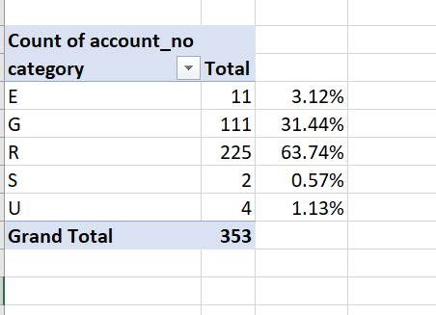
 |  | *Amounts taken from Northstar from Shannon
 |  |  |  | Billing Expenses | # ebills | # accounts | # retailer | Based # paper bills | Telephone Service | All Classes | Retailer | Total
 |  |  |  | E | 0.36% | 0.41% | 3.12% | 1,076.62 |  | 150.25 | 271.45 | 1,498.33
 |  |  |  | G | 6.28% | 5.98% | 31.44% | 18,781.12 |  | 2,215.66 | 2,735.42 | 23,732.20
 |  |  |  | MF |  |  |  |  |  | - |  | -
 |  |  |  | R | 93.19% | 92.58% | 63.74% | 278,696.20 | 3,193.15 | 34,303.74 | 5,545.67 | 321,738.76
 |  |  |  | S | 0.05% | 0.04% | 0.57% | 149.53 |  | 15.21 | 49.59 | 214.34
 |  |  |  | SL |  | 0.63% |  |  |  | 232.03 |  | 232.03
 |  |  |  | U | 0.12% | 0.36% | 1.13% | 358.87 |  | 135.03 | 98.32 | 592.22
 |  |  |  |  | 100% | 100% | 100% | 299,062.35 | 3,193.15 | 37,051.91 | 8,700.45 | 348,007.87

 | 2021 Number of Accounts | *Taken from Northstar Active Accounts
 | Year | Month |  | Residential | GS<50 kW | GS 50 to 4999 kW | Sentinel Lighting | Street Lighting | Unmetered Scattered Load | Total
 | 2021 | January |  | 18,067 | 1,164 | 81 |  | 8 | 71 | 19,391
 | 2021 | February |  | 18,080 | 1,167 | 81 |  | 8 | 71 | 19,407
 | 2021 | March |  | 18,098 | 1,174 | 77 |  | 8 | 71 | 19,428
 | 2021 | April |  | 18,106 | 1,175 | 78 |  | 8 | 71 | 19,438
 | 2021 | May |  | 18,267 | 1,186 | 76 |  | 8 | 71 | 19,608
 | 2021 | June |  | 18,296 | 1,183 | 77 |  | 8 | 71 | 19,635
 | 2021 | July |  | 18,319 | 1,203 | 77 |  | 8 | 71 | 19,678
 | 2021 | August |  | 18,313 | 1,203 | 77 |  | 8 | 71 | 19,672
 | 2021 | September |  | 18,344 | 1,208 | 77 |  | 8 | 71 | 19,708
 | 2021 | October |  | 18,367 | 1,211 | 77 |  | 8 | 71 | 19,734
 | 2021 | November |  | 18,367 | 1,206 | 77 |  | 8 | 71 | 19,729
 | 2021 | December |  | 18,415 | 1,210 | 78 | 189 | 8 | 71 | 19,971
 |  |  |  | 219,039 | 14,290 | 933 | 189 | 96 | 852 | 235,399
 |  |  |  | 92.21% | 6.06% | 0.39% | 0.95% | 0.04% | 0.36% | 100.00%

5320
System: | HISTORICAL TRIAL BALANCE SUMMARY FOR 2021
InnPower Corporation
General Ledger

Ranges: | From: | To: | Date: |  |  | Sorted By: | COMPANY
Account: | . .5320. . | . .5320. . | Include: | Posting, Unit, Inactive

Inactive | Account | Description | Beginning Balance | Debit | Credit | Net Change | Ending Balance
 | 1.40.5320.001.000 | Collecting Labour |  |  |  |  | $95,012.61
 | 1.40.5320.003.000 | Collecting Vehicles |  |  |  |  | $645.40
 | 1.40.5320.058.000 | Collecting Collection Fees |  |  |  |  | $39,210.98
 | 1.40.5320.069.000 | Collecting Postage |  |  |  |  | $4,000.00
 | 1.40.5320.076.000 | Collecting Telephone Service |  |  |  |  | $2,880.68
 | 1.40.5320.080.000 | Collecting Security |  |  |  |  | $0.00
Accounts | Beginning Balance | Debit | Credit | Net Change | Ending Balance
Grand Totals: |  |  |  |  | $141,749.67

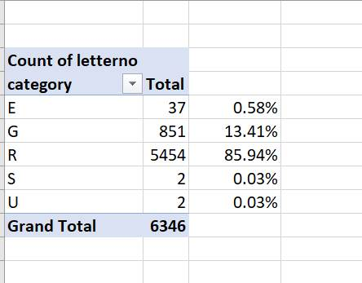
 |  |  |  |  |  | Total Budgeted Amount | 218,060.00

 |  |  |  | E | 37 | 0.58% | 1,271.39
 |  |  |  | G | 851 | 13.41% | 29,241.89
 |  |  |  | R | 5,454 | 85.94% | 187,409.27
 |  |  |  | S | 2 | 0.03% | 68.72
 |  |  |  | U | 2 | 0.03% | 68.72
 |  |  |  |  | 6,346 |  | 218,060.00

 | *Amounts taken from Northstar from Shannon

