2018 and 2019
Orangeville Hydro Limited
Calcuation of PILs 1592 Variance - Accelerated Investment Property

OHL's last cost of service was for 2014 rates.

For the purposes of the 2018 year, we have assumed an allocation of additions before/after November 21, 2018 on the PILs workform to be the same
ratio as what was file in the actual 2018 T2.

Impact for the 2018 Fiscal Year:
Schedule 8 CCA - Test Year
 | Per the PILs WorkForm
 |  |  |  |  |  |  |  |  |  |  |  | Additions |  | CCA on | CCA on | CCA on
Class | Class Description | UCC Test Year Opening Balance | Additions | Disposals (Negative) | UCC Before 1/2 Yr Adjustment | 1/2 Year Rule {1/2 Additions Less Disposals} | Reduced UCC | Rate % | Test Year CCA | UCC End of Test Year | Post allocation, per 2018 Sched 8 | Pre | Post | Beg UCC | pre AIIP Adds | AIIP Adds
1 | Distribution System - post 1987 | $10,126,081 |  |  | $10,126,081 | $- | $10,126,081 | 4% | $405,043 | $9,721,038 |  | - | - | 405,043 | - | - | 405,043
1 Enhanced | Non-residential Buildings Reg. 1100(1)(a.1) election | $- |  |  | $- | $- | $- | 6% | $- | $- |  | - | - | - | - | - | -
2 | Distribution System - pre 1988 | $- |  |  | $- | $- | $- | 6% | $- | $- |  | - | - | - | - | - | -
8 | General Office/Stores Equip | $138,701 | 34,800 |  | $173,501 | $17,400 | $156,101 | 20% | $31,220 | $142,281 | 2% | 34,126.33 | 674 | 27,740 | 3,413 | 202 | 31,355
10 | Computer Hardware/ Vehicles | $114,391 | 35,000 | -5,474 | $143,917 | $14,763 | $129,154 | 30% | $38,746 | $105,171 | 0% | 29,400.55 | 125 | 34,317 | 4,410 | 56 | 38,784
10.1 | Certain Automobiles | $- |  |  | $- | $- | $- | 30% | $- | $- |  | - | - | - | - | - | -
12 | Computer Software | $17,950 | 42,000 |  | $59,950 | $21,000 | $38,950 | 100% | $38,950 | $21,000 |  | 42,000 | - | 17,950 | 21,000 | - | 38,950
45 | Computers & Systems Software acq'd post Mar 22/04 | $474 |  |  | $474 | $- | $474 | 45% | $213 | $261 |  | - | - | 213 | - | - | 213
46 | Data Network Infrastructure Equipment (acq'd post Mar 22/04) | $- |  |  | $- | $- | $- | 30% | $- | $- |  | - | - | - | - | - | -
47 | Distribution System - post February 2005 | $7,236,843 | 1,106,222 | 0 | $8,343,065 | $553,111 | $7,789,954 | 8% | $623,196 | $7,719,869 | 60% | 442,923.13 | 663,299 | 578,947 | 17,717 | 79,596 | 676,260
50 | Data Network Infrastructure Equipment - post Mar 2007 | $14,484 | 77,200 |  | $91,684 | $38,600 | $53,084 | 55% | $29,196 | $62,488 | 34% | 50,711 | 26,489 | 7,966 | 13,946 | 21,853 | 43,765
52 | Computer Hardware and system software | $- |  |  | $- | $- | $- | 100% | $- | $- |  | - | - | - | - | - | -
95 | CWIP |  |  |  | $- | $- | $- | 0% | $- | $- |  | - | - | - | - | - | -
 |  |  |  |  | $- | $- | $- |  | $- | $- |  |  |  |  | - | - | -
 | TOTAL | $17,648,924 | $1,295,222 | -$5,474 | $18,938,672 | $644,874 | $18,293,798 |  | $1,166,565 | $17,772,107 |  | 599,161 | 690,587 | 1,072,178 | 60,485 | 101,708 | 1,234,371
 |  |  |  |  |  | B |  |  |  |  |  |  |  |  |  |  | A

 |  |  |  |  |  |  |  | KPMG recalculated revsied CCA using the new AIIP CCA rules

 | Information obtained from: |  |  |  |  |  |  |  |  |  |  | Difference |  | 67,805 | C = A - B
 | http://www.rds.oeb.ca/HPECMWebDrawer/Record?q=CaseNumber=EB-2013-0160&sortBy=recRegisteredOn-&pageSize=400
 |  |  |  |  |  |  |  |  |  |  |  | Tax rate | 15.50% | 10,510 | D = C x Tax Rate

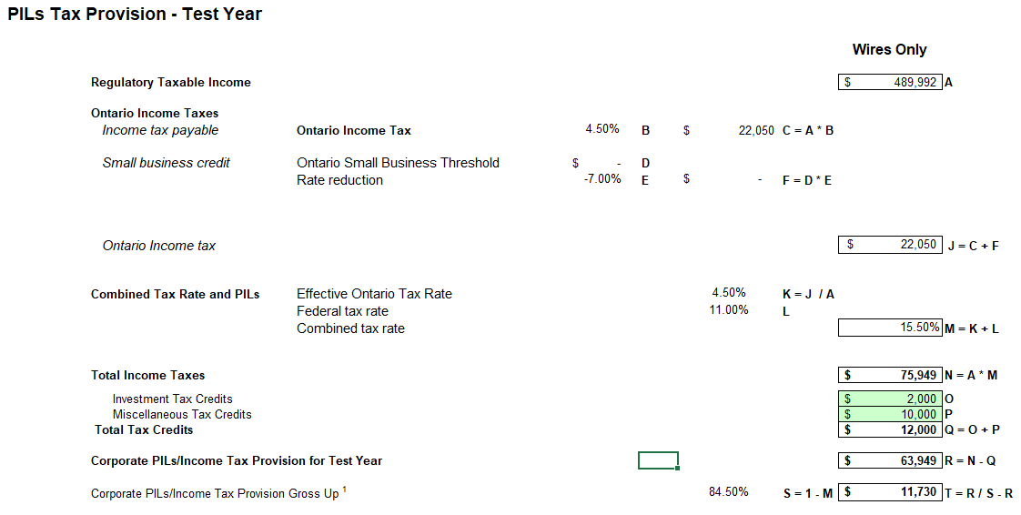
 |  |  |  |  |  |  |  |  |  |  |  | Grossed up |  | 12,438 | = D/(1-Tax Rate)

 |  |  |  |  |  |  |  |  |  |  |  | Dr. Distribution Revenue |  |  | 12,438
 |  |  |  |  |  |  |  |  |  |  |  |  | Cr. PILS Variance 1592 |  |  | (12,438)
 | Per the PILs Workform:

 |  |  |  |  |  |  |  |  |  |  |  | Actual amount of grossed up PILs in rates is $57,510 per the revised
 |  |  |  |  |  |  |  |  |  |  |  | Revenue Requirement Workform. Therefore adjustment in any given year
 |  |  |  |  |  |  |  |  |  |  |  | cannot be greater than the revised grossed up PILs.

Impact for the 2019 Fiscal Year - all additions are deemed eligible for accelerated CCA
Schedule 8 CCA - Test Year
 | Per the PILs WorkForm
 |  |  |  |  |  |  |  |  |  |  |  | Additions |  | CCA on | CCA on | CCA on
Class | Class Description | UCC Test Year Opening Balance | Additions | Disposals (Negative) | UCC Before 1/2 Yr Adjustment | 1/2 Year Rule {1/2 Additions Less Disposals} | Reduced UCC | Rate % | Test Year CCA | UCC End of Test Year | Post allocation, per 2018 Sched 8 | Pre | Post | Beg UCC | pre AIIP Adds | AIIP Adds |  | Difference
1 | Distribution System - post 1987 | $10,126,081 |  |  | $10,126,081 | $- | $10,126,081 | 4% | $405,043 | $9,721,038 |  | - | - | 405,043 | - | - | 405,043 | -
1 Enhanced | Non-residential Buildings Reg. 1100(1)(a.1) election | $- |  |  | $- | $- | $- | 6% | $- | $- |  | - | - | - | - | - | - | -
2 | Distribution System - pre 1988 | $- |  |  | $- | $- | $- | 6% | $- | $- |  | - | - | - | - | - | - | -
8 | General Office/Stores Equip | $138,701 | 34,800 |  | $173,501 | $17,400 | $156,101 | 20% | $31,220 | $142,281 | 100% | - | 34,800 | 27,740 | - | 10,440 | 38,180 | 6,960
10 | Computer Hardware/ Vehicles | $114,391 | 35,000 | -5,474 | $143,917 | $14,763 | $129,154 | 30% | $38,746 | $105,171 | 100% | - | 29,526 | 34,317 | - | 13,287 | 47,604 | 8,858
10.1 | Certain Automobiles | $- |  |  | $- | $- | $- | 30% | $- | $- |  | - | - | - | - | - | - | -
12 | Computer Software | $17,950 | 42,000 |  | $59,950 | $21,000 | $38,950 | 100% | $38,950 | $21,000 | 100% | - | 42,000 | 17,950 | - | 42,000 | 59,950 | 21,000
45 | Computers & Systems Software acq'd post Mar 22/04 | $474 |  |  | $474 | $- | $474 | 45% | $213 | $261 |  | - | - | 213 | - | - | 213 | -
46 | Data Network Infrastructure Equipment (acq'd post Mar 22/04) | $- |  |  | $- | $- | $- | 30% | $- | $- |  | - | - | - | - | - | - | -
47 | Distribution System - post February 2005 | $7,236,843 | 1,106,222 | 0 | $8,343,065 | $553,111 | $7,789,954 | 8% | $623,196 | $7,719,869 | 100% |  | 1,106,222 | 578,947 | - | 132,747 | 711,694 | 88,498
50 | Data Network Infrastructure Equipment - post Mar 2007 | $14,484 | 77,200 |  | $91,684 | $38,600 | $53,084 | 55% | $29,196 | $62,488 | 100% | - | 77,200 | 7,966 | - | 63,690 | 71,656 | 42,460
52 | Computer Hardware and system software | $- |  |  | $- | $- | $- | 100% | $- | $- |  | - | - | - | - | - | - | -
95 | CWIP |  |  |  | $- | $- | $- | 0% | $- | $- |  | - | - | - | - | - | - | -
 |  |  |  |  | $- | $- | $- |  | $- | $- |  |  |  |  | - | - | - | -
 | TOTAL | $17,648,924 | $1,295,222 | -$5,474 | $18,938,672 | $644,874 | $18,293,798 |  | $1,166,565 | $17,772,107 |  | - | 1,289,748 | 1,072,178 | - | 262,163 | 1,334,341 | 167,776
 |  |  |  |  |  | B |  |  |  |  |  |  |  |  |  |  | A

 |  |  |  |  |  |  |  | KPMG recalculated revsied CCA using the new AIIP CCA rules

 |  |  |  |  |  |  |  |  |  |  |  | Difference |  | 167,776 | C = A - B

 |  |  |  |  |  |  |  |  |  |  |  | Tax rate | 15.50% | 26,005 | D = C x Tax Rate

 |  |  |  |  |  |  |  |  |  |  |  | Grossed up |  | 30,775 | = D/(1-Tax Rate)

 |  |  |  |  |  |  |  |  |  |  |  | Dr. Distribution Revenue |  |  | 30,775
 |  |  |  |  |  |  |  |  |  |  |  |  | Cr. PILS Variance 1592 |  |  | (30,775)

