Figure 1
Rate 1 Annual Space & Water Heating Cost

 | Natural Gas | Heating Oil | Electricity | Propane
Natural Gas | $1,852 | $4,372 | $2,445 | $2,727
Heating Oil
Electricity
Propane

Heating Oil 2,678 L
58% Savings

32% Savings
Propane 3,788 L

Electricity 21,448 kWh
24% Savings

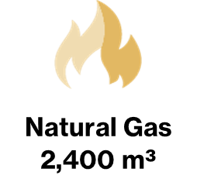

Notes: Natural gas price is based on Rate 1 rates in effect as of July 1, 2023, and includes the $0.23 per m³ expansion surcharge. Oil and propane prices are based on the latest available retail prices at the time of comparison. Electricity rates based on Hydro One Distribution rates (Mid-density R1) as of Jan. 1, 2023, and Regulated Price Plan (RPP) customers that are on Time-Of-Use (TOU) pricing. It includes the Ontario Electricity Rebate (OER). Electric cold climate air source heat pumps are available but not included in the savings calculations. Costs have been calculated for the equivalent energy consumed and include all service, delivery and energy charges. The Federal carbon charge is included for all energy types as reported and expected to increase annually depending on government policies. HST is not included.

