Inspection tie-back
Orangeville Hydro Limited
EB-2023-0045
9-Staff-54 Reconciliation of differences between the Inspection Adjustments for Accounts 1588 and 1589 with the principal adjustments tab in the GA Analysis Workform

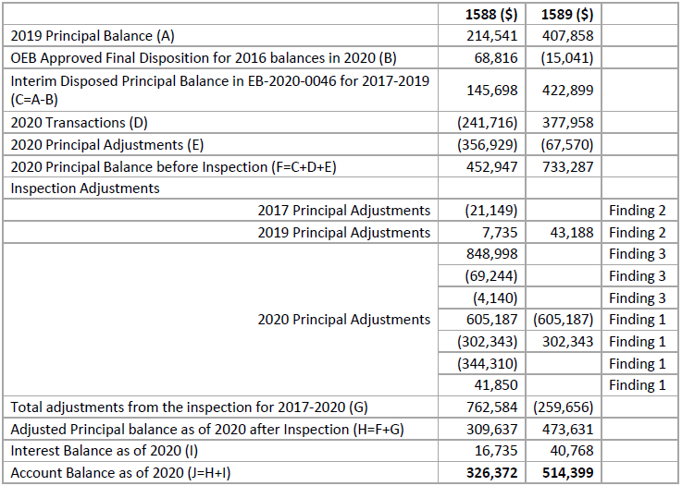
DVA Continuity |  |  |  |  |  |  |  |  |  | Inspection Report | 1588 |  | 1589
1588 | Opening balance | Transactions | Disposition | Principal adjustments | Total on DVA (A) | Inspection report Principal balances | Difference | Interest (B) | Account Balance as of 2020 (C=A+B) | 2019 Principal Balance (A) | 214,514 | (13,388) | 407,858 | 43,189
 |  |  |  |  |  |  |  |  |  | OEB Approved Final Disposition for 2016 balances in 2020 (B) | 68,816 |  | (15,041)
 |  |  |  |  |  |  |  |  |  | Interim Disposed Prinicipal Balance in EB-2020-0046 for 2017- 2019 (C=A-B) | 145,698 |  | 422,899
 |  |  |  |  |  |  |  | 2,164 |  | 2020 Transactions (D) | (241,716) |  | 377,958
 |  |  |  |  |  |  |  | 367 |  | 2020 Principal Adjustments (E) | (356,929) | 775,970 | (67,570) | (302,844)
 |  |  |  |  |  |  |  | (2,696) |  | 2020 Principal Balance before Inspection (F=C+D+E) | (452,947) |  | 733,287
 |  |  |  |  |  |  |  | (7,572) |  | Inspection Adjustments
 |  |  |  |  |  |  |  | 12,515 |  | 2017 Principal Adjustments | (21,149) |  |  | Finding 2
2017 | 203,157 | 32,386 | (134,341) | 82,905 | 184,107 |  |  | 4,778 |  | 2019 Principal Adjustments | 7,735 |  | 43,188 | Finding 2
2018 | 184,107 | 398,993 |  | (609,603) | (26,503) |  |  | 15,035 |  |  | 848,998 |  |  | Finding 3
2019 | (26,503) | 166,011 |  | 61,618 | 201,126 | 214,514 | 13,388 | (3,076) |  |  | (69,244) |  |  | Finding 3
2020 | 201,126 | (241,716) | (68,816) | 419,041 | 309,635 | 309,637 | 2 | 16,737 | 326,372 |  | (4,140) |  |  | Finding 3
 |  |  |  |  |  |  |  |  |  | 2020 Principal Adjustments | 605,187 |  | (605,187) | Finding 1
 |  |  |  |  |  |  |  |  |  |  | (302,343) |  | 302,343 | Finding 1
 |  |  |  |  |  |  |  |  |  |  | (344,310) |  |  | Finding 1
 |  |  |  |  |  |  |  |  |  |  | 41,850 |  |  | Finding 1
DVA Continuity |  |  |  |  |  |  |  |  |  | Total adjustments from the inspection for 2017-2020 (G) | 762,584 |  | (259,656)
1589 | Opening balance | Transactions | Disposition | Principal adjustments | Total on DVA (A) | Inspection report | Difference | Interest (B) | Account Balance as of 2020 (C=A+B) | Adjusted Principal Balance as of 2020 after Inspection (H=F+G) Interest Balance as of 2020 (I) | 309,637 |  | 473,631
 |  |  |  |  |  |  |  |  |  | Interest Balances | 16,735 |  | 40,768
 |  |  |  |  |  |  |  | 957 |  | Account Balance as of 2020 (J=H+I) | 326,372 |  | 514,399
 |  |  |  |  |  |  |  | 4,901
 |  |  |  |  |  |  |  | 1,371
 |  |  |  |  |  |  |  | 13,043
 |  |  |  |  |  |  |  | 11,683
2017 | 55,971 | 695,800 | (71,011) | (406,661) | 274,099 |  |  | 31,955
2018 | 274,099 | (594,197) |  | 532,040 | 211,942 |  |  | 10,719
2019 | 211,942 | 305,961 |  | (66,856) | 451,047 | 407,858 | (43,189) | (1,907)
2020 | 451,047 | 377,958 | 15,041 | (370,414) | 473,632 | 473,631 | (1) | 40,767 | 514,399

