Cover Page
WF1

WF5
Rig mats are based on actual LEMs, while bridges and rig mats are linked to Exhibit B rates

Culvert and Rig mats only have one time pruchase, while bridges rental are charged monthly
Rental Rates were changed after July 2021, i.e., old rates are used until July 1st
Rental Cost till March 2022 (invoices available)
Forecasted Rental Cost till estimated end date

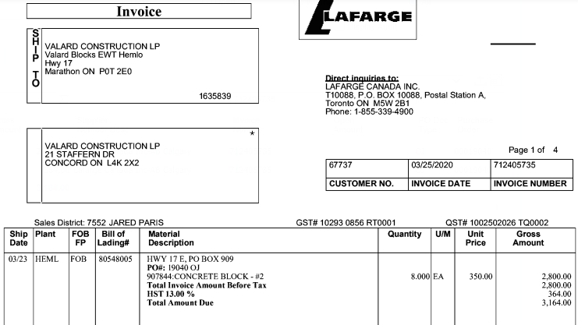
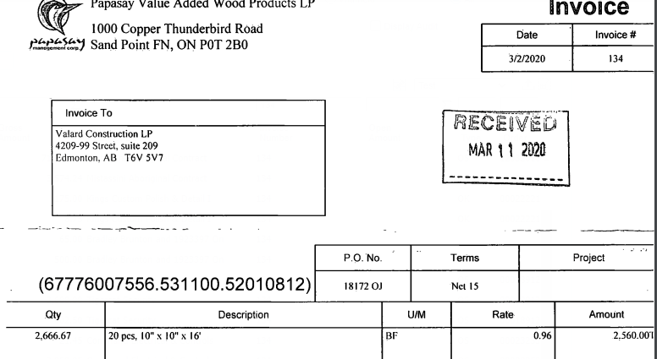

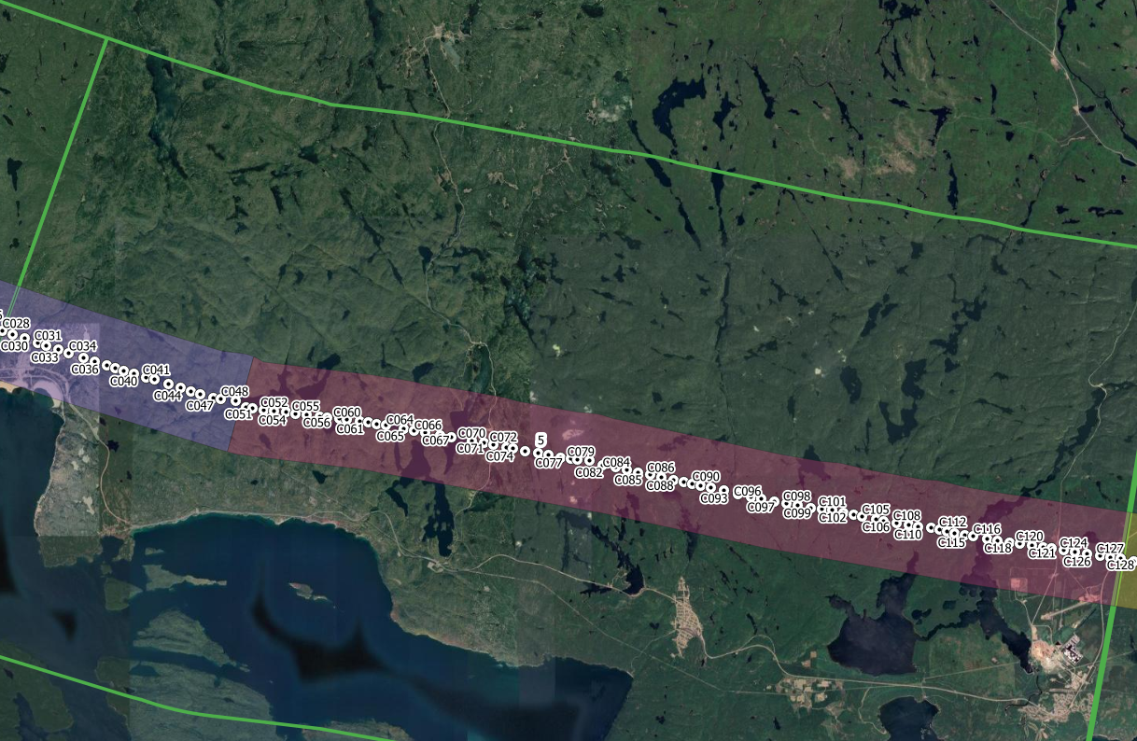

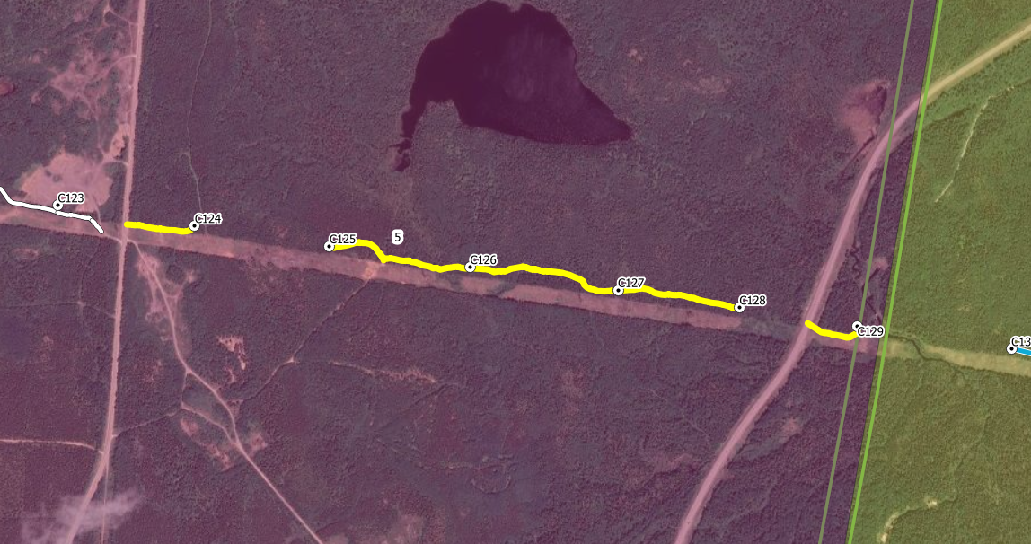

Roads built as winter as well as all-season

All-season

