Attachment 7 Schedule 2
UCT 2 Response to Settlement Proposal Question
ESM Income Tax Calculation
10-Apr-24

UCT 2 made a revision to the income taxes included in the company’s 2022 ESM calculation. The initial calculation of income tax expense did not include the $9.6MM for the debt return portion of revenue (shown below in column iv, Parts C & D). Inclusion of this revenue, along with the revision for HST and December revenue, results in an increase to income tax expense calculated and increases the total Operating Expenses as presented within the ROE calcuation. A comparison of the prior and revised income tax calculation is presented in Part B below.

Part A: Changes from Nov 2023 to Settlement Adjusted 2022 ESM

 | Nov. 2023 | Settlement | Change | Reason
 | Update | Adjusted |  | Remove HST | Dec. Revenue | Net Change
Operating Revenue | 42,186 | 41,920 | (266) | (5,450) | 5,184 | (266)
Less: Operation Expense | 10,237 | 10,491 | 254 | Revision to Income Tax calculation (See below)
Net Income | 31,949 | 31,429 | (520)

Part B: Income Tax Calculation
 | Nov. 2023 | Settlement
 | Update | Adjusted | Change
GAAP Net Op. Income | 20,558 | 20,558 | -
Add/(less)
CCVA Def. Revenue | 488 | 488 | -
CCVA Depreciation Exp | (439) | (439) | -
Interest on Def. Balance | (72) | (72) | -
Debt Return/DRVA | - | 9,626 | 9,626
Load Based Revenue | 2,360 | 2,094 | (266)
Taxable Income | 22,895 | 32,256 | 9,360

Tax Rate | 2.70% | 2.70%

Inc. Tax Exp | 618 | 872 | 254

Part C: Staff IR 7, Attachment 1
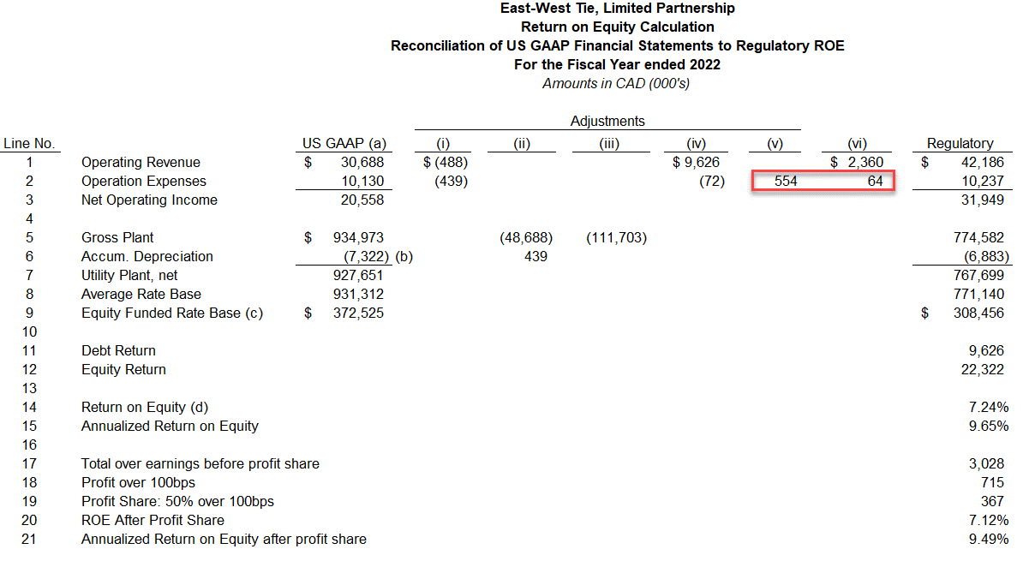

(iv) | Under US GAAP EWT did not recognize the debt return as the company did not have an incurred cost. The $9,626 adjustment appropriately reflects the debt return and ($72) reflects reversal of interest associated with DRVA liability to arrive at the regulatory ROE calculation.

(v) | Under US GAAP EWT does not recognize income tax expense on the partnership's financial statements as no tax expense is incurred at the partnership level. However, since the company is collecting income tax expense as part of the revenue requirement in contemplation of the upstream taxing of the partners, imputed income tax expense is included in the regulatory ROE calculation, using a methodology consistent with that used to establish the base revenue requirement.

(vi) | East-West Tie, LP received $2,360 of additional revenue from IESO in 2022 which was not recognized as revenue under US GAAP.

Part D: Updated per Settlement Proposal
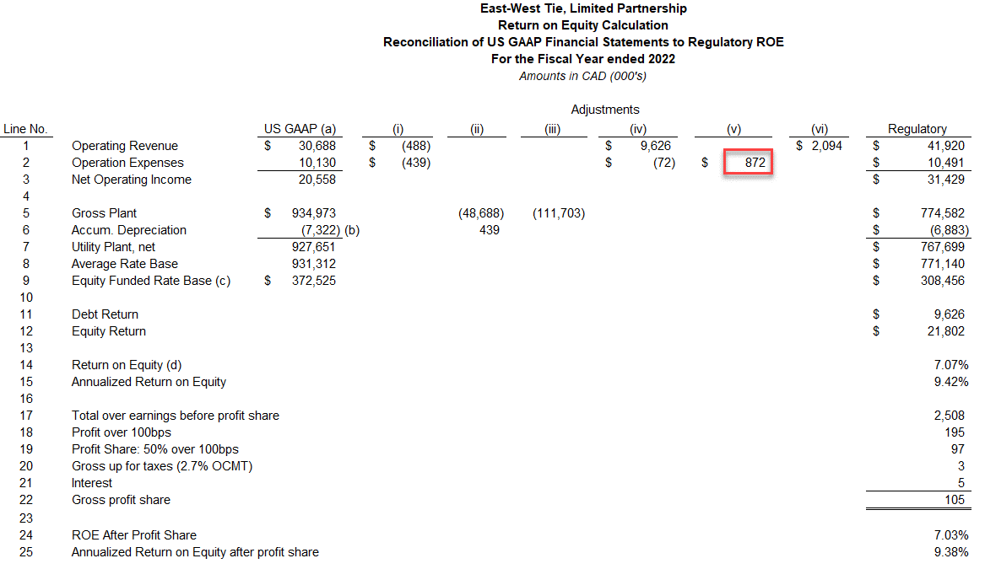

(iv) | Under US GAAP EWT did not recognize the debt return as the company did not have an incurred cost. The $9,626 adjustment appropriately reflects the debt return and ($72) reflects reversal of interest associated with DRVA liability to arrive at the regulatory ROE calculation.

(v) | Under US GAAP EWT does not recognize income tax expense on the partnership's financial statements as no tax expense is incurred at the partnership level. However, since the company is collecting income tax expense as part of the revenue requirement in contemplation of the upstream taxing of the partners, imputed income tax expense is included in the regulatory ROE calculation, using a methodology consistent with that used to establish the base revenue requirement.

(vi) | East-West Tie, LP received $2,094 of revenue above the company's base revenue requirement, which was not recognized as revenue in the 2022 US GAAP Financial Statements.

