App.2-ZB_2025 Cost of Power
Cost of Power Calculation
 |  |  |  |  |  |  | File Number: | EB-2023-0195
 |  |  |  |  |  |  | Exhibit: | Settlement Proposal
 |  |  |  |  |  |  | Tab:
 |  |  |  |  |  |  | Schedule: | 7
 |  |  |  |  |  |  | Page: | 2
All Volume should be loss adjusted with the exception of:
1. Volume for Electricity Commodity, Wholesale Market Services, Class A and B should loss adjusted less WMP |  |  |  |  |  |  | Date: | 16-Aug-24
2. Low Voltage Charges - No loss adjustment for kWh
 |  | 2025 Test Year | RPP |  | 2025 Test Year | non-RPP |  | Total
Electricity Commodity | Units | Volume | Rate | $ | Volume | Rate | $ | $
Class per Load Forecast
Residential | kWh | 5,171,006,629 |  | 523,842,352 | 64,130,269 |  | 3,891,844
CSMUR | kWh | 332,297,223 |  | 33,662,954 | 448,879 |  | 27,241
GS<50 kW | kWh | 2,043,956,687 |  | 207,060,473 | 319,010,220 |  | 19,359,624
GS 50-999 kW | kWh | 3,176,543,298 |  | 321,795,742 | 6,121,682,115 |  | 371,503,658
GS 1,000-4,999 kW | kWh | 115,935,134 |  | 11,744,664 | 4,255,019,126 |  | 258,222,354
Large User | kWh | 0 |  | 0 | 1,805,790,486 |  | 109,587,162
Streetlighting | kWh | 0 |  | - | 108,095,962 |  | 6,559,969
USL | kWh | 43,740,577 |  | 4,431,084 | 27,758 |  | 1,685
 |  | 0 |  | - | 0 |  | -
 |  | 0 |  | - | 0 |  | -
 |  | 0 |  | - | 0 |  | -
SUB-TOTAL |  | 10,883,479,547 |  | 1,102,537,269 | 12,674,204,817 |  | 769,153,536 | $1,871,690,806 | OK

Global Adjustment non-RPP | Units | Volume | Rate | $ | Volume | Rate | $ | Total
Class per Load Forecast
Residential - Class B | kWh |  |  | 0 |  |  | 2,604,793
CSMUR - Class B | kWh |  |  | 0 |  |  | 18,232
GS<50 kW - Class B | kWh |  |  | 0 |  |  | 12,944,902
GS 50-999 kW - Class B | kWh |  |  | 0 |  |  | 221,247,929
GS 1,000-4,999 kW - Class B | kWh |  |  | 0 |  |  | 28,640,632
Large User - Class B | kWh |  |  | 0 |  |  | 8,662,693
Streetlighting - Class B | kWh |  |  | 0 |  |  | 4,390,557
USL - Class B | kWh |  |  | 0 |  |  | 1,127
 |  |  |  | 0 |  |  | -
 |  |  |  | 0 |  |  | -
 |  |  |  | 0 |  |  | -
GS<50 kW - Class A |  |  |  | 0 |  |  | 17,762
GS 50-999 kW - Class A |  |  |  | 0 |  |  | 39,229,881
GS 1,000-4,999 kW - Class A |  |  |  | 0 |  |  | 206,455,422
Large User - Class A |  |  |  | 0 |  |  | 92,618,009
 |  |  |  | 0 |  |  | -
SUB-TOTAL |  |  |  | 0 |  |  | 616,831,940 | $616,831,940

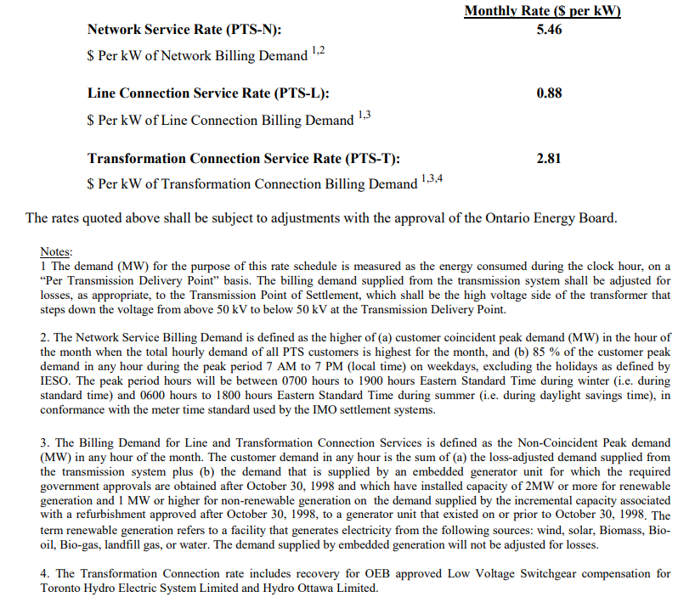
Transmission - Network |  | Volume | Rate | $ | Volume | Rate | $ | Total
Class per Load Forecast |  |  |  |  |  |  |  |  |  | Original
Residential | kW | 8,972,451 | 6.0722 | 54,482,349 |  |  | - |  |  | 50.4%
CSMUR | kW | 915,892 | 6.0722 | 5,561,463 |  |  | - |  |  | 3.2%
GS<50 kW | kW | 6,433,762 | 6.0722 | 39,066,970 |  |  | - |  |  | 19.4%
GS 50-999 kW | kW | 15,829,158 | 6.0722 | 96,117,516 |  |  | - |  |  | 25.2%
GS 1,000-4,999 kW | kW | 7,160,865 | 6.0722 | 43,482,070 |  |  | - |  |  | 0.8%
Large User | kW | 3,288,984 | 6.0722 | 19,971,308 |  |  | -
Streetlighting | kW | 143,584 | 6.0722 | 871,867 |  |  | -
USL | kW | 61,249 | 6.0722 | 371,917 |  |  | - |  |  | 1.0%
 |  |  |  | - |  |  | -
 |  |  |  | - |  |  | -
 |  |  |  | - |  |  | -
SUB-TOTAL |  | 42,805,946 |  | 259,925,459 | - |  | - | 259,925,459

Transmission - Connection |  |  |  |  |  |  | $ | Total
Class per Load Forecast
Residential | kW | 9,275,035 | 4.3647 | 40,483,057 |  |  | - |  |  | 51.3%
CSMUR | kW | 946,779 | 4.3647 | 4,132,440 |  |  | - |  |  | 3.3%
GS<50 kW | kW | 6,650,732 | 4.3647 | 29,028,674 |  |  | - |  |  | 18.1%
GS 50-999 kW | kW | 16,362,975 | 4.3647 | 71,420,028 |  |  | - |  |  | 25.2%
GS 1,000-4,999 kW | kW | 7,402,356 | 4.3647 | 32,309,310 |  |  | - |  |  | 0.8%
Large User | kW | 3,399,901 | 4.3647 | 14,839,661 |  |  | -
Streetlighting | kW | 148,426 | 4.3647 | 647,840 |  |  | -
USL | kW | 63,315 | 4.3647 | 276,353 |  |  | - |  |  | 1.3%
 |  |  |  | - |  |  | -
 |  |  |  | - |  |  | -
 |  |  |  | - |  |  | -
SUB-TOTAL |  | 44,249,519 |  | 193,137,363 |  |  | - | 193,137,363

Wholesale Market Service |  |  |  |  |  |  | $ | Total
Class per Load Forecast
Residential | kWh | 5,058,448,455 | 0.0043 | 21,577,520 | 69,710,513 | 0.0043 | 297,360
CSMUR | kWh | 325,064,053 | 0.0043 | 1,386,606 | 487,938 | 0.0043 | 2,081
GS<50 kW | kWh | 1,999,465,537 | 0.0043 | 8,529,000 | 346,723,175 | 0.0043 | 1,478,996
GS 50-999 kW | kWh | 3,107,398,945 | 0.0043 | 13,255,045 | 6,553,946,422 | 0.0043 | 27,956,776
GS 1,000-4,999 kW | kWh | 113,411,554 | 0.0043 | 483,773 | 4,096,843,295 | 0.0043 | 17,475,659
Large User | kWh | 0 | 0.0043 | 0 | 1,725,863,989 | 0.0043 | 7,361,914
Streetlighting | kWh | - | 0.0043 | - | 117,501,845 | 0.0043 | 501,221
USL | kWh | 42,788,468 | 0.0043 | 182,520 | 30,174 | 0.0043 | 129
 |  |  |  | - |  |  | -
 |  |  |  | - |  |  | -
 |  |  |  | - |  |  | -
SUB-TOTAL |  | 10,646,577,012 |  | 45,414,465 | 12,911,107,352 |  | 55,074,136 | 100,488,601

Class A CBR |  |  |  |  |  |  | $ | Total
Class per Load Forecast
Residential | kWh |  |  | - | - | 0.0002 | -
CSMUR | kWh |  |  | - | - | 0.0002 | -
GS<50 kW | kWh |  |  | - | 305,406 | 0.0002 | 64
GS 50-999 kW | kWh |  |  | - | 674,535,536 | 0.0002 | 140,357
GS 1,000-4,999 kW | kWh |  |  | - | 3,549,883,842 | 0.0002 | 738,660
Large User | kWh |  |  | - | 1,592,514,113 | 0.0002 | 331,370
Streetlighting | kWh |  |  | - | - | 0.0002 | -
USL | kWh |  |  | - | - | 0.0002 | -
 |  |  |  | - |  |  | -
 |  |  |  | - |  |  | -
 |  |  |  | - |  |  | -
SUB-TOTAL |  | - |  | - | 5,817,238,898 |  | 1,210,451 | 1,210,451

Class B CBR |  |  |  |  |  |  | $ | Total
Class per Load Forecast
Residential | kWh | 5,171,006,629 | 0.0004 | 2,151,966 | 64,130,269 | 0.0004 | 26,688
CSMUR | kWh | 332,297,223 | 0.0004 | 138,289 | 448,879 | 0.0004 | 187
GS<50 kW | kWh | 2,043,956,687 | 0.0004 | 850,613 | 318,704,814 | 0.0004 | 132,632
GS 50-999 kW | kWh | 3,176,543,298 | 0.0004 | 1,321,950 | 5,447,146,579 | 0.0004 | 2,266,885
GS 1,000-4,999 kW | kWh | 115,935,134 | 0.0004 | 48,248 | 705,135,284 | 0.0004 | 293,449
Large User | kWh | 0 | 0.0004 | 0 | 213,276,373 | 0.0004 | 88,757
Streetlighting | kWh | - | 0.0004 | - | 108,095,962 | 0.0004 | 44,985
USL | kWh | 43,740,577 | 0.0004 | 18,203 | 27,758 | 0.0004 | 12
 |  |  |  | - |  |  | -
 |  |  |  | - |  |  | -
 |  |  |  | - |  |  | -
SUB-TOTAL |  | 10,883,479,547 |  | 4,529,269 | 6,856,965,919 |  | 2,853,595 | 7,382,864

RRRP |  |  |  |  |  |  | $ | Total
Class per Load Forecast
Residential | kWh | 5,058,448,455 | 0.0007 | 3,683,967 | 69,710,513 | 0.0007 | 50,769
CSMUR | kWh | 325,064,053 | 0.0007 | 236,738 | 487,938 | 0.0007 | 355
GS<50 kW | kWh | 1,999,465,537 | 0.0007 | 1,456,171 | 346,723,175 | 0.0007 | 252,512
GS 50-999 kW | kWh | 3,107,398,945 | 0.0007 | 2,263,057 | 6,553,946,422 | 0.0007 | 4,773,108
GS 1,000-4,999 kW | kWh | 113,411,554 | 0.0007 | 82,595 | 4,096,843,295 | 0.0007 | 2,983,649
Large User | kWh | 0 | 0.0007 | 0 | 1,725,863,989 | 0.0007 | 1,256,912
Streetlighting | kWh | - | 0.0007 | - | 117,501,845 | 0.0007 | 85,574
USL | kWh | 42,788,468 | 0.0007 | 31,162 | 30,174 | 0.0007 | 22
 |  |  |  | - |  |  | -
 |  |  |  | - |  |  | -
 |  |  |  | - |  |  | -
SUB-TOTAL |  | 10,646,577,012 |  | 7,753,689 | 12,911,107,352 |  | 9,402,901 | 17,156,590

Low Voltage - No TLF adjustment |  |  |  |  |  |  | $ | Total
Class per Load Forecast
Residential | kWh | 4,913,500,199 | 0.000029 | 144,492 | 67,712,980 | 0.000029 | 1,991
CSMUR | kWh | 315,749,444 | 0.000029 | 9,285 | 473,957 | 0.000029 | 14
GS<50 kW | kWh | 1,942,171,478 | 0.000029 | 57,114 | 336,787,931 | 0.000029 | 9,904
GS 50-999 kW | kWh | 3,018,357,401 | 0.000029 | 88,761 | 6,366,145,141 | 0.000029 | 187,210
GS 1,000-4,999 kW | kWh | 110,161,782 | 0.000029 | 3,240 | 3,979,449,534 | 0.000029 | 117,024
Large User | kWh | 0 | 0.000029 | 0 | 1,696,681,075 | 0.000029 | 49,894
Streetlighting | kWh | - | 0.000029 | - | 114,134,867 | 0.000029 | 3,356
USL | kWh | 41,562,378 | 0.000029 | 1,222 | 29,309 | 0.000029 | 1
 |  |  |  | - |  |  | -
 |  |  |  | - |  |  | -
 |  |  |  | - |  |  | -
SUB-TOTAL |  | 10,341,502,683 |  | 304,113 |  |  | 369,394 | 673,508

Smart Meter Entity Charge |  |  |  |  |  |  | $ | Total
Class per Load Forecast
Residential |  | 616,989 | 0.42 | 3,109,625 |  |  | -
CSMUR |  | 100,867 | 0.42 | 508,370 |  |  | -
GS<50 kW |  | 72,935 | 0.42 | 367,592 |  |  | -
 |  |  |  | - |  |  | -
 |  |  |  | - |  |  | -
 |  |  |  | - |  |  | -
 |  |  |  | - |  |  | -
 |  |  |  | - |  |  | -
SUB-TOTAL |  |  |  | 3,985,587 |  |  | - | 3,985,587

SUB- TOTAL |  |  |  | 1,617,587,214 |  |  | 1,454,895,954 | 3,072,483,168
OER CREDIT | -11.7% | 1,617,587,214 |  | (189,257,704) | - |  | - | (189,257,704)
TOTAL |  |  |  | 1,428,329,510 |  |  | 1,454,895,954 | 2,883,225,464

3.The OER Credit will only apply to RPP proportion of the listed components. Impacts on distribution charges are excluded for the purpose of calculating the cost of power.
4. Class A CBR: use the average CBR per kWh, similar to how the Class A GA cost is calculated

 |  | 2025 Test Year - Cop
 |  | 4705 -Power Purchased | $1,871,690,806
 |  | 4707- Global Adjustment | $616,831,940
 |  | 4708-Charges-WMS | $126,238,506
 |  | 4714-Charges-NW | $259,925,459
 |  | 4716-Charges-CN | $193,137,363
 |  | 4750-Charges-LV | $673,508
 |  | 4751-IESO SME | $3,985,587
 |  | Misc A/R or A/P | $(189,257,704)
 |  | TOTAL | $2,883,225,464
 |  |  | -

