Nexus Proxy Group
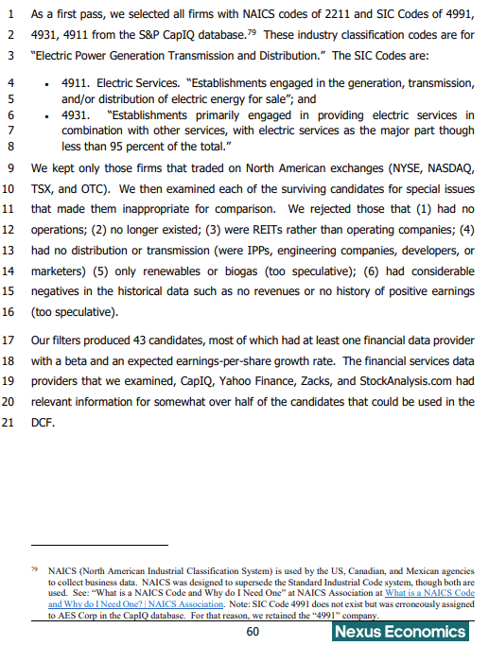
 |  |  | DCF
Ticker | Name | Eligible | Yahoo | Zacks | CapIQ | Stock Analysis | CAPM | Any
TOTALS |  | 43 | 29 | 23 | 20 | 27 | 43 | 43
AEE | Ameren Corp. | Yes | X | X | X | X | X | X
AEP | American Electric Power Co. | Yes | X | X |  | X | X | X
AES | The AES Corp. | Yes | X |  |  |  | X | X
AGR | Avangrid Inc. | Yes |  | X | X | X | X | X
ALE | ALLETE Inc. | Yes | X |  |  | X | X | X
APTL | Alaska Power & Telephone Co. | Yes |  |  |  |  | X | X
AQN | Algonquin Power & Utilities | Yes |  |  |  |  | X | X
AVA | Avista Corp. | Yes | X |  | X | X | X | X
CEG | Constellation Energy Corp. | Yes |  |  |  |  | X | X
CMS | CMS Energy Corp. | Yes | X | X | X | X | X | X
CNP | CenterPoint Energy Inc. | Yes | X | X | X | X | X | X
D | Dominion Energy | Yes |  | X |  | X | X | X
DTE | DTE Energy Co. | Yes | X | X | X | X | X | X
DUK | Duke Energy Corp | Yes | X | X |  | X | X | X
ED | Consolidated Edison Inc. | Yes | X | X |  |  | X | X
EIX | Edison International | Yes | X |  |  | X | X | X
EMA | Emera Inc. | Yes |  |  |  |  | X | X
ES | Eversource Energy | Yes | X | X |  |  | X | X
ETR | Entergy Corp. | Yes | X | X |  |  | X | X
EVRG | Evergy, Inc. | Yes | X | X | X | X | X | X
EXC | Exelon Corp. | Yes | X | X | X | X | X | X
FE | FirstEnergy Corp. | Yes | X |  |  | X | X | X
FTS | Fortis Inc. | Yes |  |  | X |  | X | X
H | Hydro One Ltd | Yes |  |  | X |  | X | X
HE | Hawaiian Electric Industries | Yes |  |  |  | X | X | X
IDA | IDACORP Inc. | Yes | X |  | X | X | X | X
LNT | Alliant Energy | Yes | X | X | X | X | X | X
MGEE | MGE Energy Inc | Yes | X |  |  |  | X | X
NEE | NextEra Energy Inc. | Yes | X | X |  | X | X | X
NWE | NorthWestern Energy Group | Yes | X |  | X | X | X | X
OGE | OGE Energy Corp. | Yes |  | X | X | X | X | X
OTTR | Otter Tail Corp. | Yes | X |  |  |  | X | X
PCG | PG&E Corp. | Yes | X |  | X | X | X | X
PEG | Public Svc Entpr Group Inc. | Yes |  | X |  |  | X | X
PNM | PNM Resources Inc. | Yes |  | X |  |  | X | X
PNW | Pinnacle West Capital Corp. | Yes | X | X | X | X | X | X
POR | Portland General Electric Co. | Yes | X |  |  | X | X | X
PPL | PPL Corp. | Yes | X | X |  |  | X | X
SO | The Southern Co. | Yes | X | X | X | X | X | X
TA | TransAlta Corp | Yes |  |  |  |  | X | X
UTL | Unitil Corp. | Yes | X |  | X | X | X | X
WEC | WEC Energy Group | Yes | X | X | X | X | X | X
XEL | Xcel Energy Inc. | Yes |  | X | X | X | X | X

Concentric Proxy Group
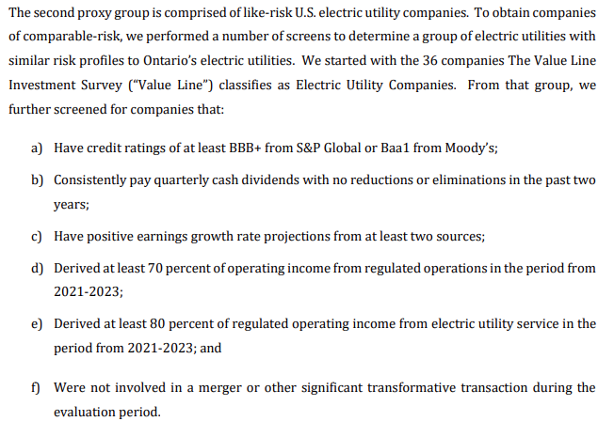
Concentric North American Combined Proxy Group
Company | Ticker
AltaGas Limited | ALA
Canadian Utilities Limited | CU
Emera Inc. | EMA
Enbridge Inc. | ENB
Fortis, Inc. | FTS
Hydro One, Ltd. | H
Alliant Energy Corporation | LNT
Ameren Corporation | AEE
American Electric Power Company, Inc. | AEP
Duke Energy Corporation | DUK
Entergy Corporation | ETR
Eversource Energy | ES
Exelon Corporation | EXC
Evergy, Inc. | EVRG
NextEra Energy, Inc. | NEE
OGE Energy Corporation | OGE
Pinnacle West Capital Corporation | PNW
PPL Corporation | PPL
Portland General Electric Company | POR
Southern Company | SO
Xcel Energy Inc. | XEL
Atmos Energy Corp. | ATO
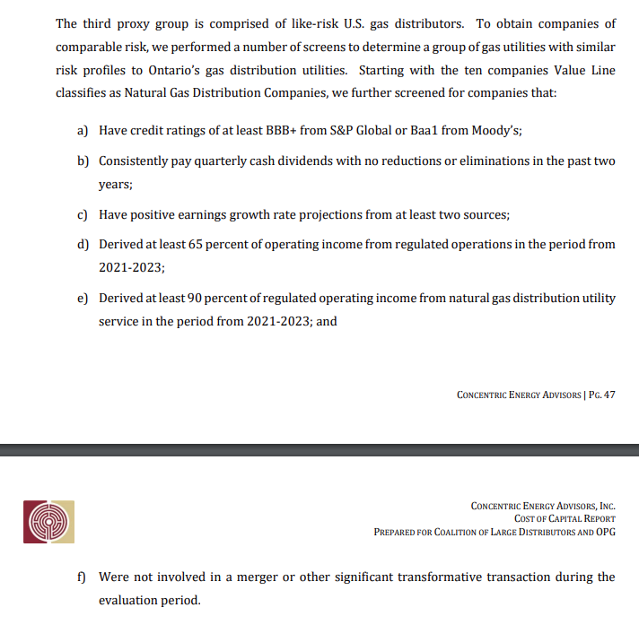
Northwest Natural Gas Company | NWN
ONE Gas, Inc. | OGS
Spire, Inc. | SR

