KN
 | Calendar Month | Non-RPP Class B Including Loss Factor Billed Consumption (kWh) | Deduct Previous Month Unbilled Loss Adjusted Consumption (kWh) | Add Current Month Unbilled Loss Adjusted Consumption (kWh) | Non-RPP Class B Including Loss Adjusted Consumption, Adjusted for Unbilled (kWh) | GA Rate Billed ($/kWh) | $ Consumption at GA Rate Billed | GA Actual Rate Paid ($/kWh) | $ Consumption at Actual Rate Paid | Expected GA Price Variance ($) | Weighted Avg | 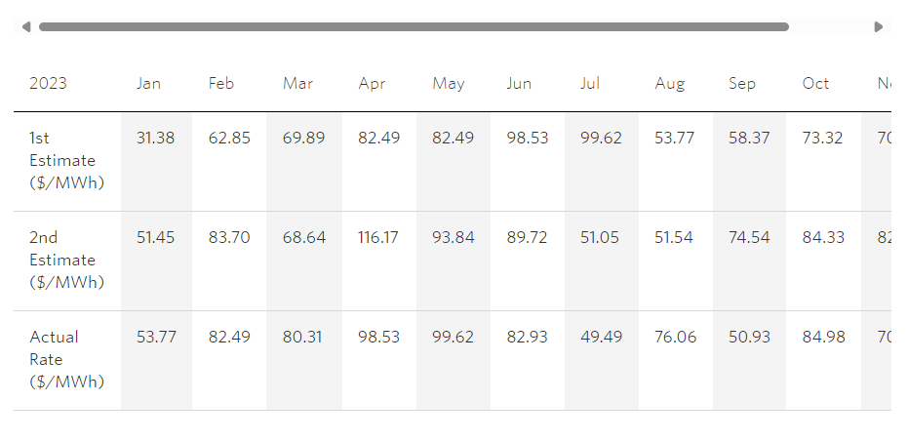 | 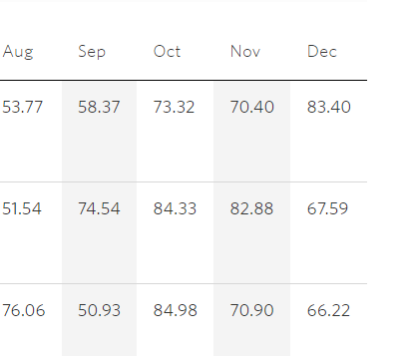
 |  | F | G | H | I = F-G+H | J | K = I*J | L | M = I*L | N=M-K
 | January | 3,449,075 |  |  | 3,449,075 | $0.03138 | $108,232 | 0.05377 | $185,457 | $77,225
 | February | 3,166,860 |  |  | 3,166,860 | $0.06285 | $199,037 | 0.08249 | $261,234 | $62,197
 | March | 3,338,659 |  |  | 3,338,659 | $0.06989 | $233,339 | 0.08031 | $268,128 | $34,789
 | April | 2,877,886 |  |  | 2,877,886 | $0.08249 | $237,397 | 0.09853 | $283,558 | $46,161
 | May | 2,851,687 |  |  | 2,851,687 | $0.08249 | $235,236 | 0.09962 | $284,085 | $48,849
 | June | 2,983,786 |  |  | 2,983,786 | $0.09853 | $293,992 | 0.08293 | $247,445 | $(46,547)
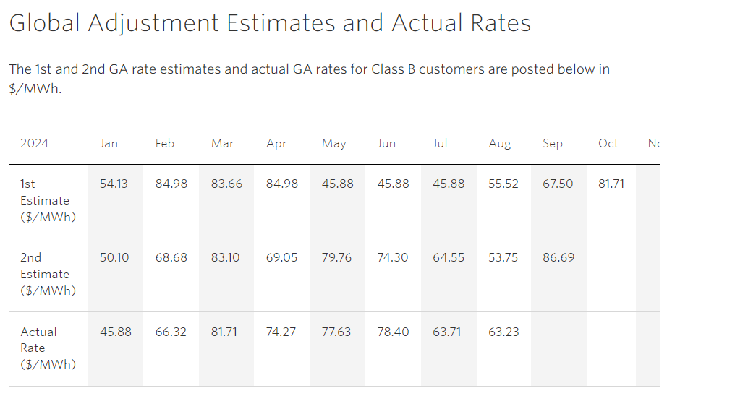
 | July | 2,968,832 |  |  | 2,968,832 | $0.09962 | $295,755 | 0.04949 | $146,928 | $(148,828)
 | August | 3,029,955 |  |  | 3,029,955 | $0.05377 | $162,921 | 0.07606 | $230,458 | $67,538
 | September | 2,831,767 |  |  | 2,831,767 | $0.05837 | $165,290 | 0.05093 | $144,222 | $(21,068)
 | October | 2,808,047 |  |  | 2,808,047 | $0.07332 | $205,886 | 0.08498 | $238,628 | $32,742
 | November | 3,105,626 |  |  | 3,105,626 | $0.07040 | $218,636 | 0.07090 | $220,189 | $1,553
 | December 2023 | 3,290,512 |  |  | 3,290,512 | $0.08340 | $274,429 | 0.06622 | $217,898 | $(56,531)
 | January 2024 | 3,580,808 |  |  | 3,580,808 | $0.05413 | $193,829 | 0.04588 | $164,287 | $(29,542)
 | February | 3,197,988 |  |  | 3,197,988 | $0.08498 | $271,765 | 0.06632 | $212,091 | $(59,674)
 | March | 3,332,586 |  |  | 3,332,586 | $0.08366 | $278,804 | 0.08171 | $272,306 | $(6,499)
 | April | 2,799,062 |  |  | 2,799,062 | $0.08498 | $237,864 | 0.07427 | $207,886 | $(29,978)
 | Net Change in Expected GA Balance in the Year (i.e. Transactions in the Year) | 49,613,135 | - | - | 49,613,135 |  | $3,612,412 |  | $3,584,799 | $(27,613)

 |  |  |  |  |  | Annual Non-RPP Class B Wholesale kWh * | Annual Non-RPP Class B Retail billed kWh | Annual Unaccounted for Energy Loss kWh | Weighted Average GA Actual Rate Paid ($/kWh)** | Expected GA Volume Variance ($)
 |  |  |  |  |  | O | P | Q=O-P | R | P= Q*R
 |  |  |  |  |  | 49,934,371 | 49,613,135 | 321,236 | 0.07226 | $23,211
 |  |  |  |  |  | *Equal to (AQEW - Class A + embedded generation kWh)*(Non-RPP Class B retail kwh/Total retail Class B kWh)
 |  |  |  |  |  | **Equal to annual Non-RPP Class B $ GA paid (i.e. non-RPP portion of CT 148 on IESO invoice) divided by Non-RPP Class B Wholesale kWh (as quantified in column O in the table above)
 |  |  |  |  |  |  |  |  | Total Expected GA Variance | $(4,402)
 |  |  |  |  |  |  | Calculated Loss Factor |  |  | 1.0452
 |  |  |  |  |  |  | Most Recent Approved Loss Factor for Secondary Metered Customer < 5,000kW |  |  | 1.043
 |  |  |  |  |  |  | Difference |  |  | 0.0022

 | a) Please provide an explanation in the text box below if columns G and H for unbilled consumption are not used in the table above.
 | Data provided in "F" is from IT generated report that presents the cosnumption used by month. The datta includes unbilled adjustments each month, columns G and H are not required. |  |  |  | b) Please provide an explanation in the text box below if the difference in loss factor is greater than 1%
 |  |  |  |  | N/A

Note 5 | Reconciling Items

 | Item | Amount | Explanation |  |  |  |  | Principal Adjustments
Net Change in Principal Balance in the GL (i.e. Transactions in the Year) |  | $(25,691) |  |  |  |  |  | Principal Adjustment on DVA Continuity Schedule | If "no", please provide an explanation
1a | CT 148 True-up of GA Charges based on Actual Non-RPP Volumes - prior year
1b | CT 148 True-up of GA Charges based on Actual Non-RPP Volumes - current year
2a | Remove prior year end unbilled to actual revenue differences
2b | Add current year end unbilled to actual revenue differences
3a | Remove difference between prior year accrual/forecast to actual from long term load transfers
3b | Add difference between current year accrual/forecast to actual from long term load transfers
4 | Remove GA balances pertaining to Class A customers
5a | Significant prior period billing adjustments recorded in current year
5b | Significant current period billing adjustments recorded in other year(s)
6 | Differences in GA IESO posted rate and rate charged on IESO invoice
7
8
9
10
Note 6 | Adjusted Net Change in Principal Balance in the GL | $(25,691)
 | Net Change in Expected GA Balance in the Year Per Analysis | $(4,402)
 | Unresolved Difference | $(21,289)
 | Unresolved Difference as % of Expected GA Payments to IESO | -0.6%

