TB GA
 | Calendar Month | Non-RPP Class B Including Loss Factor Billed Consumption (kWh) | Deduct Previous Month Unbilled Loss Adjusted Consumption (kWh) | Add Current Month Unbilled Loss Adjusted Consumption (kWh) | Non-RPP Class B Including Loss Adjusted Consumption, Adjusted for Unbilled (kWh) | GA Rate Billed ($/kWh) | $ Consumption at GA Rate Billed | GA Actual Rate Paid ($/kWh) | $ Consumption at Actual Rate Paid | Expected GA Price Variance ($) | 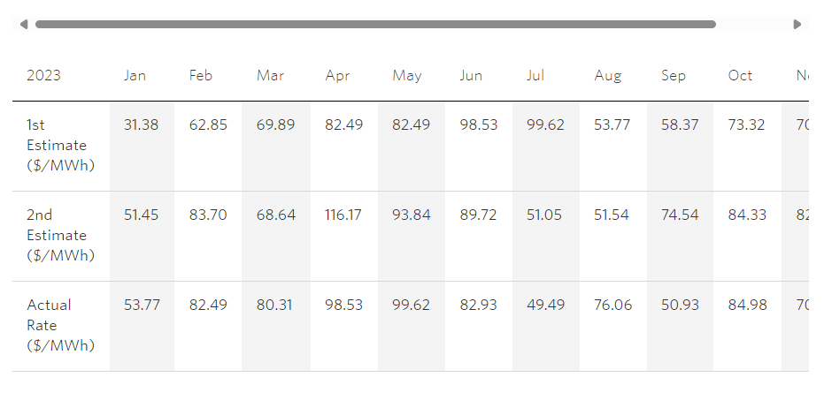 |  | 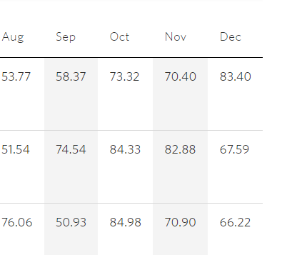
 |  | F | G | H | I = F-G+H | J | K = I*J | L | M = I*L | N=M-K
 | January | 23,393,157 |  |  | 23,393,157 | $0.03138 | $734,077 | 0.05377 | $1,257,850 | $523,773
 | February | 21,228,157 |  |  | 21,228,157 | $0.06285 | $1,334,190 | 0.08249 | $1,751,111 | $416,921
 | March | 22,144,532 |  |  | 22,144,532 | $0.06989 | $1,547,681 | 0.08031 | $1,778,427 | $230,746
 | April | 20,278,291 |  |  | 20,278,291 | $0.08249 | $1,672,756 | 0.09853 | $1,998,020 | $325,264
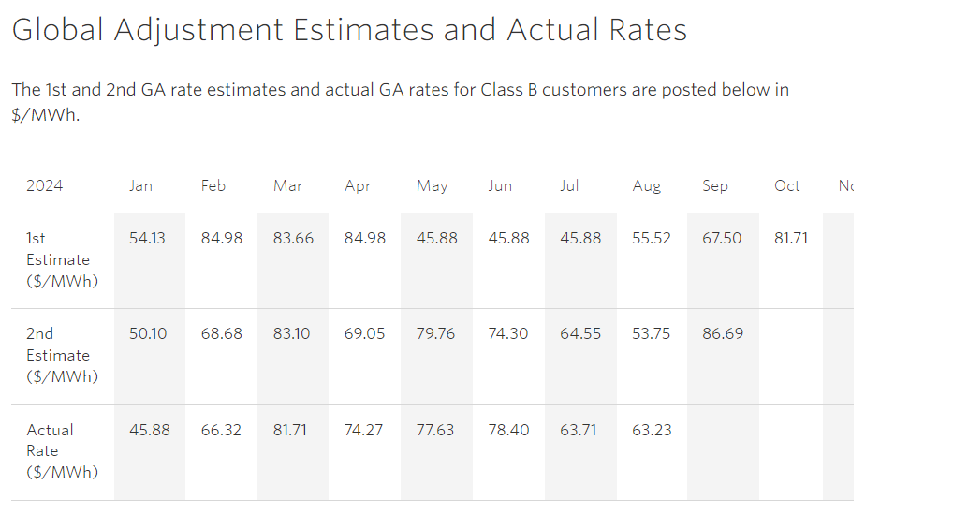
 | May | 20,135,910 |  |  | 20,135,910 | $0.08249 | $1,661,011 | 0.09962 | $2,005,939 | $344,928
 | June | 19,437,706 |  |  | 19,437,706 | $0.09853 | $1,915,197 | 0.08293 | $1,611,969 | $(303,228)
 | July | 20,253,947 |  |  | 20,253,947 | $0.09962 | $2,017,698 | 0.04949 | $1,002,368 | $(1,015,330)
 | August | 21,435,152 |  |  | 21,435,152 | $0.05377 | $1,152,568 | 0.07606 | $1,630,358 | $477,790
 | September | 20,536,134 |  |  | 20,536,134 | $0.05837 | $1,198,694 | 0.05093 | $1,045,905 | $(152,789)
 | October | 19,963,654 |  |  | 19,963,654 | $0.07332 | $1,463,735 | 0.08498 | $1,696,511 | $232,776
 | November | 20,991,076 |  |  | 20,991,076 | $0.07040 | $1,477,772 | 0.07090 | $1,488,267 | $10,496
 | December 2023 | 21,416,414 |  |  | 21,416,414 | $0.08340 | $1,786,129 | 0.06622 | $1,418,195 | $(367,934)
 | January 2024 | 23,421,360 |  |  | 23,421,360 | $0.05413 | $1,267,798 | 0.04588 | $1,074,572 | $(193,226)
 | February | 21,075,239 |  |  | 21,075,239 | $0.08498 | $1,790,974 | 0.06632 | $1,397,710 | $(393,264)
 | March | 21,867,302 |  |  | 21,867,302 | $0.08366 | $1,829,419 | 0.08171 | $1,786,777 | $(42,641)
 | April | 19,428,882 |  |  | 19,428,882 | $0.08498 | $1,651,066 | 0.07427 | $1,442,983 | $(208,083)
 | Net Change in Expected GA Balance in the Year (i.e. Transactions in the Year) | 337,006,914 | - | - | 337,006,914 |  | $24,500,766 |  | $24,386,963 | $(113,803)

 |  |  |  |  |  | Annual Non-RPP Class B Wholesale kWh * | Annual Non-RPP Class B Retail billed kWh | Annual Unaccounted for Energy Loss kWh | Weighted Average GA Actual Rate Paid ($/kWh)** | Expected GA Volume Variance ($)
 |  |  |  |  |  | O | P | Q=O-P | R | P= Q*R
 |  |  |  |  |  | 339,050,421 | 337,006,914 | 2,043,506 | 0.07236 | $147,875
 |  |  |  |  |  | *Equal to (AQEW - Class A + embedded generation kWh)*(Non-RPP Class B retail kwh/Total retail Class B kWh)
 |  |  |  |  |  | **Equal to annual Non-RPP Class B $ GA paid (i.e. non-RPP portion of CT 148 on IESO invoice) divided by Non-RPP Class B Wholesale kWh (as quantified in column O in the table above)
 |  |  |  |  |  |  |  |  | Total Expected GA Variance | $34,072
 |  |  |  |  |  |  | Calculated Loss Factor |  |  | 1.0427
 |  |  |  |  |  |  | Most Recent Approved Loss Factor for Secondary Metered Customer < 5,000kW |  |  | 1.0394 |  | Transactions occurred at
 |  |  |  |  |  |  | Difference |  |  | 0.0033 |  | old TB rate

 | a) Please provide an explanation in the text box below if columns G and H for unbilled consumption are not used in the table above.
 | Data provided in "F" is from IT generated report that presents the cosnumption used by month. The datta includes unbilled adjustments each month, columns G and H are not required. |  |  |  | b) Please provide an explanation in the text box below if the difference in loss factor is greater than 1%
 |  |  |  |  | N/A

Note 5 | Reconciling Items

 | Item | Amount | Explanation |  |  |  |  | Principal Adjustments
Net Change in Principal Balance in the GL (i.e. Transactions in the Year) |  | $73,542 |  |  |  |  |  | Principal Adjustment on DVA Continuity Schedule | If "no", please provide an explanation
1a | CT 148 True-up of GA Charges based on Actual Non-RPP Volumes - prior year
1b | CT 148 True-up of GA Charges based on Actual Non-RPP Volumes - current year
2a | Remove prior year end unbilled to actual revenue differences
2b | Add current year end unbilled to actual revenue differences
3a | Remove difference between prior year accrual/forecast to actual from long term load transfers
3b | Add difference between current year accrual/forecast to actual from long term load transfers
4 | Remove GA balances pertaining to Class A customers
5a | Significant prior period billing adjustments recorded in current year
5b | Significant current period billing adjustments recorded in other year(s)
6 | Differences in GA IESO posted rate and rate charged on IESO invoice
7
8
9
10
Note 6 | Adjusted Net Change in Principal Balance in the GL | $73,542
 | Net Change in Expected GA Balance in the Year Per Analysis | $34,072
 | Unresolved Difference | $39,470
 | Unresolved Difference as % of Expected GA Payments to IESO | 0.2%

