COST ASSUMPTIONS
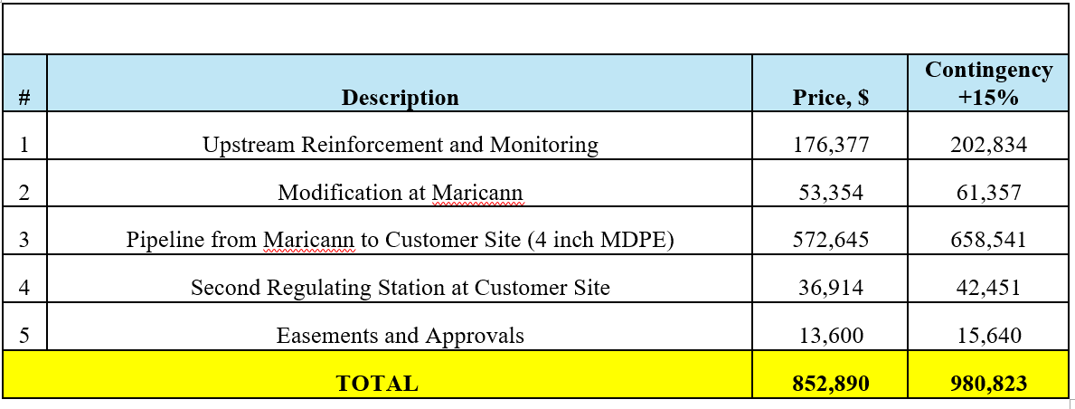
Step 1 for Phase 1 (6inch Pipe Upgrade)
ITEM | DIAM (in.) | Final Units | UOM | Unit Price | UNIT | CAPEX VALUE (with Contingency)
Pipe | 6 in | 2,126 | Meter | $54 | $/meter | $113,924
P.E. main install (SB) | 6 in | 2,025 | Meter | $387 | $/meter | $784,667
Tracer Wire |  | 2,228 | Meter | $1 | $/meter | $1,270
Regulating Station |  | 1 | Station | $10,000 | $/station | $10,000
Straight T | 4 in | 1 | Unit | $90 | $/unit | $90
Reducing Couplings | 4 in | 3 | Unit | $120 | $/unit | $360
Poly Valve | 4 in | 1 | Unit | $398 | $/unit | $398
EPCOR Labour |  | 1 | Install | $15,942 | $/Install | $15,942
AECON Overhead |  | 1 | install | $867 | $/Install | $867
Pipe Transport |  | 1 | Project | $25,000 | $/project | $25,000
Incremental O&M |  |  | Cx/Yr | $2,000 | $/Cx/ Yr | $2,000
Cost Adjustments |  |  |  |  | $/Project | ($63,569)
TOTAL |  |  |  |  |  | $890,949

Step 2 for Phase 1 (Clearbeach Supply)

