Table 11 to 13 PA Tables
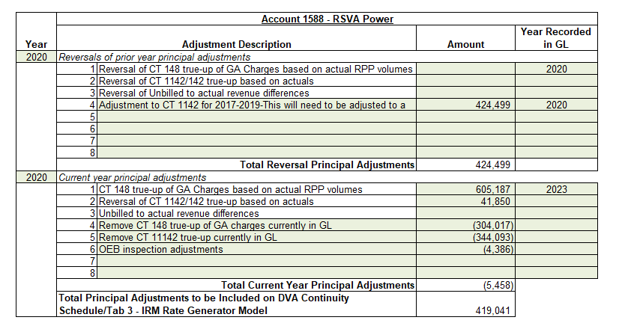
Table 11 |  |  |  | EB-2023-0045 | 2024 GA Workform
Explanation of Principal Adjustments to 2022 1588 Power

Fiscal Year | Amount | Explanation | Additional details
2020 | 344,093 | To reverse the 2020 CT1142 DVA PA from 2024 COS (EB-2023-0045) which was claimed from the IESO in November 2022. As this claim is now in the GL, the previous PA must be reversed. | This was claimed and included in 2022 GL but not reversed from the PA in 2022. This was included in the balance to be disposed in 2024 rates .
2020 | (41,850) | To reverse the 2020 CT1142 DVA PA from 2024 COS (EB-2023-0045) which was claimed from the IESO in November 2022. As this claim is now in the GL, the previous PA must be reversed. | This was claimed and included in 2022 GL but not reversed from the PA in 2022. This was included in the balance to be disposed in 2024 rates.
 | 302,243 | Total

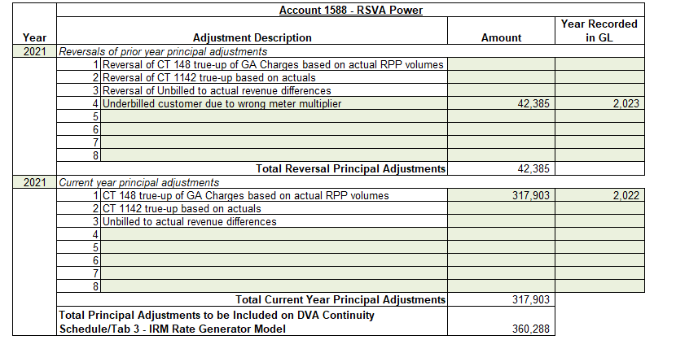
Table 12 |  |  |  | EB-2023-0045 | 2024 GA Workform
Explanation of Principal Adjustments to 2023 1588 Power

Fiscal Year | Amount | Explanation | Additional details
2021 | (42,385) | To reverse the 2021 PA from 2024 COS (EB-2023-0045) for underbilled customer due to wrong meter multiplier of $42,385 to 1588 Power: This should have been an explanation of the Energy variance, not a PA. By adding this amount to the 1588 Energy balance, customers are not being kept whole, as OHL needs to pay it back to them. | This was included in 2024 rates disposition balance, but should not have been.
 | 245 | Immaterial difference cleared in 2024 GL. | Immaterial
 | (42,140) | Total

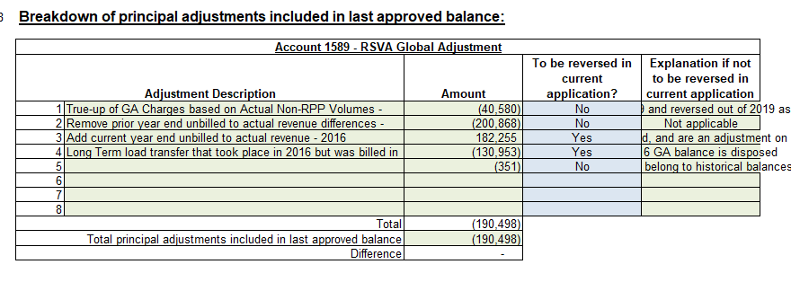
 |  |  |  | EB-2023-0045 | 2024 GA Workform
Table 13
Explanation of Principal Adjustments to 2023 1589 Global Adjustment

Fiscal Year | Amount | Explanation | Additional details
2016 | 200,868 | To reverse the Prior year end unbilled to actual revenue differences of $(200,868) from the 2016 GA Workform in EB-2019-0060. This amount should not have been included as a 2016 GA PA. This was a reversal of a PA, yet the GA workform did not exist in the prior year of 2015, and there was no PA adjustment in EB-2016-0098 in tab 3 of the rate generator model when 2015 GA was disposed of. | This was included in 2024 rates disposition balance, but should not have been.
2016 | 351 | Differences in GA IESO posted rate and rate charged on IESO invoice $(351): This amount was indicated as Not being a PA on the 2016 GA Workform in EB-2019-0060 but was included in the 2016 total 1589 PA of $(190,498) on the DVA continuity schedule. It should not have been a PA, but merely an explanation. | This was included in 2024 rates disposition balance, but should not have been.
2021 | 97,613 | To reverse the 2021 PA for a customer moving from non-RPP to RPP from 2024 COS (EB-2023-0045). This should have been an explanation, not a PA. By previously taking it out from the 1589 GA balance as a PA, Orangeville Hydro was not kept whole, as it should not be removed from the amount that it will collect from its customers. | This was included in 2024 rates disposition balance, but should not have been.
 | 298,832 | Total

 |  |  |  | EB-2023-0045 | 2024 GA Workform

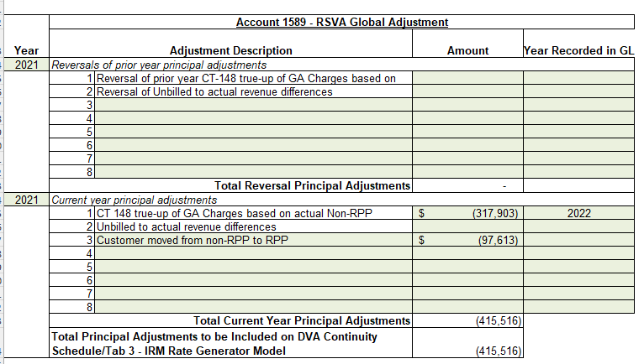

Table 14-explanation of DVA dif
Table 14
Explanation of Difference between 1588 and 1589 2023 Ending Balance and 2023 RRR balance |  |  |  |  | EB-2023-0045 | 2024 GA Workform

Fiscal Year | Explanation | 1588 Energy | 1589 Global Adjustment | Additional details
2020 | To reverse the 2020 CT148 true-up of GA Charges based on actual Non-RPP volumes from 2024 COS (EB-2023-0045). This amount has already been collected through a rate rider. This is also a Difference between 1588 and 1589 2023 Ending Balance and 2023 RRR balance, as this entry was completed in the 2024 GL. | -$605,187 | $605,187 | True up was included in PA in 2024 DVA, but JE was not completed. This was included in the 2024 balance that was disposed. This contributed to the outage from RRR in 2024 rate application.
2020 | To reverse the 2020 CT148 true-up currently in GL from 2024 COS (EB-2023-0045). This amount has already been collected through a rate rider. This is also a Difference between 1588 and 1589 2023 Ending Balance and 2023 RRR balance, as this entry was done in the 2024 GL. | $304,017 | -$304,017 | True up was included in PA in 2024 DVA, but JE was not completed. This was included in the 2024 balance that was disposed. This contributed to the outage from RRR in 2024 rate application.
2021 | To reverse the 2021 CT148 true-up currently in GL from 2024 COS (EB-2023-0045). This amount has already been collected through a rate rider. This is also a Difference between 1588 and 1589 2023 Ending Balance and 2023 RRR balance, as this entry was done in the 2024 GL. | -$317,903 | $317,903 | True up was included in PA in 2024 DVA, but JE was not completed. This was included in the 2024 balance that was disposed. This contributed to the outage from RRR in 2024 rate application.
 | Total | -$619,073 | $619,073

EB-2023-0045 | 2024 DVA Continuity- confirming PA adjustment amounts from 2024 GA Workform

