Rate Class Energy Model
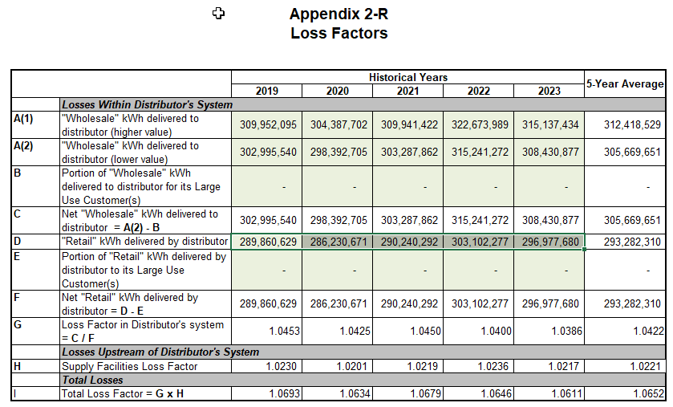
 | Purchases | Modeled Purchases | Difference | % Difference | Loss Factor | Total Billed | Residential | General Service < 50 kW | General Service > 50 to 4999 kW | USL | Sentinel Lighting | Street Lighting
2014 | 319,149,657 | 308,029,516 | (11,120,141) | -3.5% | 1.0731 | 297,398,397 | 114,433,382 | 58,443,482 | 121,885,729 | 180,165 | 50,004 | 2,405,635
2015 | 308,961,454 | 306,595,386 | (2,366,068) | -0.8% | 1.0700 | 288,752,255 | 108,243,956 | 58,492,111 | 119,763,838 | 173,556 | 49,108 | 2,029,685
2016 | 302,232,068 | 304,245,789 | 2,013,721 | 0.7% | 1.0775 | 280,505,070 | 104,348,161 | 58,168,701 | 116,637,109 | 166,068 | 48,746 | 1,136,285
2017 | 297,287,399 | 305,848,159 | 8,560,760 | 2.9% | 1.0634 | 279,563,881 | 103,129,632 | 57,585,352 | 117,484,141 | 166,068 | 44,234 | 1,154,454
2018 | 309,247,473 | 311,470,336 | 2,222,863 | 0.7% | 1.0678 | 289,620,570 | 109,427,085 | 59,779,468 | 119,092,479 | 166,686 | 40,821 | 1,114,031
2019 | 309,952,095 | 316,156,870 | 6,204,774 | 2.0% | 1.0693 | 289,860,629 | 110,765,686 | 59,276,659 | 118,495,415 | 172,797 | 39,114 | 1,110,958
2020 | 304,387,702 | 312,330,711 | 7,943,009 | 2.6% | 1.0634 | 286,230,671 | 112,437,412 | 54,635,310 | 117,859,877 | 173,568 | 37,289 | 1,087,215
2021 | 309,941,422 | 310,810,617 | 869,195 | 0.3% | 1.0679 | 290,240,292 | 112,958,103 | 56,374,252 | 119,633,612 | 178,362 | 37,046 | 1,058,917
2022 | 322,673,989 | 315,958,881 | (6,715,108) | -2.1% | 1.0646 | 303,102,277 | 116,633,398 | 59,995,612 | 125,207,062 | 172,344 | 34,937 | 1,058,924
2023 | 315,137,434 | 312,888,593 | (2,248,841) | -0.7% | 1.0615 | 296,889,109 | 113,520,370 | 59,655,079 | 122,453,775 | 169,785 | 31,176 | 1,058,924
2024 | 317,322,462 | 311,958,298 | (5,364,164) | -1.7% | 1.0706 | 296,405,230 | 114,578,411 | 59,818,358 | 120,746,049 | 169,657 | 30,873 | 1,061,882
2025 |  | 320,091,231 |  |  |  | 299,685,843

Average |  |  |  | Last 11 years | 1.0681

 |  | 312.0 |  |  |  | 296.4
Usage Per Customer |  | 320.1 |  |  |  | 299.7

2024 |  |  |  |  |  |  | 9,291 | 26,871 | 913,014 | 2,693 | 945 | 372
2025 |  |  |  |  |  |  | 9,291 | 26,871 | 913,014 | 2,693 | 945 | 372

Non Weather Corrected Forecast

2025 |  |  |  |  |  | 294,962,935 | 115,934,118 | 60,151,217 | 117,614,171 | 172,055 | 29,218 | 1,062,155

Weather Corrected Forecast

2025 |  |  |  |  |  | 299,685,843 | 118,043,688 | 61,245,746 | 119,132,981 | 172,055 | 29,218 | 1,062,155 | 299,685,843 | 0 | #REF!

% Weather Sensitive |  |  |  |  |  |  | 77.50% | 77.50% | 55.00% | 0% | 0% | 0%

2025 |  |  |  |  |  | 4,722,908 | 89,848,941 | 46,617,193 | 64,687,794 | 0 | 0 | 0 | 201,153,929

Allocation of Weather Sensitive Amount

2025 |  |  |  |  |  | 4,722,908 | 2,109,570 | 1,094,529 | 1,518,810 | 0 | 0 | 0

 |  | -67545

