Rate Class Energy Model
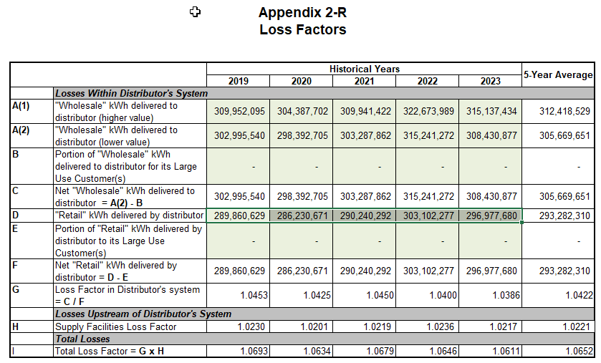
 | Purchases | Modeled Purchases | Difference | % Difference | Loss Factor | Total Billed | Residential | General Service < 50 kW | General Service > 50 to 4999 kW | USL | Sentinel Lighting | Street Lighting
2014 | 319,149,657 | 309,171,498 | (9,978,159) | -3.1% | 1.0731 | 297,398,397 | 114,433,382 | 58,443,482 | 121,885,729 | 180,165 | 50,004 | 2,405,635
2015 | 308,961,454 | 306,873,178 | (2,088,276) | -0.7% | 1.0700 | 288,752,255 | 108,243,956 | 58,492,111 | 119,763,838 | 173,556 | 49,108 | 2,029,685
2016 | 302,232,068 | 303,497,896 | 1,265,828 | 0.4% | 1.0775 | 280,505,070 | 104,348,161 | 58,168,701 | 116,637,109 | 166,068 | 48,746 | 1,136,285
2017 | 297,287,399 | 304,502,533 | 7,215,134 | 2.4% | 1.0634 | 279,563,881 | 103,129,632 | 57,585,352 | 117,484,141 | 166,068 | 44,234 | 1,154,454
2018 | 309,247,473 | 310,101,745 | 854,272 | 0.3% | 1.0678 | 289,620,570 | 109,427,085 | 59,779,468 | 119,092,479 | 166,686 | 40,821 | 1,114,031
2019 | 309,952,095 | 314,777,200 | 4,825,105 | 1.6% | 1.0693 | 289,860,629 | 110,765,686 | 59,276,659 | 118,495,415 | 172,797 | 39,114 | 1,110,958
2020 | 304,387,702 | 310,839,675 | 6,451,973 | 2.1% | 1.0634 | 286,230,671 | 112,437,412 | 54,635,310 | 117,859,877 | 173,568 | 37,289 | 1,087,215
2021 | 309,941,422 | 309,901,184 | (40,238) | 0.0% | 1.0679 | 290,240,292 | 112,958,103 | 56,374,252 | 119,633,612 | 178,362 | 37,046 | 1,058,917
2022 | 322,673,989 | 315,770,570 | (6,903,419) | -2.1% | 1.0646 | 303,102,277 | 116,633,398 | 59,995,612 | 125,207,062 | 172,344 | 34,937 | 1,058,924
2023 | 315,137,434 | 313,535,213 | (1,602,221) | -0.5% | 1.0611 | 296,977,680 | 113,498,414 | 59,565,733 | 122,653,645 | 169,785 | 31,176 | 1,058,927
2024 |  | 320,470,406 |  |  |  | 300,119,440
2025 |  | 321,484,686 |  |  |  | 301,069,309

Average |  |  |  | Last 10 years | 1.0678

 |  | 320.5 |  |  |  | 300.1
Usage Per Customer |  | 321.5 |  |  |  | 301.1

2023 |  |  |  |  |  |  | 9,361 | 26,997 | 942,885 | 2,681 | 959 | 371
2024 |  |  |  |  |  |  | 9,361 | 26,997 | 942,885 | 2,681 | 959 | 371
2025 |  |  |  |  |  |  | 9,361 | 26,997 | 942,885 | 2,681 | 959 | 371

Non Weather Corrected Forecast
2024 |  |  |  |  |  | 294,816,426 | 114,775,023 | 59,874,814 | 118,905,495 | 172,555 | 29,308 | 1,059,230
2025 |  |  |  |  |  | 292,785,831 | 116,065,992 | 60,185,498 | 115,271,885 | 175,370 | 27,553 | 1,059,533

Weather Corrected Forecast
2024 |  |  |  |  |  | 300,119,440 | 117,124,725 | 61,100,585 | 120,633,036 | 172,555 | 29,308 | 1,059,230 | 300,119,440
2025 |  |  |  |  |  | 301,069,309 | 119,791,637 | 62,117,415 | 117,897,801 | 175,370 | 27,553 | 1,059,533 | 301,069,309 | 0 | #REF!

% Weather Sensitive |  |  |  |  |  |  | 77.50% | 77.50% | 55.00% | 0% | 0% | 0%
2024 |  |  |  |  |  | 5,303,014 | 88,950,643 | 46,402,981 | 65,398,022 | 0 | 0 | 0 | 200,751,646
2025 |  |  |  |  |  | 8,283,478 | 89,951,144 | 46,643,761 | 63,399,537 | 0 | 0 | 0 | 199,994,441

Allocation of Weather Sensitive Amount
2024 |  |  |  |  |  | 5,303,014 | 2,349,702 | 1,225,771 | 1,727,541 | 0 | 0 | 0
2025 |  |  |  |  |  | 8,283,478 | 3,725,645 | 1,931,917 | 2,625,916 | 0 | 0 | 0

 |  | -67545

