Pages 4 & 5
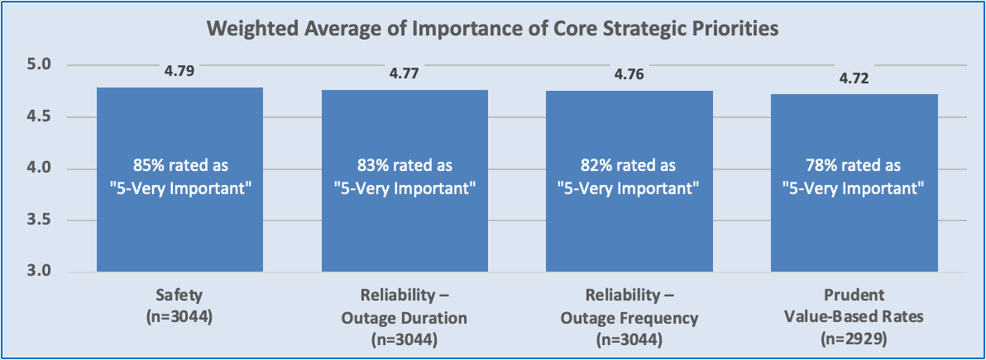

Type of Electricity Customer | Safety (n=3044) | Reliability – Outage Duration (n=3044) | Reliability – Outage Frequency (n=3044) | Prudent Value-Based Rates (n=2929) | Proactive Replacement (n=2929) | Preparing for Extreme Weather (n=2929) | New Technology (n=2929)
Overall | 4.79 | 4.77 | 4.76 | 4.72 | 4.65 | 4.59 | 4.37

Overal % Rating Very Important | 85% | 83% | 82% | 78% | 72% | 71% | 56%

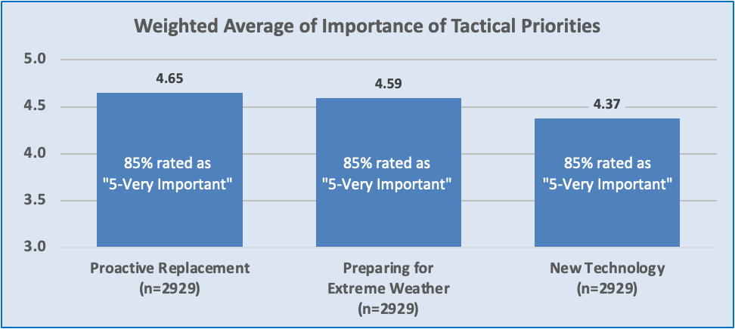

Page 5 Chart

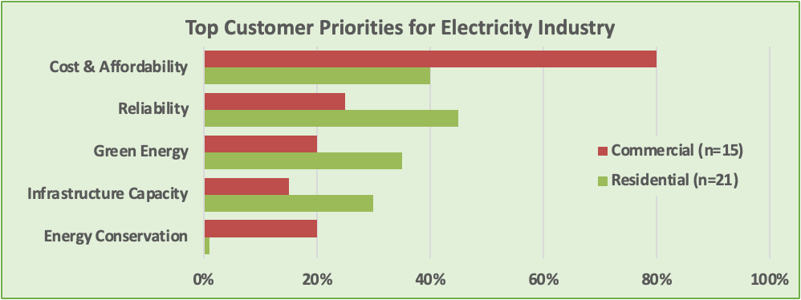
 | Commercial (n=15) | Residential (n=21) | Total (n=36)
Cost & Affordability | 80% | 40% | 55%
Reliability | 25% | 45% | 35%
Green Energy | 20% | 35% | 30%
Infrastructure Capacity | 15% | 30% | 20%
Energy Conservation | 20% | 1% | 10%

Page 7
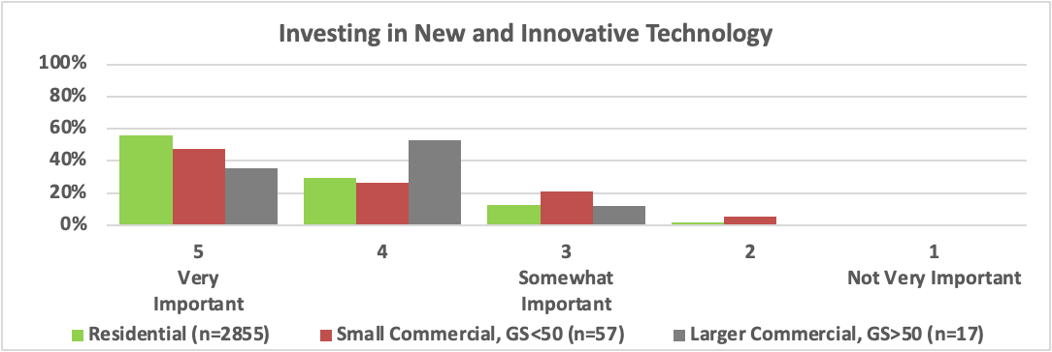
Type of Electricity Customer | 5 Very Important | 4 | 3 Somewhat Important | 2 | 1 Not Very Important | Total | n
Residential (n=2855) | 56% | 30% | 12% | 2% | 1% | 97% | 2855
Small Commercial, GS<50 (n=57) | 47% | 26% | 21% | 5% | 0% | 2% | 57
Larger Commercial, GS>50 (n=17) | 35% | 53% | 12% | 0% | 0% | 1% | 17
Overall | 56% | 30% | 12% | 2% | 1% | 100% | 2929

Type of Electricity Customer | Already Have | Very Likely | Somewhat Likely | Not Very Likely | Definitely Not | Uncertain | n
Residential (n=2855) | 8% | 20% | 25% | 29% | 15% | 4% | 2855
Small Commercial, GS<50 (n=57) | 16% | 30% | 25% | 18% | 9% | 4% | 57
Larger Commercial, GS>50 (n=17) | 24% | 29% | 24% | 18% | 6% | 0% | 17
Overall | 8% | 20% | 25% | 29% | 15% | 4% | 2929

Type of Electricity Customer | Already Have | Very Likely | Somewhat Likely | Not Very Likely | Definitely Not | Uncertain | n
Residential (n=2855) | 8% | 11% | 23% | 35% | 12% | 10% | 2855
Small Commercial, GS<50 (n=57) | 12% | 23% | 28% | 19% | 7% | 11% | 57
Larger Commercial, GS>50 (n=17) | 18% | 18% | 24% | 18% | 24% | 0% | 17
Overall | 8% | 12% | 23% | 35% | 12% | 10% | 2929

Page 8
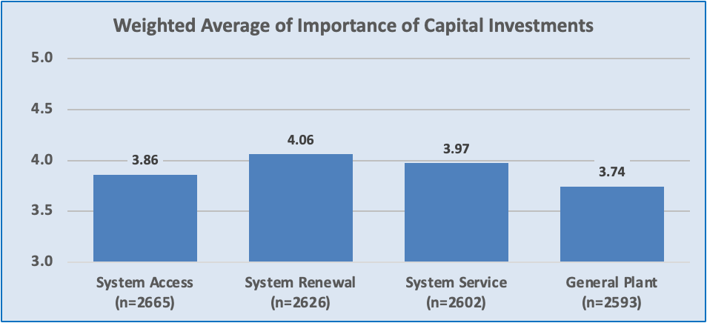

Type of Electricity Customer | System Access (n=2665) | System Renewal (n=2626) | System Service (n=2602) | General Plant (n=2593)
Overall | 3.86 | 4.06 | 3.97 | 3.74

n | 2665 | 2626 | 2602 | 2593

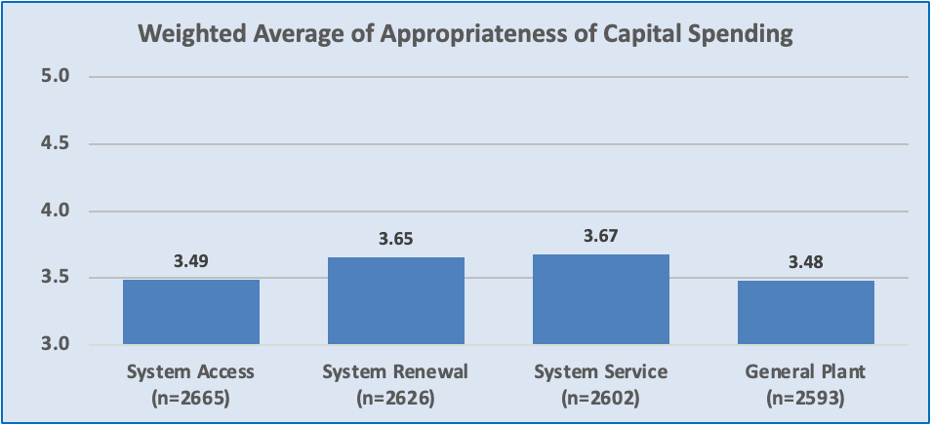

Type of Electricity Customer | System Access (n=2665) | System Renewal (n=2626) | System Service (n=2602) | General Plant (n=2593)
Overall | 3.49 | 3.65 | 3.67 | 3.48

n | 2665 | 2626 | 2602 | 2593

Pages 10 & 11
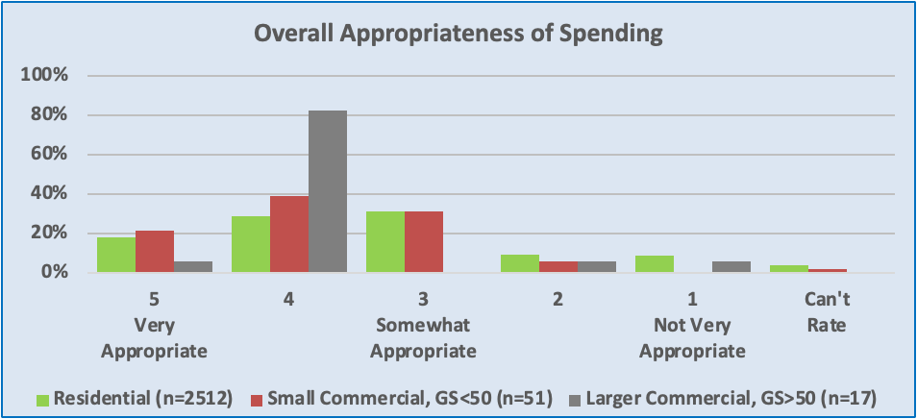

Type of Electricity Customer | 5 Very Appropriate | 4 | 3 Somewhat Appropriate | 2 | 1 Not Very Appropriate | Can't Rate |  | n
Residential (n=2512) | 18% | 29% | 31% | 9% | 9% | 4% |  | 2512
Small Commercial, GS<50 (n=51) | 22% | 39% | 31% | 6% | 0% | 2% |  | 51
Larger Commercial, GS>50 (n=17) | 6% | 82% | 0% | 6% | 6% | 0% |  | 17
Overall | 18% | 30% | 31% | 9% | 9% | 4% |  | 2580

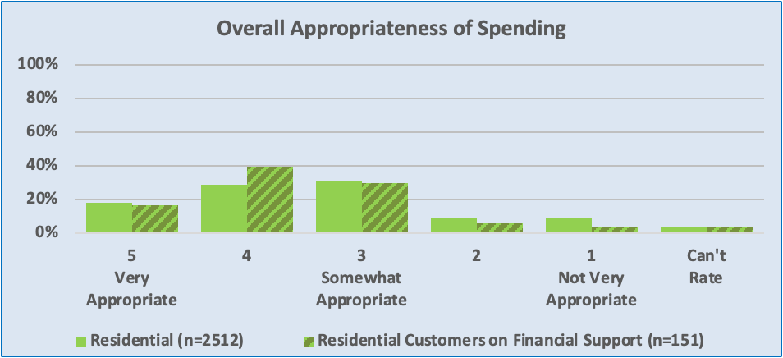
Type of Electricity Customer | 5 Very Appropriate | 4 | 3 Somewhat Appropriate | 2 | 1 Not Very Appropriate | Can't Rate |  | n
Residential Customers on Financial Support (n=151) | 17% | 40% | 30% | 6% | 4% | 4% |  | 151
Residential (n=2512) | 18% | 29% | 31% | 9% | 9% | 4% |  | 2512

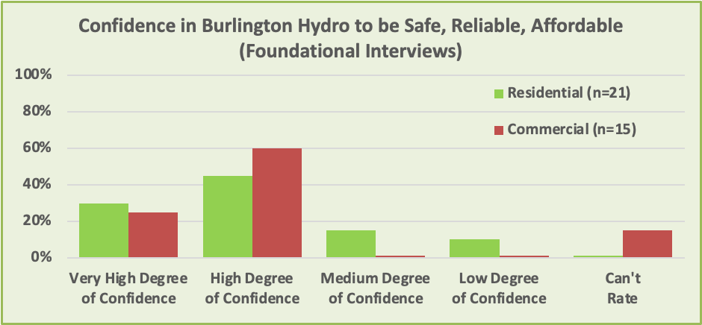
 | Residential (n=21) | Commercial (n=15)
Very High Degree of Confidence | 30% | 25%
High Degree of Confidence | 45% | 60%
Medium Degree of Confidence | 15% | 0%
Low Degree of Confidence | 10% | 0%
Can't Rate | 0% | 15%

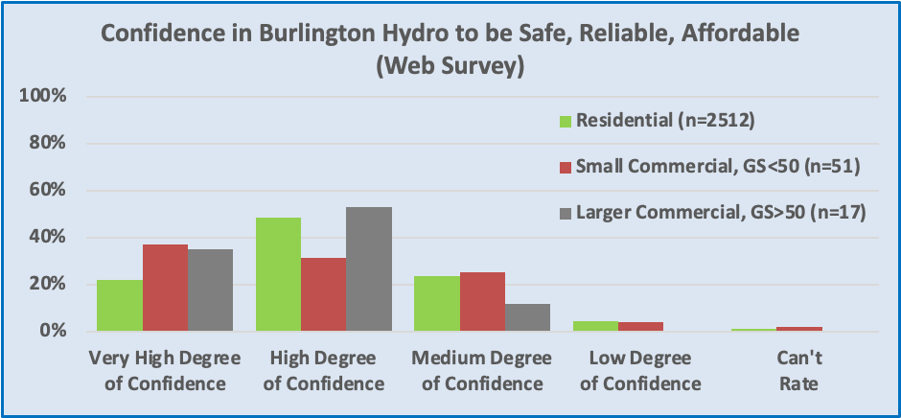

Type of Electricity Customer | Very High Degree of Confidence | High Degree of Confidence | Medium Degree of Confidence | Low Degree of Confidence | Can't Rate |  | n
Residential (n=2512) | 22.1% | 48.5% | 23.7% | 4.4% | 1.3% |  | 2512
Small Commercial, GS<50 (n=51) | 37.3% | 31.4% | 25.5% | 3.9% | 2.0% |  | 51
Larger Commercial, GS>50 (n=17) | 35.3% | 52.9% | 11.8% | 0.0% | 0.0% |  | 17
Overall | 22.5% | 48.2% | 23.6% | 4.4% | 1.3% |  | 2580

Page 17
Gender
 | Female | Male | Prefer not to answer | Other
Total | 970 | 1472 | 112 | 3

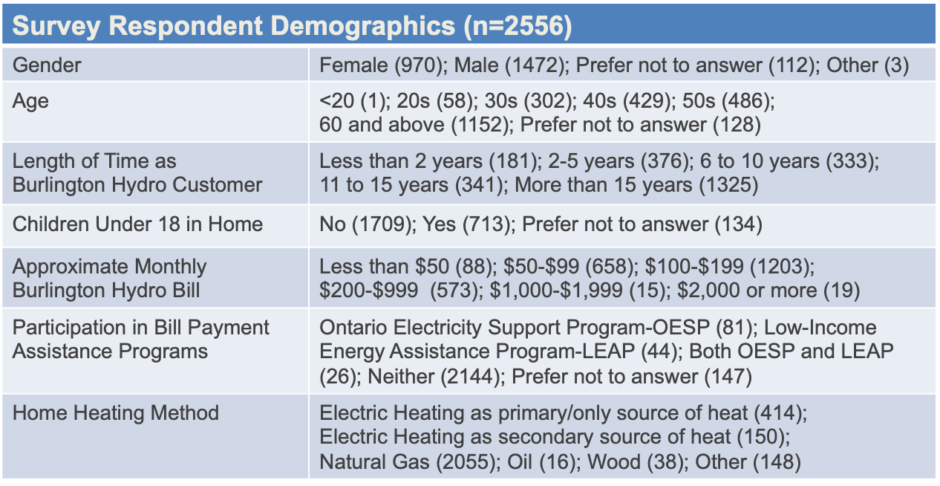
Age
 | Under 20 | 20s | 30s | 40s | 50s | 60 and above | Prefer not to answer
Total | 1 | 58 | 302 | 429 | 486 | 1152 | 128

Time as BHI Customer
 | Less than 2 years | 2-5 years | 6-10 years | 11-15 years | More than 15 years
Total | 181 | 376 | 333 | 341 | 1325

Children under 18 in Home
 | Yes | No | Prefer not to Answer
Total | 713 | 1709 | 134

Approximate Monthly Bill
 | Less than $50 per month | $50-$99 per month | $100-$199 per month | $200-$999 per month | $1,000-$1,999 per month | $2,000 or more per month
Total | 88 | 658 | 1203 | 573 | 15 | 19

Participate in Assistance Programs
 | Ontario Electricity Support Program (OESP) | Low-Income Energy Assistance Program (LEAP) | Both OESP and LEAP | Neither | Prefer not to answer
Total | 81 | 44 | 26 | 2144 | 147

Heating Method
 | Electric Heating as primary/only source of heat | Electric Heating as secondary source of heat | Natural Gas | Oil | Wood | Other (please specify)
Total | 414 | 150 | 2055 | 16 | 38 | 148

Page 18 &19
Type of Electricity Customer | Too Low | About Right | Too High | Can't Rate |  | n
Residential (n=3170) | 6% | 52% | 35% | 8% |  | 3170
Small Commercial, GS<50 (n=64) | 11% | 53% | 23% | 13% |  | 64
Larger Commercial, GS>50 (n=21) | 0% | 67% | 29% | 5% |  | 21
Overall | 6% | 52% | 34% | 8% |  | 3255

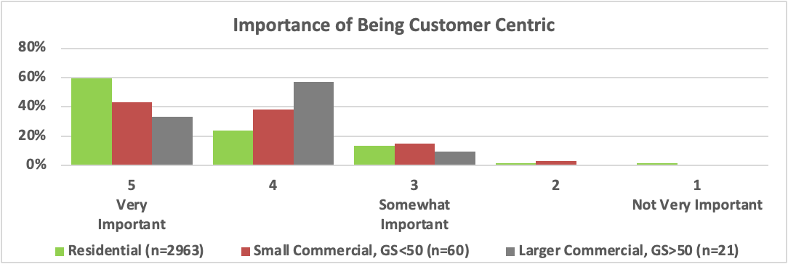

Type of Electricity Customer | 5 Very Important | 4 | 3 Somewhat Important | 2 | 1 Not Very Important |  | n
Residential (n=2963) | 59% | 24% | 13% | 2% | 2% |  | 2963
Small Commercial, GS<50 (n=60) | 43% | 38% | 15% | 3% | 0% |  | 60
Larger Commercial, GS>50 (n=21) | 33% | 57% | 10% | 0% | 0% |  | 21
Overall | 59% | 25% | 13% | 2% | 2% |  | 3044

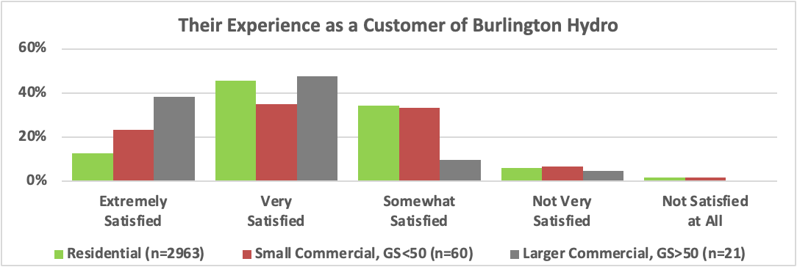

Type of Electricity Customer | Extremely Satisfied | Very Satisfied | Somewhat Satisfied | Not Very Satisfied | Not Satisfied at All |  | n
Residential (n=2963) | 13% | 45% | 34% | 6% | 2% |  | 2963
Small Commercial, GS<50 (n=60) | 23% | 35% | 33% | 7% | 2% |  | 60
Larger Commercial, GS>50 (n=21) | 38% | 48% | 10% | 5% | 0% |  | 21
Overall | 13% | 45% | 34% | 6% | 2% |  | 3044

Page 20
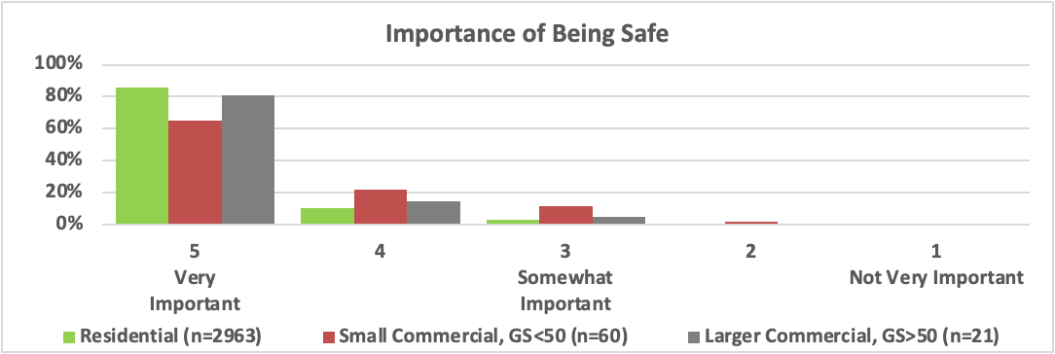
Type of Electricity Customer | 5 Very Important | 4 | 3 Somewhat Important | 2 | 1 Not Very Important | Can't Rate | n
Residential (n=2963) | 86% | 10% | 3% | 0% | 0% | 0% | 2963
Small Commercial, GS<50 (n=60) | 65% | 22% | 12% | 2% | 0% | 0% | 60
Larger Commercial, GS>50 (n=21) | 81% | 14% | 5% | 0% | 0% | 0% | 21
Overall | 85% | 11% | 3% | 0% | 0% | 0% | 3044

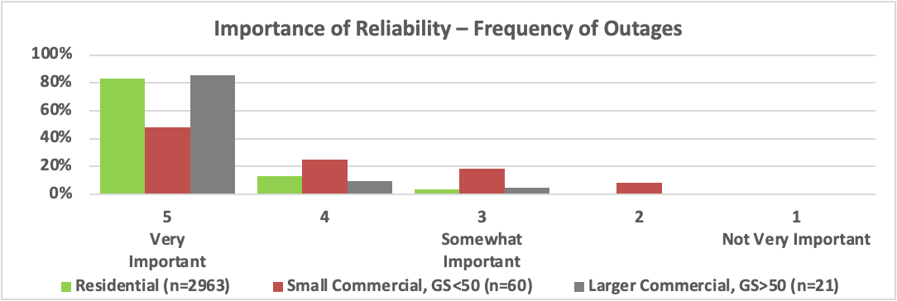

Type of Electricity Customer | 5 Very Important | 4 | 3 Somewhat Important | 2 | 1 Not Very Important | Can't Rate | n
Residential (n=2963) | 83% | 13% | 3% | 0% | 0% | 0% | 2963
Small Commercial, GS<50 (n=60) | 48% | 25% | 18% | 8% | 0% | 0% | 60
Larger Commercial, GS>50 (n=21) | 86% | 10% | 5% | 0% | 0% | 0% | 21
Overall | 82% | 13% | 4% | 0% | 0% | 0% | 3044

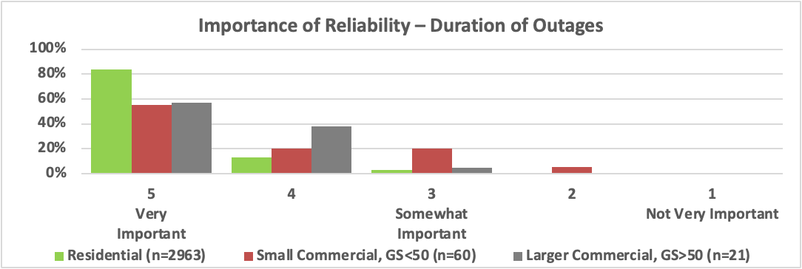

Type of Electricity Customer | 5 Very Important | 4 | 3 Somewhat Important | 2 | 1 Not Very Important | Can't Rate | n
Residential (n=2963) | 83% | 13% | 3% | 0% | 0% | 0% | 2963
Small Commercial, GS<50 (n=60) | 55% | 20% | 20% | 5% | 0% | 0% | 60
Larger Commercial, GS>50 (n=21) | 57% | 38% | 5% | 0% | 0% | 0% | 21
Overall | 83% | 13% | 3% | 0% | 0% | 0% | 3044

Page 21
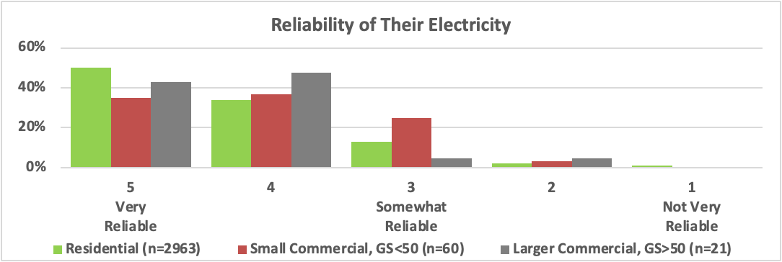

Type of Electricity Customer | 5 Very Reliable | 4 | 3 Somewhat Reliable | 2 | 1 Not Very Reliable |  | n
Residential (n=2963) | 50% | 34% | 13% | 2% | 1% |  | 2963
Small Commercial, GS<50 (n=60) | 35% | 37% | 25% | 3% | 0% |  | 60
Larger Commercial, GS>50 (n=21) | 43% | 48% | 5% | 5% | 0% |  | 21
Overall | 50% | 34% | 13% | 2% | 1% |  | 3044

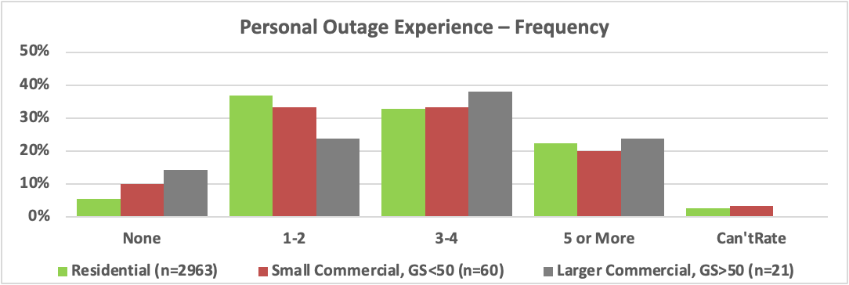
Type of Electricity Customer | None | 1-2 | 3-4 | 5 or More | Can'tRate |  | n
Residential (n=2963) | 5% | 37% | 33% | 22% | 3% |  | 2963
Small Commercial, GS<50 (n=60) | 10% | 33% | 33% | 20% | 3% |  | 60
Larger Commercial, GS>50 (n=21) | 14% | 24% | 38% | 24% | 0% |  | 21
Overall | 6% | 37% | 33% | 22% | 3% |  | 3044

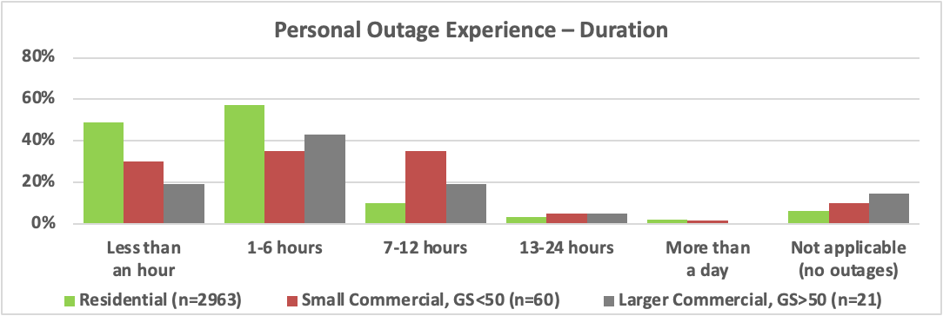

Type of Electricity Customer | Less than an hour | 1-6 hours | 7-12 hours | 13-24 hours | More than a day | Not applicable (no outages) |  | n
Residential (n=2963) | 49% | 57% | 10% | 3% | 2% | 6% |  | 2963
Small Commercial, GS<50 (n=60) | 30% | 35% | 35% | 5% | 2% | 10% |  | 60
Larger Commercial, GS>50 (n=21) | 19% | 43% | 19% | 5% | 0% | 14% |  | 21
Overall | 48% | 57% | 10% | 3% | 2% | 6% |  | 3044

Page 22
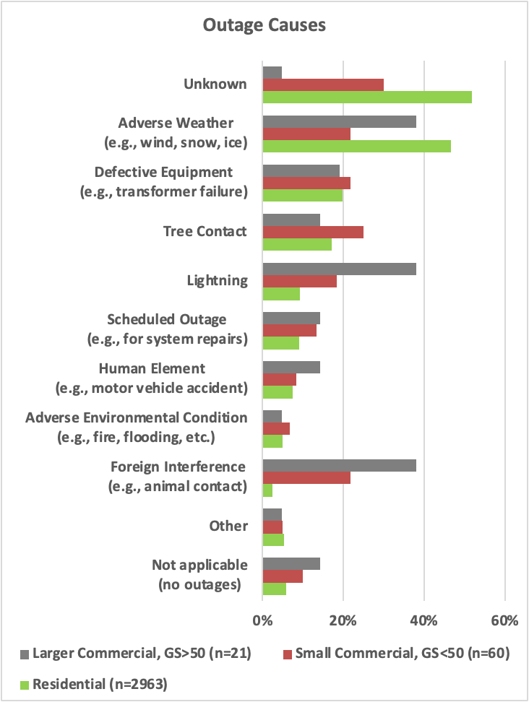

Type of Electricity Customer | Not applicable (no outages) | Other | Foreign Interference (e.g., animal contact) | Adverse Environmental Condition (e.g., fire, flooding, etc.) | Human Element (e.g., motor vehicle accident) | Scheduled Outage (e.g., for system repairs) | Lightning | Tree Contact | Defective Equipment (e.g., transformer failure) | Adverse Weather (e.g., wind, snow, ice) | Unknown | n
Residential (n=2963) | 6% | 5% | 2% | 5% | 7% | 9% | 9% | 17% | 20% | 47% | 52% | 2963
Small Commercial, GS<50 (n=60) | 10% | 5% | 22% | 7% | 8% | 13% | 18% | 25% | 22% | 22% | 30% | 60
Larger Commercial, GS>50 (n=21) | 14% | 5% | 38% | 5% | 14% | 14% | 38% | 14% | 19% | 38% | 5% | 21
Overall | 6% | 5% | 3% | 5% | 7% | 9% | 10% | 17% | 20% | 46% | 51% | 3044

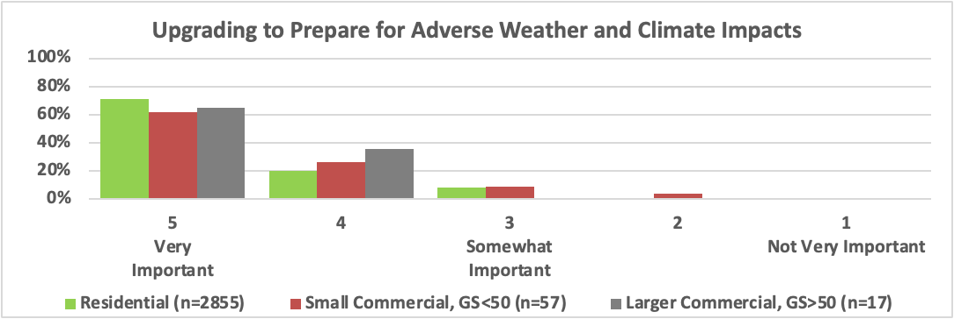

Type of Electricity Customer | 5 Very Important | 4 | 3 Somewhat Important | 2 | 1 Not Very Important |  |  | n
Residential (n=2855) | 71% | 20% | 8% | 1% | 1% |  |  | 2855
Small Commercial, GS<50 (n=57) | 61% | 26% | 9% | 4% | 0% |  |  | 57
Larger Commercial, GS>50 (n=17) | 65% | 35% | 0% | 0% | 0% |  |  | 17
Overall | 71% | 20% | 8% | 1% | 1% |  |  | 2929

Pages 23 & 24
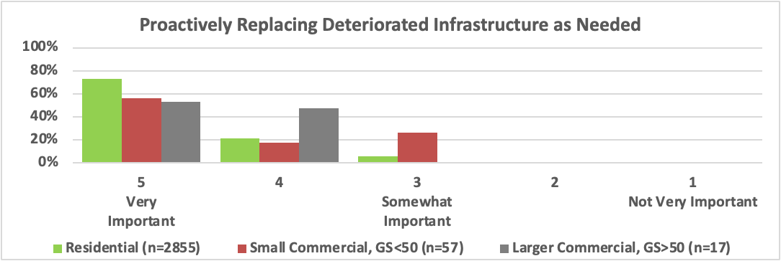
Type of Electricity Customer | 5 Very Important | 4 | 3 Somewhat Important | 2 | 1 Not Very Important |  | n
Residential (n=2855) | 73% | 21% | 6% | 0% | 0% |  | 2855
Small Commercial, GS<50 (n=57) | 56% | 18% | 26% | 0% | 0% |  | 57
Larger Commercial, GS>50 (n=17) | 53% | 47% | 0% | 0% | 0% |  | 17
Overall | 72% | 21% | 6% | 0% | 0% |  | 2929

Type of Electricity Customer | 5 Very Important | 4 | 3 Somewhat Important | 2 | 1 Not Very Important |  | n
Residential (n=2855) | 56% | 30% | 12% | 2% | 1% |  | 2855
Small Commercial, GS<50 (n=57) | 47% | 26% | 21% | 5% | 0% |  | 57
Larger Commercial, GS>50 (n=17) | 35% | 53% | 12% | 0% | 0% |  | 17
Overall | 56% | 30% | 12% | 2% | 1% |  | 2929

Type of Electricity Customer | Already Have | Very Likely | Somewhat Likely | Not Very Likely | Definitely Not | Uncertain | n
Residential (n=2855) | 8% | 20% | 25% | 29% | 15% | 4% | 2855
Small Commercial, GS<50 (n=57) | 16% | 30% | 25% | 18% | 9% | 4% | 57
Larger Commercial, GS>50 (n=17) | 24% | 29% | 24% | 18% | 6% | 0% | 17
Overall | 8% | 20% | 25% | 29% | 15% | 4% | 2929

Type of Electricity Customer | Already Have | Very Likely | Somewhat Likely | Not Very Likely | Definitely Not | Uncertain | n
Residential (n=2855) | 2% | 9% | 20% | 44% | 19% | 6% | 2855
Small Commercial, GS<50 (n=57) | 4% | 28% | 26% | 25% | 12% | 5% | 57
Larger Commercial, GS>50 (n=17) | 18% | 29% | 18% | 24% | 12% | 0% | 17
Overall | 2% | 9% | 20% | 43% | 19% | 6% | 2929

Pages 25 & 26
Type of Electricity Customer | Already Have | Very Likely | Somewhat Likely | Not Very Likely | Definitely Not | Uncertain | n
Residential (n=2855) | 1% | 10% | 21% | 43% | 16% | 10% | 2855
Small Commercial, GS<50 (n=57) | 9% | 18% | 37% | 19% | 9% | 9% | 57
Larger Commercial, GS>50 (n=17) | 18% | 24% | 24% | 24% | 12% | 0% | 17
Overall | 1% | 10% | 21% | 43% | 15% | 10% | 2929

Type of Electricity Customer | Already Have | Very Likely | Somewhat Likely | Not Very Likely | Definitely Not | Uncertain | n
Residential (n=2855) | 8% | 11% | 23% | 35% | 12% | 10% | 2855
Small Commercial, GS<50 (n=57) | 12% | 23% | 28% | 19% | 7% | 11% | 57
Larger Commercial, GS>50 (n=17) | 18% | 18% | 24% | 18% | 24% | 0% | 17
Overall | 8% | 12% | 23% | 35% | 12% | 10% | 2929

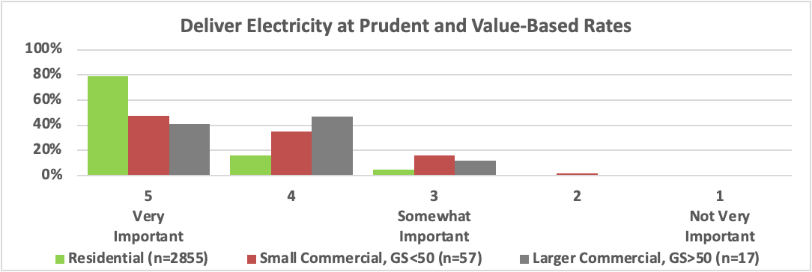
Type of Electricity Customer | 5 Very Important | 4 | 3 Somewhat Important | 2 | 1 Not Very Important |  | n
Residential (n=2855) | 79% | 16% | 5% | 0% | 0% |  | 2855
Small Commercial, GS<50 (n=57) | 47% | 35% | 16% | 2% | 0% |  | 57
Larger Commercial, GS>50 (n=17) | 41% | 47% | 12% | 0% | 0% |  | 17
Overall | 78% | 17% | 5% | 0% | 0% |  | 2929

Page 27
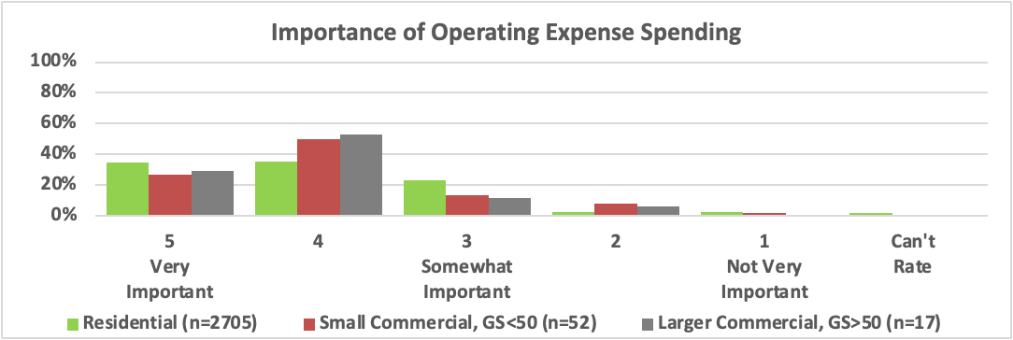
Type of Electricity Customer | 5 Very Important | 4 | 3 Somewhat Important | 2 | 1 Not Very Important | Can't Rate | n
Residential (n=2705) | 35% | 35% | 23% | 3% | 2% | 2% | 2705
Small Commercial, GS<50 (n=52) | 27% | 50% | 13% | 8% | 2% | 0% | 52
Larger Commercial, GS>50 (n=17) | 29% | 53% | 12% | 6% | 0% | 0% | 17
Overall | 35% | 36% | 23% | 3% | 2% | 2% | 2774

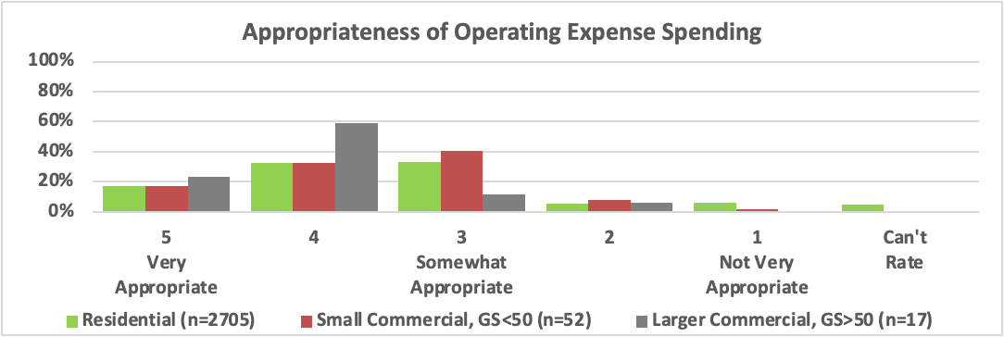

Type of Electricity Customer | 5 Very Appropriate | 4 | 3 Somewhat Appropriate | 2 | 1 Not Very Appropriate | Can't Rate | n
Residential (n=2705) | 17% | 33% | 33% | 6% | 6% | 5% | 2705
Small Commercial, GS<50 (n=52) | 17% | 33% | 40% | 8% | 2% | 0% | 52
Larger Commercial, GS>50 (n=17) | 24% | 59% | 12% | 6% | 0% | 0% | 17
Overall | 17% | 33% | 33% | 6% | 6% | 5% | 2774

Pages 28 & 29
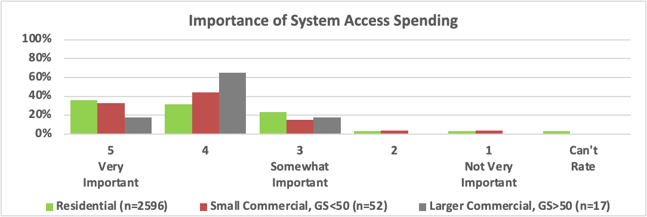
Type of Electricity Customer | 5 Very Important | 4 | 3 Somewhat Important | 2 | 1 Not Very Important | Can't Rate | n
Residential (n=2596) | 36% | 32% | 23% | 3% | 3% | 3% | 2596
Small Commercial, GS<50 (n=52) | 33% | 44% | 15% | 4% | 4% | 0% | 52
Larger Commercial, GS>50 (n=17) | 18% | 65% | 18% | 0% | 0% | 0% | 17
Overall | 36% | 32% | 23% | 3% | 3% | 3% | 2665

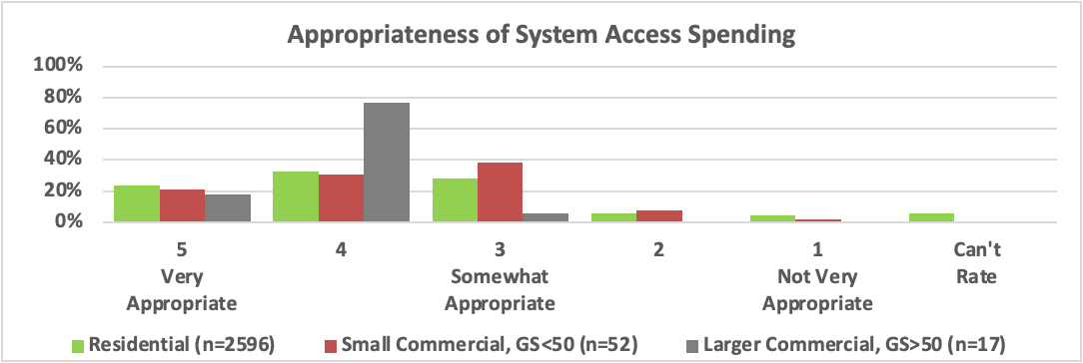
Type of Electricity Customer | 5 Very Appropriate | 4 | 3 Somewhat Appropriate | 2 | 1 Not Very Appropriate | Can't Rate | n
Residential (n=2596) | 24% | 33% | 28% | 6% | 4% | 6% | 2596
Small Commercial, GS<50 (n=52) | 21% | 31% | 38% | 8% | 2% | 0% | 52
Larger Commercial, GS>50 (n=17) | 18% | 76% | 6% | 0% | 0% | 0% | 17
Overall | 24% | 33% | 28% | 6% | 4% | 6% | 2665

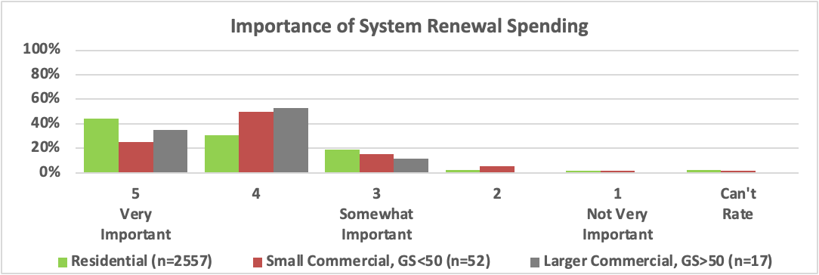
Type of Electricity Customer | 5 Very Important | 4 | 3 Somewhat Important | 2 | 1 Not Very Important | Can't Rate | n
Residential (n=2557) | 44% | 31% | 19% | 2% | 2% | 2% | 2557
Small Commercial, GS<50 (n=52) | 25% | 50% | 15% | 6% | 2% | 2% | 52
Larger Commercial, GS>50 (n=17) | 35% | 53% | 12% | 0% | 0% | 0% | 17
Overall | 44% | 31% | 19% | 2% | 2% | 2% | 2626

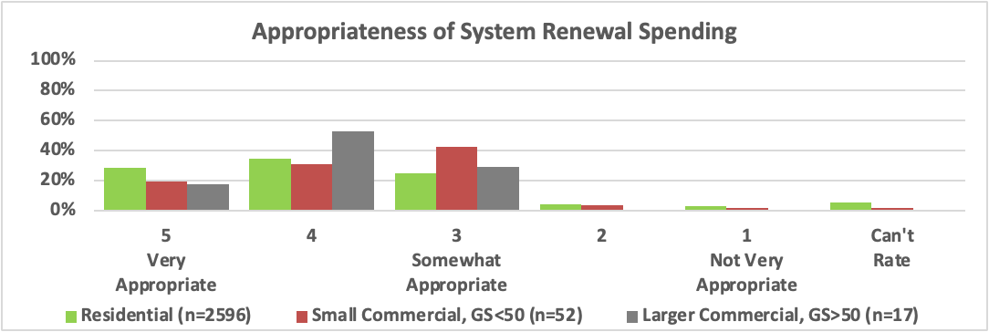

Type of Electricity Customer | 5 Very Appropriate | 4 | 3 Somewhat Appropriate | 2 | 1 Not Very Appropriate | Can't Rate | n
Residential (n=2596) | 28% | 35% | 25% | 4% | 3% | 5% | 2557
Small Commercial, GS<50 (n=52) | 19% | 31% | 42% | 4% | 2% | 2% | 52
Larger Commercial, GS>50 (n=17) | 18% | 53% | 29% | 0% | 0% | 0% | 17
Overall | 28% | 35% | 25% | 4% | 3% | 5% | 2626

Pages 30 & 31
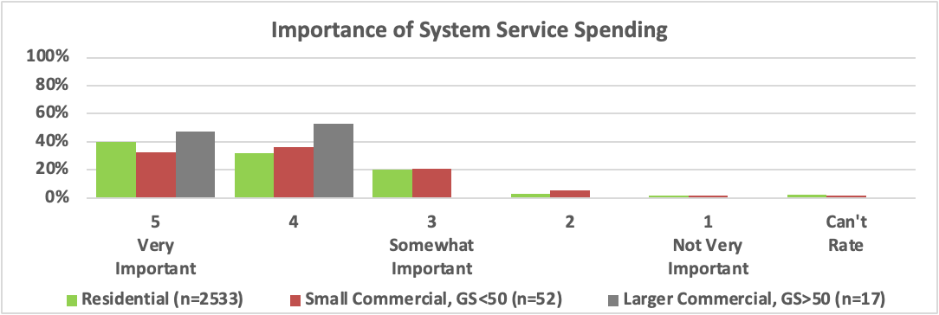

Type of Electricity Customer | 5 Very Important | 4 | 3 Somewhat Important | 2 | 1 Not Very Important | Can't Rate | n
Residential (n=2533) | 40% | 32% | 20% | 3% | 2% | 3% | 2533
Small Commercial, GS<50 (n=52) | 33% | 37% | 21% | 6% | 2% | 2% | 52
Larger Commercial, GS>50 (n=17) | 47% | 53% | 0% | 0% | 0% | 0% | 17
Overall | 40% | 32% | 20% | 3% | 2% | 3% | 2602

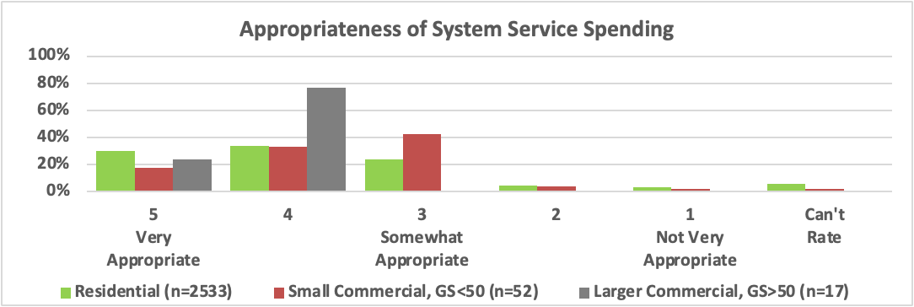

Type of Electricity Customer | 5 Very Appropriate | 4 | 3 Somewhat Appropriate | 2 | 1 Not Very Appropriate | Can't Rate | n
Residential (n=2533) | 30% | 34% | 24% | 4% | 3% | 5% | 2533
Small Commercial, GS<50 (n=52) | 17% | 33% | 42% | 4% | 2% | 2% | 52
Larger Commercial, GS>50 (n=17) | 24% | 76% | 0% | 0% | 0% | 0% | 17
Overall | 30% | 34% | 24% | 4% | 3% | 5% | 2602

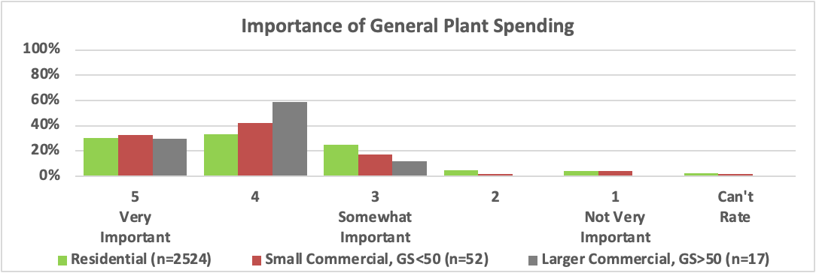
Type of Electricity Customer | 5 Very Important | 4 | 3 Somewhat Important | 2 | 1 Not Very Important | Can't Rate | n
Residential (n=2524) | 30% | 33% | 25% | 5% | 4% | 2% | 2524
Small Commercial, GS<50 (n=52) | 33% | 42% | 17% | 2% | 4% | 2% | 52
Larger Commercial, GS>50 (n=17) | 29% | 59% | 12% | 0% | 0% | 0% | 17
Overall | 30% | 34% | 25% | 5% | 4% | 2% | 2593

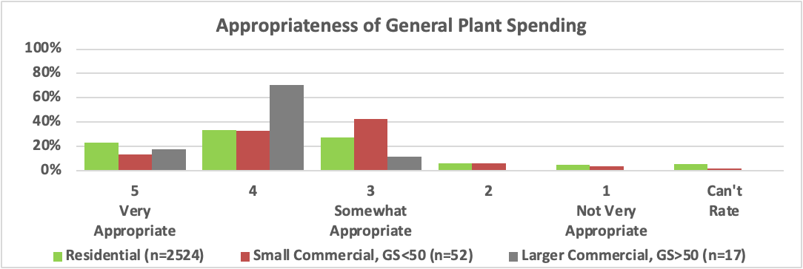

Type of Electricity Customer | 5 Very Appropriate | 4 | 3 Somewhat Appropriate | 2 | 1 Not Very Appropriate | Can't Rate | n
Residential (n=2524) | 23% | 33% | 28% | 6% | 5% | 5% | 2524
Small Commercial, GS<50 (n=52) | 13% | 33% | 42% | 6% | 4% | 2% | 52
Larger Commercial, GS>50 (n=17) | 18% | 71% | 12% | 0% | 0% | 0% | 17
Overall | 23% | 34% | 28% | 6% | 5% | 5% | 2593

Pages 32 & 33
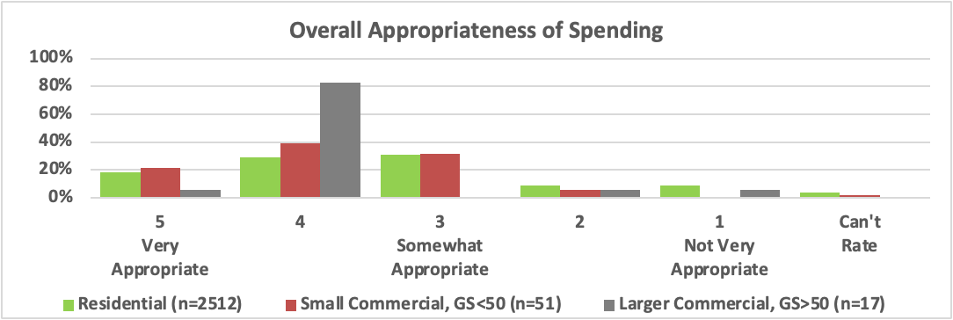
Type of Electricity Customer | 5 Very Appropriate | 4 | 3 Somewhat Appropriate | 2 | 1 Not Very Appropriate | Can't Rate | n
Residential (n=2512) | 18% | 29% | 31% | 9% | 9% | 4% | 2512
Small Commercial, GS<50 (n=51) | 22% | 39% | 31% | 6% | 0% | 2% | 51
Larger Commercial, GS>50 (n=17) | 6% | 82% | 0% | 6% | 6% | 0% | 17
Overall | 18% | 30% | 31% | 9% | 9% | 4% | 2580

Type of Electricity Customer | 5 Very Appropriate | 4 | 3 Somewhat Appropriate | 2 | 1 Not Very Appropriate | Can't Rate | n
Residential (n=2512) | 18% | 29% | 31% | 9% | 9% | 4% | 2512
Residential Customers on Financial Support (n=151) | 17% | 40% | 30% | 6% | 4% | 4% | 151

Type of Electricity Customer | Very High Degree of Confidence | High Degree of Confidence | Medium Degree of Confidence | Low Degree of Confidence | Can't Rate |  | n
Residential (n=2512) | 22% | 48% | 24% | 4% | 1% |  | 2512
Small Commercial, GS<50 (n=51) | 37% | 31% | 25% | 4% | 2% |  | 51
Larger Commercial, GS>50 (n=17) | 35% | 53% | 12% | 0% | 0% |  | 17
Overall | 23% | 48% | 24% | 4% | 1% |  | 2580

Pages 34 & 35
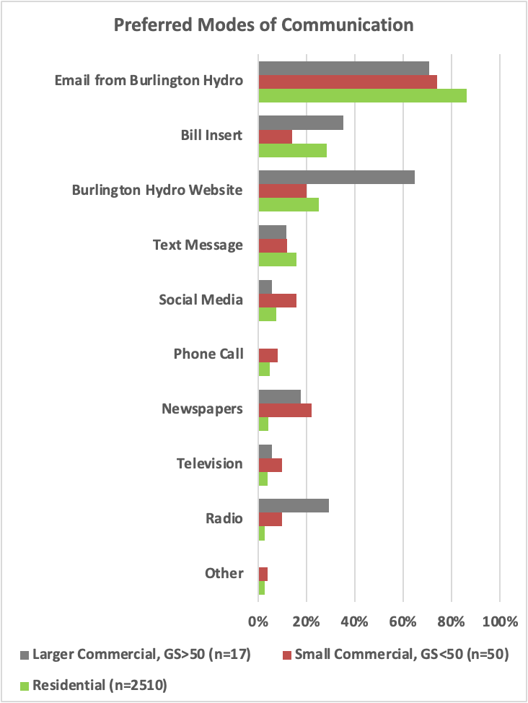

Type of Electricity Customer | Other | Radio | Television | Newspapers | Phone Call | Social Media | Text Message | Burlington Hydro Website | Bill Insert | Email from Burlington Hydro | n
Residential (n=2510) | 3% | 3% | 4% | 4% | 5% | 8% | 16% | 25% | 28% | 86% | 2510
Small Commercial, GS<50 (n=50) | 4% | 10% | 10% | 22% | 8% | 16% | 12% | 20% | 14% | 74% | 50
Larger Commercial, GS>50 (n=17) | 0% | 29% | 6% | 18% | 0% | 6% | 12% | 65% | 35% | 71% | 17
Overall | 3% | 3% | 4% | 5% | 5% | 8% | 16% | 25% | 28% | 86% | 2577

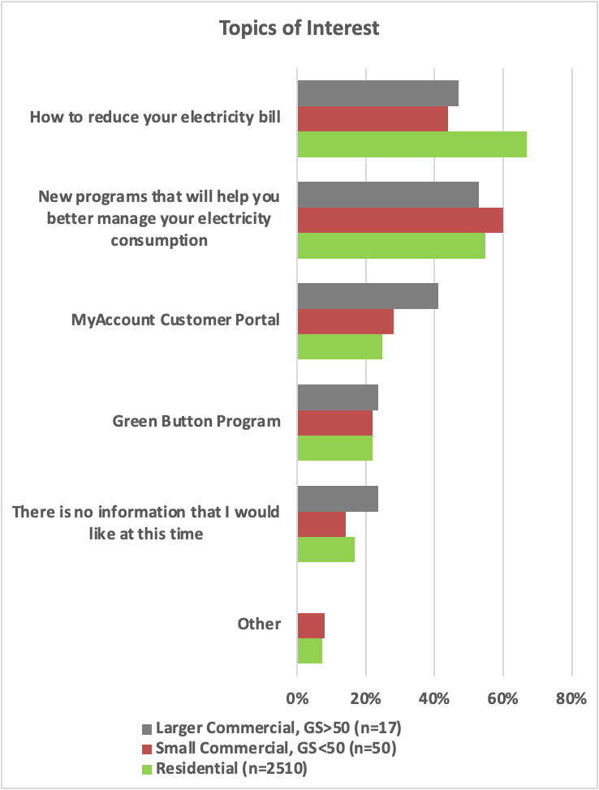

Type of Electricity Customer | Other | There is no information that I would like at this time | Green Button Program | MyAccount Customer Portal | New programs that will help you better manage your electricity consumption | How to reduce your electricity bill |  | n
Residential (n=2510) | 7% | 17% | 22% | 25% | 55% | 67% |  | 2510
Small Commercial, GS<50 (n=50) | 8% | 14% | 22% | 28% | 60% | 44% |  | 50
Larger Commercial, GS>50 (n=17) | 0% | 24% | 24% | 41% | 53% | 47% |  | 17
Overall | 7% | 17% | 22% | 25% | 55% | 66% |  | 2577

