Continuity
PURPOSE: To show reconciliation of Tab 3 Continuity to RRR for 2024 Balances.

 |  |  |  |  |  |  |  |  |  |  |  |  |  | Totals SNC
Account Descriptions | Account Number | Opening Balance Principal Amounts as of Jan 1 2025 |  |  | 2.1.7 |  |  | Opening Balance Carrying Charges Amounts as of Jan 1 2025 |  |  | 2.1.7 |  |  | SNC | 2.1.7
 |  |  |  |  | "Assets (2)" |  |  |  |  |  |  |  |  | Principal + CC | "Assets (2)"
 |  |  |  |  | Dec 31 2024 RRR | Difference |  |  |  |  | Dec 31 2024 RRR | Difference |  | Balances Jan 1, 2025 | SNC Dec 31 2024 RRR | Difference
 |  | A | B | C |  |  |  | C | D | E |  |  |  | A + B + C + D + E
Group 1 Accounts |  | Thunder Bay | Kenora | SNC | SNC |  |  | Thunder Bay | Kenora | SNC | SNC
Smart Metering Entity Charge Variance Account | 1551 | (96,192) | (10,329) | (45,037) | (151,558) | (0) |  | (7,285) | (819) | (1,054) | (9,158) | 0 |  | (160,716) | (160,716) | 0
RSVA - Wholesale Market Service Charge5 | 1580 | (996,209) | (99,375) | (485,772) | (1,173,512) | (407,844) | * | (57,986) | (6,211) | (8,169) | (70,565) | (1,801) | * | (1,653,722) | (1,244,077) | (409,645) | *
Variance WMS – Sub-account CBR Class A5 | 1580 | 0 | 0 | 0 | 0 | 0 |  | 0 | 0 | 0 | 0 | 0 |  | 0 | 0 | 0
Variance WMS – Sub-account CBR Class B5 | 1580 | 34,180 | 4,817 | 368,847 | 0 | 407,844 | * | (1,789) | (233) | 3,823 | 0 | 1,801 | * | 409,645 | 0 | 409,645 | *
RSVA - Retail Transmission Network Charge | 1584 | 639,267 | 95,374 | 661,505 | 1,396,146 | 0 |  | 58,539 | 9,191 | 6,912 | 74,642 | (0) |  | 1,470,788 | 1,470,788 | 0
RSVA - Retail Transmission Connection Charge | 1586 | 349,007 | 10,823 | (16,613) | 343,217 | 0 |  | 31,227 | 740 | 755 | 32,722 | (0) |  | 375,939 | 375,939 | (0)
RSVA - Power (excluding Global Adjustment)4 | 1588 | (150,881) | (6,156) | (141,844) | (298,881) | (0) |  | (60,901) | (8,717) | (4,097) | (73,715) | 0 |  | (372,596) | (372,596) | 0
RSVA - Global Adjustment 4 | 1589 | 73,543 | (25,691) | 1,868,650 | 1,916,502 | 0 |  | 28,117 | 3,819 | 55,454 | 87,390 | 0 |  | 2,003,892 | 2,003,892 | (0)
Totals |  | -$147,285 | -$30,537 | $2,209,736 | $2,031,914 | -$0 |  | -$10,078 | -$2,230 | $53,624 | $41,316 | $0 |  | $2,073,230 | $2,073,230 | -$0

Balances Disposed of in EB-2025-0055 |  | -$147,285 | -$30,537 |  |  |  |  | -$9,108 | -$2,601 | Balances Disposed of in EB-2025-0055 |  |  |  | * RRR reports 1580 as one account. Offset balance in CBR/WMS.
Difference |  | $0 | $0 |  |  |  |  | $970 | -$371 | Difference
 |  |  |  |  |  |  |  | Projected Zonal Interest from Jan 1 2025 to April 30, 2025 disposed of in EB-2025-0055.

 |  | 2024 RRR

 |  |  |  |  |  |  |  | $2,031,915 | $41,316 | $2,073,230
 |  |  |  |  |  |  |  | Principal | Interest | Total

SN_EB2025-0008_IRM Rate Generator Model_20251120: Tab 3 Continuity Schedule

Variances in the SN Continuity are explained by including the Kenora and Thunder Bay Continuity balances.
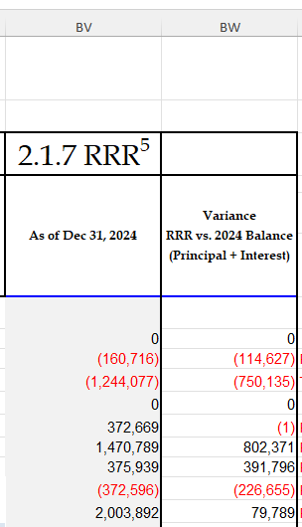
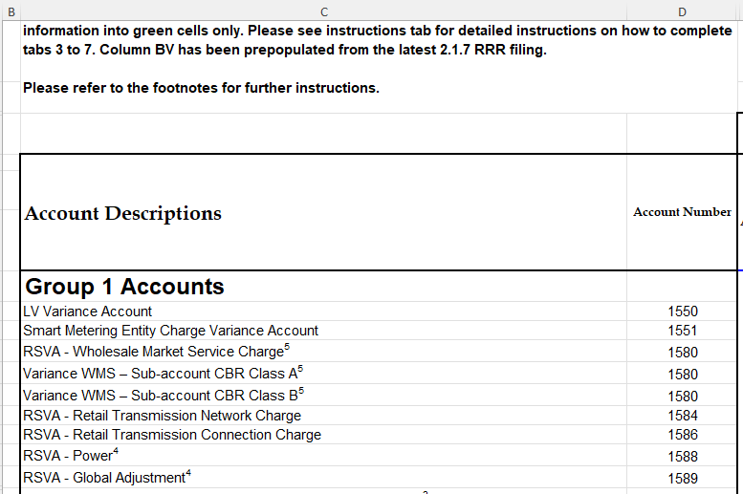

 |  |  |  |  |  |  |  |  |  |  | (linked to top schedule this tab)
 |  |  |  |  |  |  |  |  |  | Variance | Thunder Bay | Kenora |  | SNC | Unexplained Variance

 |  |  |  |  |  |  |  |  |  | (114,627) | (103,477) | (11,148) |  |  | 2
 |  |  |  |  |  |  |  |  |  | (750,135) | (1,054,195) | (105,586) |  |  | (409,646) | Variance Due to CBR bundlded in WMS RRR
 |  |  |  |  |  |  |  |  |  | 0 |  |  |  |  | 0
 |  |  |  |  |  |  |  |  |  | (1) | 32,391 | 4,584 |  | 372,670 | 409,646 | Variance Due to CBR bundlded in WMS RRR
 |  |  |  |  |  |  |  |  |  | 802,371 | 697,806 | 104,565 |  |  | 0
 |  |  |  |  |  |  |  |  |  | 391,796 | 380,234 | 11,563 |  |  | 1
 |  |  |  |  |  |  |  |  |  | (226,655) | (211,782) | (14,873) |  |  | 0
 |  |  |  |  |  |  |  |  |  | 79,789 | 101,660 | (21,872) |  |  | (1)
 |  |  |  |  |  |  |  |  |  |  |  |  |  |  | 2

 |  |  |  |  |  |  |  |  |  |  |  |  |  | SNC balance in CBR is correctly broken out in the OEB Continuity
 |  |  |  |  |  |  |  |  |  |  |  |  |  | in 2024, so SNC amount is needed for CBR balance only.

