Support
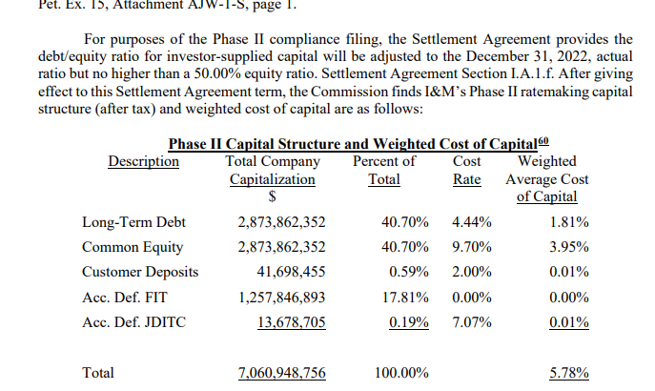
Indiana Michigan Power (IND)

 | Description | Capital Ratio

(1) | Long Term Debt | 40.70%
(2) | Common Equity | 40.70%
(3) = (1) + (2) |  | 81.40%

(4) = (2) / (3) |  | 50.00%
Indiana Utility Regulatory Commission’s Order dated February 23, 2022 for Cause No. 45576

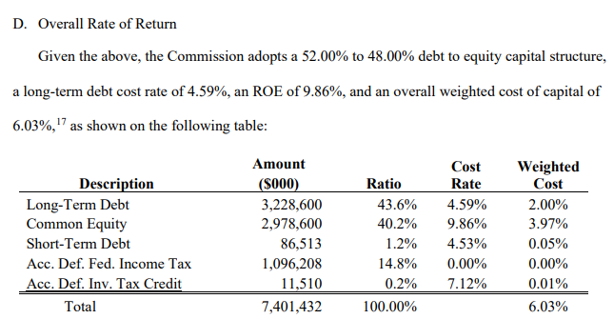
Indiana Michigan Power (MI)

 | Description | Capital Ratio

(1) | Long Term Debt | 43.60%
(2) | Short Term Debt | 1.20%
(3) | Common Equity | 40.20%
(4) = (1) + (2) + (3) |  | 85.00%

(5) = (3) / (4) |  | 47.29%
Per Michigan Public Service Commission's Order in Case No. U-21461

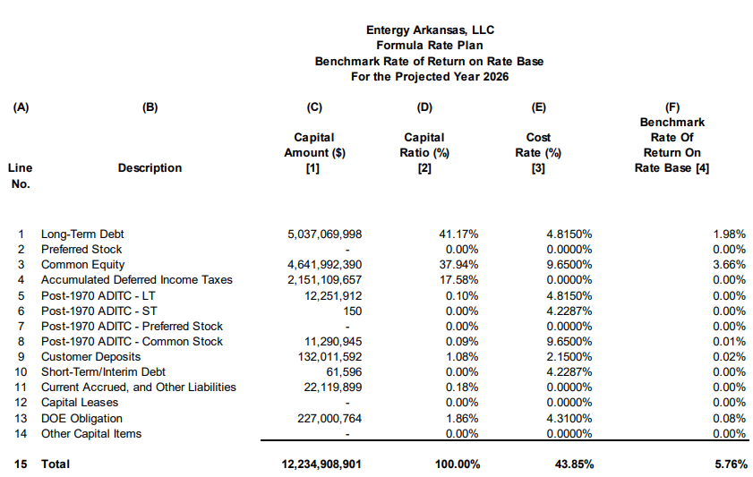

Entergy Arkansas

 | Description | Capital Ratio

(1) | Long Term Debt | 41.17%
(2) | Common Equity | 37.94%
(3) = (1) + (2) |  | 79.11%

(4) = (2) / (3) |  | 47.96%
Arkansas PSC Docket No. 16-036-FR, Order No. 74

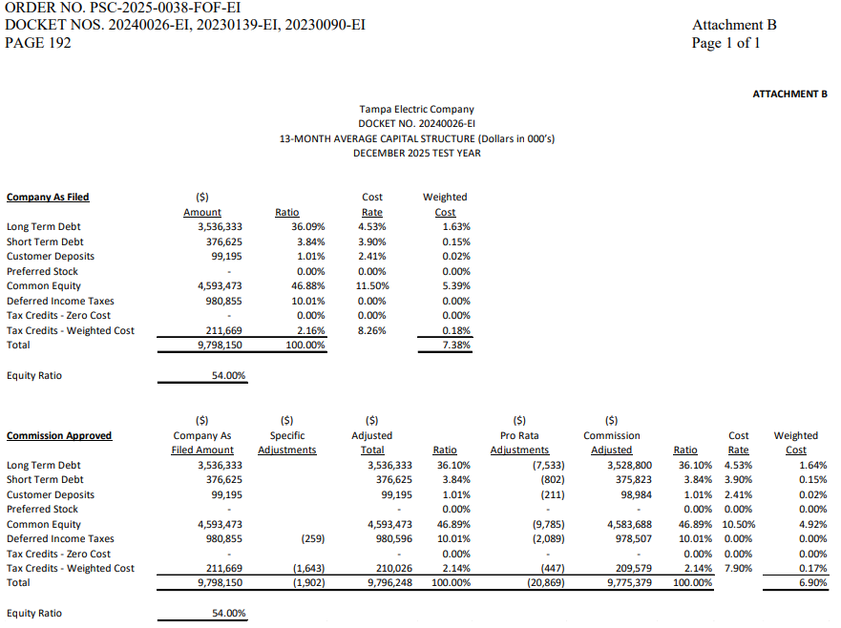
Tampa Electric Company

 | Description | Capital Ratio

(1) | Long Term Debt | 36.09%
(2) | Short Term Debt | 3.84%
(3) | Common Equity | 46.88%
(4) = (1) + (2) + (3) |  | 86.81%

(5) = (3) / (4) |  | 54.00%
Florida PSC Order No. PSC-2025-0038-FOF-EI

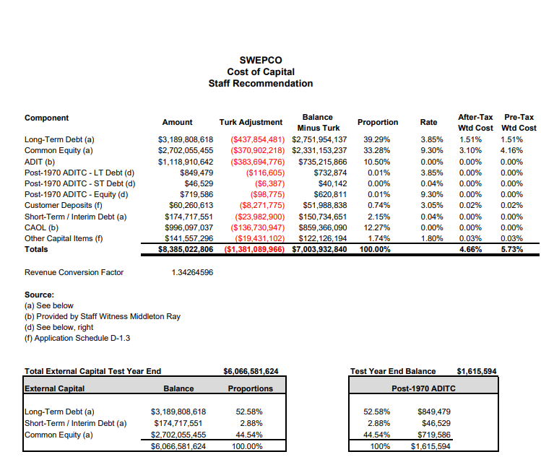

Southwest Electric Power Co.

 | Description | Capital Ratio

(1) | Long Term Debt | 39.29%
(2) | Short Term Debt | 2.15%
(3) | Common Equity | 33.28%
(4) = (1) + (2) + (3) |  | 74.72%

(5) = (3) / (4) |  | 44.54%
Per Arkansas PSC Docket No. 21-070-U, Surrebuttal Exhibit DD-2

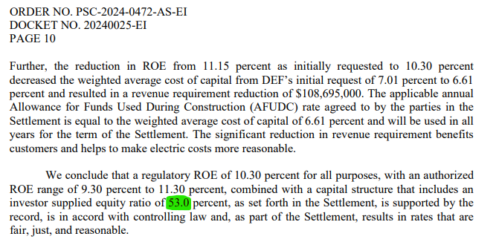
Duke Energy Florida, LLC
(1) | Common Equity | 53.0%

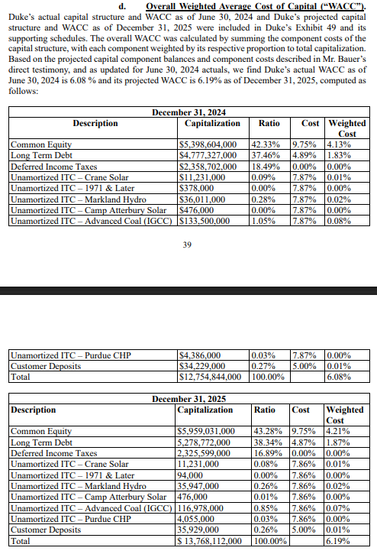
Duke Energy Indiana

 | Description | Capital Ratio

(1) | Long Term Debt | 37.46%
(2) | Common Equity | 42.33%
(3) = (1) + (2) |  | 79.79%

(4) = (2) / (3) |  | 53.05%
Per Indiana Utility Regulatory Commission Cause No. 46038

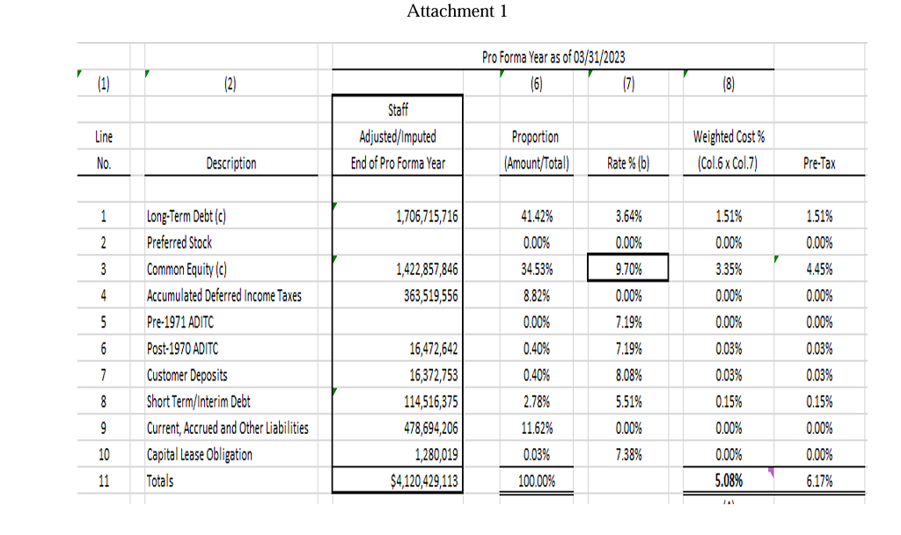
The Empire District Electric Company

 | Description | Capital Ratio

(1) | Long Term Debt | 41.42%
(2) | Short Term Debt | 2.78%
(3) | Common Equity | 34.53%
(4) = (1) + (2) + (3) |  | 78.73%

(5) = (3) / (4) |  | 43.86%
Arkansas PSC Docket No. 22-085-U, Joint Motion to Approve Settlement,Attachment 1

