Figure 6.1
Proxy Group Company | Ticker | 2024 Production Plant | 2024 Transmission Plant | 2024 Distribution Plant | % Production Plant | % T&D Plant | Rank | For chart: | Rank | Ticker | % Production Plant | % T&D Plant
ALLETE, Inc. | ALE | $2,739,503 | $1,347,581 | $847,937 | 56% | 44% | 9 |  | 1 | EIX | 9% | 91%
Dominion Resources, Inc. | D | $28,140,445 | $17,926,192 | $21,762,907 | 41% | 59% | 4 |  | 2 | TXNM | 21% | 79%
Duke Energy Corporation | DUK | $67,621,189 | $21,229,885 | $50,426,567 | 49% | 51% | 7 |  | 3 | IDA | 39% | 61%
Edison International | EIX | $5,706,633 | $18,769,732 | $37,093,180 | 9% | 91% | 1 |  | 4 | D | 41% | 59%
Entergy Corporation | ETR | $30,863,159 | $13,703,132 | $19,574,343 | 48% | 52% | 6 |  | 5 | PNW | 45% | 55%
IDACORP, Inc. | IDA | $2,858,678 | $1,534,474 | $2,858,435 | 39% | 61% | 3 |  | 6 | ETR | 48% | 52%
Pinnacle West Capital Corporation | PNW | $10,851,337 | $4,128,434 | $9,019,399 | 45% | 55% | 5 |  | 7 | DUK | 49% | 51%
TXNM Energy, Inc. | TXNM | $2,132,951 | $3,273,098 | $4,560,587 | 21% | 79% | 2 |  | 8 | SO | 52% | 48%
Southern Company | SO | $49,105,001 | $16,197,955 | $28,634,424 | 52% | 48% | 8 |  | 9 | ALE | 56% | 44%
NB Power | NBP | $4,754 | $570 | $1,517 | 69% | 31% | 12 |  | 10 | BCH | 56% | 44%
BC Hydro | BCH | $24,028 | $9,465 | $9,279 | 56% | 44% | 10 |  | 11 | NLH | 58% | 42%
NL Hydro | NLH | $2,300 | $1,670 | $- | 58% | 42% | 11 |  | 12 | NBP | 69% | 31%
Ontario Power Generation | OPG | $35,240,000 | $- | $- | 100% | 0% | 13 |  | 13 | OPG | 100% | 0%

Average Proxy Group |  |  |  |  | 45% | 55%

BCH
2024/25 Annual Report | Total Gross PP&E ($M)
Generation | $24,028 | 9465 | 9279
Transmission | $9,465
Distribution | $9,279

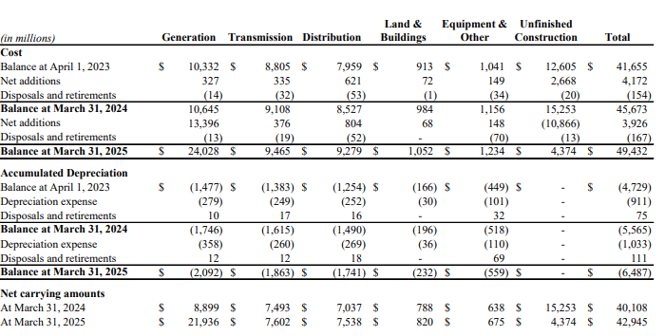
% Generation | 56%
% Transmission | 22%
% Distribution | 22%

NBP
2024 EMA Annual Report | Total Gross PP&E ($M)
Generation | $4,754
Transmission | $570
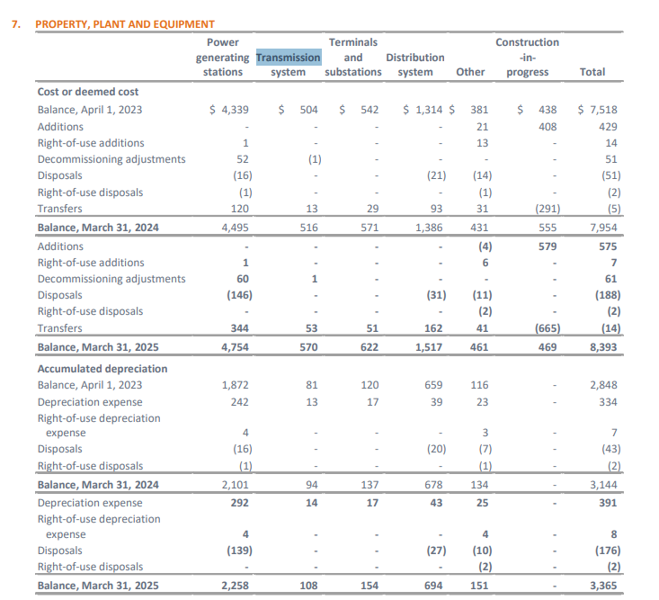
Distribution | $1,517

% Generation | 69%
% Transmission | 8%
% Distribution | 22%

NLH
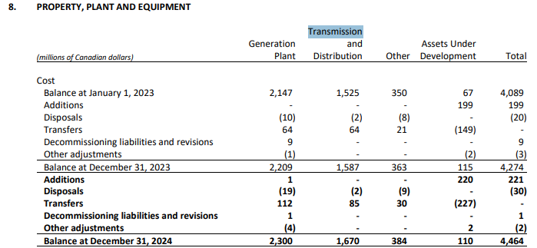
2024 EMA Annual Report | Total Gross PP&E ($M)
Generation | $2,300
Transmission & Distribution | $1,670

% Generation | 58%
% Transmission & Distribution | 42%

OPG
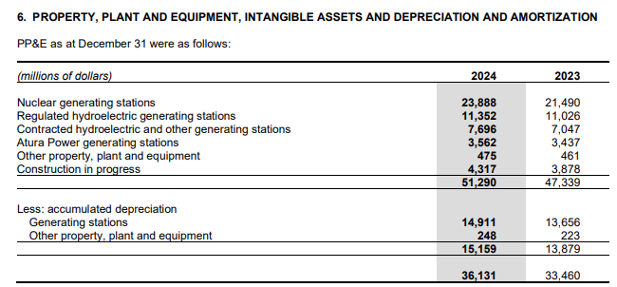
 |  | Source: 2024 OPG Consolidated Financial Statements, p. 28
2024 OPG Annual Report | Gross PP&E
Nuclear generating stations | $23,888
Regulated hydroelectric generating stations | $11,352

