OPG Data
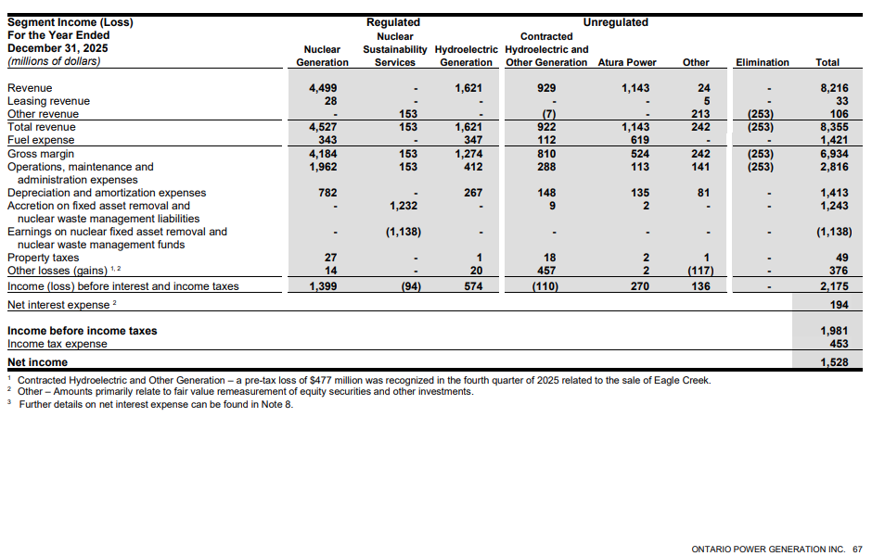
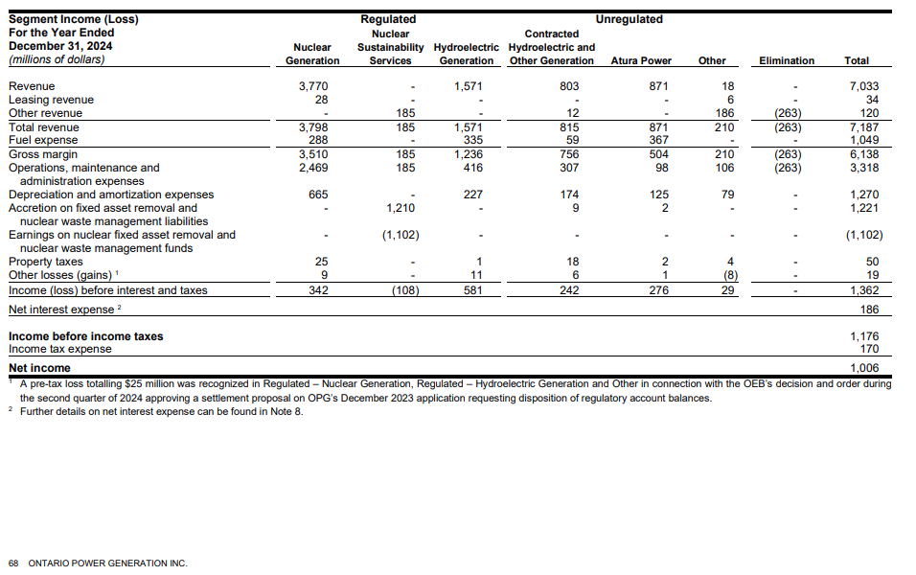
 | 2024 |  | 2025 |  | 2024 |  | 2025

 | Revenues | % | Revenues | % | EBIT | % | EBIT | %

Regulated Nuclear Generation | 3798 | 52.8% | 4527 | 54.2% | 342 | 25.1% | 1399 | 64.3%
Regulated Nuclear Sustainability Services | 185 | 2.6% | 153 | 1.8% | -108 | -7.9% | -94 | -4.3%
Regulated Hydroelectric Generation | 1571 | 21.9% | 1621 | 19.4% | 581 | 42.7% | 574 | 26.4%
Unregulated Contracted Hydro and Other Gen | 815 | 11.3% | 922 | 11.0% | 242 | 17.8% | -110 | -5.1%
Unregulated Atura Power | 871 | 12.1% | 1143 | 13.7% | 276 | 20.3% | 270 | 12.4%
Unregulated Other | 210 | 2.9% | 242 | 2.9% | 29 | 2.1% | 136 | 6.3%
Elimination | -263 | -3.7% | -253 | -3.0% | 0 | 0.0% | 0 | 0.0%

Total | 7187 |  | 8355 |  | 1362 |  | 2175

Regulated Nuclear and Hydro |  | 74.7% |  | 73.6% |  | 67.8% |  | 90.7%
 |  |  | Avg 2024, 2025: | 74.1% |  |  | Avg 2024, 2025: | 79.2%

Source: 2025 OPG MD&A, pp. 67-68 (see below)

