2021 Pole variance backup
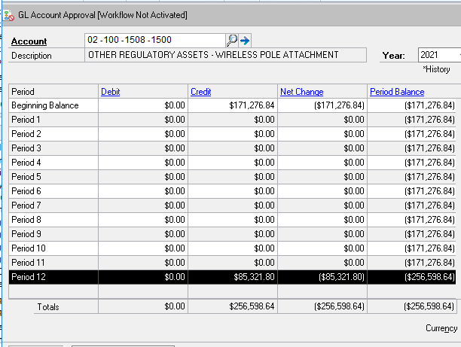
Lakefront Utilities Inc. - Accounting Guidance
1508 - Wireless Pole Attachment Charges
As at Dec 31, 2025

LUI - COS Approval 2022 2027 - Dec 31, 2025 |  |  |  | $34.76

OEB Approved New Charge |  |  |  | 2026 | 2026 | 2025 | 2025 | 2024 | 2024 | 2023 | 2023 | 2022 | 2022 |  | 2021 | 2021
 |  |  |  | Jan - Dec | Variance | Jan - Dec | Variance | Jan - Dec | Variance | Jan - Dec | Variance | Jan - Dec | Variance |  | Jan - Dec | Variance
 |  |  |  | $40.59 | $5.83 | $39.14 | $4.38 | $37.78 | $3.02 | $36.05 | $1.29 | $34.76 |  | $34.76 | $44.50 | $22.15

 |  | Input each year |  | 2026 | 2026 | 2025 | 2025 | 2024 | 2024 | 2023 | 2023 | 2022 | 2022 |  | 2021 | 2021
Carrier |  | # of Poles |  | Jan - Dec | Variance | Jan - Dec | Variance | Jan - Dec | Variance | Jan - Dec | Variance | Jan - Dec | Variance |  | Jan - Dec | Variance

Hydro One | HYD005 | 102 |  | $4,140.18 | $594.66 | $3,992.28 | $446.76 | $3,853.56 | $308.04 | $3,677.10 | $131.58 | $3,545.52 | $0.00 |  | $4,539.00 | $2,259.30

Cogeco | COG002 | 2263 | Cob-1908, Col-355 | $91,855.17 | $13,193.29 | $88,573.82 | $9,911.94 | $85,496.14 | $6,834.26 | $81,581.15 | $2,919.27 | $78,661.88 | $0.00 |  | $100,703.50 | $50,125.45

Bell | BEL001 | 942 | 2019 Actual | $38,235.78 | $5,491.86 | $36,869.88 | $4,125.96 | $35,588.76 | $2,844.84 | $33,959.10 | $1,215.18 | $32,743.92 | $0.00 |  | $41,919.00 | $20,865.30

LUSI | LAK001 | 545 |  | $22,121.55 | $3,177.35 | $21,331.30 | $2,387.10 | $20,590.10 | $1,645.90 | $19,647.25 | $703.05 | $18,944.20 | $0.00 |  | $24,252.50 | $12,071.75

Police | COB005 | 5 |  | $202.95 | $29.15 | $195.70 | $21.90 | $188.90 | $15.10
 |  | 3852 |  | $156,555.63 | $22,486.31 | $150,962.98 | $16,893.66 | $145,717.46 | $11,648.14 | $138,864.60 | $4,969.08 | $133,895.52 | $0.00 |  | $171,414.00 | $85,321.80

 |  |  |  |  |  |  |  |  |  |  | Approved rate 2021
2025 Open item listing by year |  |  |  |  |  |  |  | Disposition 2022
2021 | $85,321.80 |  |  |  |  |  |  | 2018 - incremental revenue | 7,335.72
2022 | $0.00 |  |  |  |  |  |  | 2019 - incremental revenue | 81,970.56
2023 | $4,969.08 |  |  |  |  |  |  | 2020 - incremental revenue | 81,970.56
2024 | $11,648.14 |  |  |  |  |  |  |  | 171,276.84
2025 | $16,893.66 |  |  |  |  |  |  | Diposition 2022 COS | 171,277.00
2026 | $22,486.31
Total | $141,318.99 | Amount in account (02-100-1508-1500) |  |  |  |  |  |  | -0.16

2025 Carrying charges
2022 | $1,877.98
2023 | $4,304.48
2024 | $4,390.65
2025 | $2,691.90
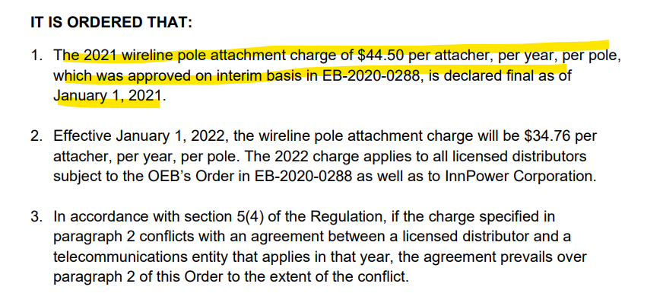
2026 | $2,175.70
Total | $15,440.71

 | $156,759.70

